INTERNAL
OPERATING INSTRUCTIONS
ENTER DATA IN BLUE CELLS ONLY.
RED MESSAGES INDICATE ENTRY ERRORS.
Please load the TEKTON fonts.
4.16 |  |  |  |  |  |  |  |  |  |  |  |  |  | USE 6.4.3(6) ß FACTORS |  | H | H16 @ |  | At col. face, vEd = | 4.626 |  | 2019-07-16 | CRITICAL PERIMETERS |  |  |  |  |  | LOADED AREAS |  |  | 0.0 | 8 | Auto | Radial only
 | Project | Milton Keynes |  |  |  |  |  | The Concrete Centre |  |  |  |  |  | CALCULATE ß |  | γRC = | 25.47381292 |  | At hole face, vEd = | 4.626 |  |  | Per No | a | Internal | deduct | Final U | βVEd | a | Internal |  | 28.3 | 8 | 8 | Automatic
 | Client | Abbey Gate Developments |  |  |  |  |  | Made by | Date |  | Page |  |  | CALCULATE ß |  |  |  |  |  |  |  |  | 1 | 636 | 5196 | 0 | 5196 | 1765.2002003 | 0 | 0.090 |  | 50.3 | 10 | 10 | Automatic
 | Location | 201 |  |  |  |  |  | SM | 16-Jul-2019 |  | 1 |  | n = | 0.523 | fywd,ef = | 329.5 | MAX a = | 1401 |  |  |  |  | Uout | 1071 | 7930 | 0 | 7930 | 1713.863883 | 435 | 1.207 | 0.9991 | 78.5 | 12 | 12
 |  | PUNCHING SHEAR to BS EN 1992-1: 2004 |  |  |  | INTERNAL |  | Checked | Revision |  | Job No |  | fcd = | 21.33 | fLck = |  | Max side | 300 |  |  |  |  | Hole face | 0 | 1200 | 0 | 1200 | 1765.2002003 | 0 | 0.090 |  | 113.1 | 16 | 16
 |  |  | Originated from TCC13.xlsm | v4.16 on CD © 2003-19 TCC |  |  | COLUMN | AP | A |  | 3259 |  | k = | 1.793 | Hole deduct ? | NO | Min side | 300 | o/s hole = | 1.4142135624E-10 |  |  | Col face | 0 | 1200 | 0 | 1200 | 1765.2002003 | 0 | 0.090 |  | 201.1 | 20 | 20
 |  |  |  |  |  |  |  |  |  |  |  |  |  |  |  |  |  |  |  |  |  |  |  |  |  |  |  |  |  |  |  | 314.2 | 25 | 25
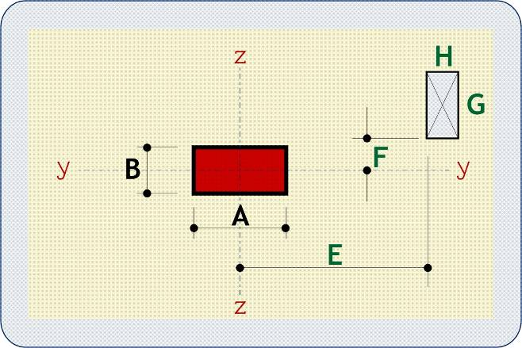
 | MATERIALS | fck | N/mm2 | 32 | STATUS |  |  | LEGEND |  |  |  |  | Solution 6.22 (B) |  |  |  | Solution 6.22 (A) Spurs = | 8 |  | Solution 6.22 (A) Spurs = | 12 |  |  | Iteration to find Uout |  |  |  |  |  |  |  |  |  | 32
 |  | fyk | N/mm2 | 500 | VALID DESIGN |  |  |  |  |  |  | Shear Enhancement | outside face by | 65 | mm | St = | 305.0 | mm | St = | 178.7 | mm |  |  | 1272 | 9192 | 0 | 9192 | 1671.6965776 | 636 | 2.124 | 0.8407 |  |  | Auto
 |  | RC density | kN/m3 | 25 | normal weight concrete |  |  |  |  |  |  |  | Asw/Sr req = | 5.867 | mm | Asw/Sr min = | 0.18403632492 | mm | Asw/Sr min = | 0.108 | mm |  |  | 1069 | 7919 | 0 | 7919 | 1714.175651 | 433 | 1.200 | 1.0007 |  |  | #VALUE!
 |  |  | Steel class | A | . |  |  |  |  |  |  |  | try X spurs = | 3 | No | Required Ø = | 16 | mm | Required Ø = | 10 | mm |  |  | 1070 | 7923 | 0 | 7923 | 1714.0496644 | 434 | 1.203 | 1.0000
 | DIMENSIONS | A | mm | 300 | E | mm | 0 |  |  |  |  | Link diameter on all pages | try Y spurs = | 3 | No | link Ø = | 16 | mm | link Ø = | 10 | mm |  |  | 1070 | 7923 | 0 | 7923 | 1714.0447593 | 434 | 1.203 | 1.0000
 |  | B | mm | 300 | F | mm | 0 |  |  |  |  |  | Required Ø = | 10 | mm | Asw/Sr req = | 5.867 | mm | Asw/Sr req = | 5.867 | mm |  |  | 1070 | 7923 | 0 | 7923 | 1714.0445692 | 434 | 1.203 | 1.0000
 |  | G | mm | 0 | H | mm | 0 |  |  |  |  | Spur layout | link Ø = | 10 | mm | Sr = | 235 | mm | Sr = | 160 | mm |  |  |  |  | touch | overlap
 |  |  |  |  |  |  |  |  |  |  |  |  | Asw/Sr min = | 0.130 | mm | Asw/Sr prov = | 6.845 | mm | Asw/Sr prov = | 5.890 | mm |  | Per No | vEd,red | Side B | N | 0 | -150
 | LOADING | VEd | kN | 1120 | Mty = | kNm | 567.0 |  |  |  |  | √ |  |  |  | C req = | 990 | mm | C req = | 972 | mm |  | 1 | 1.0683 | Side A | N | 0 | -150
 |  | ult UDL | kN/m2 | 29.10 | Mtz = | kNm | 10.0 |  |  |  |  | √ | Sr = | 160 | mm | Last link @ | 705 | mm | Last link @ | 480 | mm
 |  | ß = | 1.580 | to expression (6.43) |  |  | . | . |  |  |  | √ | X spurs = | 3 | No | C actual = | 1221 | mm | C actual = | 974 | mm |  | HOLE REDUCTION
 |  |  |  |  |  |  |  |  |  |  |  |  | Y spurs = | 3 | No |  | 829.6 | mm | St, last links | 423.6 | mm |  |  | BL | BR | TL | TR | Centre | NS
 | SLAB |  |  | dz | mm | 324 | Asz | mm2/m | 3140 | in B + 6d | ρx = 0.969 | Mty and Mtz are moments transferred to the column under the same loading arrangement that produces VEd. | Asw/Sr prov = | 5.890 | mm | Stmax<= 2d ? | INVALID |  | Stmax<= 2d ? | VALID |  |  | X = | 0.0 | 0.0 | 0.0 | 0.0 | 0.0 | 0
 | h | mm | 350 | dy | mm | 312 | Asy | mm2/m | 3140 | in A + 6d | ρy = 1.006 |  | St,x = | 215 | mm | e split = | 1031 | mm | e split = | 892 | mm |  | Y = | 0.0 | 0.0 | 0.0 | 0.0 | 0.0 | 0
 |  |  |  | d | mm | 318 |  |  |  | 100ρL % = | 0.988 |  | St,y = | 215 | mm | C req = | 915.9 | mm | C req = | 1365.2 | mm |  | tan a = | 1.0000 |  | tan b = | 1.0000
 |  |  |  |  |  |  |  |  |  |  |  | √ |  |  |  | Last link @ | 470 | mm | Last link @ | 960 | mm |  | b/2 | c/2 | T Tan | R Tan | D/d
 | RESULTS | βVEd = | 1769.3 | kN |  |  | vRd,c = | 0.6803 | N/mm2 |  | Equation (6.47) |  |  |  |  | Uout = | 8249 | mm | Uout = | 10699 | mm |  | 786.0 | 786.0 | 0.1908 | 0.1908 | 0.0
 |  | At col. face, vEd = | 4.626 | N/mm2 |  |  | At 2d perimeter, vEd,red = | 1.0683 | N/mm2 | 0.78519023646 |  |  | 2nd link = | 315 | from col face | 2nd link = | 390 | from col face | 2nd link = | 315 | from col face |  | 1422.0 | 1422.0 | 0.1055 | 0.1055 | 0.0 | 0.0% | Reduction | 100.0%
 |  |  |  |  |  |  | Uout required = | 7930 | (≈ 1,071 from col face) |  | Equation (6.54) | √ | Last link at | 635 | mm from face | Last link at | 625 | mm from face | Last link at | 635 | mm from face |  | 150.0 | 150.0 | 1.0000 | 1.0000 | 0.0
 | E-W |  | N-S |  | NW+NE |  | SW+SE |  | NNW+NNE |  | WNW+ENE |  | SSW+SSE |  | WSW+ESE |  | B~EW |  | column |  | Square it |  | hole
-625.0 | 150.0 | 150.0 | -155.0 | -155.0 | 455.0 | -155.0 | -155.0 | 0.0 | 0.0 | 0.0 | 0.0 | 0.0 | 0.0 | 0.0 | 0.0 | 0.0 | 0.0 | 0 | 0 | 925 | 925 | 150 | 150
-155.0 | 150.0 | 150.0 | -625.0 | -487.3 | 787.3 | -487.3 | -487.3 | 0.0 | 0.0 | 0.0 | 0.0 | 0.0 | 0.0 | 0.0 | 0.0 | 0.0 | 0.0 | 0 | 300 |  |  | 150 | 150
 |  |  |  |  |  |  |  |  |  |  |  |  |  |  |  |  |  | 300 | 300 |  |  | 150 | 150
455.0 | 150.0 | 150.0 | 455.0 | 455.0 | 455.0 | 455.0 | -155.0 | 0.0 | 0.0 | 0.0 | 0.0 | 0.0 | 0.0 | 0.0 | 0.0 | 0.0 | 0.0 | 300 | 0 |  |  | 150 | 150
925.0 | 150.0 | 150.0 | 925.0 | 787.3 | 787.3 | 787.3 | -487.3 | 0.0 | 0.0 | 0.0 | 0.0 | 0.0 | 0.0 | 0.0 | 0.0 | 0.0 | 0.0 | 0 | 0 |  |  | 150 | 150
 |  |  |  |  |  |  |  |  |  |  |  |  |  |  |  | 0.0 | 0.0
 |  |  |  |  |  |  |  |  |  |  |  |  |  |  |  | 0.0 | 0.0
 |  |  |  |  |  |  |  |  |  |  |  |  |  |  |  | 0.0 | 0.0
 |  |  |  |  |  |  |  |  |  |  |  |  |  |  |  | 0.0 | 0.0
 |  |  |  |  |  |  |  |  |  |  |  |  |  |  |  | 0.0 | 0.0
 |  |  |  |  |  |  |  |  |  |  |  |  |  |  |  | 0.0 | 0.0
 |  |  |  |  |  |  |  |  |  |  |  |  |  |  |  | 0.0 | 0.0
 |  |  |  |  |  |  |  |  |  |  |  |  |  |  |  | 0.0 | 0.0
 |  |  |  |  |  |  |  |  |  |  |  |  |  |  |  | 0.0 | 0.0
 |  |  |  |  |  |  |  |  |  |  |  |  |  |  |  | 0.0 | 0.0
 |  |  |  |  |  |  |  |  |  |  |  |  |  |  |  | 0.0 | 0.0
 |  |  |  |  |  |  |  |  |  |  |  |  |  |  |  | 0.0 | 0.0
 |  |  |  |  |  |  |  |  |  |  |  |  |  |  |  | 0.0 | 0.0
 |  |  |  |  |  |  |  |  |  |  |  |  |  |  |  | 0.0 | 0.0
 |  |  |  |  |  |  |  |  |  |  |  |  |  |  |  | 0.0 | 0.0
 |  |  |  |  |  |  |  |  |  |  |  |  |  |  |  | 0.0 | 0.0
 |  |  |  |  |  |  |  |  |  |  |  |  |  |  |  | 0.0 | 0.0
 |  |  |  |  |  |  |  |  |  |  |  |  |  |  |  | 0.0 | 0.0
 |  |  |  |  |  |  |  |  |  |  |  |  |  |  |  | 0.0 | 0.0
 |  |  |  |  |  |  |  |  |  |  |  |  |  |  |  | 0.0 | 0.0
 |  |  |  |  |  |  |  |  |  |  |  | √ | Uout = | 7261 | mm | Uout = | 8249 | mm | Uout = | 8139 | mm |  | 150.0 | 150.0 | 1.0000 | 1.0000 | 0.0
 | SOLUTION | Fig 6.22 (A) |  | . |  |  |  |  |  |  |  |  | No solution | 0 |  | ok | 1 | 476.2 | ok | 1 | 259.6
 |  | 8 link spurs of 3H16 @ 235 |  |  |  | 24 | links |  |  |  |  |  | Legs | 4 | per spur | Legs | 3 | per spur | Legs | 4 | per spur |  | W | ¬­¬ | ¬­­ | N | ­­® | ®­® | E | ®¯® | ¯¯® | S | ¬¯¯ | ¬¯¬
 |  | . |  |  |  |  |  |  |  |  |  | √ | Links per spur = | 3 | No |  |  |  |  |  |  |  | 0 | 0 | 0 | 0 | 0 | 0 | 0 | 0 | 0 | 0 | 0 | 0
 |  | St = | 305 | mm | Sr = | 235 | mm |  |  |  |  |  | Spur length = | 470 | mm | C req | 990 |  | C req | 972 |  |  | 0 | 0 | 0 | 0 | 0 | 0 | 0 | 0 | 0 | 0 | 0 | 0
 |  | Asw/Sr req = | 5.867 |  | (6.52) & (9.11) |  |  |  |  |  |  |  | Spurs = | 8 | No | C req (hole) | 990 |  | C req (hole) | 972 |  |  | 0 | 0 | 0 | 0 | 1 | 1 | 0 | 0 | 0 | 0 | 0 | 0
 |  | Asw/Sr prov = | 6.845 | mm |  |  |  |  |  |  |  |  | Sr = | 235 | mm | Uout 1 | 12093 |  | Uout 1 | 8139 |  |  | 0 | 0 | 0 | 0 | 1 | 1 | 0 | 0 | 0 | 0 | 0 | 0
 |  | First link perimeter | 155 | mm from column face |  |  |  |  |  |  |  |  | C + a | See Fig 6.22B |  | C + a | 1,075 |  | C + a | 1,131 |  |  | 0.0 | 0.0 | 0.0 | 0.0 | 0.0 | 0.0 | 0.0 | 0.0 | 0.0 | 0.0 | 0.0 | 0.0
 |  | Outer links at | 625 | mm from column face |  |  |  |  |  |  |  | If column size has been reduced from a value > 4d, perimeter reductions for holes may be conservative & number of spurs may need to be increased. | CHECKS |  |  |  |  |  | Extra 12 spurs of | 0 | legs |  | 0.0 | 0.0 | 0.0 | 0.0 | 0.0 | 0.0 | 0.0 | 0.0 | 0.0 | 0.0 | 0.0 | 0.0
 |  | Uout = | 8249.277908 | mm > 7,930 mm |  |  | SPUR |  |  |  |  |  | 1 | Size > 4d. | Show note? | 0 |  |  |  |  |  |  | 0.0 | 0.0 | 0.0 | 0.0 | 0.0 | 0.0 | 0.0 | 0.0 | 0.0 | 0.0 | 0.0 | 0.0
 | See GEOMETRY page for link locations. |  |  |  |  |  | PLAN |  |  |  |  |  | 0 |  |  |  |  |  |  |  |  |  | 0.0 | 0.0 | 0.0 | 0.0 | 0.0 | 0.0 | 0.0 | 0.0 | 0.0 | 0.0 | 0.0 | 0.0
 | Some links shown may need to be re-located to avoid holes. |  |  |  |  |  |  |  |  |  |  |  | 0
 |  |  |  |  |  |  |  |  |  |  |  |  | 0
 |  |  |  |  |  |  |  |  |  |  |  |  | 0
 | ß factors | U1 = | 5196
 | W1y = | 2734000 |  | C1/C2 = | 1 | Ky = | 0.6 | ßy = | 1.577 |  |  |  | Rows | Side | OK?
 | W1z = | 2734000 |  | C1/C2 = | 1 | Kz = | 0.6 | ßz = | 1.010 |  |  |  | 4 | 1028.4 | N
 |  |  |  |  |  |  |  | combined ß = | 1.580 |  |  |  | 8 | 37.2
 |  |  |  |  |  |  |  |  |  |  |  |  | 12 | -293.2
 |  |  |  |  |  |  |  |  |  |  |  |  | 16 | -458.4

 |  |  |  |  |  |  |  |  |  |  |  |  | Blockout |  |  |  | Slope at perimeter corners
 |  |  |  |  |  |  |  |  |  |  |  |  | 0 | 0 | 0 | Actual | (A+2a)/B | (B+2a)/A
 |  |  |  |  |  |  |  |  |  |  |  |  | 0 | 0 | 0 |  | 5.240 | 5.240
 |  |  |  |  |  |  |  |  |  |  |  |  | 0.000 |  | 0.000 | Slope | 8.140 | 8.140
 |  |  |  |  |  |  |  |  |  |  |  |  | 150 | 150 | 150 | Graphic | 1.000 | 1.000
 |  |  |  |  |  |  |  |  |  |  |  |  | 150 | 150 | 150 |  | 1.000 | 1.000
 |  |  |  |  |  |  |  |  |  |  |  |  | BL | BR | TL | TR
 |  |  |  |  |  |  |  |  |  |  |  |  | 0 | 0 | 0 | 0
 |  |  |  |  |  |  |  |  |  |  |  |  | 0 | 0 | 0 | 0 | min | max
 |  |  |  |  |  |  |  |  |  |  |  |  | 0.000 | 0.000 | 0.000 | 0.000 | 0.000 | 0.000
 |  |  |  |  |  |  |  |  |  |  |  |  | 0.000 | 0.000 | 0.000 | 0.000 | 0.000 | 0.000
 |  |  |  |  |  |  |  |  |  |  |  |  | 0.000 | 0.000 | 0.000 | 0.000 | 0.000 | 0.000 | choose
 |  |  |  |  |  |  |  |  |  |  |  |  | E > 0? | 0 | E < -H? | 0 | 0

EDGE
OPERATING INSTRUCTIONS
ENTER DATA IN BLUE CELLS ONLY.
RED MESSAGES INDICATE ENTRY ERRORS.
 |  |  |  |  |  |  |  |  |  |  |  |  | USE 6.4.3(6) ß FACTORS |  | H | H8 @ |  | At col. face, vEd = | 2.782 |  | CRITICAL PERIMETERS |  |  |  |  |  |  | LOADED AREAS |  |  |  | 0.0 | 8
Project | Milton Keynes |  |  |  |  |  | The Concrete Centre |  |  |  |  |  | CALCULATE ß |  |  |  |  | At hole face, vEd = | 0.906 |  | Per No | a | Internal | Choose μ1 | deduct | Final U | βVEd | a | Internal | Choose |  | 28.3 | 8
Client | Abbey Gate Developments |  |  |  |  |  | Made by | Date |  | Page |  |  | CALCULATE ß |  |  |  |  |  |  |  | 1 | 386 | 5425 | 3913 | 0 | 3913 | 466.94988342 | 0 | 0.360 | 0.360 |  | 50.3 | 10
Location | 2001 |  |  |  |  |  | SM | 16-Jul-2019 |  | 2 |  | n = | 0.523 | fywd,ef = | 298.25 | MAX a = | 600 | Y strip = | 1500 |  | Uout | 269 | 4690 | 3545 | 0 | 3545 | 483.1275017 | -117 | 0.052 | 0.052 | 0.9424 | 78.5 | 12
 | PUNCHING SHEAR to BS EN 1992-1: 2004 |  |  |  |  | EDGE | Checked | Revision |  | Job No |  | fcd = | 21.33 |  |  | Max side | 1200 |  |  |  | Hole face | 0 | 3000 | 2700 | 0 | 2700 | 470.58299172 | 0 | 0.360 | 0.360 |  | 113.1 | 16
 | Originated from TCC13.xlsm v4.16 on CD © 2003-19 TCC |  |  |  |  | COLUMN | AP | - |  | 3259 |  | k = | 2.000 | Hole deduct ? | NO | Min side | 300 | o/s hole = | 1.4142135624E-10 |  | Col face | 0 | 3000 | 2700 | 0 | 879 | 470.58299172 | 0 |  | 0.360 |  | 201.1 | 20
 |  |  |  |  |  |  |  |  |  |  |  |  |  |  |  |  |  |  |  |  |  |  |  |  |  |  |  |  |  |  |  | 314.2 | 25
MATERIALS | fck | N/mm2 | 32 | STATUS |  |  | LEGEND |  |  |  |  | Solution 6.22 (B) |  |  |  | Solution 6.22 (A) Spurs = | 7 |  | Solution 6.22 (A) Spurs = | 9 |  | Iteration to find Uout
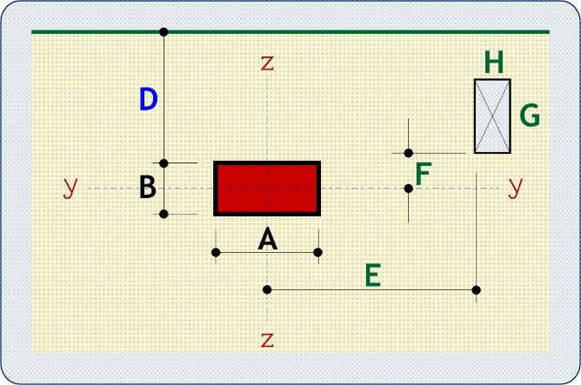
 | fyk | N/mm2 | 500 | VALID DESIGN |  |  |  |  |  |  | Shear Enhancement | outside face by | 40 | mm | St = | 390.7 | mm | St = | 356.4 | mm |  | 772 | 7851 | 5125 | 0 | 5125 | 400.89599959 | 386 | 1.986084739 | 1.636 | 0.5409
 |  | Steel class | A | . |  |  |  |  |  |  |  | Asw/Sr req = | 0.551 | mm | Asw/Sr min = | 0.236 | mm | Asw/Sr min = | 0.215 | mm |  | 418 | 5623 | 4012 | 0 | 4012 | 462.41127067 | 32 | 0.45775094902 | 0.447 | 0.7970
 |  |  |  |  |  |  |  |  |  |  |  | try X spurs = | 6 | No | Required Ø = | 8 | mm | Required Ø = | 8 | mm |  | 333 | 5091 | 3745 | 0 | 3745 | 474.82359781 | -53 | 0.20925601101 | 0.209 | 0.8766
DIMENSIONS | A | mm | 300 | E | mm | 0 |  |  |  |  |  | try Y spurs = | 3 | No | link Ø = | 8 | mm | link Ø = | 8 | mm |  | 292 | 4833 | 3616 | 0 | 3616 | 480.30550075 | -94 | 0.10507758951 | 0.105 | 0.9183
 | B | mm | 1200 | F | mm | 0 |  |  |  |  | √ | Required Ø = | 8 | mm | Asw/Sr req = | 0.551 | mm | Asw/Sr req = | 0.551 | mm |  | 268 | 4683 | 3542 | 0 | 3542 | 483.2475027 | -118 | 0.049510022905 | 0.050 | 0.9435
 |  |  |  | G | mm | 0 |  |  |  |  | √ | link Ø = | 8 | mm | Sr = | 140 | mm | Sr = | 140 | mm |  |  |  | touch | overlap
 | D | mm | 0 | H | mm | 0 |  |  |  |  | √ | Asw/Sr min = | 0.135 | mm | Asw/Sr prov = | 2.513 | mm | Asw/Sr prov = | 3.231 | mm | Per No | vEd,red | Side B | N | 0 | -150
 |  |  |  |  |  |  |  |  |  |  | √ |  |  |  | C req = | 20 | mm | C req = | 13 | mm | 1 | 0.625 | Side A | N | 0 | -600
LOADING | VEd | kN | 291.3 | Mtz = | kNm | -36.1 |  |  |  |  |  | Sr = | 140 | mm | Last link @ | 0 | mm | Last link @ | 0 | mm
 | ult UDL | kN/m2 | 29.10 | Mty = | kNm | 0.0 | . |  |  |  | Mtz is the moment about the Z axis that is transferred to the column under the same loading arrangement that produces VEd. | X spurs = | 6 | No | C actual = | 313 | mm | C actual = | 300 | mm | HOLE REDUCTION
 | ult edge load | kN/m | 2.80 | ß = | 1.681 | to expression (6.44) |  |  |  |  |  | Y spurs = | 3 | No | St, last links | 390.7 | mm | St, last links | 356.4 | mm |  | BL | BR | TL | TR | Centre | NS
 |  |  |  |  |  |  |  |  |  |  |  | Asw/Sr prov = | 5.386 | mm | Stmax<= 2d ? | INVALID |  | Stmax<= 2d ? | VALID |  | X = | 1E-10 | 1E-10 | 1E-10 | 1E-10 | 0.0 | 0
SLAB |  |  | dz | mm | 199 | Asz | mm2/m | 1576 | in B + 3d+D | ρx = 0.792 |  | St,x = | 240 | mm | e split = | 626 | mm | e split = | 541 | mm | Y = | 1E-10 | 1E-10 | 1E-10 | 1E-10 | 0.0 | 0
h | mm | 225 | dy | mm | 187 | Asy | mm2/m | 2136 | in A + 6d | ρy = 1.142 | √ | St,y = | 190 | mm | C req = | 265.2 | mm | C req = | 332.5 | mm | tan a = | 1.0000 |  | tan b = | 1.0000
 |  |  | d | mm | 193 |  |  |  | 100ρL % = | 0.951 | √ |  |  |  | Last link @ | 0 | mm | Last link @ | 140 | mm | b/2 | c/2 | T Tan | R Tan | D/d
 |  |  |  |  |  |  |  |  |  |  |  |  |  |  | Uout = | 3703 | mm | Uout = | 4447 | mm | 536.0 | 986.0 | 0.1521 | 1.1194 | 0.0
RESULTS | βVEd = | 489.6 | kN |  |  | vRd,c = | 0.7493 | N/mm2 |  | Equation (6.47) | Column size > 4d. For a conservative solution, consider reducing to 4d, using CALCULATE ß option and adding side spurs as required | 2nd link = | 235.0 | from col face | 2nd link = | 235 | from col face | 2nd link = | 235 | from col face | 922.0 | 1372.0 | 0.1093 | 0.6508 | 0.0 | 0.0% | Reduction | 100.0%
 | At col. face, vEd = | 2.782 | N/mm2 |  |  | At 2d perimeter, vEd,red = | 0.6250 | N/mm2 | 0.41706788682 |  |  | Last link at | 375 | mm from face | Last link at | 95 | mm from face | Last link at | 95 | mm from face | 150.0 | 600.0 | 0.2500 | 4.0000 | 0.0
 |  |  |  |  |  | Uout required = | 2700 | (≈ 269 from col face) |  | Equation (6.54) |  | Uout = | 4541 | mm | Uout = | 3703 | mm | Uout = | 4247 | mm | 150.0 | 600.0 | 0.2500 | 4.0000 | 0.0
 | E-W1 |  | E-W2 |  | N-S |  | SW+SE |  | WSW+ESE |  | SSW+SSE |  | B~EW |  | Edge |  | column |  | sqareit |  | hole |  | cross
0.0 | 0.0 | 0.0 | 0.0 | 0.0 | 0.0 | 0.0 | 0.0 | 0.0 | 0.0 | 0.0 | 0.0 | -375.0 | -40.0 | -471.5 | 1200 | 0 | 0 | 1103.5 | 1200 | 150 | 600 | 150 | 600
0.0 | 0.0 | 0.0 | 0.0 | 0.0 | 0.0 | 0.0 | 0.0 | 0.0 | 0.0 | 0.0 | 0.0 | -95.0 | -40.0 | 771.5 | 1200 | 0 | 1200 |  |  | 150 | 600 | 150 | 600
 |  |  |  |  |  |  |  |  |  |  |  |  |  |  |  | 300 | 1200 |  |  | 150 | 600
0.0 | 0.0 | 0.0 | 0.0 |  |  | 0.0 | 0.0 | 0.0 | 0.0 | 0.0 | 0.0 | 395.0 | -40.0 |  |  | 300 | 0 |  |  | 150 | 600 | 150 | 600
0.0 | 0.0 | 0.0 | 0.0 |  |  | 0.0 | 0.0 | 0.0 | 0.0 | 0.0 | 0.0 | 675.0 | -40.0 |  |  | 0 | 0 |  |  | 150 | 600 | 150 | 600
 |  |  |  |  |  |  |  |  |  |  |  | -375.0 | 1160.0
 |  |  |  |  |  |  |  |  |  |  |  | -95.0 | 1160.0
 |  |  |  |  |  |  |  |  |  |  |  | 395.0 | 1160.0
 |  |  |  |  |  |  |  |  |  |  |  | 675.0 | 1160.0
 |  |  |  |  |  |  |  |  |  |  |  | -375.0 | 200.0
 |  |  |  |  |  |  |  |  |  |  |  | -95.0 | 200.0
 |  |  |  |  |  |  |  |  |  |  |  | 395.0 | 200.0
 |  |  |  |  |  |  |  |  |  |  |  | 675.0 | 200.0
 |  |  |  |  |  |  |  |  |  |  |  | -375.0 | 440.0
 |  |  |  |  |  |  |  |  |  |  |  | -95.0 | 440.0
 |  |  |  |  |  |  |  |  |  |  |  | 395.0 | 440.0
 |  |  |  |  |  |  |  |  |  |  |  | 675.0 | 440.0
 |  |  |  |  |  |  |  |  |  |  |  | -375.0 | 680.0
 |  |  |  |  |  |  |  |  |  |  |  | -95.0 | 680.0
 |  |  |  |  |  |  |  |  |  |  |  | 395.0 | 680.0
 |  |  |  |  |  |  |  |  |  |  |  | 675.0 | 680.0
 |  |  |  |  |  |  |  |  |  |  |  | -375.0 | 920.0
 |  |  |  |  |  |  |  |  |  |  |  | -95.0 | 920.0
 |  |  |  |  |  |  |  |  |  |  |  | 395.0 | 920.0
 |  |  |  |  |  |  |  |  |  |  |  | 675.0 | 920.0
 |  |  |  |  |  |  |  |  |  |  |  | ok | 1 |  | No solution | 0 | 491.4 | No solution | 0 | 426.8
No links required | Fig 6.22 (B) |  | . |  |  |  |  |  |  |  |  | Legs | 3 | per spur | Legs | 1 | per spur | Legs | 1 | per spur | W | ¬­¬ | ¬­­ | N | ­­® | ®­® | E | ®¯® | ¯¯® | S | ¬¯¯ | ¬¯¬
 | 15 link spurs of 3H8 @ 140 |  |  |  | 45 | links |  |  |  |  | √ | Links per spur = | 3 | No |  |  |  |  |  |  | 0 | 0 | 0 | 0 | 0 | 1 | 0 | 0 | 0 | 0 | 0 | 0
 | . |  |  |  |  |  |  |  |  |  |  | Spur length = | 280 | mm | C req | 20 |  | C req | 13 |  | 0 | 0 | 0 | 0 | 0 | 1 | 0 | 0 | 0 | 0 | 0 | 0
 | St (average) = | 231.7 | mm | Sr = | 140 | mm |  |  |  |  |  | Spurs = | 15 | No | C req (hole) | 20 |  | C req (hole) | 13 |  | 0 | 0 | 0 | 0 | 0 | 1 | 0 | 0 | 0 | 0 | 0 | 0
 | Asw/Sr req = | 0.551 |  | (6.52) & (9.11) |  |  |  |  |  |  |  | Sr = | 140 | mm | Uout 1 | 3620 |  | Uout 1 | 4247 |  | 0 | 0 | 0 | 0 | 0 | 1 | 0 | 0 | 0 | 0 | 0 | 0
 | Asw/Sr prov = | 5.386 | mm |  |  |  |  |  |  |  | If column size has been reduced from a value > 4d, perimeter reductions for holes may be conservative & number of spurs may need to be increased. | C + a | See Fig 6.22B |  | C + a | 362 |  | C + a | 109 |  | 0.0 | 0.0 | 0.0 | 0.0 | 0.0 | 0.0 | 0.0 | 0.0 | 0.0 | 0.0 | 0.0 | 0.0
 | First link perimeter | 95 | mm from column face |  |  |  |  |  |  |  |  | CHECKS |  |  |  |  |  | Extra 6 spurs of | 0 | legs | 0.0 | 0.0 | 0.0 | 0.0 | 0.0 | 0.0 | 0.0 | 0.0 | 0.0 | 0.0 | 0.0 | 0.0
 | Outer links at | 375 | mm from column face |  |  |  |  |  |  |  |  | 1 | Size > 4d. | Show note? | 0 |  |  |  |  |  | 0.0 | 0.0 | 0.0 | 0.0 | 0.0 | 0.0 | 0.0 | 0.0 | 0.0 | 0.0 | 0.0 | 0.0
 | Uout = | 4541.4910732 | mm > 2,700 mm |  |  | SPUR |  |  |  |  |  | 0 |  |  |  |  |  |  |  |  | 0.0 | 0.0 | 0.0 | 0.0 | 0.0 | 0.0 | 0.0 | 0.0 | 0.0 | 0.0 | 0.0 | 0.0
Additional spurs may be required between column and edge. |  |  |  |  |  | PLAN |  |  |  |  |  | 0 |  |  |  | Additional spurs may be required between column and edge.
Some links shown may need to be re-located to avoid holes. |  |  |  |  |  |  |  |  |  |  |  | 0 |  |  |  | See GEOMETRY page for link locations.
 |  |  |  |  |  |  |  |  |  |  |  | 0
ß factors |  |  |  |  |  |  |  |  |  |  |  | 0
standard | Uβ = | 3913 | U1* = | 2092 | Uβ/U1* = | 1.871
W1 = | 1788790 |  | C1/2/C2 = | 2 | Ky = | 0.7 | ß = | 1.681 |  |  |  | Blockout |  |  |  | Slope at perimeter corners
 |  |  |  |  |  |  |  |  |  |  |  | 0 | 0 | 0 | Actual | (A+2a)/B | (B+2a)/A
full perimeter |  | combined ß = | 1.113 |  |  |  | choose ß = | 1.681 | to expression (6.44) |  |  | 0 | 0 | 0 |  | 0.893 | 6.573
 |  |  |  |  |  |  |  |  |  |  |  | 0.000 |  | 0.000 | Slope | 0.698 | 5.793
 |  |  |  |  |  |  |  |  |  |  |  | 150 | 150 | 150 | Graphic | 0.250 | 4.000
 |  |  |  |  |  |  |  |  |  |  |  | 600 | 600 | 600 |  | 0.250 | 4.000
 |  |  |  |  |  |  |  |  |  |  |  | BL | BR | TL | TR
 |  |  |  |  |  |  |  |  |  |  |  | 0 | 0 | 0 | 0
 |  |  |  |  |  |  |  |  |  |  |  | 0 | 0 | 0 | 0 | min | max
 |  |  |  |  |  |  |  |  |  |  |  | 0.000 | 0.000 | 0.000 | 0.000 | 0.000 | 0.000
 |  |  |  |  |  |  |  |  |  |  |  | 0.000 | 0.000 | 0.000 | 0.000 | 0.000 | 0.000
 |  |  |  |  |  |  |  |  |  |  |  | 0.000 | 0.000 | 0.000 | 0.000 | 0.000 | 0.000 | choose
 |  |  |  |  |  |  |  |  |  |  |  | E > 0? | 0 | E < -H? | 0 | 0

CORNER
OPERATING INSTRUCTIONS
ENTER DATA IN BLUE CELLS ONLY.
RED MESSAGES INDICATE ENTRY ERRORS.
 |  |  |  |  |  |  |  |  |  |  |  |  |  | USE 6.4.3(6) ß FACTORS |  | H | H8 @ |  | At col. face, vEd = | 1.3169 | x | CRITICAL PERIMETERS |  |  |  |  |  | Choose μ1 |  |  |  | LOADED AREAS
Project | Milton Keynes |  |  |  |  |  | The Concrete Centre |  |  |  |  |  |  | CALCULATE ß |  |  | o/s hole = | 0.0 | At hole face, vEd = | 0.7989 | Asy | Per No | a | Internal | Edge D | Edge C | Corner |  | deduct | Final U | βVEd | a | Internal | Edge | Choose
Client | Abbey Gate Developments |  |  |  |  |  | Made by | Date |  | Page |  |  |  | CALCULATE ß |  |  |  |  | (enhancement factor) |  | x & Asy | 1 | 610 | 6082.7430374 | 3266 | 3941 | 2083 | 2083 | 0 | 2083 | 269.81152147 | 0 | 0.203 | 0.203 | 0.203
Location | Columns A1, D1, A5 & D5 |  |  |  |  |  | SM | 16-Jul-2019 |  | 3 |  |  | n = | 0.523 | fywd,ef = | 326.25 | MAX ax = | 113 | MAX ay = | 450 |  | Uout | 246 | 3793.0528281 | 2122 | 2797 | 1511 | 1511 | 0 | 1511 | 293.70882166 | -364 | -0.200 | -0.327 | -0.327 | 0.9154
 | PUNCHING SHEAR to BS EN 1992-1: 2004 |  |  |  |  | CORNER | Checked | Revision |  | Job No |  |  | fcd = | 21.33 |  |  | Max side | 900 | X strip = | 675 |  | Hole face | 0 | 2250 | 1350 | 2025 | 1125 | 1125 | 0 | 1125 | 269.81152147 | 0 | 0.203 | 0.203 | 0.203
 | Originated from TCC13.xlsm v4.16 on CD © 2003-19 TCC |  |  |  |  | COLUMN | AP | - |  | 3259 |  |  | k = | 1.810 | Hole deduct ? | NO | Min side | 225 | Y strip = | 1013 |  | Col face | 0 | 2250 | 1350 | 2025 | 683 | 683 | 0 | 683 | 269.81152147 | 0 |  |  | 0.203

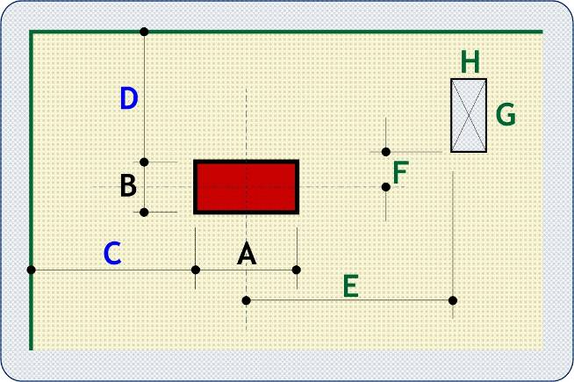
MATERIALS | fck | N/mm2 | 32 | STATUS |  |  | LEGEND |  |  |  |  |  | Solution 6.22 (B) |  |  |  | Solution 6.22 (A) Spurs = | 4 |  | Solution 6.22 (A) Spurs = | 5 |  | Iteration to find Uout
 | fyk | N/mm2 | 500 | VALID DESIGN |  |  |  |  |  |  | Shear Enhancement |  | outside face by | 60 | mm | St = | 357.4 | mm | St = | 301.3 | mm |  | 1220 | 9915 | 5183 | 5858 | 3041 | 3041.3715187 | 0.0 | 3041 | 253.48180908 | 610 | 2.7439866264 | 1.610 | 0.495 | 0.3924
 |  | Steel class | A | . |  |  |  |  |  |  |  |  | Asw/Sr req = | 0.000 | mm | Asw/Sr min = | 0.216 | mm | Asw/Sr min = | 0.182 | mm |  | 479 | 5258 | 2854 | 3529 | 1877 | 1877.0498782 | 0 | 1877 | 280.43207676 | -131 | -0.038665403239 | -0.036 | -0.039 | 0.7035
 |  |  |  |  |  |  |  |  |  |  |  |  | try X spurs = | 3 | No | Required Ø = | 8 | mm | Required Ø = | 8 | mm |  | 337 | 4366 | 2408 | 3083 | 1654 | 1654.039543 | 0 | 1654 | 289.28778993 | -273 | -0.17771863598 | -0.233 | -0.233 | 0.8235
DIMENSIONS | A | mm | 900 | E | mm | 0 |  |  |  |  |  |  | try Y spurs = | 4 | No | link Ø = | 8 | mm | link Ø = | 8 | mm |  | 277 | 3993 | 2221 | 2896 | 1561 | 1560.6743224 | 0 | 1561 | 292.28699214 | -333 | -0.19832493123 | -0.297 | -0.297 | 0.8818
 | B | mm | 225 | F | mm | 0 |  |  |  |  | √ |  | Required Ø = | 8 | mm | Asw/Sr req = | 0.216 | mm | Asw/Sr req = | 0.182 | mm |  | 245 | 3787 | 2118 | 2793 | 1509 | 1509.1924107 | 0 | 1509 | 293.75151702 | -365 | -0.2001927585 | -0.328 | -0.328 | 0.9165
 | C | mm | 0 | G | mm | 0 |  |  |  |  |  |  | link Ø = | 8 | mm | Sr = | 225 | mm | Sr = | 225 | mm |  |  |  | touch | overlap
 | D | mm | 0 | H | mm | 0 |  |  |  |  | √ |  | Asw/Sr min = | 0.129 | mm | Asw/Sr prov = | 0.894 | mm | Asw/Sr prov = | 1.117 | mm | Per No | vEd,red | Side B | N | 0 |  |  |  |  |  |  | 0.0 | 8
 |  |  |  |  |  |  |  |  |  |  |  |  |  |  |  | C req = | -64 | mm | C req = | -69 | mm | 1 | 0.431 | Side A | N | 0 |  |  |  |  |  |  | 28.3 | 8
LOADING | VEd | kN | 206.0 | ß = | 1.370 |  |  |  |  |  |  |  | Sr = | 225 | mm | Last link @ | 0 | mm | Last link @ | 0 | mm |  |  |  |  |  |  |  |  |  |  |  | 50.3 | 10
 | ult UDL | kN/m2 | 29.10 | to expression (6.46) |  |  | . |  |  |  |  |  | X spurs = | 3 | No | C actual = | 495 | mm | C actual = | 474 | mm | HOLE REDUCTION |  |  |  |  |  |  |  |  |  |  | 78.5 | 12
 | ult edge load | kN/m | 2.80 |  |  |  |  |  |  |  | √ |  | Y spurs = | 4 | No | St, last links | 357.4 | mm | St, last links | 301.3 | mm |  | BL | BR | TL | TR | Centre | NS |  |  |  |  | 113.1 | 16
SLAB |  |  | dz | mm | 315 | Asz | mm2/m | 3140 | in B + 3d+D | ρx = 0.997 |  |  | Asw/Sr prov = | 1.564 | mm | Stmax<= 2d ? | VALID |  | Stmax<= 2d ? | VALID |  | X = | 1E-10 | 1E-10 | 1E-10 | 1E-10 | 0.0 | 0 |  |  |  |  | 201.1 | 20
h | mm | 350 | dy | mm | 295 | Asy | mm2/m | 3140 | in A + 3d+C | ρy = 1.064 |  |  | St,x = | 122 | mm | e split = | 989 | mm | e split = | 855 | mm | Y = | 1E-10 | 1E-10 | 1E-10 | 1E-10 | 0.0 | 0 |  |  |  |  | 314.2 | 25
 |  |  | d | mm | 305 |  |  |  | 100ρL % = | 1.030 | √ |  | St,y = | 306 | mm | C req = | 786.7 | mm | C req = | 1049.6 | mm | tan a = | 1.0000 |  | tan b = | 1.0000
 |  |  |  |  |  |  |  |  |  |  |  |  |  |  |  | Last link @ | 450 | mm | Last link @ | 675 | mm | b/2 | c/2 | T Tan | R Tan | D/d
RESULTS | βVEd = | 282.2 | kN |  |  | vRd,c = | 0.6963 | N/mm2 |  | Equation (6.47) |  |  |  |  |  | Uout = | 2541 | mm | Uout = | 3128 | mm | 1060.0 | 722.5 | 0.6228 | 0.1061 | 0.0
 | At col. face, vEd = | 1.317 | N/mm2 |  |  | At 2d perimeter, vEd,red = | 0.4314 | N/mm2 | 0.30980110555 |  | √ |  | 2nd link = | 375 | from col face | 2nd link = | 375 | from col face | 2nd link = | 375 | from col face | 1670.0 | 1332.5 | 0.3377 | 0.0674 | 0.0 | 0.0% | Reduction | 100.0%
 |  |  |  |  |  | Uout required = | 1125 | (≈ 246 from col face) |  | Equation (6.54) | √ |  | Last link at | 600 | mm from face | Last link at | 150 | mm from face | Last link at | 150 | mm from face | 450.0 | 112.5 | 4.0000 | 0.2500 | 0.0
 | NS~EW |  | SE |  | ESE+SSE |  | EW~B |  | NS~B |  | Edge |  | sqareit |  | hole |  | cross |  | Extra |  | column |  | Blockout
0.0 | 0.0 | 0.0 | 0.0 | 0.0 | 0.0 | 1500.0 | -60.0 | 40.0 | -150.0 | 0 | -752.5 | 1652.5 | 900 | 450 | 112.5 | 450 | 112.5 | 0.0 | 0.0 | 0 | 0 | 450 | 112.5
0.0 | 0.0 | 0.0 | 0.0 | 0.0 | 0.0 | 1050.0 | -60.0 | 40.0 | -600.0 | 0 | 225 |  |  | 450 | 112.5 | 450 | 112.5 | 0.0 | 0.0 | 0 | 225 | 450 | 112.5
 |  |  |  |  |  |  |  |  |  |  |  |  |  | 450 | 112.5 |  |  |  |  | 900 | 225 | 450 | 112.5
0.0 | 0.0 |  |  | 0.0 | 0.0 | 1500.0 | 185.0 | 960.0 | -150.0 | 0 | 225 |  |  | 450 | 112.5 | 450 | 112.5 | 0.0 | 0.0 | 900 | 0
0.0 | 0.0 |  |  | 0.0 | 0.0 | 1050.0 | 185.0 | 960.0 | -600.0 | 1652.5 | 225 |  |  | 450 | 112.5 | 450 | 112.5 | 0.0 | 0.0 | 0 | 0
0.0 | 0.0 |  |  |  |  | 0.0 | 0.0 | 652.0 | -150.0 |  |  |  |  |  |  |  |  | 0.0 | 0.0
0.0 | 0.0 |  |  |  |  | 0.0 | 0.0 | 652.0 | -600.0 |  |  |  |  |  |  |  |  | 0.0 | 0.0
0.0 | 0.0 |  |  |  |  | 0.0 | 0.0 | 0.0 | 0.0
0.0 | 0.0 |  |  |  |  | 0.0 | 0.0 | 0.0 | 0.0
 |  |  |  |  |  | 0.0 | 0.0 | 0.0 | 0.0
 |  |  |  |  |  | 0.0 | 0.0 | 0.0 | 0.0
 |  |  |  |  |  | 1500.0 | 62.0 | 346.0 | -150.0
 |  |  |  |  |  | 1050.0 | 62.0 | 346.0 | -600.0
 |  |  |  |  |  |  |  |  |  |  |  |  | Uout = | 2574 | mm | Uout = | 2072 | mm | Uout = | 2188 | mm | 450.0 | 112.5 | 4.0000 | 0.2500 | 0.0
No links required | Fig 6.22 (B) |  | . |  |  |  |  |  |  |  | Links outside Column Strip |  | ok | 1 |  | No solution | 0 | 520.7 | ok | 1 | 414.8
 | 7 link spurs of 3H8 @ 225 |  |  |  | 21 | links |  |  |  |  | CHECK Asx & Asy |  | Legs | 3 | per spur | Legs | 1 | per spur | Legs | 1 | per spur | W | ¬­¬ | ¬­­ | N | ­­® | ®­® | E | ®¯® | ¯¯® | S | ¬¯¯ | ¬¯¬
 | . |  |  |  |  |  |  |  |  |  | Column strip widths are | 675 for Asx | Links per spur = | 3 | No |  |  |  |  |  |  | 0 | 0 | 0 | 0 | 0 | 1 | 0 | 0 | 0 | 0 | 0 | 0
 | St (average) = | 232.4 | mm | Sr = | 225 | mm |  |  |  |  | and | 1012.5 for Asy | Spur length = | 450 | mm | C req | -64 |  | C req | -69 |  | 0 | 0 | 0 | 0 | 0 | 1 | 0 | 0 | 0 | 0 | 0 | 0
 | Asw/Sr req = | 0.129 |  | (6.52) & (9.11) |  |  |  |  |  |  |  |  | Spurs = | 7 | No | C req (hole) | -64 |  | C req (hole) | -69 |  | 0 | 0 | 0 | 0 | 0 | 1 | 0 | 0 | 0 | 0 | 0 | 0
 | Asw/Sr prov = | 1.564 | mm |  |  |  |  |  |  |  |  |  | Sr = | 225 | mm | Uout 1 | 2072 |  | Uout 1 | 2188 |  | 0 | 0 | 0 | 0 | 0 | 1 | 0 | 0 | 0 | 0 | 0 | 0
 | First link perimeter | 150 | mm from column face |  |  |  |  |  |  |  | If column size has been reduced from a value > 4d, perimeter reductions for holes may be conservative & number of spurs may need to be increased. |  | C + a | See Fig 6.22B |  | C + a | 89 |  | C + a | 83 |  | 0.0 | 0.0 | 0.0 | 0.0 | 0.0 | 0.0 | 0.0 | 0.0 | 0.0 | 0.0 | 0.0 | 0.0
 | Outer links at | 600 | mm from column face |  |  |  |  |  |  |  |  |  | CHECKS |  |  |  |  |  | Extra 3 spurs of | 0 | legs | 0.0 | 0.0 | 0.0 | 0.0 | 0.0 | 0.0 | 0.0 | 0.0 | 0.0 | 0.0 | 0.0 | 0.0
 | Uout = | 2573.6393195 | mm > 1,125 mm |  |  | SPUR |  |  |  |  |  |  | 0 |  | Show note? | 0 |  |  |  |  |  | 0.0 | 0.0 | 0.0 | 0.0 | 0.0 | 0.0 | 0.0 | 0.0 | 0.0 | 0.0 | 0.0 | 0.0
See GEOMETRY page for link locations. |  |  |  |  |  | PLAN |  |  |  |  |  |  | 0 |  |  |  |  |  |  |  |  | 0.0 | 0.0 | 0.0 | 0.0 | 0.0 | 0.0 | 0.0 | 0.0 | 0.0 | 0.0 | 0.0 | 0.0
Some links shown may need to be re-located to avoid holes. |  |  |  |  |  |  |  |  |  |  |  |  | 0
 |  |  |  |  |  |  |  |  |  |  |  |  | 0
ß factors |  |  |  |  |  |  |  |  |  |  |  |  | 0
standard | Uβ = | 2083 | U1* = | 1521 | Uβ/U1* = | 1.370 | to expression (6.46) |  |  |  |  |  | 0

 |  |  |  |  |  |  |  |  |  |  |  |  | Blockout |  |  |  | Slope at perimeter corners
 |  |  |  |  |  |  |  |  |  |  |  |  | 0 | 0 | 0 | Actual | (A+2a)/B | (B+2a)/A
 |  |  |  |  |  |  |  |  |  |  |  |  | 0 | 0 | 0 |  | 9.422 | 1.606
 |  |  |  |  |  |  |  |  |  |  |  |  | 0.000 |  | 0.000 | Slope | 6.183 | 0.796
 |  |  |  |  |  |  |  |  |  |  |  |  | 450 | 450 | 450 | Graphic | 4.000 | 0.250
 |  |  |  |  |  |  |  |  |  |  |  |  | 112.5 | 112.5 | 112.5 |  | 4.000 | 0.250
 |  |  |  |  |  |  |  |  |  |  |  |  | BL | BR | TL | TR
 |  |  |  |  |  |  |  |  |  |  |  |  | 0 | 0 | 0 | 0
 |  |  |  |  |  |  |  |  |  |  |  |  | 0 | 0 | 0 | 0 | min | max
 |  |  |  |  |  |  |  |  |  |  |  |  | 0.000 | 0.000 | 0.000 | 0.000 | 0.000 | 0.000
 |  |  |  |  |  |  |  |  |  |  |  |  | 0.000 | 0.000 | 0.000 | 0.000 | 0.000 | 0.000
 |  |  |  |  |  |  |  |  |  |  |  |  | 0.000 | 0.000 | 0.000 | 0.000 | 0.000 | 0.000 | choose
 |  |  |  |  |  |  |  |  |  |  |  |  | E > 0? | 0 | E < -H? | 0 | 0

REENTRANT
OPERATING INSTRUCTIONS
ENTER DATA IN BLUE CELLS ONLY.
RED MESSAGES INDICATE ENTRY ERRORS.
 |  |  |  |  |  |  |  |  |  |  |  |  | USE 6.4.3(6) ß FACTORS |  | H | H8 @ |  | At col. face, vEd = | 1.7791 |  | CRITICAL PERIMETERS |  |  |  |  |  |  | LOADED AREAS |  |  |  | 0.0 | 8
Project | Milton Keynes |  |  |  |  |  | The Concrete Centre |  |  |  |  |  | CALCULATE ß |  |  |  |  | At hole face, vEd = | 1.7791 |  | Per No | a | Internal | Corner | deduct | Final U | βVEd | a | Internal | Corner |  | 28.3 | 8
Client | Abbey Gate Developments |  |  |  |  |  | Made by | Date |  | Page |  |  | CALCULATE ß |  |  |  |  | (enhancement factor) |  |  | 1 | 360 | 4112 | 3396 | 0 | 3396 | 543.89075384 | 0 | 0.158 | 0.158 |  | 50.3 | 10
Location | An example |  |  |  |  |  | SM | 16-Jul-2019 |  | 4 |  | n = | 0.523 | fywd,ef = | 295 | MAX a = | #DIV/0! |  |  |  | Uout | 352 | 4061 | 3358 | 0 | 3358 | 543.94504207 | -8 | 0.143 | 0.143 | 0.9806 | 78.5 | 12
 | PUNCHING SHEAR to BS EN 1992-1: 2004 |  |  |  |  | RE-ENTRANT |  | Revision |  | Job No |  | fcd = | 21.33 |  |  | Max side | 700 |  |  |  | Hole face | 0 | 1850 | 1700 | 0 | 1700 | 543.89075384 | 0 | 0.158 | 0.158 |  | 113.1 | 16
 | Originated from TCC13.xlsm v4.16 on CD © 2003-19 TCC |  |  |  |  | COLUMN | AP | - |  | 3259 |  | k = | 2.000 | Hole deduct ? | NO | Min side | 225 | o/s hole = | 1.4142135624E-10 |  | Col face | 0 |  | 1700 | 0 | 1700 | 543.89075384 | 0 |  | 0.158 |  | 201.1 | 20
 |  |  |  |  |  |  |  |  |  |  |  |  |  |  |  |  |  |  |  |  |  |  |  |  |  |  |  |  |  |  |  | 314.2 | 25
MATERIALS | fck | N/mm2 | 32 | STATUS |  |  | LEGEND |  |  |  |  | Solution 6.22 (B) |  |  |  | Solution 6.22 (A) Spurs = | 8 |  | Solution 6.22 (A) Spurs = | 11 |  | Iteration to find Uout
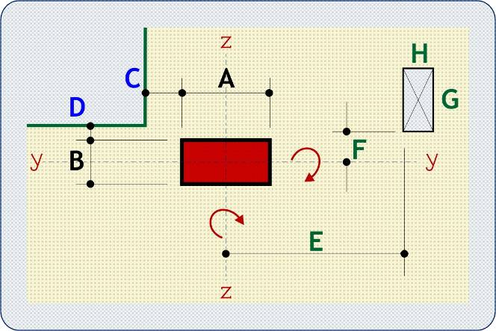
 | fyk | N/mm2 | 500 | VALID DESIGN |  |  |  |  |  |  | Shear Enhancement | outside face by | 35 | mm | St = | 266.6 | mm | St = | 220.4 | mm |  | 720 | 6374 | 5093 | 0 | 5093 | 541.49448704 | 360 | 1.2306504079 | 1.075 | 0.6437
 |  | Steel class | A | . |  |  |  |  |  |  |  | Asw/Sr req = | 1.552 | mm | Asw/Sr min = | 0.161 | mm | Asw/Sr min = | 0.133 | mm |  | 463 | 4762 | 3884 | 0 | 3884 | 543.20229979 | 103 | 0.38245099793 | 0.359 | 0.8467
 |  |  |  |  |  |  |  |  |  |  |  | X spurs W = | 3 | No | Required Ø = | 8 | mm | Required Ø = | 8 | mm |  | 392 | 4315 | 3549 | 0 | 3549 | 543.67523406 | 32 | 0.22069342104 | 0.215 | 0.9274
DIMENSIONS | A | mm | 700 | E | mm | 0 |  |  |  |  |  | Y spurs N = | 4 | No | link Ø = | 8 | mm | link Ø = | 8 | mm |  | 364 | 4136 | 3415 | 0 | 3415 | 543.86493247 | 4 | 0.16472386783 | 0.164 | 0.9642
 | B | mm | 225 | F | mm | 0 |  |  |  |  | √ | Required Ø = | 8 | mm | Asw/Sr req = | 1.552 | mm | Asw/Sr req = | 1.552 | mm |  | 351 | 4054 | 3353 | 0 | 3353 | 543.95169837 | -9 | 0.1408249067 | 0.141 | 0.9820
 | C | mm | -150 | G | mm | 0 |  |  |  |  |  | link Ø = | 8 | mm | Sr = | 135 | mm | Sr = | 135 | mm
 | D | mm | 0 | H | mm | 0 |  |  |  |  | √ | Asw/Sr min = | 0.105 | mm | Asw/Sr prov = | 2.979 | mm | Asw/Sr prov = | 4.096 | mm |  |  |  | touch | overlap
 |  |  |  |  |  |  |  |  |  |  |  |  |  |  | C req = | -19 | mm | C req = | -23 | mm | Per No | vEd,red | Side B | N | 0 |  |  |  | BL | BR | TL | TR | Centre | NS
LOADING | VEd | kN | 458.0 | Mty = | kNm | 28.6 |  |  |  |  |  | Sr = | 135 | mm | Last link @ | 0 | mm | Last link @ | 0 | mm | 1 | 0.890 | Side A | N | 0 |  |  | X = | -100 | 1400 | -100 | 1400 | 650.0 | 0
 | ult UDL | kN/m2 | 0.00 | Mtz = | kNm | 14.8 | . |  |  |  |  | X spurs E = | 3 | No | C actual = | 292 | mm | C actual = | 280 | mm |  |  |  |  |  |  |  | Y = | 500 | 500 | 1000 | 1000 | 750.0 | 0
 | ult edge load | kN/m | 2.80 | ß = | 1.189 | to expressions (6.39) & (6.44) |  |  |  |  |  | Y spurs S = | 4 | No | St, last links | 266.6 | mm | St, last links | 220.4 | mm | HOLE REDUCTION
SLAB |  |  | dz | mm | 190 | Asz | mm2/m | 3140 | in B + 6d | ρx = 1.653 |  | Asw/Sr prov = | 5.213 | mm | Stmax<= 2d ? | VALID |  | Stmax<= 2d ? | VALID |  |  | BL | BR | TL | TR | Centre | NS
h | mm | 225 | dy | mm | 170 | Asy | mm2/m | 3140 | in A + 6d | ρy = 1.847 | √ | St,x W+E = | 110 | 147 | e split = | 584 | mm | e split = | 505 | mm | X = | 1E-10 | 1E-10 | 1E-10 | 1E-10 | 0.0 | 0
 |  |  | d | mm | 180 |  |  |  | 100ρL % = | 1.747 |  | St,y N+S = | 181 | 256 | C req = | 385.6 | mm | C req = | 534.3 | mm | Y = | 1E-10 | 1E-10 | 1E-10 | 1E-10 | 0.0 | 0
 |  |  |  |  |  |  |  |  |  |  |  |  |  |  | Last link @ | 135 | mm | Last link @ | 270 | mm
RESULTS | βVEd = | 544.4 | kN |  |  | vRd,c = | 0.9177 | N/mm2 |  | Equation (6.47) |  |  |  |  | Uout = | 3815 | mm | Uout = | 4855 | mm | b/2 | c/2 | T Tan | R Tan | D/d
 | At col. face, vEd = | 1.779 | N/mm2 |  |  | At 2d perimeter, vEd,red = | 0.8905 | N/mm2 | 0.48515123221 |  | √ | 2nd link = | 225 | from col face | 2nd link = | 225 | from col face | 2nd link = | 225 | from col face | 710.0 | 472.5 | 0.7407 | 0.1585 | 0.0
 |  |  |  |  |  | Uout required = | 1700 | (≈ 352 from col face) |  | Equation (6.54) | √ | Last link at | 360 | mm from face | Last link at | 90 | mm from face | Last link at | 90 | mm from face | 1070.0 | 832.5 | 0.4204 | 0.1051 | 0.0 | 0.0% | Reduction | 100.0%
 | hole |  | EW & NS |  | 45 Deg |  | 30 Deg |  | EW~B |  | NS~B |  | Edge |  | column |  | sqareit |  | cross |  | Extra |  | Blockout
350 | 112.5 | 0.0 | 0.0 | 0.0 | 0.0 | 0.0 | 0.0 | 1060.0 | -35.0 | 735.0 | -90.0 | 150 | 225 | 0 | 0 | 1060 | 1150 | 350 | 112.5 | 0.0 | 0.0 | 350 | 112.5
350 | 112.5 | 0.0 | 0.0 | 0.0 | 0.0 | 0.0 | 0.0 | 790.0 | -35.0 | 735.0 | -360.0 | 150 | 675 | 0 | 225 |  |  | 350 | 112.5 | 0.0 | 0.0 | 350 | 112.5
350 | 112.5 |  |  |  |  |  |  |  |  |  |  |  |  | 700 | 225 |  |  |  |  |  |  | 350 | 112.5
350 | 112.5 | 0.0 | 0.0 | 0.0 | 0.0 | 0.0 | 0.0 | -360.0 | -35.0 | 735.0 | 315.0 | -450 | 225 | 700 | 0 |  |  | 350 | 112.5 | 0.0 | 0.0
350 | 112.5 | 0.0 | 0.0 | 0.0 | 0.0 | 0.0 | 0.0 | -90.0 | -35.0 | 735.0 | 585.0 | 150 | 225 | 0 | 0 |  |  | 350 | 112.5 | 0.0 | 0.0
 |  | 0.0 | 0.0 | 0.0 | 0.0 | 0.0 | 0.0 | 1060.0 | 260.0 | -35.0 | -90.0 |  |  |  |  |  |  |  |  | 0.0 | 0.0
 |  | 0.0 | 0.0 | 0.0 | 0.0 | 0.0 | 0.0 | 790.0 | 260.0 | -35.0 | -360.0 |  |  |  |  |  |  |  |  | 0.0 | 0.0
 |  | 0.0 | 0.0 | 0.0 | 0.0 | 0.0 | 0.0 | -360.0 | 185.0 | 190.0 | 315.0 |  |  |  |  |  |  |  |  | 0.0 | 0.0
 |  | 0.0 | 0.0 | 0.0 | 0.0 | 0.0 | 0.0 | -90.0 | 185.0 | 190.0 | 585.0 |  |  |  |  |  |  |  |  | 0.0 | 0.0
 |  | 0.0 | 0.0 |  |  | 0.0 | 0.0 | 1060.0 | 112.0 | 221.0 | -90.0 |  |  |  |  |  |  |  |  | 0.0 | 0.0
 |  | 0.0 | 0.0 |  |  | 0.0 | 0.0 | 790.0 | 112.0 | 221.0 | -360.0 |  |  |  |  |  |  |  |  | 0.0 | 0.0
 |  | 0.0 | 0.0 |  |  | 0.0 | 0.0 | -360.0 | 75.0 | 554.0 | 315.0 |  |  |  |  |  |  |  |  | 0.0 | 0.0
 |  | 0.0 | 0.0 |  |  | 0.0 | 0.0 | -90.0 | 75.0 | 554.0 | 585.0 |  |  |  |  |  |  |  |  | 0.0 | 0.0
 |  |  |  |  |  |  |  | 0.0 | 0.0 | 477.0 | -90.0 |  |  |  |  |  |  |  |  | 0.0 | 0.0
 |  |  |  |  |  |  |  | 0.0 | 0.0 | 477.0 | -360.0 |  |  |  |  |  |  |  |  | 0.0 | 0.0
 |  |  |  |  |  |  |  | 0.0 | 0.0 | 371.0 | 315.0 |  |  |  |  |  |  |  |  | 0.0 | 0.0
 |  |  |  |  |  |  |  | 0.0 | 0.0 | 371.0 | 585.0 |  |  |  |  |  |  |  |  | 0.0 | 0.0
 |  |  |  |  |  |  |  | 0.0 | 0.0 | 0.0 | 0.0 |  |  |  |  |  |  |  |  | 0.0 | 0.0
 |  |  |  |  |  |  |  | 0.0 | 0.0 | 0.0 | 0.0 |  |  |  |  |  |  |  |  | 0.0 | 0.0
 |  |  |  |  |  |  |  | 0.0 | 0.0 | 0.0 | 0.0
 |  |  |  |  |  |  |  | 0.0 | 0.0 | 0.0 | 0.0
 |  |  |  |  |  |  |  | 0.0 | 0.0 | 0.0 | 0.0
 |  |  |  |  |  |  |  | 0.0 | 0.0 | 0.0 | 0.0
 |  |  |  |  |  |  |  | 0.0 | 0.0 | 0.0 | 0.0
 |  |  |  |  |  |  |  | 0.0 | 0.0 | 0.0 | 0.0
 |  |  |  |  |  |  |  |  |  |  |  | Uout = | 4262 | mm | Uout = | 3231 | mm | Uout = | 3571 | mm | 350.0 | 112.5 | 3.1111 | 0.3214 | 0.0
No links required | Fig 6.22 (B) |  | . |  |  |  |  |  |  |  |  | ok | 1 |  | No solution | 0 | 364.2 | No solution | 0 | 288.4 | 350.0 | 112.5 | 3.1111 | 0.3214 | 0.0
 | 14 link spurs of 3H8 @ 135 |  |  |  | 42 | links |  |  |  |  |  | Legs | 3 | per spur | Legs | 1 | per spur | Legs | 1 | per spur
 | . |  |  |  |  |  |  |  |  |  | #DIV/0! | Links per spur = | 3 | No |  |  |  |  |  |  | W | ¬­¬ | ¬­­ | N | ­­® | ®­® | E | ®¯® | ¯¯® | S | ¬¯¯ | ¬¯¬
 | St (average) = | 182.5 | mm | Sr = | 135 | mm |  |  |  |  |  | Spur length = | 270 | mm | C req | -19 |  | C req | -23 |  | #DIV/0! | #DIV/0! | #DIV/0! | 0 | #DIV/0! | #DIV/0! | 0 | 0 | #DIV/0! | #DIV/0! | #DIV/0! | #DIV/0!
 | Asw/Sr req = | 1.552 |  | (6.52) & (9.11) |  |  |  |  |  |  |  | Spurs = | 14 | No | C req (hole) | -19 |  | C req (hole) | -23 |  | #DIV/0! | #DIV/0! | #DIV/0! | 0 | #DIV/0! | #DIV/0! | 0 | 0 | #DIV/0! | #DIV/0! | #DIV/0! | #DIV/0!
 | Asw/Sr prov = | 5.213 | mm |  |  |  |  |  |  |  | If column size has been reduced from a value > 4d, perimeter reductions for holes may be conservative & number of spurs may need to be increased. | Sr = | 135 | mm | Uout 1 | 3231 |  | Uout 1 | 3571 |  | #DIV/0! | #DIV/0! | #DIV/0! | 0 | #DIV/0! | #DIV/0! | 0 | 0 | #DIV/0! | #DIV/0! | #DIV/0! | #DIV/0!
 | First link perimeter | 90 | mm from column face |  |  |  |  |  |  |  |  | C + a | See Fig 6.22B |  | C + a | 71 |  | C + a | 67 |  | #DIV/0! | #DIV/0! | #DIV/0! | 0 | #DIV/0! | #DIV/0! | 0 | 0 | #DIV/0! | #DIV/0! | #DIV/0! | #DIV/0!
 | Outer links at | 360 | mm from column face |  |  |  |  |  |  |  |  | CHECKS |  |  |  |  |  | Extra 9 spurs of | 0 | legs | #DIV/0! | #DIV/0! | #DIV/0! | #DIV/0! | #DIV/0! | #DIV/0! | 0.0 | #DIV/0! | #DIV/0! | #DIV/0! | #DIV/0! | #DIV/0!
 | Uout = | 4262.3450247 | mm > 1,700 mm |  |  | SPUR |  |  |  |  |  | 0 |  | Show note? | 0 |  |  |  |  |  | #DIV/0! | #DIV/0! | #DIV/0! | #DIV/0! | #DIV/0! | #DIV/0! | 0.0 | #DIV/0! | #DIV/0! | #DIV/0! | #DIV/0! | #DIV/0!
See GEOMETRY page for link locations. |  |  |  |  |  | PLAN |  |  |  |  |  | 0 |  |  |  |  |  |  |  |  | #DIV/0! | #DIV/0! | #DIV/0! | #DIV/0! | #DIV/0! | #DIV/0! | 0.0 | #DIV/0! | #DIV/0! | #DIV/0! | #DIV/0! | #DIV/0!
Some links shown may need to be re-located to avoid holes. |  |  |  |  |  |  |  |  |  |  |  | 0 |  |  |  |  |  |  |  |  | #DIV/0! | #DIV/0! | #DIV/0! | #DIV/0! | #DIV/0! | #DIV/0! | 0.0 | #DIV/0! | #DIV/0! | #DIV/0! | #DIV/0! | #DIV/0!
 |  |  |  |  |  |  |  |  |  |  |  | 0
ß factors | U1 = | 3396 |  |  |  |  |  |  |  |  |  | 0
W1 North of c/l |  |  |  |  | W1 West of c/l
B | 113 | 56 | 6328 |  |  | A | 350 | 175 | 61250 |  |  | Blockout |  |  |  | Slope at perimeter corners
B+D | 113 | 56 | 6328 |  |  | A+C | 200 | 100 | 20000 |  |  | 0 | 0 | 0 | Actual | A/(B+2a) | B/(A+2a)
top curve | 720 | 293 | 210600 |  |  | left curve | 720 | 530 | 381600 |  |  | 0 | 0 | 0 |  | 0.741 | 0.158
A+C | 550 | 473 | 259875 |  |  | B+D | 225 | 710 | 159750 |  |  | 0.000 |  | 0.000 | Slope | 0.420 | 0.105
 | 1495 | 323 | 483131 |  |  |  | 1495 | 416 | 622600 |  |  | 350 | 350 | 350 | Graphic | 3.111 | 0.321
W1 South of c/l |  |  |  |  | W1 East of c/l |  |  |  |  |  |  | 112.5 | 112.5 | 112.5 |  | 3.111 | 0.321
B | 113 | 56 | 6328 |  |  | A | 350 | 175 | 61250 |  |  | BL | BR | TL | TR
B+D | 113 | 56 | 6328 |  |  | A+C | 350 | 175 | 61250 |  |  | 0 | 0 | 0 | 0
btm curves | 1440 | 293 | 421200 |  |  | right curves | 1440 | 530 | 763200 |  |  | 0 | 0 | 0 | 0 | min | max
A | 700 | 473 | 330750 |  |  | B | 225 | 710 | 159750 |  |  | 0.000 | 0.000 | 0.000 | 0.000 | 0.000 | 0.000
 | 2365 | 323 | 764606 |  |  |  | 2365 | 442 | 1045450 |  |  | 0.000 | 0.000 | 0.000 | 0.000 | 0.000 | 0.000
W1y = | 1247738 |  |  |  | W1z = | 1668050 |  |  |  |  |  | 0.000 | 0.000 | 0.000 | 0.000 | 0.000 | 0.000 | choose
C1/C2 = | 0.32142857143 | Ky = | 0.45 |  | C1/C2 = | 3.1111111111 | Kz = | 0.8 |  |  |  | E > 0? | 0 | E < -H? | 0 | 0
C1/2C2 = | 0.16071428571 | Ky+ = | 0.45 |  | C1/2C2 = | 1.5555555556 | Kz+ = | 0.65555555556
epar = | 32.31441048 | ßy = | 1.1061012261 |  | epar = | 62.445414847 | ßz = | 1.1886244019
 |  |  |  |  |  |  |  | maximum ß = | 1.189 | to expressions (6.39) & (6.44)

Geometry
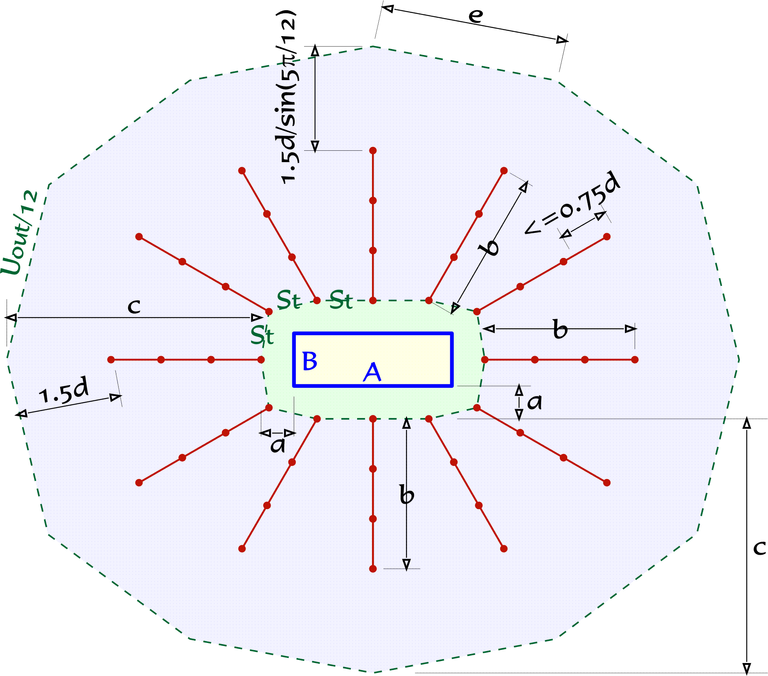
LINK CONFIGURATIONS
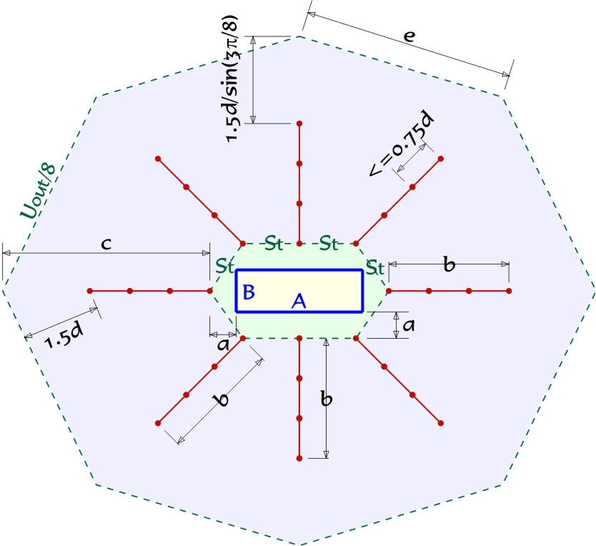

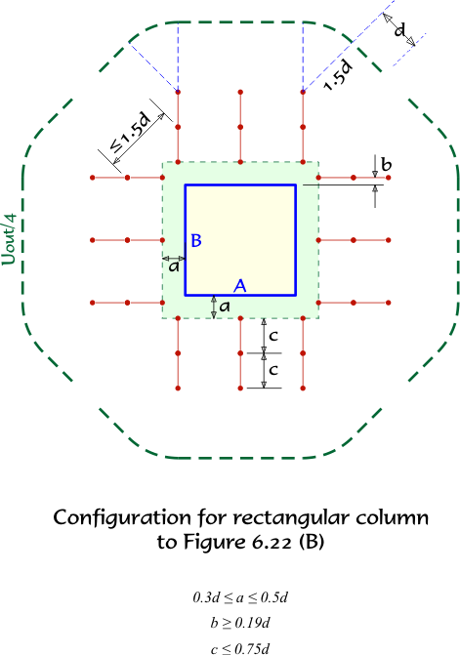

 | 8 SPURS | 12 SPURS

