Sheet1
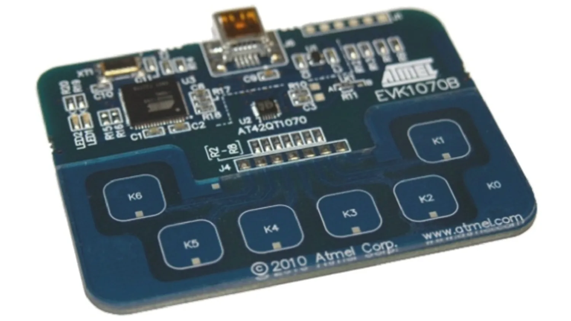
Schematic Name | FPGA Pin# | Notes | Potential Peripheral
IO0 | PIN_AB5 |  | AUX | Hex inverter/buffer input (buzzer)
IO1 | PIN_AB6 |  | Buzzer | Also AUX (switch)
IO2 | PIN_AB7 |  | D-pad/Button Set
IO3 | PIN_AB8 |  | D-pad/Button Set
IO4 | PIN_AB9 |  | D-pad/Button Set
IO5 | PIN_Y10 |  | D-pad/Button Set
IO6 | PIN_AA11 |  | Rotary Encoder | Check SPST/Pull ups
IO7 | PIN_AA12 |  | Rotary Encoder

IO8 | PIN_AB17 |  | chip select | another SPI chip?
IO9 | PIN_AA17 |  | joystick button & SPST pull up
IO10 | PIN_AB19 |  | CLOCK | SPI Joystick
IO11 | PIN_AA19 |  | MOSI | SPI Joystick
IO12 | PIN_Y19 |  | MISO | SPI Joystick
IO13 | PIN_AB20 |  | R1 | Hex inverter/buffer inputs?

IO14 | PIN_AB21 |  | G1 | Hex inverter/buffer inputs?
IO15 | PIN_AA20 |  | B1 | Hex inverter/buffer inputs?
 |  |  |  |  | Common node SIP resistor?
ARDUINO_RESET_N | PIN_F16 | Reset Signal, active low | N/A |  | Capacitors near devices for noise filter ~1uF

Component | Num dataPins | Identifier (Mouser) | Price (1) | Size |  | Details
Piezo Buzzer | 1 | *490-CPT-14146-80T | $0.74 | 14mm(D) x 6.5mm |  | expects square wave between +-(V_pp / 2), rated for 10 V_pp
w/ 74XX hex inverter/buffer (3.3V) | 1 | 81-PKMCS0909E48H0-R1 | $1.15 | 9mm x 9mm x 3 mm |  | Good under +- 12V_op

RGB LED | 4 each | 630-ascb-rtf2-0a307 | $0.67 | 1.7mm x 1.6 mm x 1.6mm |  | 2.0-2.9V
 | 4 each | 630-ASMB-MTB0-0B3A2 | $0.69 | 3.2mm x 1.9mm x 2.8mm |  | 2.1-3.1V, clear lens
 | 4 each | *630-qsmb-utf-0e22b | $0.60 | 2.8mm x 2.4mm x 2.8mm |  | 2.1-3.1V, clear lens

NeoPixel | 4 total | 485-4684 | $3.95 | 2.53mm x 0.84mm x 1.8?mm |  | 10 pack?, 3.7-5.3Vdd, -0.3 - 0.7Vin
 | 4 total | *485-4492 | $3.95 | 1.5mm x 0.65mm x 1.5mm |  | 10 pack? 3.7-5.5Vdd, -0.5 - 0.5Vin
 | 4 total | 485-1655 | $4.50 |  |  | 10 pack? 5Vdd, -0.5 - 5.5 vin

Joystick | 0 (feeds into ADC) | SF COM-09032 | $3.95 | 25mm x 35mm x 25mm |  | analog w/ pots- and button in
 | 0 (feeds into ADC) | SF COM-09426 | $3.50 | 20mm x 22mm |  | slide joystick, 5V, resistive analog joystick

2 channel ADC | 2? | 595-V320ADC3120IRTER | $4.61 |  |  | 3.3V, I2C, 2 converters, 32 bit
 | 2? | *926-AD082S051CIMMNPB | $2.40 | 3mm x 3mm |  | 3.3 or 5V, SPI, 1 converter-2ADC inputs, 8 bit
 | 2? | 926-AD102S051CIMMNPB | $3.40 | 3mm x 0.86mm x 3mm |  | 2.7-5.25V, 1 converter-2inputs, 10 bit
 | 2? | 926-A122S051CIMMXNPB | $4.02 | 3mm x 0.86mm x 3mm |  | 2.7-5.25V, 1 converter-2inputs, 12 bit

Button | 2 | SF COM-10302 | $5.85 |  |  | 12 buttons
more mainstream buttons | 2 | SF PRT-14460 | $1.60 |  |  | 4 buttons
 | 2 | *SF DD-15326 | $1.00 |  |  | 4 buttons
 | 2 |  | $1.00 |  |  | 5 buttons
 | 2 |  | $0.75 | 6mm x 3mm x 6mm |  | 5 buttons,

Capacitive Touch Sensor | 6? | 556-AT42QT1070-SSUR | $1.13 |  |  | 7 sensor capability, keys not included. what is a key?, 1.8-5.5V
 | 6? | 556-AT42QT1070-MMHR | $1.17 |  |  | 7 sensor capability, keys not included. what is a key?, 1.8-5.5V
 | 6? | *556-AT42QT1070-SSU | $0.97 |  |  | 7 sensor capability, keys not included. what is a key?, 1.8-5.5V

Rotary Encoder | 2? | 652-PEC12R-4020F-N12 | $1.01 | 12mm |  | No detante, 2 channel,
 | 2? | 652-PEC12R-4025F-N12 | $1.01 | 12mm |  | No detante, 2 channel,
 | 2? | 652-PEC12R-4020F-N24 | $1.01 | 12mm |  | No detante, 2 channel,
 | 1? | 652-PEC11H4220FS0024 | $2.72 |  |  | 24 detante, 1 channel
 | 1? | 652-PEC11R4230KS0024 | $1.68 |  |  | 24 detante, 1 channel
 |  | 667-EVQ-VUA00112B | $1.25 | 7mm |  | 24 detante
 | 2? | 652-PEC11R-4220F-S24 | $1.68 | 12mm |  | 24 detante, 2 channel

AUX Port | 2 |  | $0.65 |  |  | 3 pin

SOIC, QFP for soldering | NOT QFN/SMD/SMT

SPI Chips | temp sensor | pressure sensor

Parts List
Item | Quantity per Board | Price | Site | Site ID | link
Piezo Buzzer | 1 | $0.74 | Mouser | 490-CPT-14146-80T | https://www.mouser.com/ProductDetail/CUI-Devices/CPT-14146-80T?qs=pBJMDPsKWf3pym5QY1xQDQ%3D%3D
Hex Inverter | 1 | $0.37 | Mouser | 595-SN74HCT04NE4 | https://www.mouser.com/ProductDetail/Texas-Instruments/SN74HCT04NE4?qs=sGAEpiMZZMsKEdP9slC0YUPoeofmPt6J
RGB LED | 1 | $0.82 | Mouser | 645-5218559F | https://www.mouser.com/ProductDetail/Dialight/521-8559F?qs=vmHwEFxEFR%2FyCJVY9sdZTA%3D%3D
Joystick | 1 | $1.99 | Digikey | 108-THB001P-ND | https://www.digikey.com/en/products/detail/c-k/THB001P/11687191
2 Channel ADC | 1 | $2.40 | Mouser | 926-AD082S051CIMMNPB | https://www.mouser.com/ProductDetail/Texas-Instruments/ADC082S051CIMM-NOPB?qs=7X5t%252BdzoRHAG9TryI3iJTA%3D%3D
Buttons | 4 | $2.50 for 20 | Ada fruit |  | https://www.adafruit.com/product/367#technical-details
AUX Port | 1 | $0.69 | Digikey | CP1-2503A-ND | https://www.digikey.com/en/products/detail/cui-devices/SJ1-2503A/738680
Rotary Encoder | 1 | $1.01 | Mouser | 652-PEC12R-4020F-N24 | https://www.mouser.com/ProductDetail/Bourns/PEC12R-4020F-N0024?qs=Zq5ylnUbLm6lepjJDnL8YA%3D%3D
Switch | 1 | $0.76 | Digikey | EG1201 | https://www.digikey.com/en/products/detail/e-switch/EG1201/101720
Temperature Sensor | 1 | $4.04 | Mouser | 584-ADT7310TRZ | https://www.mouser.com/ProductDetail/Analog-Devices/ADT7310TRZ?qs=WIvQP4zGaniI1ujqLE%2FSRg%3D%3D

Buttons Active low by default

