Publications Trends
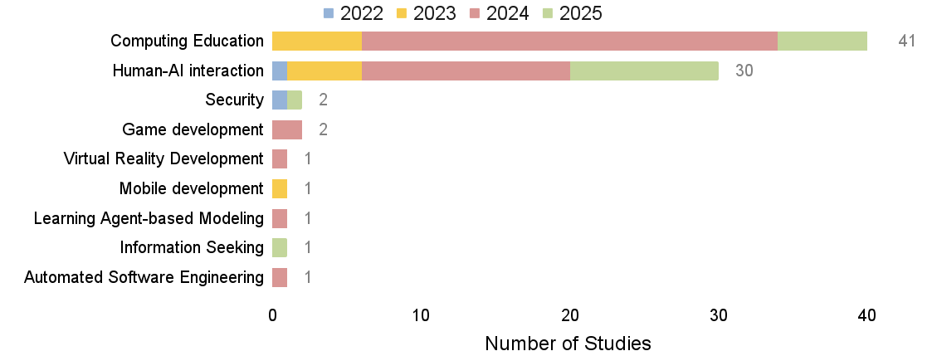
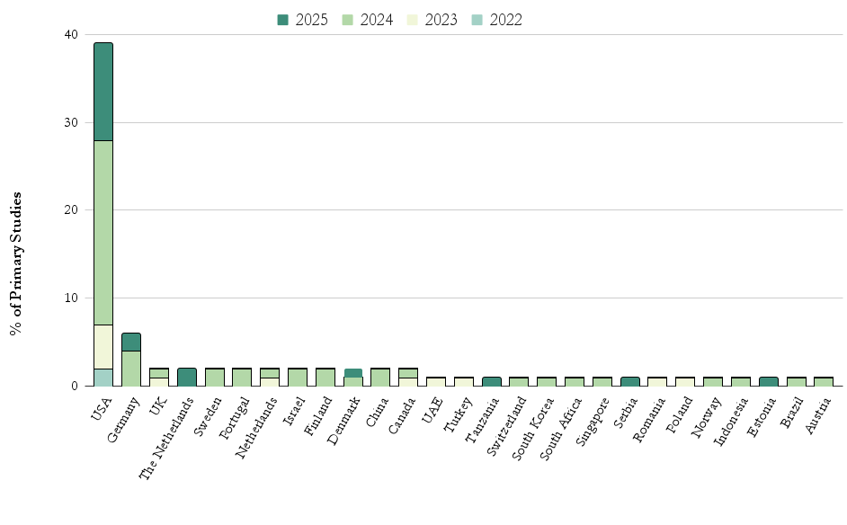
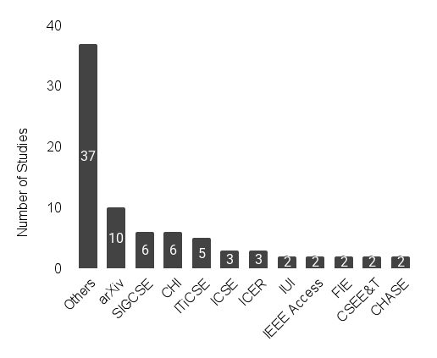
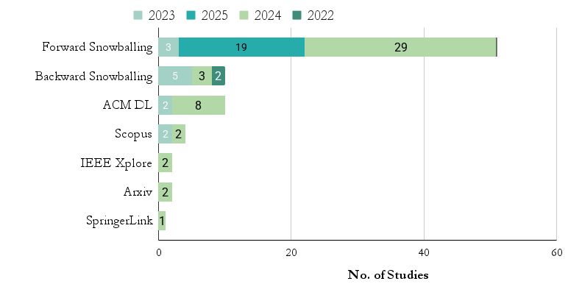
 |  | RECURRENT PUBLICATION VENUES (2 or more studies) | STUDIES BY SOURCE TYPE
PUBLICATIONS BY YEAR
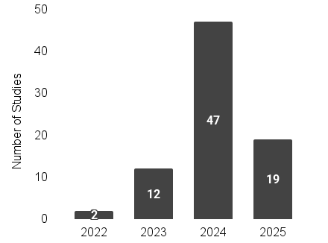

 |  |  | PUBLICATIONS DOMAIN THROUGH YEARS
 | PUBLICATIONS BY FIRST AUTHOR'S AFFILIATION COUNTRY

(RQ1) Motivations and Methodol
TYPES OF RESEARCH METHOD |  |  |  |  |  |  |  |  | AREAS OF STUDY |  |  |  |  |  |  |  | SUBJECTS USED IN THE STUDIES
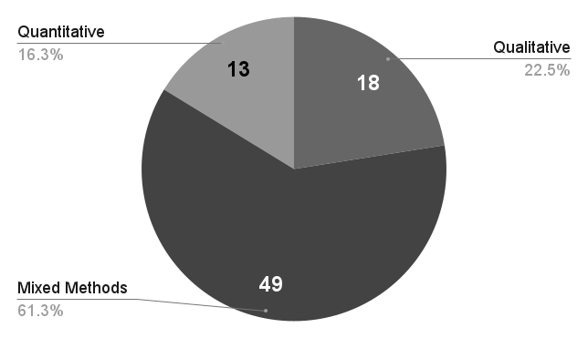
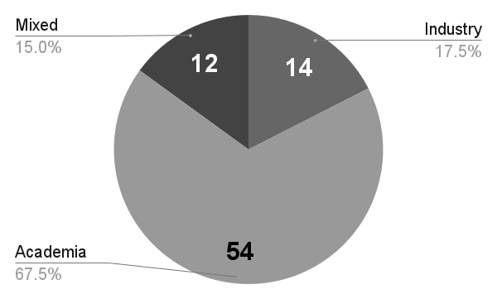
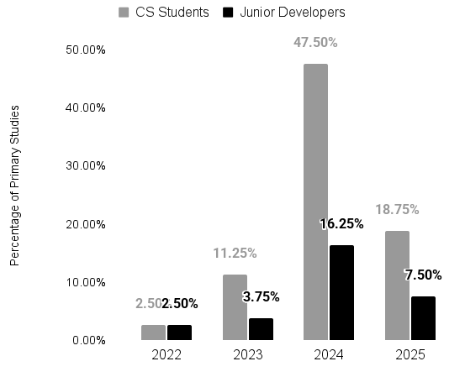

RESEARCH METHOD DISTRIBUTION BY TYPE |  |  |  |  |  |  |  |  | ETHICS APPROVAL
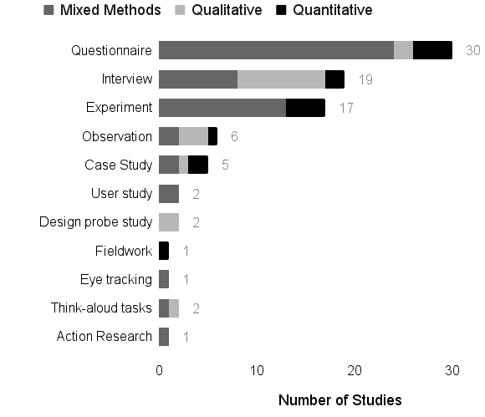
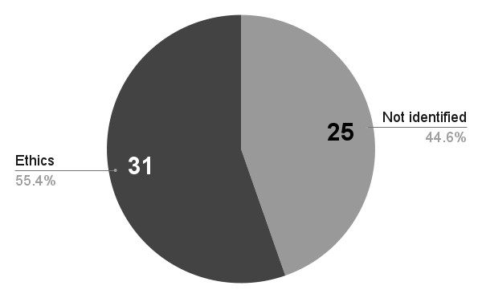

COUNTA of DataAnalysisTechnique | ResearchMethod
DataAnalysisTechnique | Survey/Questionnaire | Controlled experiment | Semi-structured Interview | Within-subject comparative study | Case Study | user study | Observation | repeated-measures experiment | Task-based user study | Eye tracking | Design Probe study | debugging think-aloud tasks | Action Research | 5x2 between-subjects design | think-aloud protocol | Retrospective Interview study | formative study | Fieldwork | Grand Total
thematic analysis | 14 | 3 | 12 | 2 | 1 | 2 | 3 |  | 1 | 1 | 2 | 1 | 1 | 1 | 1 | 1 | 1 | 1 | 48
descriptive anaylsis | 21 | 5 | 7 | 2 | 3 | 2 | 2 |  |  | 1 |  | 1 |  |  |  |  |  |  | 44
grounded theory | 3 |  | 3 |  | 1 |  | 1 |  | 1 |  |  |  |  |  |  |  |  |  | 9
student t-test | 1 | 2 | 1 | 2 |  |  |  |  | 1 |  |  |  |  | 1 |  |  |  |  | 8
open coding | 2 | 4 | 1 | 1 |  |  |  |  |  |  |  |  |  |  |  |  |  |  | 8
paired t-test | 1 | 2 |  | 2 |  | 1 |  |  |  |  |  |  |  |  |  |  |  |  | 6
Mann Whitney U test | 1 | 5 |  |  |  |  |  |  |  |  |  |  |  |  |  |  |  |  | 6
Pearson correlation | 1 |  | 1 |  | 1 |  | 1 |  |  | 1 |  |  |  |  |  |  |  |  | 5
Wilcoxon test | 1 | 1 |  | 2 |  |  |  |  |  |  |  |  |  |  |  |  |  |  | 4
Shapiro Wilk test |  | 2 |  | 2 |  |  |  |  |  |  |  |  |  |  |  |  |  |  | 4
content analysis | 3 |  |  |  |  |  |  | 1 |  |  |  |  |  |  |  |  |  |  | 4
Chi-squared test | 2 | 2 |  |  |  |  |  |  |  |  |  |  |  |  |  |  |  |  | 4
thematic summaries | 1 |  | 2 |  |  |  |  |  |  |  |  |  |  |  |  |  |  |  | 3
Spearman correlation | 1 | 1 |  |  |  |  |  | 1 |  |  |  |  |  |  |  |  |  |  | 3
Friedman test | 1 |  |  | 1 | 1 |  |  |  |  |  |  |  |  |  |  |  |  |  | 3
ANOVA test |  | 1 |  | 1 |  |  |  | 1 |  |  |  |  |  |  |  |  |  |  | 3
socio-technical grounded theory | 1 |  | 1 |  |  |  |  |  |  |  |  |  |  |  |  |  |  |  | 2
regression analysis |  |  |  | 1 |  |  |  |  | 1 |  |  |  |  |  |  |  |  |  | 2
multivariate regression analysis | 1 |  |  |  | 1 |  |  |  |  |  |  |  |  |  |  |  |  |  | 2
multiple regression analysis |  |  |  | 1 |  | 1 |  |  |  |  |  |  |  |  |  |  |  |  | 2
Krippendorff's | 1 |  |  |  |  | 1 |  |  |  |  |  |  |  |  |  |  |  |  | 2
gain score analysis | 1 |  |  |  |  |  |  |  |  |  |  |  | 1 |  |  |  |  |  | 2
Fisher’s exact test with Bonferroni correction | 1 |  | 1 |  |  |  |  |  |  |  |  |  |  |  |  |  |  |  | 2
conversation analysis | 1 |  |  |  |  | 1 |  |  |  |  |  |  |  |  |  |  |  |  | 2
Tucker-Lewis Index | 1 |  |  |  |  |  |  |  |  |  |  |  |  |  |  |  |  |  | 1
thematic open coding | 1 |  |  |  |  |  |  |  |  |  |  |  |  |  |  |  |  |  | 1
skewness |  |  |  |  |  |  |  | 1 |  |  |  |  |  |  |  |  |  |  | 1
Root Mean Square Error of Approximation | 1 |  |  |  |  |  |  |  |  |  |  |  |  |  |  |  |  |  | 1
reflexive analysis |  |  |  |  | 1 |  |  |  |  |  |  |  |  |  |  |  |  |  | 1
psychometric analysis | 1 |  |  |  |  |  |  |  |  |  |  |  |  |  |  |  |  |  | 1
Partial Least Squares–Structural Equation Modeling | 1 |  |  |  |  |  |  |  |  |  |  |  |  |  |  |  |  |  | 1
open-ended coding | 1 |  |  |  |  |  |  |  |  |  |  |  |  |  |  |  |  |  | 1
logistic regression analysis |  | 1 |  |  |  |  |  |  |  |  |  |  |  |  |  |  |  |  | 1
kurtosis |  |  |  |  |  |  |  | 1 |  |  |  |  |  |  |  |  |  |  | 1
Kruskal-Wallis test | 1 |  |  |  |  |  |  |  |  |  |  |  |  |  |  |  |  |  | 1
Kaiser-Meyer-Olkin test | 1 |  |  |  |  |  |  |  |  |  |  |  |  |  |  |  |  |  | 1
Heterotrait-Monotrait ratio of correlations | 1 |  |  |  |  |  |  |  |  |  |  |  |  |  |  |  |  |  | 1
Exploratory Factor Analysis | 1 |  |  |  |  |  |  |  |  |  |  |  |  |  |  |  |  |  | 1
Cronbach’s alpha | 1 |  |  |  |  |  |  |  |  |  |  |  |  |  |  |  |  |  | 1
Confirmatory Factor Analysis | 1 |  |  |  |  |  |  |  |  |  |  |  |  |  |  |  |  |  | 1
Comparative Fit Index | 1 |  |  |  |  |  |  |  |  |  |  |  |  |  |  |  |  |  | 1
Collinearity Analysis | 1 |  |  |  |  |  |  |  |  |  |  |  |  |  |  |  |  |  | 1
categorization |  | 1 |  |  |  |  |  |  |  |  |  |  |  |  |  |  |  |  | 1
Bartlett’s test | 1 |  |  |  |  |  |  |  |  |  |  |  |  |  |  |  |  |  | 1
average variance extracted | 1 |  |  |  |  |  |  |  |  |  |  |  |  |  |  |  |  |  | 1
Grand Total | 75 | 30 | 29 | 17 | 9 | 8 | 7 | 5 | 4 | 3 | 2 | 2 | 2 | 2 | 1 | 1 | 1 | 1 | 199

(RQ2) Key Software Development
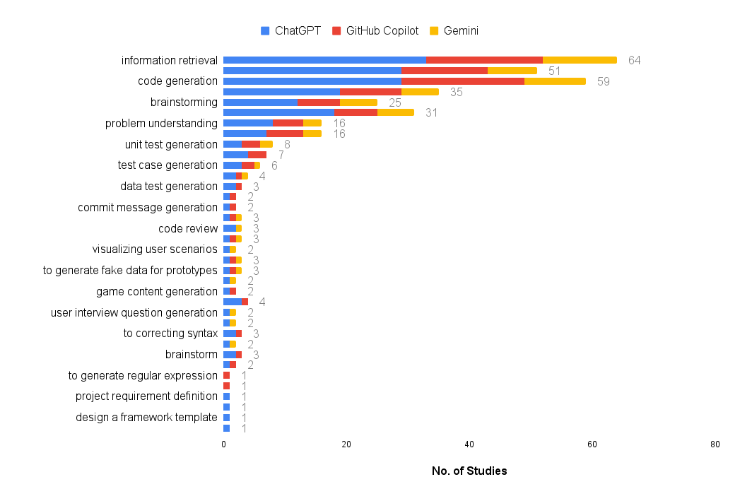
 | Software Development Tasks using ChatGPT
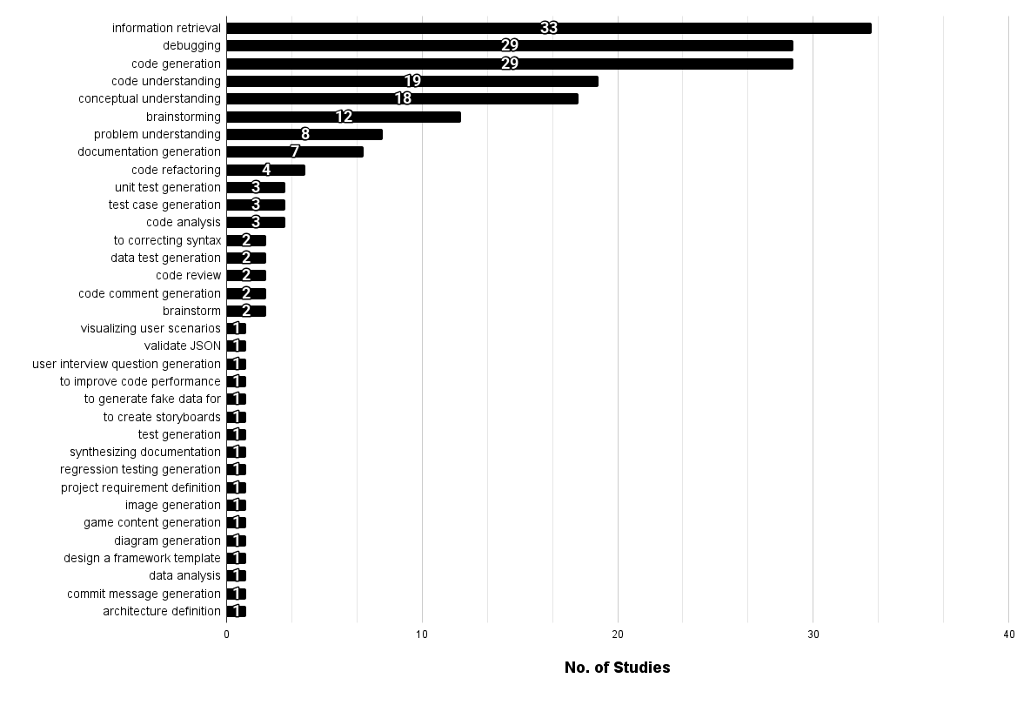
LLM-BASED TOOLS THROUGH YEARS

Key Development Tasks VS ChatGPT, GitHub Copilot, and Gemini (Most Recurrents)

(RQ3) Perceptions about LLM4SE
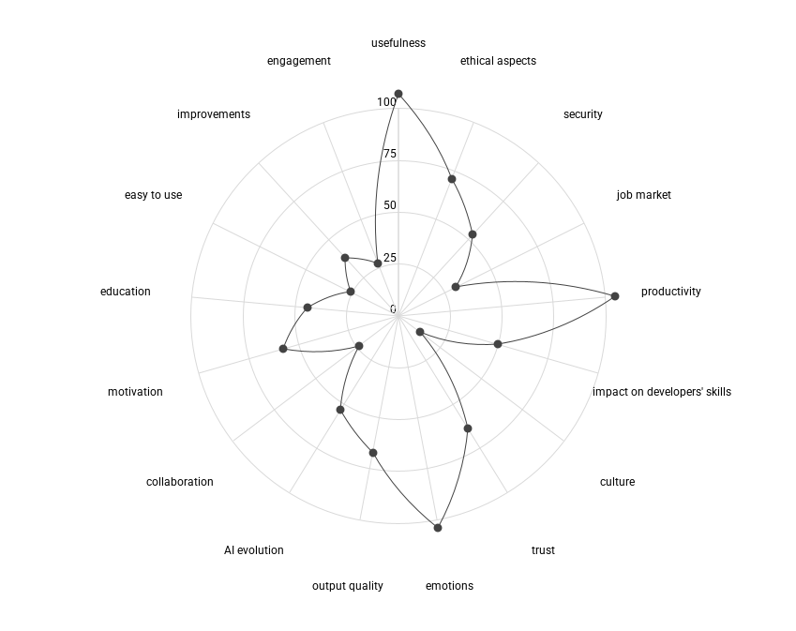
 | PERCEPTIONS |  |  |  |  |  |  |  |  | PERCEPTIONS |  |  |  |  |  |  | PERCEPTIONS ABOUT IMPACT THROUGH THE YEARS
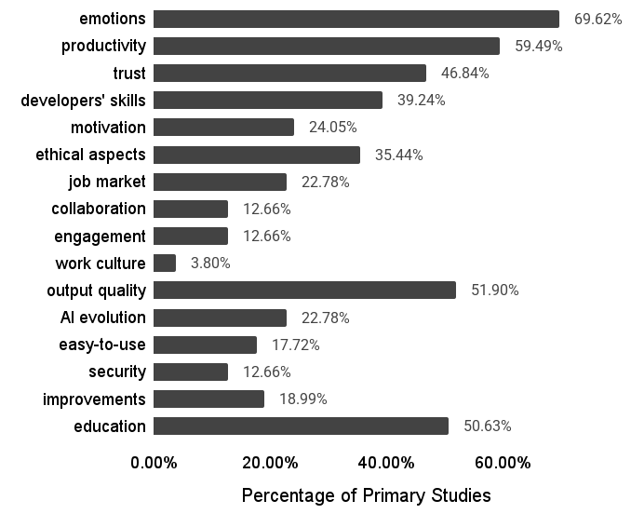
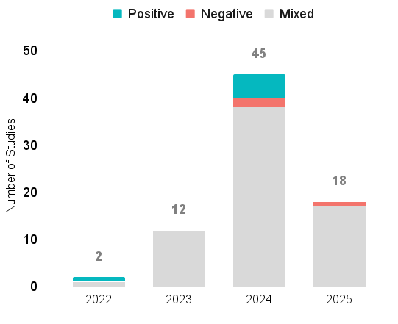

Perception | ChatGPT | Github Copilot | Tabnine | Bard (Gemini) | Codewhisperer | Big Chat (Microsoft Copilot) | Codex | Claude | Kite | Codeium | Phind | MidJourney | Dall-E | ChatGPT-based Educational Tutor | Poe | Perplexity | Mistral | AiXcoder | Visual Studio IntelliCode | StarCoder | Sourcegraph Cody | Replit Ghostwriter | JetBrains AI Assistant | Browser AI | BlackBox | Atlassian Intelligence | Polycoder | DeepCode | Internal Company's AI Assistant | Codex-based Educational Tutor | CodeGeeX | GPT-4-based chatbot | Grand Total
usefulness | 27 | 22 | 9 | 6 | 4 | 4 | 4 | 2 | 2 | 2 | 2 | 2 | 2 | 1 | 1 | 1 | 1 | 1 | 1 | 1 | 1 | 1 | 1 |  |  | 1 | 1 | 1 |  | 1 | 1 | 1 | 104
productivity | 23 | 23 | 10 | 5 | 5 | 4 | 3 | 2 | 2 | 2 | 2 | 2 | 2 | 1 | 1 | 1 | 1 | 1 | 1 | 1 | 1 | 1 | 1 | 1 | 1 | 1 | 1 | 1 | 1 | 1 | 1 |  | 103
emotions | 25 | 24 | 9 | 5 | 4 | 2 | 3 | 2 | 2 | 2 | 1 | 1 | 1 | 2 | 1 | 1 | 1 | 1 | 1 | 1 | 1 | 1 | 1 | 1 | 1 | 1 | 1 | 1 | 1 |  | 1 | 1 | 100
ethical aspects | 15 | 12 | 7 | 4 | 5 | 3 | 1 | 2 | 2 | 2 | 2 | 1 | 1 |  | 1 | 1 | 1 | 1 | 1 | 1 | 1 | 1 | 1 | 1 | 1 | 1 |  |  | 1 |  |  |  | 70
output quality | 17 | 12 | 6 | 4 | 3 | 2 | 2 | 1 | 2 | 1 |  | 1 | 1 | 1 |  |  |  | 1 | 1 | 1 | 1 | 1 | 1 | 1 | 1 | 1 | 1 | 1 | 1 | 1 |  |  | 66
trust | 15 | 13 | 4 | 3 | 3 | 1 | 2 | 1 | 2 | 2 | 1 |  |  | 2 | 1 | 1 | 1 | 1 | 1 | 1 | 1 | 1 | 1 | 1 | 1 | 1 |  |  |  |  |  |  | 61
motivation | 12 | 10 | 6 | 2 | 4 | 3 | 1 | 2 | 1 | 2 | 2 | 1 | 1 |  | 1 | 1 | 1 |  | 1 | 1 | 1 | 1 | 1 |  |  | 1 |  |  | 1 |  |  |  | 57
security | 6 | 8 | 7 | 3 | 4 | 3 | 1 | 2 | 2 | 2 | 2 |  |  |  | 1 | 1 | 1 | 1 | 1 | 1 | 1 | 1 | 1 | 1 | 1 | 1 |  |  |  |  | 1 |  | 53
AI evolution | 14 | 8 | 5 | 3 | 3 | 2 | 2 | 1 | 2 | 1 | 1 |  |  |  |  |  |  | 1 | 1 | 1 | 1 | 1 | 1 |  |  | 1 | 1 | 1 |  |  |  |  | 51
impact on developers' skills | 17 | 9 | 5 | 2 | 2 | 3 | 2 | 2 |  | 1 | 2 |  |  | 1 | 1 | 1 | 1 |  |  |  |  |  |  |  |  |  |  |  |  | 1 |  |  | 50
education | 16 | 7 | 3 | 3 | 1 | 2 | 1 | 1 |  |  |  | 1 | 1 | 2 |  |  |  |  |  |  |  |  |  |  |  |  | 1 | 1 | 1 | 1 |  | 1 | 43
improvements | 7 | 10 | 5 | 3 | 2 | 1 | 1 | 1 | 1 |  |  |  |  | 1 |  |  |  | 1 |  |  |  |  |  | 1 | 1 |  |  |  | 1 |  | 1 | 1 | 38
job market | 13 | 8 | 1 | 1 |  |  | 2 |  |  |  |  | 1 | 1 |  |  |  |  |  |  |  |  |  |  | 1 | 1 |  | 1 | 1 |  |  |  |  | 31
engagement | 3 | 4 | 3 | 2 | 2 | 2 | 1 | 1 | 1 | 1 | 1 | 1 | 1 |  | 1 | 1 | 1 | 1 |  |  |  |  |  |  |  |  |  |  |  |  |  |  | 27
easy to use | 7 | 5 | 2 | 2 |  | 1 | 1 | 1 |  |  |  | 1 | 1 |  |  |  |  |  |  |  |  |  |  | 1 | 1 |  |  |  |  | 1 | 1 |  | 25
collaboration | 5 | 4 | 3 | 2 | 1 | 2 | 2 | 1 |  |  | 1 |  |  |  |  |  |  |  |  |  |  |  |  |  |  |  | 1 | 1 |  | 1 |  |  | 24
culture | 2 | 1 | 1 | 1 | 1 | 1 |  | 1 |  | 1 | 1 |  |  |  | 1 | 1 | 1 |  |  |  |  |  |  |  |  |  |  |  |  |  |  |  | 13
Grand Total | 224 | 180 | 86 | 51 | 44 | 36 | 29 | 23 | 19 | 19 | 18 | 12 | 12 | 11 | 10 | 10 | 10 | 10 | 9 | 9 | 9 | 9 | 9 | 9 | 9 | 9 | 8 | 8 | 7 | 7 | 6 | 4 | 916

(RQ4) Limitations and Future Re
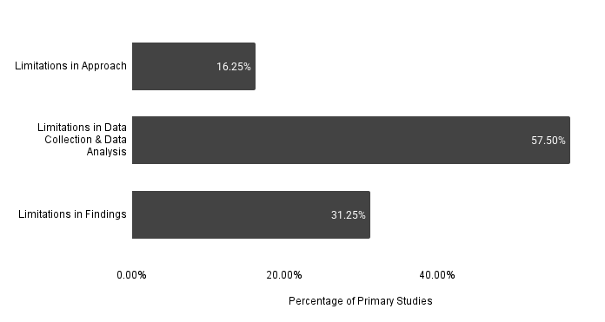
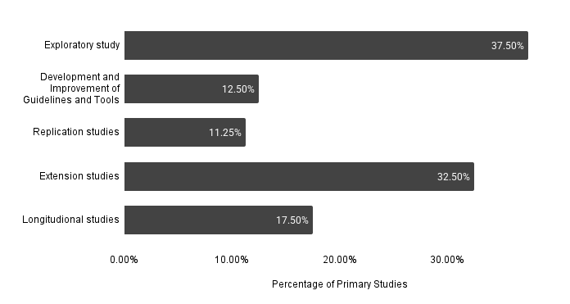
STUDY LIMITATIONS | FUTURE RESEARCH NEEDS

