Publications Trends
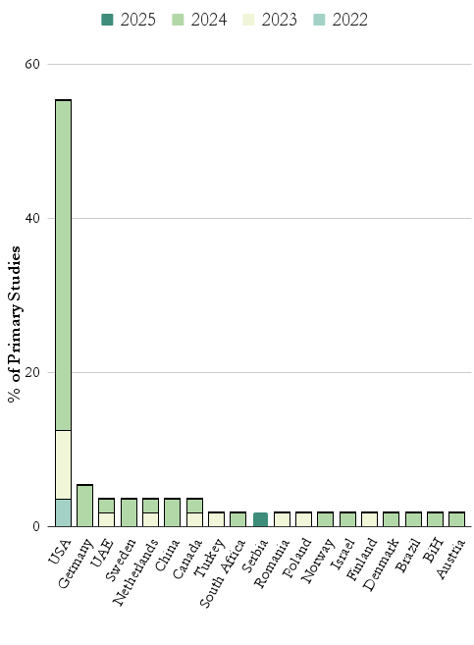
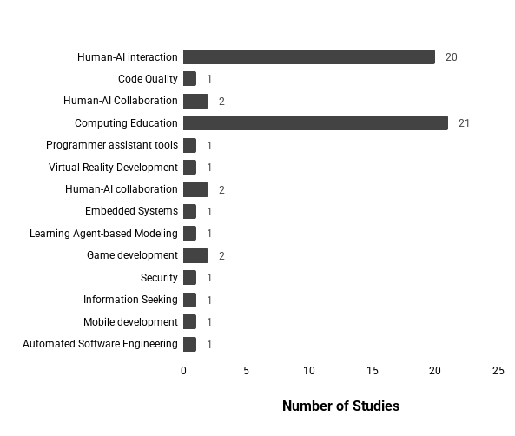
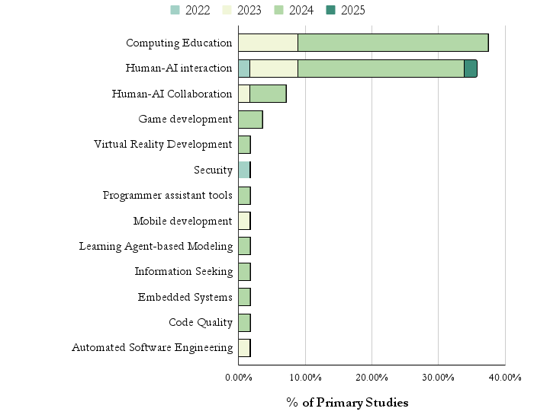
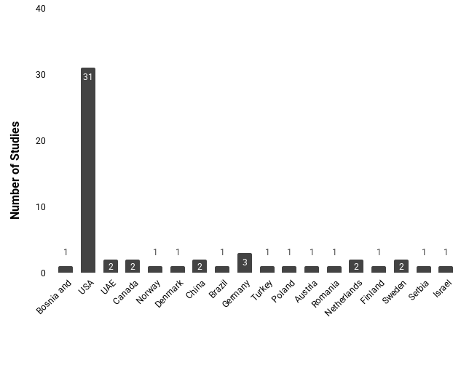
PUBLICATIONS BY YEAR | TYPE OF STUDY |  | TYPE OF STUDY BY YEAR |  | PUBLICATION VENUES (2 or more studies) | STUDIES BY SOURCE TYPE
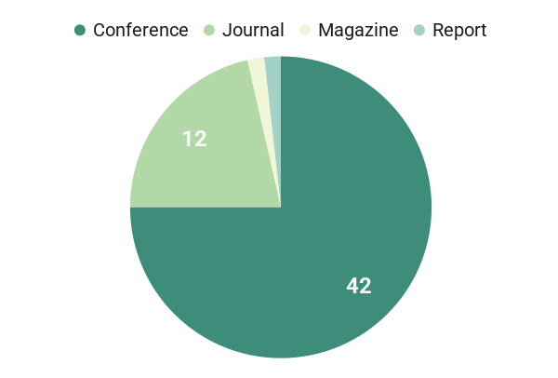
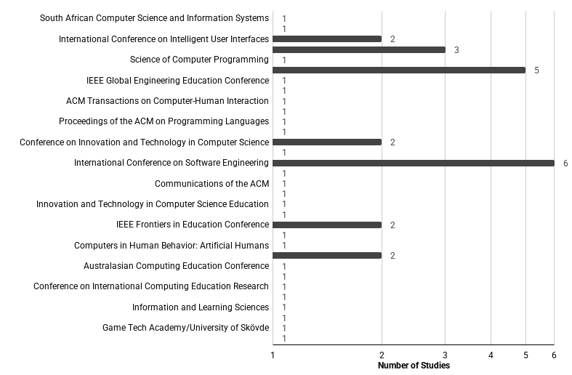
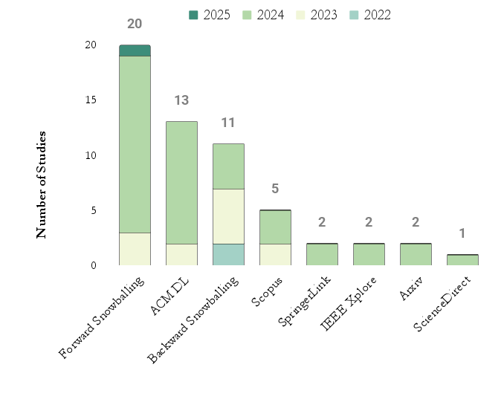
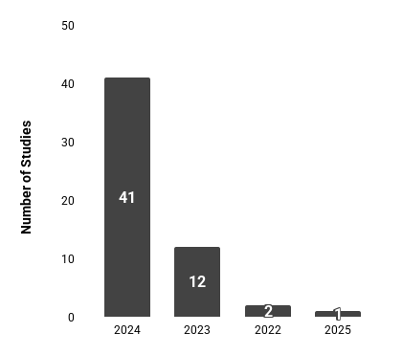
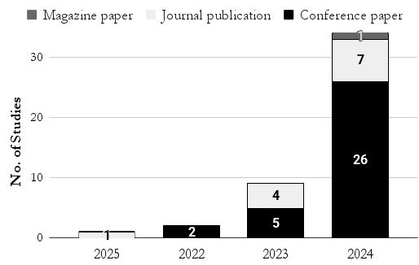

PUBLICATIONS BY FIRST AUTHOR'S AFFILIATION COUNTRY |  | PUBLICATIONS BY COUNTRY AND YEAR |  | PUBLICATION DOMAINS | PUBLICATIONS DOMAIN THROUGH YEARS

(RQ1) Motivations and Methodol
TYPES OF RESEARCH METHOD | RESEARCH METHOD DISTRIBUTION |  | RESEARCH METHOD DISTRIBUTION BY TYPE |  | Data Analysis (Qualitative Data) - Most Recurrents |  |  |  | Data Analysis (Quantitative Data) - Most Recurrents
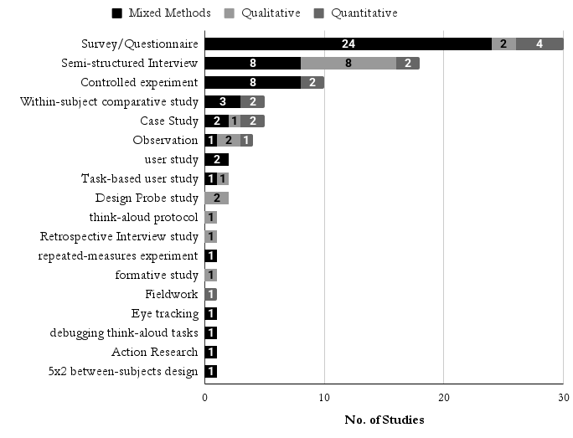
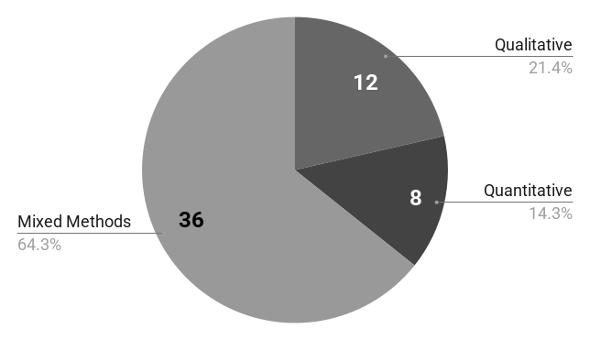
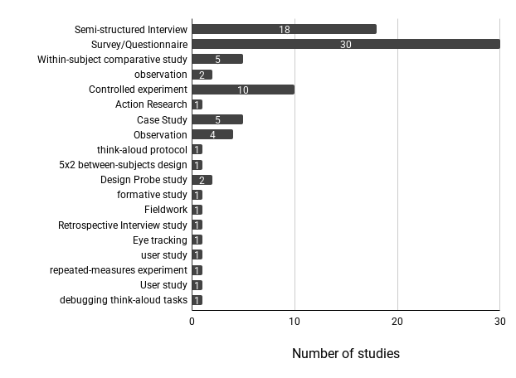
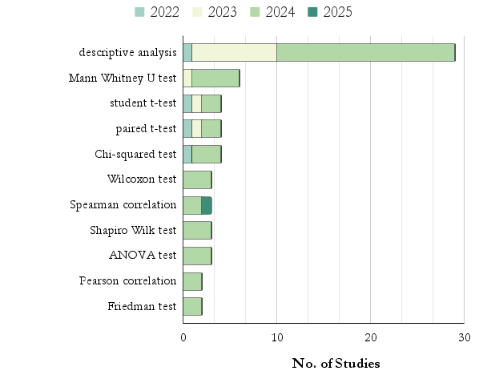
 |  |  |  |  | Data Analysis (Qualitative Data) | Frequency | Studies | Other Data Analysis (Qualitative Data) |  |  | Other Data Analysis (Qualitative Data)
 |  |  |  |  | thematic analysis | 27 | 1, 3, 5, 7, 8, 9, 10, 11, 14, 17,19, 22, 23, 24, 27, 32, 33, 36, 37, 38, 40, 43, 44, 48, 50, 52, 53 | thematic summaries, thematic open coding, psychometric analysis, categorization, open coding, open-ended coding |  |  | Tucker-Lewis Index, skewness, Root Mean Square Error of Approximation, regression analysis, Partial Least Squares–Structural Equation Modeling, multivariate regression analysis, multiple regression analysis, logistic regression analysis, kurtosis, Kruskal-Wallis test, Krippendorff's, Kaiser-Meyer-Olkin test, Heterotrait-Monotrait ratio of correlations, gain score analysis, Fisher’s exact test with Bonferroni correction, Exploratory Factor Analysis, Cronbach’s alpha, Confirmatory Factor Analysis, Comparative Fit Index, Collinearity Analysis, Bartlett’s test, average variance extracted
 |  |  |  |  | grounded theory | 6 | 12, 13, 41, 45, 51, 54
 |  |  |  |  | content analysis | 4 | 25, 30, 35, 56
 |  |  |  |  | socio-technical grounded theory | 1 | 46
 |  |  |  |  | conversation analysis | 1 | 27
 |  |  |  |  | reflexive analysis | 1 | 8

SUBJECTS USED IN THE STUDIES | LEVEL OF THE CS STUDENTS | How do they classify less experienced software developers participants? |  |  | Motivations/Goals |  |  |  |  | Data Analysis Techniques vs Research Methods (Most recurrents)
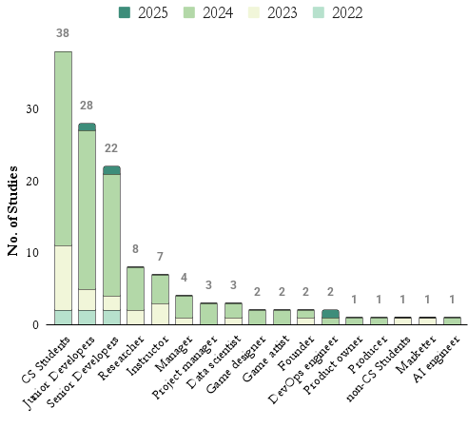
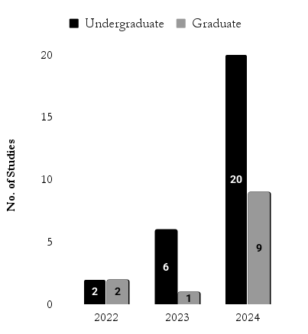
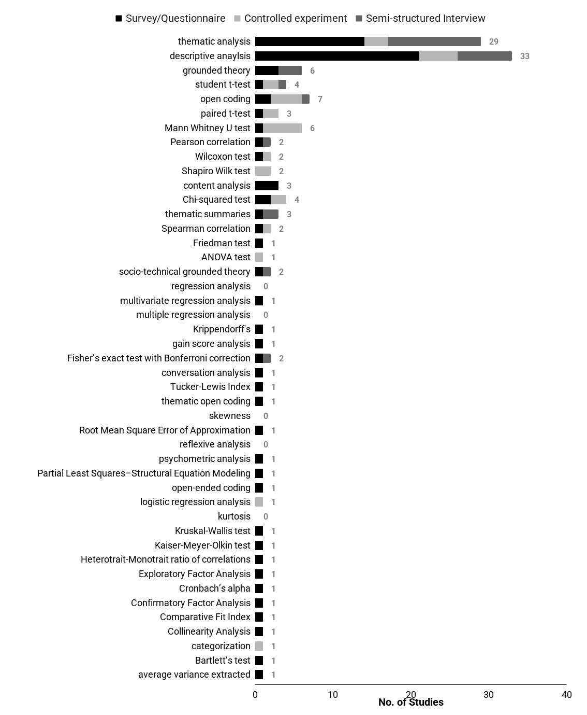

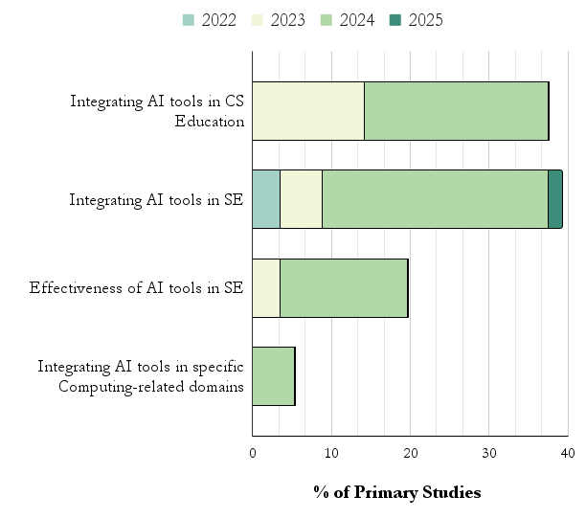
 |  | Study ID | Categorization Strategy Junior Software Developers |  | Category | Studies ID
 |  | 18 | junior level (two years or less) |  | Effectiveness of AI tools in SE | 8
 |  | 3 | company-internal statistics (e.g., amount of code written, tenure, Java experience) & previous "readability" exam experience. |  | Effectiveness of AI tools in SE | 37
 |  | 12 | it uses a domain reference "Michelene TH Chi, Paul J Feltovich, and Robert Glaser. 1981. Categorization and representation of physics problems by experts and novices. Cognitive science 5, 2 (1981), 121–152.": |  | Integrating AI tools in SE Education | 25, 32, 33, 35, 44, 47, 48
 |  | 27 | it defines less experience with less than 3 years: "Less experienced participants tended to ask the assistant basic questions such as, “What is a unit test” (P29, not familiar with Python) and “how do I document a function?” (P27, < 1 year of experience)." |  | Integrating AI tools in SE | 12, 21, 22, 26, 28, 31
 |  | 42 | The paper has as aim "The aim is to reduce team efforts on the integration of a new member into the regular tasks of a team or department." and also selects participants with less than 3 years of experience "The participants are selected from the members that joined the mobile department in the last year. Only members with less than 3 years of experience participated, in order to avoid large impacts related to previous relative experience in the field. All participants finished a Computer Science studies, they have basic knowledge in Software Development and they have previous interactions with mobile development SDKs." |  | Effectiveness of AI tools in SE | 8, 15, 27, 49, 55
 |  | 49 | very experienced from 5 years of experience & (i.e., ≥ 3, [1: very inexperienced] to [5: very experienced]) |  | Integrating AI tools in SE Education | 6, 35, 36, 52, 56
 |  |  |  |  | Integrating AI tools in SE | 5, 17, 22, 51
 |  | Study ID | Other strategies |  | Integrating AI tools in SE Education | 9, 14, 35, 44
 |  | 2, 5, 12, 14 | self-reported level of experience |  | Integrating AI tools in SE | 3, 20, 42
 |  |  |  | gy | Integrating AI tools in SE | 5, 13, 31
 |  |  |  |  | Integrating AI tools in SE Education | 30, 33
 |  |  |  |  | Integrating AI tools in SE Education | 30, 33
 |  |  |  |  | Integrating AI tools in SE Education | 23, 24, 34
 |  |  |  |  | Integrating AI tools in SE | 1, 46
 |  |  |  |  | Effectiveness of AI tools in SE | 39, 40
 |  |  |  |  | Integrating AI tools in SE Education | 38, 45
AREAS OF STUDY | ETHICS APPROVAL | Ethics Approval VS Area of Study |  |  | Integrating AI tools in SE | 5, 21
 |  |  |  |  | Integrating AI tools in SE | 28, 29
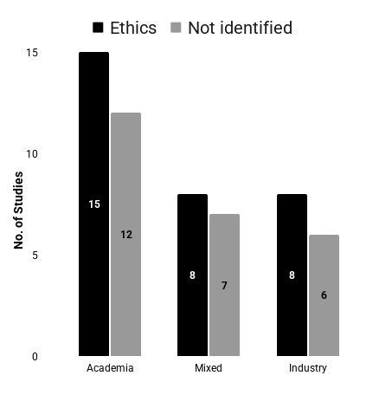
 |  |  |  |  | Integrating AI tools in SE | 11, 50
 |  |  |  |  | Integrating AI tools in specific Computing-related domains | 19, 53
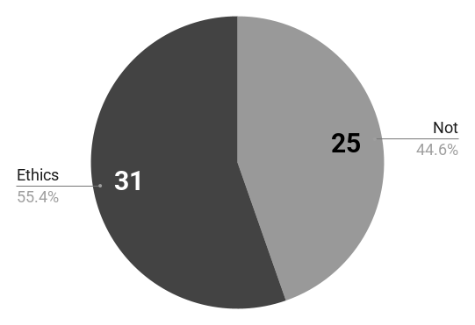
 |  |  |  |  | Integrating AI tools in SE | 1
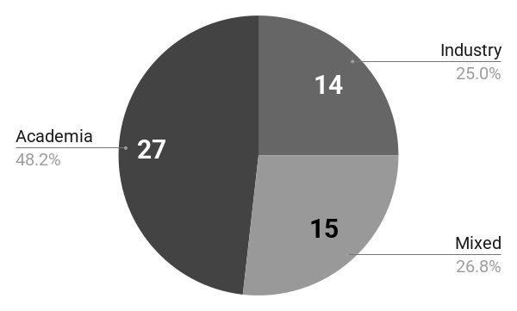
 |  |  |  |  | Integrating AI tools in SE | 3
 |  |  |  |  | Integrating AI tools in SE | 16
 |  |  |  |  | Integrating AI tools in SE | 20
 |  |  |  |  | Integrating AI tools in SE | 54
 |  |  |  |  | Effectiveness of AI tools in SE | 2
 |  |  |  |  | Effectiveness of AI tools in SE | 43
 |  |  |  |  | Integrating AI tools in SE Education | 4
 |  |  |  |  | Integrating AI tools in SE Education | 4
 |  |  |  |  | Integrating AI tools in SE | 5
 |  |  |  |  | Integrating AI tools in SE | 5
 |  |  |  |  | Integrating AI tools in SE | 18
 |  |  |  |  | Integrating AI tools in SE | 26
 |  |  |  |  | Integrating AI tools in SE Education | 7
 |  |  |  |  | Integrating AI tools in SE Education | 35
 |  |  |  |  | Integrating AI tools in specific Computing-related domains | 10

(RQ2) Key Software Development
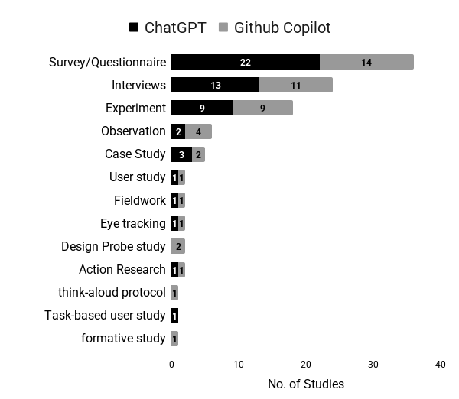
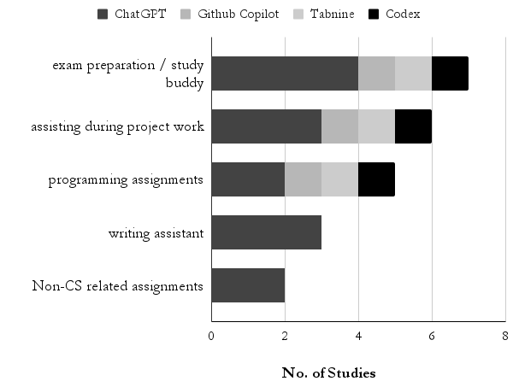
LLM-BASED TOOLS | LLM-BASED TOOLS THROUGH YEARS | Key Development Tasks VS ChatGPT, GitHub Copilot, and Tabnine (Most Recurrents)
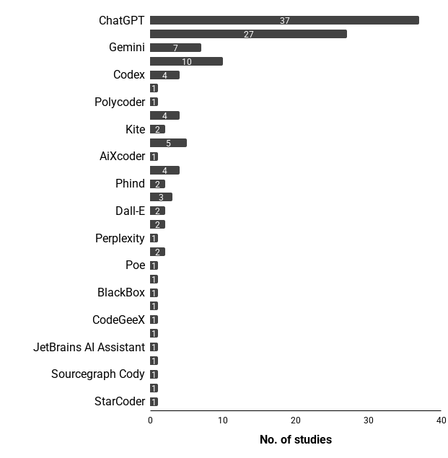
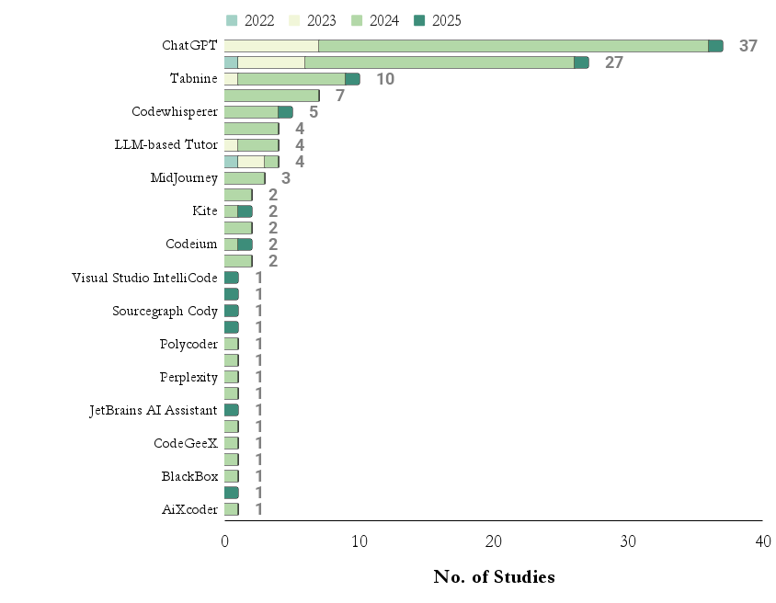
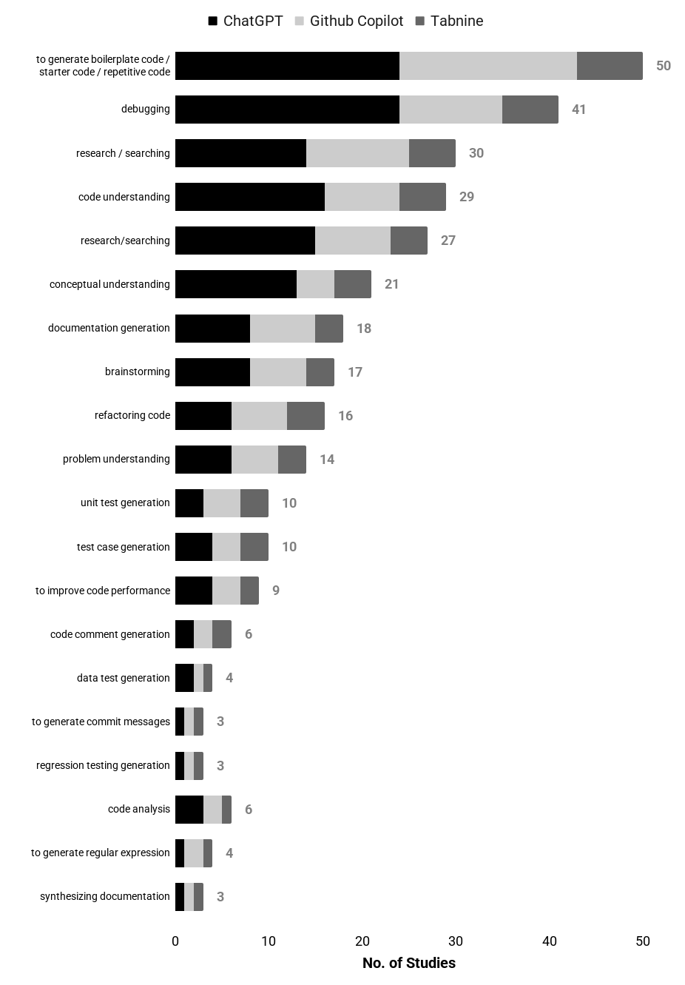

ChatGPT and GitHub Copilot (Research Methods) | Key Educational Tasks VS LLM-based Tools

(RQ3) Perceptions about LLM4SE
PERCEPTIONS | PERCEPTIONS ABOUT IMPACT THROUGH THE YEARS | PERCEIVED BENEFITS/ADVANTAGES |  |  |  |  | PERCEIVED CHALLENGES/LIMITATIONS (MOST RECURRENTS) |  |  |  |  | PERCEIVED RECOMMENDATIONS/BEST PRACTICES |  |  |  |  | PERCEIVED RECOMMENDATIONS/BEST PRACTICES FOR EDUCATORS
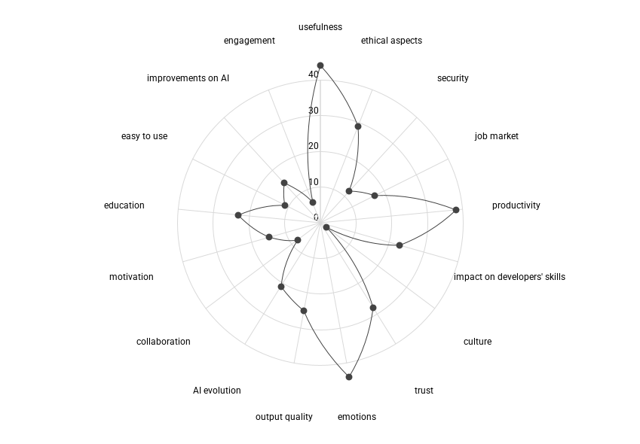
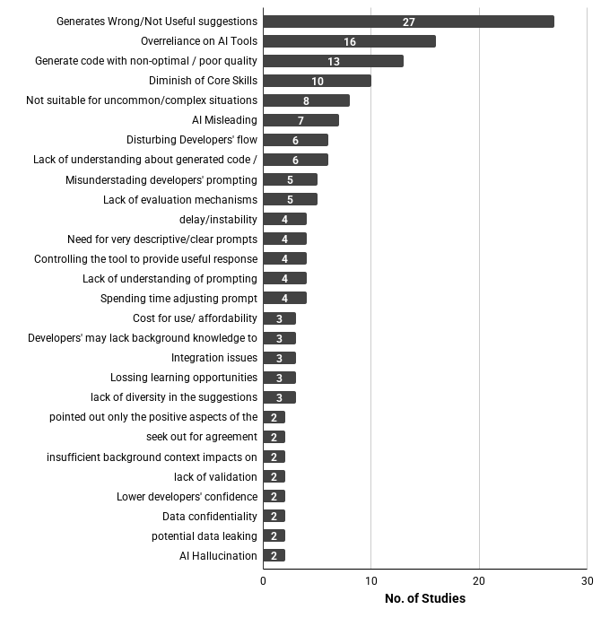

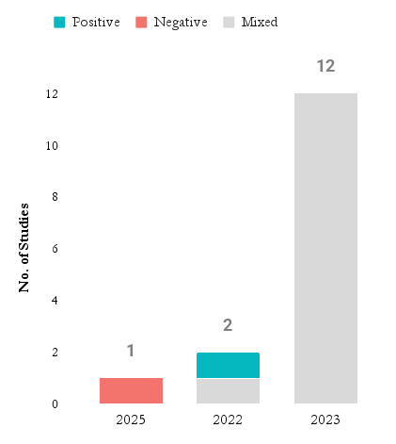
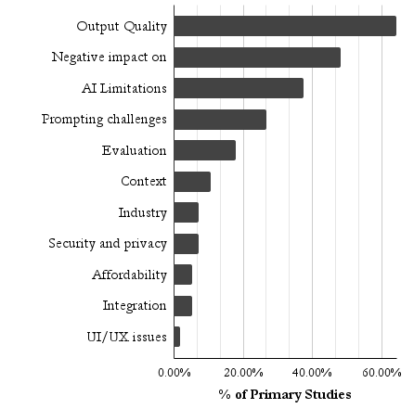
 |  | Categories | Benefits/Advantages | Frequency | Studies ID | Jr. Developer
 |  | Productivity and efficiency | Improvement on productivity and efficiency | 38 | 1, 2, 3, 4, 5, 6, 7, 9, 10, 11, 12, 13, 14, 16, 17, 18, 19, 20, 21, 23, 24, 25, 27, 28, 29, 30, 31, 32, 35, 37, 38, 39, 40, 45, 47, 51, 52, 53 | NO
 |  | Education | Learning opportunities | 13 | 1, 4, 5, 13, 23, 24, 25, 28, 29, 34, 36, 48, 56 | YES |  |  |  |  |  |  |  |  |  |  | Categories | Recommendation | Sub-Recommendation | Frequency | Studies ID
 |  | Aiding developers’ skills | Supporting thinking process and problem solving | 9 | 9, 18, 24, 25, 29, 35, 36, 41, 46 | NO |  |  |  |  |  |  |  |  |  |  | Teaching Strategy | focus on developing critical thinking in the students | focus on developing critical thinking in the students | 1 | 7
 |  | Aiding developers’ skills | Provide alternative solutions | 4 | 24, 29, 30, 32 | NO |  |  |  |  |  |  |  |  |  |  |  |  | teach when and how to use AI tools | 4 | 32, 48, 52, 54
 |  | Aiding developers’ skills | Improvement on code understanding | 2 | 5, 33 | NO |  |  |  |  |  |  |  |  |  |  |  |  | students should be able to evaluate the AI outputs | 2 | 32, 48
 |  | Aiding developers’ skills | Memory aid | 1 | 27 | NO |  |  |  |  |  |  |  |  |  |  |  |  | educate students about the risks of overreliance on a single resource | 1 | 36
 |  | Aiding developers’ skills | Improvement on communication skills | 1 | 27 | NO |  |  |  |  |  |  |  |  |  |  |  |  | teach the tools by showing the results and how it makes life easier | 1 | 5
 |  | Reduced effort | Decrease of necessary effort | 9 | 3, 6, 18, 20, 23, 28, 32, 35, 52 | NO |  |  |  |  |  |  |  |  |  |  |  |  | discussions to familiarise students with AI tools’ capabilities and limits | 1 | 36
 |  | Assistance and support | Option when seeking for help | 8 | 1, 3, 6, 13, 14, 25, 39, 40 | YES |  |  |  |  |  |  |  |  |  |  |  |  | framing LLMs as a tool | 1 | 48
 |  | Improved code quality | Improvement on code quality | 5 | 5, 7, 11, 25, 36 | NO |  |  |  |  |  |  |  |  |  |  |  | focus on student engagement |  | 2 | 32, 48
 |  | Software development Tasks | Supporting on debugging | 4 | 5, 7, 38, 46 | YES |  |  |  |  |  |  |  |  |  |  |  | teach what students need to know how to do without using AI tools |  | 1 | 32
 |  | Usefulness | Provide useful recommendations about tools and architecture design | 3 | 1936-08-05 | NO |  |  |  |  |  |  |  |  |  |  |  | focus on teaching the fundaments (using the tools) |  | 1 | 5
 |  | Usefulness | Helpful for narrowly-scoped tasks | 1 | 27 | NO |  |  |  |  |  |  |  |  |  |  | Course/Syllabus | how to use AI Tools should be introduced as a core module |  | 1 | 25
 |  | Usefulness | Supporting during novel / exploratory activities | 2 | 12, 47 | NO |  |  |  |  |  |  |  |  |  |  |  | SE educators could consider teaching data science skills |  | 1 | 54
 |  | Features | Constant available | 1 | 14 | NO |  |  |  |  |  |  |  |  |  |  | Educators' Atittude | strict control AI tools in education |  | 1 | 44
 |  | Features | Minimizing distractions by adopting centralized interface | 1 | 27 | NO |  |  |  |  |  |  |  |  |  |  |  | acknowledges the growing autonomy and self-direction that AI tools offer to students |  | 1 | 36

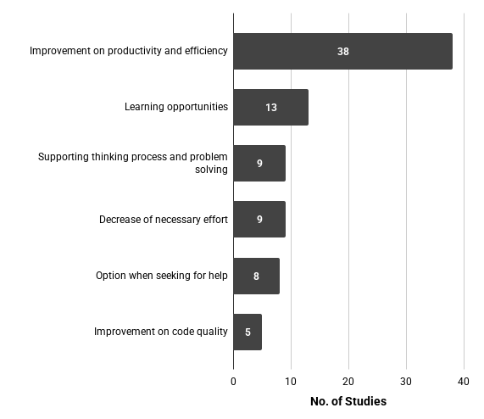

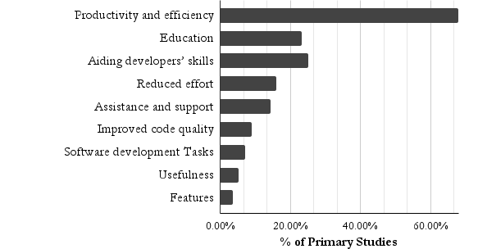
 |  |  |  |  |  |  |  |  |  |  |  |  |  |  |  |  |  | Categories | Frequency | Percentage
 |  |  |  |  |  |  |  |  |  |  |  |  |  |  |  |  |  | Teaching Strategy | 6 | 10.71428571
 |  |  |  |  |  |  |  |  |  |  |  |  |  |  |  |  |  | Educators' Atittude | 2 | 3.571428571
 |  |  |  |  |  |  |  |  |  |  |  |  |  |  |  |  |  | Course/Syllabus | 2 | 3.571428571

PERCEPTIONS vs LLM Tools (Most Recurrents) | LLM Tools vs Perceived Impact

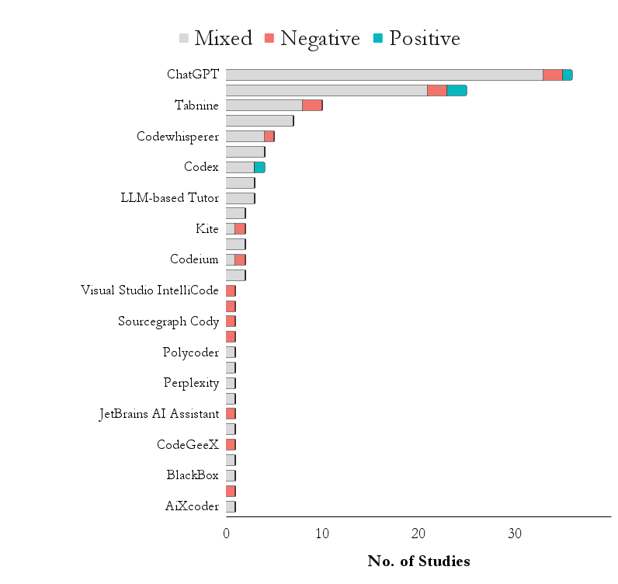

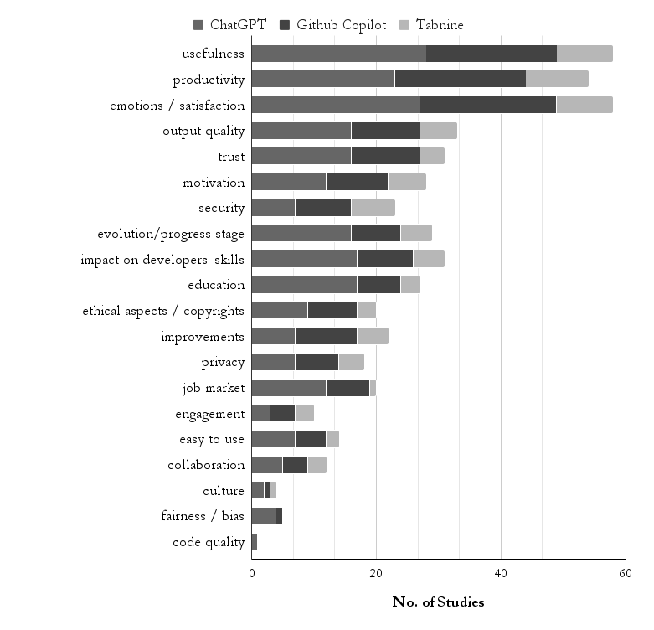
 |  |  |  |  |  |  | Categories | Challenges/Limitations | Frequency | Studies ID | Jr. Developer
 |  |  |  |  |  |  | Output Quality | Generates Wrong/Not Useful suggestions | 27 | 5, 8, 9, 13, 14, 18, 20, 24, 25, 27, 30, 32, 34, 36, 37, 38, 39, 40, 46, 47, 48, 50, 51, 53, 54, 55, 56 | NO | Categories | Recommendations | Frequency | Studies ID | Jr. Developer
 |  |  |  |  |  |  | Negative impact on developers | Overreliance on AI Tools | 16 | 1, 3, 5, 12, 13, 14, 25, 30, 32, 33, 36, 39, 43, 44, 45, 52 | NO | Prompting | Break down tasks into sub-tasks | 5 | 12, 13, 18, 29, 54 | NO
 |  |  |  |  |  |  | Output Quality | Generate code with non-optimal / poor quality | 13 | 1, 5, 7, 12, 17, 22, 24, 25, 27, 28, 29, 35, 52 | NO | Prompting | Ask for small/specific code segments | 2 | 10, 19 | NO
 |  |  |  |  |  |  | Negative impact on developers | Diminish of Core Skills | 10 | 1, 3, 5, 9, 13, 22, 30, 36, 41, 45 | YES | Prompting | Guiding LLMs using follow up questions | 2 | 33, 43 | NO
 |  |  |  |  |  |  | AI Limitations | Not suitable for uncommon/complex situations | 8 | 18, 25, 27, 29, 47, 49, 55, 56 | NO | Prompting | Analyzing prompts by reverse engineering | 1 | 17 | NO
 |  |  |  |  |  |  | AI Limitations | AI Misleading | 7 | 3, 7, 8, 14, 25, 34, 41 | NO | Prompting | Provide detailed contextualization (with examples) | 1 | 18 | NO
 |  |  |  |  |  |  | Negative impact on developers | Disturbing Developers' flow | 6 | 9, 12, 20, 22, 24, 50 | NO | Prompting | Iterative refinement of suggested code | 1 | 39 | NO
 |  |  |  |  |  |  | Negative impact on developers | Lack of understanding about generated code / suggestions | 6 | 6, 9, 18, 20, 28, 52 | NO | Prompting | Follow community conventions | 1 | 29 | NO
 |  |  |  |  |  |  | AI Limitations | Misunderstading developers' prompting | 5 | 14, 33, 34, 47, 49 | NO | Prompting | Use known high-level techniques from literature | 1 | 54 | NO
 |  |  |  |  |  |  | Evaluation | Lack of evaluation mechanisms | 5 | 3, 7, 11, 17, 42 | NO | Prompting | Include/repeat specific expressions to clarity | 1 | 54 | NO
 |  |  |  |  |  |  | AI Limitations | delay/instability | 4 | 18, 25, 27, 39 | NO | Attitude | Careful adoption of LLM tools | 4 | 5, 17, 24, 27 | NO
 |  |  |  |  |  |  | Prompting challenges | Need for very descriptive/clear prompts | 4 | 6, 13, 25, 54 | NO | Attitude | Watch for overreliance on LLM tools | 2 | 2025-04-03 | NO
 |  |  |  |  |  |  | Prompting challenges | Controlling the tool to provide useful response | 4 | 18, 22, 29, 30 | NO | Attitude | Use AI tools as last resort | 3 | 5, 23, 43 | NO
 |  |  |  |  |  |  | Prompting challenges | Lack of understanding of prompting | 4 | 11, 33, 46, 54 | YES | Attitude | Familiarize with code languages and tools before | 3 | 8, 25, 52 | NO
 |  |  |  |  |  |  | Prompting challenges | Spending time adjusting prompt | 4 | 11, 20, 23, 25 | NO | Attitude | Ignore LLM tools until they become relevant for you | 1 | 22 | NO
 |  |  |  |  |  |  | Affordability | Cost for use/ affordability | 3 | 11, 25, 50 | NO | Attitude | Treat generate code as a baseline for improvements | 1 | 38 | NO
 |  |  |  |  |  |  | Evaluation | Developers' may lack background knowledge to evaluate suggestions | 3 | 13, 32, 33 | NO | Attitude | Familiarize through experimentation | 2 | 17, 22 | NO
 |  |  |  |  |  |  | Integration | Integration issues | 3 | 11, 24, 45 | NO | Attitude | Use LLM tools as a personal tutor | 1 | 24 | NO
 |  |  |  |  |  |  | Negative impact on developers | Lossing learning opportunities | 3 | 1, 25, 43 | YES | Assessment | Using external platform to verify generated suggestions | 4 | 8, 11, 12, 39 | NO
 |  |  |  |  |  |  | Output Quality | lack of diversity in the suggestions | 3 | 12, 27, 53 | NO | Assessment | Collaborated with developers to understand AI tools | 3 | 8, 17, 47 | NO
 |  |  |  |  |  |  | AI Limitations | pointed out only the positive aspects of the code | 2 | 7,8 | NO | Assessment | Understanding community’s evaluations on the AI tools | 1 | 17 | NO
 |  |  |  |  |  |  | AI Limitations | seek out for agreement | 2 | 3, 39 | NO | Core skills | Solid foundations should not be put beside | 1 | 5 | NO
 |  |  |  |  |  |  | Context | insufficient background context impacts on generated code | 2 | 2025-02-01 | NO | Core skills | Focus on problem solving | 1 | 5 | NO
 |  |  |  |  |  |  | Evaluation | lack of validation | 2 | 7,8 | NO | Core skills | Critical thinking on LLM suggestions | 1 | 3 | NO
 |  |  |  |  |  |  | Negative impact on developers | Lower developers' confidence | 2 | 3, 27 | YES | Use cases | Use for open-ended/general questions | 1 | 3 | NO
 |  |  |  |  |  |  | Security and privacy | Data confidentiality | 2 | 1, 24 | NO
 |  |  |  |  |  |  | Security and privacy | potential data leaking | 2 | 31, 49 | NO
 |  |  |  |  |  |  | AI Limitations | AI Hallucination | 2 | 2025-05-01 | NO
 |  |  |  |  |  |  | AI Limitations | lack of explanability | 1 | 32 | NO
 |  |  |  |  |  |  | AI Limitations | generation of incomplete/broken code | 1 | 7 | NO
 |  |  |  |  |  |  | AI Limitations | AI tools not performing well with less common programming languages | 1 | 18 | NO |  | Categories | Frequency | Percentage
 |  |  |  |  |  |  | AI Limitations | Unnecessary content creation | 1 | 20 | NO |  | Attitude | 13 | 23.21428571
 |  |  |  |  |  |  | AI Limitations | It may not provide info about source | 1 | 25 | NO |  | Prompting | 11 | 19.64285714
 |  |  |  |  |  |  | AI Limitations | Need to ask follow up questions to get detailed info | 1 | 27 | NO |  | Assessment | 6 | 10.71428571
 |  |  |  |  |  |  | AI Limitations | Inability to comprehend the problem | 1 | 55 | NO |  | Core skills | 2 | 3.571428571
 |  |  |  |  |  |  | AI Limitations | Dependance on model and user's knowleadge | 1 | 11 | NO |  | Use cases | 1 | 1.785714286
 |  |  |  |  |  |  | AI Limitations | Dependance on third-party service | 1 | 11 | NO
 |  |  |  |  |  |  | AI Limitations | Lack of adjusting to user's knowleadge level | 1 | 8 | NO
 |  |  |  |  |  |  | Context | lack of understanding organisational realities | 1 | 1 | NO
 |  |  |  |  |  |  | Context | lack of background context impacts on generated code | 1 | 1 | NO
 |  |  |  |  |  |  | Context | lack of control on context | 1 | 12 | NO
 |  |  |  |  |  |  | Context | Require for restarting the context often | 1 | 25 | NO
 |  |  |  |  |  |  | Context | Very sensitive to the context | 1 | 28 | NO
 |  |  |  |  |  |  | Context | AI not understand the context of the task | 1 | 50 | NO
 |  |  |  |  |  |  | Industry | Negative Stigma between professionals | 1 | 1 | NO
 |  |  |  |  |  |  | Negative impact on developers | Potential Misuse | 1 | 11 | NO
 |  |  |  |  |  |  | Evaluation | often need to verify content | 1 | 47 | NO
 |  |  |  |  |  |  | Industry | Increase expectations of employers/industry | 1 | 23 | NO
 |  |  |  |  |  |  | Industry | Lack of company's support (guidelines, covering costs) | 1 | 46 | NO
 |  |  |  |  |  |  | AI Limitations | AI models have zero knowledge about company's internal APIs | 1 | 11 | NO
 |  |  |  |  |  |  | AI Limitations | quality of generated suggestions depend on dataset quality | 1 | 1 | NO
 |  |  |  |  |  |  | AI Limitations | Potential Biased and Discrimintion in AI Suggestions | 2 | 2025-03-01 | NO
 |  |  |  |  |  |  | AI Limitations | generation of outdate suggestions due to LLM outdate knowleadge | 1 | 5 | NO
 |  |  |  |  |  |  | Output Quality | usually not better than Google search | 1 | 25 | NO
 |  |  |  |  |  |  | Prompting challenges | Need for understanding about prompting | 1 | 11 | NO
 |  |  |  |  |  |  | Industry | Lack of info about benefits | 1 | 2 | NO
 |  |  |  |  |  |  | Prompting challenges | lack of platforms dedicated to sharing experience with AI code generation tools | 1 | 17 | NO
 |  |  |  |  |  |  | Industry | Lack of culture of sharing | 1 | 46 | NO
 |  |  |  |  |  |  | Prompting challenges | Spent time understanding generated code | 1 | 9 | NO
 |  |  |  |  |  |  | UI/UX issues | Insufficient support for multi-type completion | 1 | 49 | NO
 |  |  |  |  |  |  | UI/UX issues | UI/UX issues | 1 | 49 | NO

 |  |  |  |  |  |  |  | Categories | Frequency | Percentage
 |  |  |  |  |  |  |  | Output Quality | 36 | 64.28571429
 |  |  |  |  |  |  |  | Negative impact on developers | 27 | 48.21428571
 |  |  |  |  |  |  |  | AI Limitations | 21 | 37.5
 |  |  |  |  |  |  |  | Prompting challenges | 15 | 26.78571429
 |  |  |  |  |  |  |  | Evaluation | 10 | 17.85714286
 |  |  |  |  |  |  |  | Context | 6 | 10.71428571
 |  |  |  |  |  |  |  | Industry | 4 | 7.142857143
 |  |  |  |  |  |  |  | Security and privacy | 4 | 7.142857143
 |  |  |  |  |  |  |  | Affordability | 3 | 5.357142857
 |  |  |  |  |  |  |  | Integration | 3 | 5.357142857
 |  |  |  |  |  |  |  | UI/UX issues | 1 | 1.785714286

(RQ4) Limitations and Future Re
STUDY LIMTATIONS |  |  |  | FUTURE RESEARCH NEEDS |  |  |  | Controlled Experiment Results (Adoption of LLM-based Tools) |  |  |  |  |  |  |  |  |  |  | Framework, Model, Theory, Set of guidelines

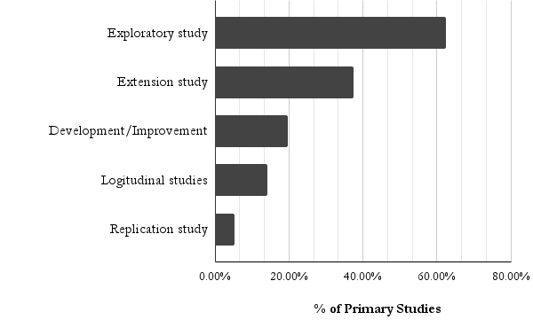
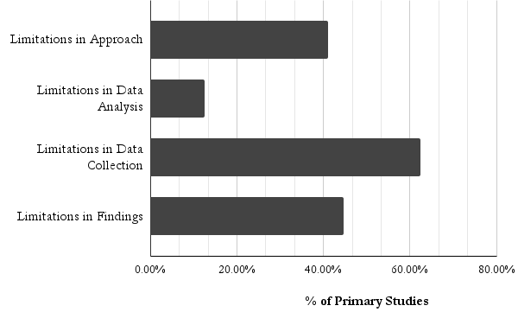
 |  |  |  | Category | Sub-category | Frequency | Studies ID
Category | Sub-category | Frequency | Studies ID | Exploratory study | relationship/impact/correlaction | 23 | 2, 4, 5, 6, 7, 8, 10, 12, 14, 18, 19, 20, 22, 23, 24, 27, 31, 33, 35, 36, 40, 42, 43 |  |  |  |  |  |  |  |  |  |  |  | New Study ID | Summary | Description | Evaluation Strategy
Limitations in Data Collection | Limited sampling | 34 | 1, 2, 3, 4, 11, 12, 13, 14, 17, 19, 21, 22, 23, 24, 25, 26, 29,30, 32, 33, 36, 39, 41, 44, 45, 46, 48, 49, 50, 51, 52, 53, 54, 55 | Extension study | diversity in Participants, regions, or organizations | 15 | 1, 2, 6, 13, 16, 17, 24, 30, 37, 40, 41, 44, 48, 49, 53 | COUNTA of AITool |  | AITool |  |  |  |  |  |  |  |  | 9 | Interaction patterns | Two new interaction patterns: shepherding and drifting. The first was when students guided Copilot by utilizing its auto-generated code prompts, shepherding it toward a solution instead of focusing on writing code from scratch and integrating Copilot’s suggestions. The second was when some students were moved along by some of Copilot’s incorrect suggestions, drifting from one to the next and therefore becoming lost. We also observed that students struggled with both cognitive and metacognitive difficulties when using the tool. | NONE
Limitations in Approach | Design of the task | 15 | 3, 6, 9, 12, 17, 20, 30, 32, 36, 37, 41, 43, 49, 51, 54 | Exploratory study | behaviors/intentions | 10 | 6, 17, 19, 20, 22, 27, 29, 37, 41, 43 | ControlledExperimentResult | PaperID | ChatGPT | Github Copilot | Gemini | Codex | Tabnine | Polycoder | DeepCode | Codex-based Tutor | Grand Total | 10 | framework | an evaluation framework for benchmarking LLM performance on hardware-in-the-loop embedded systems development tasks | The open-source, end-to-end evaluation pipeline for real-time LLM-powered embedded code validation with sensor-actutor pairs was evaluated through a benchmark
Limitations in Findings | Participant bias | 8 | 4, 29, 36, 39, 35, 41, 49, 53 55 | Exploratory study | Education | 10 | 7, 9, 14, 15, 36, 41, 46, 52, 55, 56 | Statistically significant | 6 | 1 | 1 |  | 1 | 1 | 1 | 1 |  | 6 | 11 | theoretical model | introduce the Human-AI Collaboration and Adaptation Framework (HACAF), an innovative theoretical model designed to understand and predict the adoption of Generative AI tools in software engineering. HACAF derives its components from several established theories including TAM, DOI, SCT, the Unified Theory of Acceptance and Use of Technology (UTAUT), and the personal innovativeness construct. The theoretical model is based on Perceptions about the technology, Compatibility factors, Social factors, and Personal and environmental factors. | Partial Least Squares–Structural Equation Modeling (PLS-SEM) based on survey and scale Development composed by: Perceptions about the Technology, Compatibility Factors, Social Factors, Personal and Environmental Factors, and Intention to Use
Limitations in Approach | Confounding variables | 8 | 5, 15, 18, 35, 37, 41, 44, 49 | Development/Improvement | Tool | 6 | 10, 20, 25, 26, 34, 54 |  | 39 | 1 | 1 | 1 |  |  |  |  |  | 3 | 12 | theory | A theory of how users interact with an AI programming assistant—specifically Github Copilot. It involves acceleration and exploration mode. In acceleration mode, the programmer already knows what they want to do next, and Copilot helps them get there quicker; interactions in this mode are fast and do not break programmer’s flow. In exploration mode, the programmer is not sure how to proceed and uses Copilot to explore their options or get a starting point for the solution; interactions in this mode are slow and deliberate, and include explicit prompting and more extensive validation. | It uses livestream content as "to reinforce our findings, we gathered additional data from five livestream videos we found on YouTube and Twitch, and confirmed that the streamers’ behavior was consistent with our theory"
Limitations in Approach | Limitations in LLM tools | 8 | 3, 5, 9, 16, 20, 24, 26, 27 | Extension study | specific population | 4 | 20, 25, 31, 40 |  | 44 | 1 | 1 |  |  |  |  |  |  | 2 | 17 | model | extended an existing MATCH model of user trust in AI technologies with sociotechnical factors. We surfaced two pathways that online communities can offer to help developers build appropriate trust in AI: (1) the pathway of collective sensemaking and (2) the pathway of community heuristics. The first pathway, collective sensemaking, describes the process by which developers learn from others’ experience with the AI model and improve their understanding of the trust affordances of the system. The other pathway, community heuristics, refers to the process in which users leverage a variety of community evaluation signals as heuristics to make trust judgments. Since individual developers rely on their own knowledge, expertise, and intuitions as heuristics, when unfamiliar with the programming project or language, they may not be able to effectively assessthe suggested code | designed two sets of stimuli—the community evaluation signals and the experience sharing spaces—as examples to address user needs regarding community-generated evaluation signals and community-curated experiences, respectively
Limitations in Data Collection | Participant misinterpretations | 6 | 11, 18, 29, 39, 49, 55 | Extension study | Realistic environment | 1 | 37 |  | 7 |  |  |  |  |  |  |  | 1 | 1 | 19 | framework | A framework that categorizes resistance to GAI among young professionals in the program. The major categories of this framework are: 1) friction in workflow, 2) ethics, agency, and ownership; 3) usability, utility, and efficacy; and 4) imagined GAI futures. | NONE
Limitations in Findings | Self-report data | 6 | 1, 4, 25, 43, 44, 51 | Exploratory study | LLM tools in specific domain | 3 | 2018-10-08 |  | 3 |  |  | 1 |  |  |  |  |  | 1 | 27 | event log coding guide | coding guide based on Conversation Analysis and Moore and Arar’s Natural Conversation Framework (NCF) In order to understand the content and structure of the conversations that took place between our participants and the Programmer’s Assistant. It composed by with 21 different categories of utterances from the NCF. For example, nine NCF categories – Acknowledgment, Apology, Confirmation, Expression of Gratitude, Farewell, Greeting, Self-Identification, Welfare Check, and Welfare Report | NONE
Limitations in Findings | Generalization | 6 | 13, 14, 18, 19, 48, 53 | Exploratory study | new approaches/optmization | 3 | 7, 28, 29 | Statistically significant Total |  | 3 | 3 | 2 | 1 | 1 | 1 | 1 | 1 | 13 | 33 | framework | A framework for using ChatGPT in Education. five core components includes basic requirements, students’ interaction with the system, its impact on learning, its long-term impact, and the development of affections. | cross-validation of initial results using survey
Limitations in Data Analysis | Researcher bias | 6 | 11, 33, 37, 41, 43, 50 | Development/Improvement | Guidelines | 3 | 12, 22, 45 | Mixed | 22 | 1 | 1 |  |  |  |  |  |  | 2 | 46 | theory | A Theory of AI Tool Use and Adoption in Software Engineering composed by Individual Motives (e.g., Learning and Debugging), Organizational Motives (e.g., Creating culture of sharing), Individual Challenges (e.g., Lack of understanding of prompting), and Organizational Challenges (e.g., Lack of company guidelines) | cross-validation using survey
Limitations in Findings | Fast evolution of LLM tools | 3 | 2022-12-05 | Logitudinal studies | LLM tools in Education | 3 | 9, 16, 30 |  | 28 |  |  |  | 1 |  |  |  |  | 1 | 51 | theoretical model | Theoretical model about Developers’ Trust and Behavioral Intentions Towards GenAI, based on TXAI instrument, PICSE framework, GenderMag facet survey, UTAUT model. Factors associated with trust (e.g., System/Output quality, Functional value, ease to use), and behavioral intentions (e.g., trust, motivation, Attitude towards risk) | Partial Least Squares-Structural Equation Modeling (PLS-SEM) with survey data from developers
Limitations in Findings | Replicability | 3 | 9, 18, 46 | Extension study | Using other AI tools | 2 | 3, 24 |  | 18 |  | 1 |  |  |  |  |  |  | 1
Limitations in Approach | Tracking participants’ progress | 3 | 12, 35, 44 | Replication study | other domains | 2 | 25, 33 |  | 17 | 1 |  |  |  |  |  |  |  | 1
Limitations in Findings | Time frame constraints | 2 | 49, 52 | Extension study | Interpretation of behaviors | 1 | 3 |  | 12 | 1 |  |  |  |  |  |  |  | 1
Limitations in Findings | Standard threats to statistical conclusion validity | 1 | 37 | Extension study | stratified analysis | 1 | 5 | Mixed Total |  | 3 | 2 |  | 1 |  |  |  |  | 6 |  | Category | Frequency
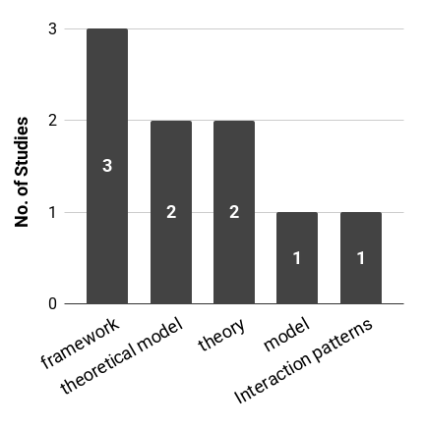
Limitations in Data Analysis | Limited qualitative analysis | 1 | 33 | Extension study | evaluation | 1 | 11 | No | 38 | 1 |  |  |  |  |  |  |  | 1 |  | framework | 3
 |  |  |  | Extension study | other tasks | 1 | 16 |  | 30 |  | 1 |  |  |  |  |  |  | 1 |  | theoretical model | 2
 |  |  |  | Exploratory study | developers' core skills | 1 | 16 | No Total |  | 1 | 1 |  |  |  |  |  |  | 2 |  | theory | 2
 |  |  |  | Exploratory study | evaluations strategies | 1 | 7 | Grand Total |  | 7 | 6 | 2 | 2 | 1 | 1 | 1 | 1 | 21 |  | model | 1
Category | Frequency | Percentage |  | Replication study | update study | 1 | 40 |  |  |  |  |  |  |  |  |  |  |  |  | Interaction patterns | 1
Limitations in Approach | 23 | 41.07142857 |  | Development/Improvement | Interaction mechanism | 1 | 15
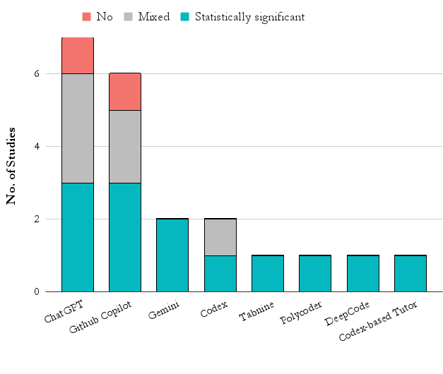
Limitations in Data Analysis | 7 | 12.5 |  | Development/Improvement | New metrics | 1 | 29
Limitations in Data Collection | 35 | 62.5 |  | Logitudinal studies | tracking perceptions and challenges | 1 | 1
Limitations in Findings | 25 | 44.64285714 |  | Logitudinal studies | tracking adoption patterns | 1 | 11
 |  |  |  | Logitudinal studies | checking security risks | 1 | 31
 |  |  |  | Logitudinal studies | observe developers in real work | 1 | 37
Limitations not mentioned in the paper | 9, 10, 12, 30, 33, 40, 44, 49, 58 |  |  | Logitudinal studies | tracking user interaction patterns and cognitive styles | 1 | 51

 |  |  |  | Future Research Needs not mentioned in the paper | 21, 32, 38, 39

 |  |  |  |  | Category | Frequency | Percentage
 |  |  |  |  | Exploratory study | 35 | 62.5 |  |  |  |  |  |  |  |  |  |  |  | STUDY FINDINGS
 |  |  |  |  | Extension study | 21 | 37.5
 |  |  |  |  | Development/Improvement | 11 | 19.64285714
 |  |  |  |  | Logitudinal studies | 8 | 14.28571429
 |  |  |  |  | Replication study | 3 | 5.357142857
 |  |  |  |  |  |  |  |  |  |  |  |  |  |  |  |  |  |  |  | Category | Frequency | Studies | Percentage
 |  |  |  |  |  |  |  |  |  |  |  |  |  |  |  |  |  |  |  | Relationship/Impact | 32 | 3, 4, 6, 7, 9, 12, 13, 18, 19, 22, 23, 25, 26, 28, 29, 30, 33, 37, 38, 39, 41, 42, 44, 45, 47, 50, 51, 52, 53, 54, 57, 58 | 57.14285714
 |  |  |  |  |  |  |  |  |  |  |  |  |  |  |  |  |  |  |  | Education | 15 | 9, 16, 18, 26, 27, 32, 34, 36, 42, 43, 45, 46, 50, 54, 58 | 26.78571429
 |  |  |  |  |  |  |  |  |  |  |  |  |  |  |  |  |  |  |  | Behavior/Attitude | 14 | 25, 38, 39, 40, 43, 45, 46, 48, 52, 53, 54, 55, 56, 57 | 25
 |  |  |  |  |  |  |  |  |  |  |  |  |  |  |  |  |  |  |  | Recommendations | 12 | 1, 3, 7, 10, 12, 13, 14, 17, 19, 24, 31, 48 | 21.42857143
 |  |  |  |  |  |  |  |  |  |  |  |  |  |  |  |  |  |  |  | Comparison | 10 | 2, 3, 4, 7, 13, 15, 18, 25, 46, 56 | 17.85714286
 |  |  |  |  |  |  |  |  |  |  |  |  |  |  |  |  |  |  |  | Innovation | 10 | 11, 12, 13, 14, 15, 19, 21, 29, 35, 48 | 17.85714286
 |  |  |  |  |  |  |  |  |  |  |  |  |  |  |  |  |  |  |  | LLM tool adoption | 7 | 2, 30, 31, 35, 48, 49, 52 | 12.5
 |  |  |  |  |  |  |  |  |  |  |  |  |  |  |  |  |  |  |  | Tools Capability | 6 | 6, 9, 10, 12, 17, 30 | 10.71428571
 |  |  |  |  |  |  |  |  |  |  |  |  |  |  |  |  |  |  |  | Effort | 3 | 3, 9, 19 | 5.357142857
 |  |  |  |  |  |  |  |  |  |  |  |  |  |  |  |  |  |  |  | Popularity between LLM tools | 2 | 2, 49 | 3.571428571

