Sheet1
Compression | Val_Loss | PSNR(in dB) | PSNR-New(in dB) | Val_loss(1 layer) |  |  |  | Val-Loss1 | bpp | PSNR(in dB)
33 | 0.0014 | 28.538719643 | 34.7377 | 9.79E-04 | 30.093149134 |  |  | 123.3627 | 0.24242424242 | 27.218964948
50 | 0.0037 | 24.317982759 |  | 8.94E-04 | 30.484876327 |  |  | 244.6539 | 0.16 | 24.245282177
67 | 0.0069 | 21.611509093 |  | 9.02E-04 | 30.448608748 |  |  | 61.35 | 0.11940298507 | 30.252657938
87.5 | 0.0094 | 20.268721464 |  |  |  |  |  |  | 0.091428571429
 |  |  |  |  |  |  |  |  |  |  |  |  |  | 33 | 34.7377
 |  |  |  |  |  | 50000 samples | trial100 | 50.76 |  | 31.075587474 | 16,16,8 | sure2 | 69.0879 | 50 | 29.736783688
 |  |  |  |  |  | 100000 samples | trial100 | 37.8258 |  | 32.352922389 |  | sure3 | 195.7281 | 67 | 25.214271806
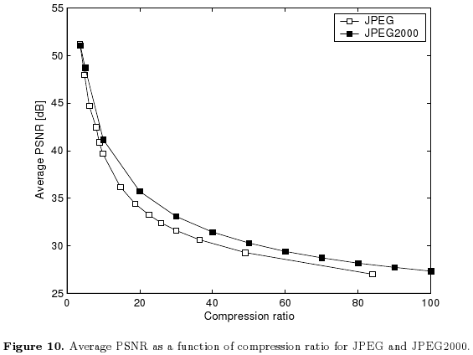
 |  |  |  |  |  | 100000 samples | trial1 | 55.1074 |  | 30.718704396 | 8,8,8 | sure4 | 406.7648 | 87.5 | 22.037369973
 |  |  |  |  |  | 100000 samples | trial1 | 23.5609 |  | 34.408884849 | 64,32,16,8
 |  |  |  |  |  | 50000 samples |  | 22.4547 |  | 34.617731037 | 64,32,16,8
 |  |  |  |  |  |  |  | 24.31 |  | 34.27295402
 |  |  |  |  |  | Final
 |  |  |  |  |  | 100000 samples | sure1 | 21.8429 |  | 34.737700634 | 64,32,16,8

Progressive Encoding-Decoding using CAE

