inschrijving
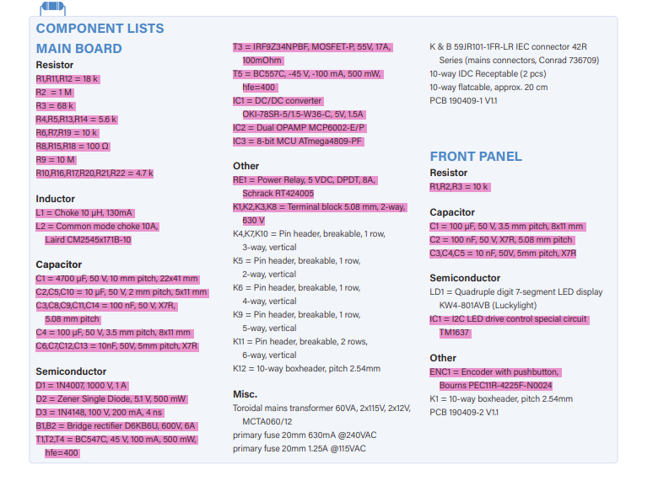
GROUP BUY |  |  | Included items: | Totaal aantal personen
 |  |  |  | 20
 | Naam
 | Kobe Dieryck
 | Seppe Budenaers
 | Dries Nuttin
 | Runar Jans
 | Alexander Petry
 | Joos Vanhees
 | Bo Bams
 | Ceyhan Yildiz
 | Vanermen Niels
 | Quinten Mathijs
 | Thibe Van Orshaegen | qr-code
 | Cosemans Lucas
 | Michiel Parthoens
 | Samy Warnants
 | Bram Truyens
 | ine
 | Thomas Fokkema
 | Jelle Claes
 | JUSTICE LACROIX
 | loice

