general_images
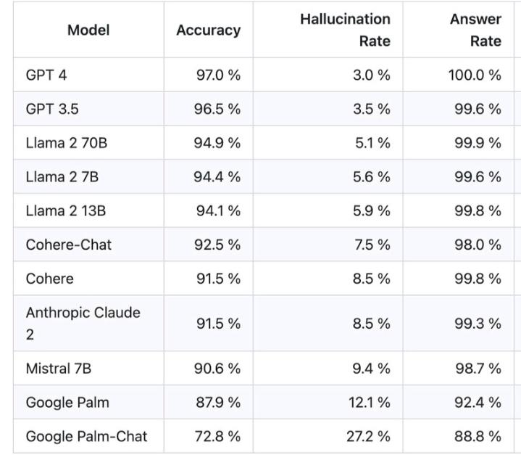

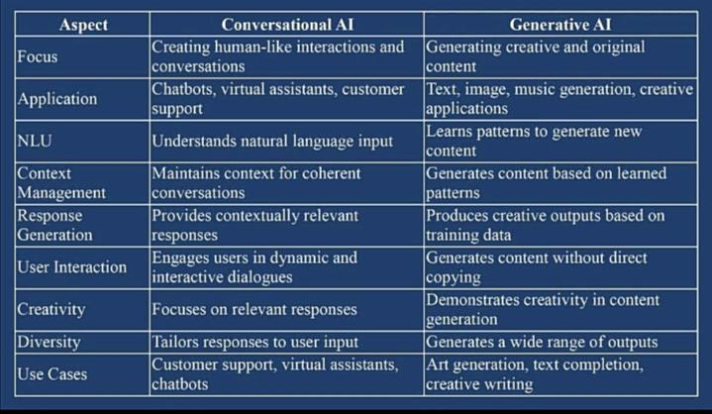

tools
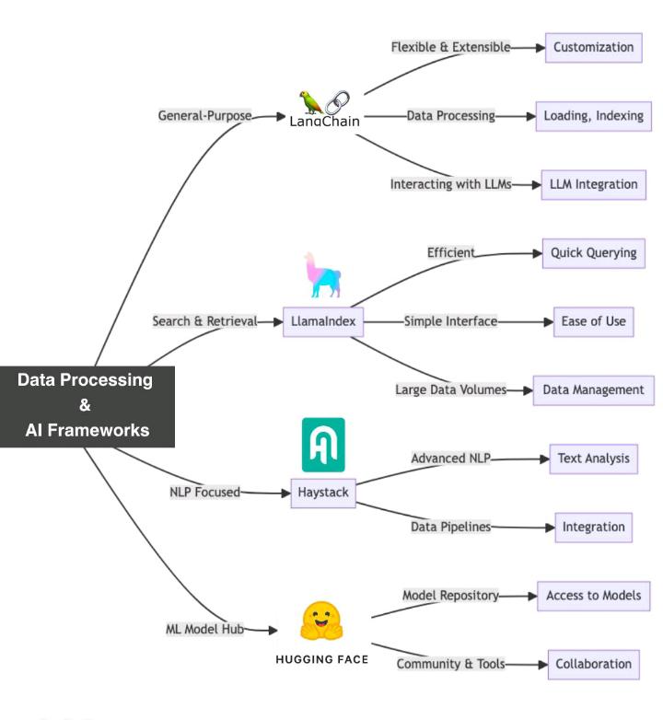
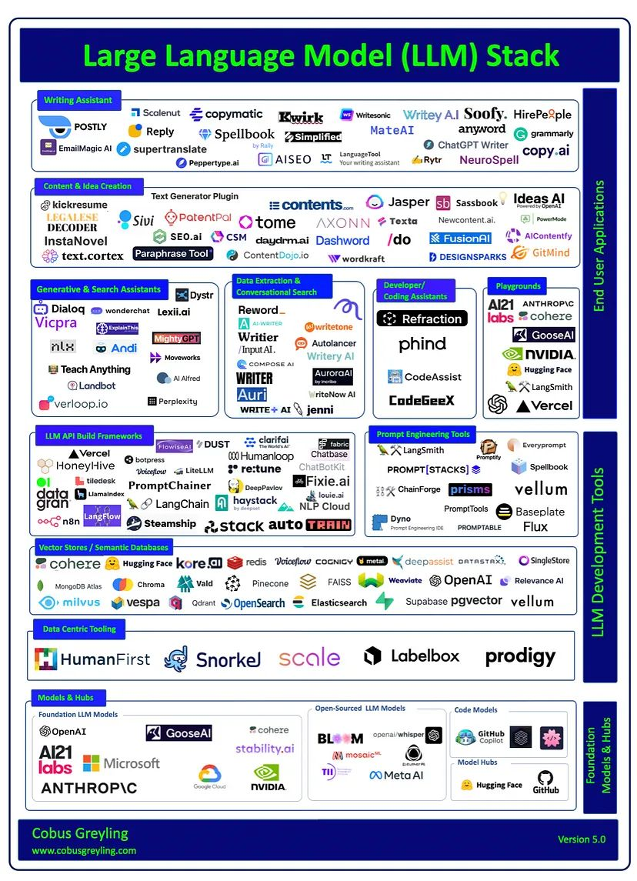
𝗗𝗲𝘀𝗶𝗴𝗻 𝗧𝗼𝗼𝗹𝘀 FlairAI - https://flair.ai AutoDraw - https://www.autodraw.com StockImg - https://stockimg.ai BoothAI - https://www.booth.ai ClipDrop - https://clipdrop.co 𝗬𝗼𝘂𝗧𝘂𝗯𝗲 𝗧𝗼𝗼𝗹𝘀 Eightify - https://eightify.app Thumbly - https://thumbly.ai SteveAI - https://www.steve.ai Clipmaker - https://www.clipmaker.ai TubeBuddy - https://www.tubebuddy.com 𝗥𝗲𝘀𝗲𝗮𝗿𝗰𝗵 𝗧𝗼𝗼𝗹𝘀 Consensus - https://consensus.app Paperpal - https://paperpal.com Trinka - https://www.trinka.ai Writesonic - https://writesonic.com Scholarcy - https://www.scholarcy.com 𝗪𝗿𝗶𝘁𝗶𝗻𝗴 𝗧𝗼𝗼𝗹𝘀 AISeo - https://aiseo.ai Quillbot - https://quillbot.com Bertha - https://bertha.ai Simplified - https://simplified.com 𝗖𝗼𝗱𝗶𝗻𝗴 𝗧𝗼𝗼𝗹𝘀 Durable - https://durable.co 10Web - https://10web.io Akkio - https://www.akkio.com Replit - https://replit.com DeepCode - https://www.deepcode.ai 𝗠𝗮𝗿𝗸𝗲𝘁𝗶𝗻𝗴 𝗧𝗼𝗼𝗹𝘀 Simplified - https://simplified.com ContentEdge - https://lnkd.in/dc7JY93f CopySmith - https://copysmith.ai Mutiny - https://www.mutinyhq.com 𝗧𝘄𝗶𝘁𝘁𝗲𝗿 𝗧𝗼𝗼𝗹𝘀 Tweetmonk - https://tweetmonk.com Tribescaler - https://tribescaler.com Postwise - https://postwise.ai TweetLify - https://www.tweetlify.co 𝗠𝘂𝘀𝗶𝗰 𝗧𝗼𝗼𝗹𝘀 Boomy - https://boomy.com Amper - https://lnkd.in/dwN43544 Jukedeck - https://lnkd.in/dVjZnWFK BrainFm - https://www.brain.fm 𝗖𝗵𝗮𝘁𝗯𝗼𝘁 𝗧𝗼𝗼𝗹𝘀 Yatterplus - https://yatterplus.in Typewise - https://www.typewise.app Quickchat - https://www.quickchat.ai Cohere - https://cohere.com Kaizan - https://kaizan.ai

