Sheet1
Techniques/tool | Description | images | github
MemGPT | 𝗪𝗵𝗮𝘁'𝘀 𝘁𝗵𝗲 𝗣𝗿𝗼𝗯𝗹𝗲𝗺? Large language models (LLMs) like GPT-3 are super smart but have a fixed context window - the info they can process. This limits tasks needing long memory or deep reasoning. 🚀 𝗜𝗻𝘁𝗿𝗼𝗱𝘂𝗰𝗶𝗻𝗴 𝗠𝗲𝗺𝗚𝗣𝗧 ⤿ UC Berkeley's MemGPT combines OS tricks with LLMs for unlimited context! It's like virtual memory for your brain. 🛠️ 𝗛𝗼𝘄 𝗠𝗲𝗺𝗚𝗣𝗧 𝗪𝗼𝗿𝗸𝘀 ➦ Hierarchical Memory: Like RAM and disk in a computer. ➦ Memory Management: MemGPT moves info between main and external memory, like you moving files around your computer. ➦ Control Flow: MemGPT juggles tasks and user interactions smoothly. 📊 𝗜𝗺𝗽𝗿𝗲𝘀𝘀𝗶𝘃𝗲 𝗥𝗲𝘀𝘂𝗹𝘁𝘀 MemGPT rocked in: ⇶ Conversational Agents: Better answers and personalized chats. ⇶ Document Analysis: Ace at answering tough questions and digging deep into documents. 🌟 𝗪𝗵𝘆 𝗜𝘁 𝗠𝗮𝘁𝘁𝗲𝗿𝘀 ▶ Hierarchical memory lets LLMs use infinite context. ▶ OS techniques make info flow smooth. ▶ LLMs manage memory by themselves. ▶ No need for endless model growth! 🚧 𝗟𝗶𝗺𝗶𝘁𝗮𝘁𝗶𝗼𝗻𝘀 𝗮𝗻𝗱 𝗙𝘂𝘁𝘂𝗿𝗲 ➔ MemGPT relies on fancy models. Open-source LLMs need love! ➔ Exciting Future: More memory tier ideas, smarter functions, wider applications, retrieval tricks, and better memory handling! ✨ 𝗜𝗻 𝗮 𝗡𝘂𝘁𝘀𝗵𝗲𝗹𝗹 ➔ MemGPT brings OS magic to AI. It's a game-changer for smart, useful, and efficient AI systems. Watch this space for even more awesomeness! | 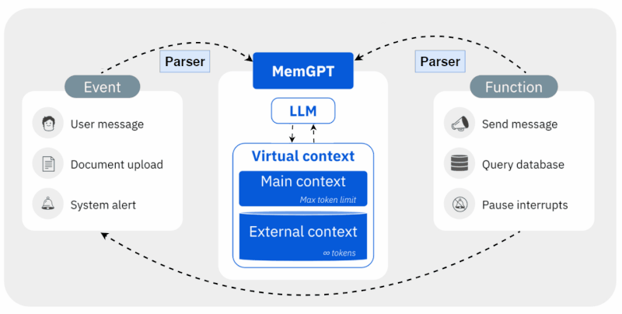 | https://github.com/cpacker/MemGPT
PDFTriage | Struggling to fit long documents into LLMs' small context windows? Stanford and Adobe have just unveiled a new solution. Handling document-based questions has always been challenging for LLMs, especially when the document is too large to fit in the context window. A new technique called PDFTriage from Stanford and Adobe addresses this challenge by utilizing the inherent structure of PDFs, web pages, and presentations. How it works? (1) PDFTriage generates a structured metadata representation of the document, extracting information surrounding section text, figure captions, headers, and tables. (2) Given a query, an LLM-based Triage selects the document frame needed to answer it and retrieves it directly from the selected page, section, figure, or table. (3) Finally, the selected context and inputted query are processed by the LLM before the generated answer is outputted. This novel method was put to the test across a variety of question types and demonstrated its effectiveness where traditional retrieval-augmented LLMs fell short. As a result, GPT-3 and other LLMs are better capable of handling the reduced context size and ultimately lead to faster and cheaper generations. A significant leap for LLM-powered document understanding. |  | https://arxiv.org/abs/2309.08872
staff/reduced/map reduced/map rerank
streamingllm

