Sheet1
Approches | Type of output for question | question | Answer/error | pass/failed | is this answer correct?
1.Connect to database-->convert each table into dataframe-->pass all datframes to datalake--->do chat | string | Which actor has appeared in the most films? | The actor who has appeared in the most films is GINA. | pass |  | Note: Droped picture coulmn from staff table,bcz pandas ai unble to handle binary data.
 |  | What was the most commonly rented movie last year | The most commonly rented movie last year was 'BUCKET BROTHERHOOD'. | pass
 |  | What was the average monthly revenue generated from children's movies last year? | rental_id | failed
 |  | Can you tell me the highest revenue generated by a horror category movie? | 763.47 | pass
 |  | can you tell me how many movie release in horror category in year 2006 | 56 | pass

 | Numbers | How many rental transactions were there in May 2018? | 0 | pass
 |  | What is the average replacement cost of children’s movies? | category_id' | failed
 |  | What was the total sales revenue in the horror film category? | name' | failed

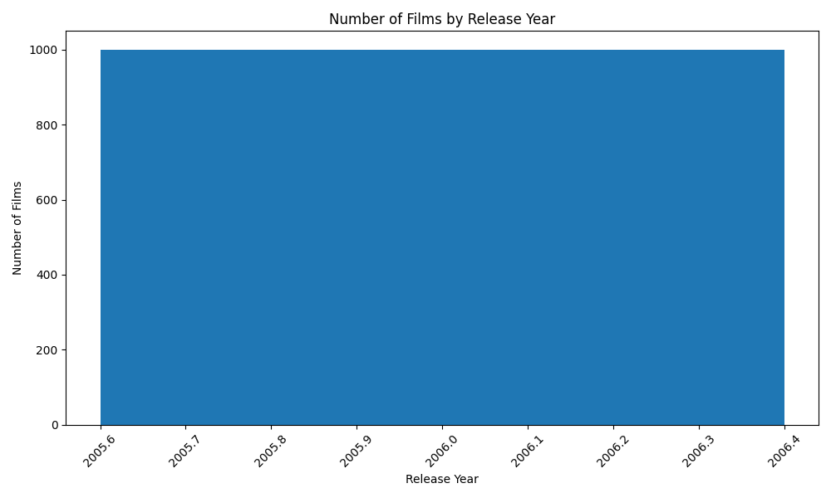
 | Plots | Plot the number of films by release year.

 |  |  |  | pass

 |  | Plot the number of films by release year. | category_id' | failed
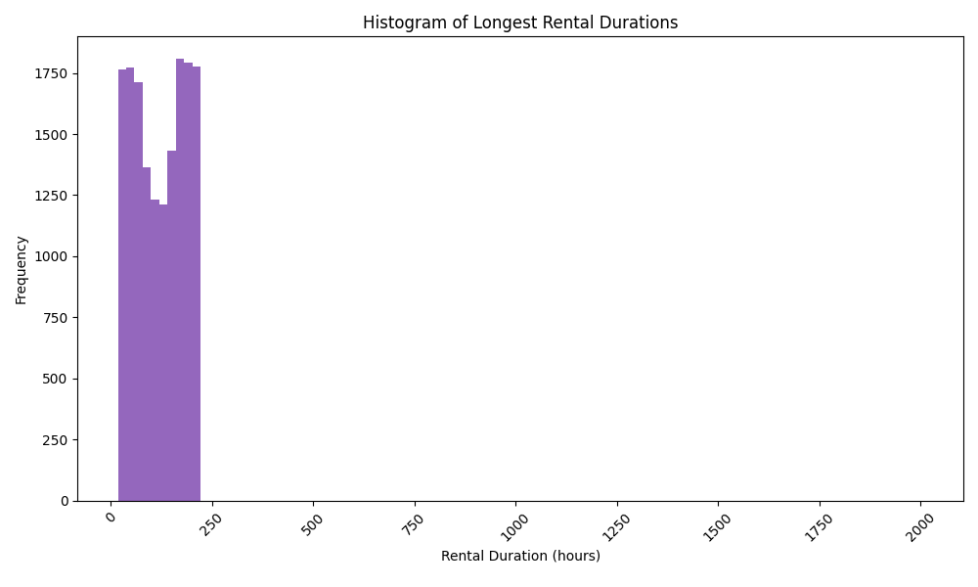
 |  | Plot the histogram of longest rental durations'
 |  |  |  | pass

 | dataframe/table | Show a summary of total inventory units by store | Store ID Total Inventory Units 0 1 2270 1 2 2311 | pass
 |  | Show total sales by film category and release year. | film_id' | failed
 |  | Who are the top 10 customers by total spend? | customer_id amount 525 526 221.55 147 148 216.54 143 144 195.58 136 137 194.61 177 178 194.61 458 459 186.62 468 469 177.60 467 468 175.61 235 236 175.58 180 181 174.66 | pass
 |  | Which 5 actors have appeared in the most films? | First Name Last Name 0 SANDRA KILMER 1 WALTER TORN 2 GINA DEGENERES 3 MATTHEW CARREY 4 MARY KEITEL | pass

2.connect to db--->make mysql connector object for each table--->do chat

