Sheet1
I.Product decription geeration for retail based on product attributes or specifications

Methods | Descrption | Intresting points | Flow Diagrma
1.Zero-shot description generation, validation & evaluation | 1.Product attributes and a prompt are provided to the language model (LLM) to generate a description. 2.This generated description is subsequently passed back to the LLM for validation. 3.The generated description is evaluated using metrics such as BLEU, ROUGE, and semantic similarity scores. Note: LangChain components : PromptTemplate, LLMChain, and Sequentialchain. | 1.After generating description from model they are sending(description+prompt) back to model for validation to chech whether generated description is good or bad. 2.In few short promppting they avoiding human intervation for giving example rather they are using knn.which leads to increase in performance. | 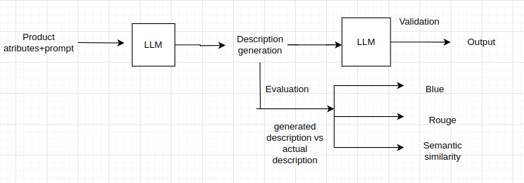
2.few-shot description generation using dynamic k-nearest neighbours | Objective: The section's objective is to create input/output examples for guiding the model. (we are not manually adding examples to a prompt. Instead, you are using a K-nearest neighbor (KNN) approach to dynamically find the most similar embeddings for a query or input. These similar embeddings, representing examples from training data, are then used to guide the model's responses without requiring manual input or hardcoding of examples.) 1.The first step involves generating an embedding for the query. 2.embeddings are generated for all the data in the training dataset. 3.Then identify the most similar embedding from the training data based on the query's embedding. 4 the product description/attributes associated with the most similar embedding is used as an example prompt in the input. 5.follow all steps of above langchain component:Retriever | 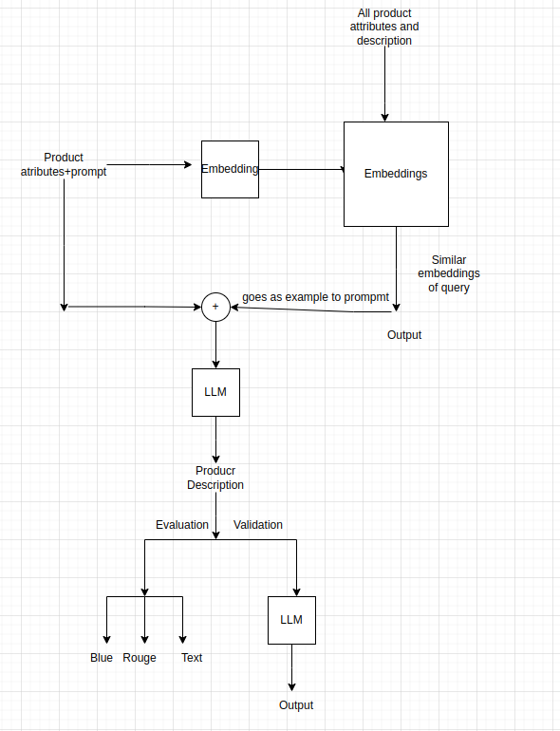
3.Fine-tuned zero-shot description generation validation & evaluation | Fine tunned on data and followed 1st method steps
4.few shot description generation validation & evaluation using fine-tuned models4. | Fine tunned on data and followed 2nd method steps

II. Product Description Generator From Image
Method1 | 1.Image Retrieval:start reading image from source 2.Image to Caption:generates the caption from image using ai model 3.Caption and prompt Combination: The caption generated for the image is combined with a predefined prompt. 4.Descrption Generation: The combined prompt (including the caption) is passed to a Large Language Model (LLM).

