Legend
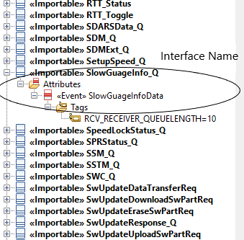
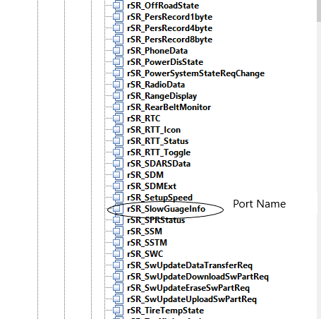
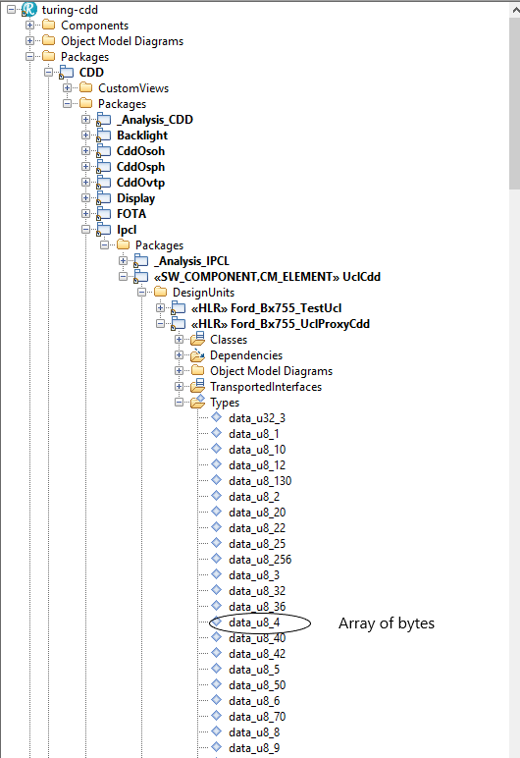
 | Coulmn |  | Value | Interpretation | Comment
 | General | Category | Platform; Program | - | The Category defines the particular message is Platform/Program
 |  | Feature Group | - | - | Defines the message belongs to which feature (Ex: Warnings, Telltale..)
 | UclMessageDeployment | Name | Ucl<Feature>Msg | - | Deployment name shall be V2D for VIP to GIP and D2V for GIP to VIP messages
 |  | Ucl ID | Auto Fill by DiCore Tool | - | Unique id for each deployment messages.
 |  | Direction | . D2V . V2D | D2V: Tx - GIP; Rx - VIP V2D: Tx = VIP; Rx = GIP | • ‘Direction’ column describes information transfer direction. Shall be V2D- VIP to SoC (Domain) OR D2V- SoC (Domain) to VIP…
 |  | Scheduling | • ‘Scheduling’ column can take value ‘OnChange’ or ‘OnWrite’ or ‘Periodic’ | - | OnWrite: • To be applied for event based data • All the UCL messages under the deployment shall be sent upon ‘onwrite’. On Change: • To be applied for event based data • Changed UCL messages under the deployment shall be sent by UCL Stack Periodicity: • This needs to be decided based on the processing rate, overall response/reaction time needed for the feature/use case of interest, synchronization needs, UCL bandwidth limits • For ‘OnChange’ or ‘OnWrite’ periodicity value to be considered as debounce value
 |  | Periodicity | • ‘Periodicity’ column takes a value | - | If Scheduling Attribute is Periodic, then this value is the periodicity in which the UCL message will be transmitted. If the Scheduling Attribute is OnChange, then this value is the minimum time duration that should be given before sending this message again, if there is a change. If the Scheduling Attribute is OnWrite, then this value is the minimum time duration that should be given before sending this message again.
 |  | Priority | • ‘Priority’ shall take a value ‘Critical’, ‘High’, ‘Medium’ and ‘Low’ | -
 |  | Security | . Unsecure . Authenticated . Encrypted | -
 |  | Timeout | msec | - | > +50ms of defined periodicity
 |  | Rx Queue |  | - | Queue: • To be updated based on the input rate at which the event shall come • Drop in UCL messages identified during testing shall determine the queue size as well • Queue shall be de-queued at the next opportunity when UCL task executes based on the periodicity
 |  | TX Status Notify | Check Box | - | If checked, generates hooks to send the transmit status notification of this message
 |  | Rx Missing Notify | Check Box | - | If checked, generates hooks to send the missing message notification of this message,it is not received within the provided timeout.
 | UclMessage (Interface) | Name | <example> | -
 | Source | Node | ‘Node’ can take a value ‘VIP’ or ‘DI’ or ‘IVI’ | -
 |  | Component | <example> | - | The messages are transmitted by this component
 | Destination | Node | ‘Node’ can take a value ‘VIP’ or ‘DI’ or ‘IVI’ | -
 |  | Component | <example> | - | The messages are received by this component
 | VMF | ID's | Group ID; Event ID | -
 | SOME/IP - GW | ID's | Service ID; Method ID; Msg Type; Gateway | -
 | Signal(Attributes in Interface) | Signal/Attribute Name | <example> | - | Number of character shall not be more than 31, tool doesn’t allow.
 |  | Type | Base type; Enum; Structure | - | Number of character shall not be more than 31, tool doesn’t allow. Enum literals shall not be more than 31, tool doesn’t allow.
 |  | Default value |  | -

 | Naming convention |  | Example
 | Message Deployment Name | Ucl<Feature>Msg | UclWarningDisplayMsg
 | Message Name | CamelCase | WarningDisplay
 | Message type | CamelCase | WarningDisplay
 | Signal Name | camelCase | warningId
 |  | camelCase[n] | dynData[4]
 | Component Name | CamelCase | WarnComponent

Example

 | Di Core Tool
 | Interface Name and Port Name will be same
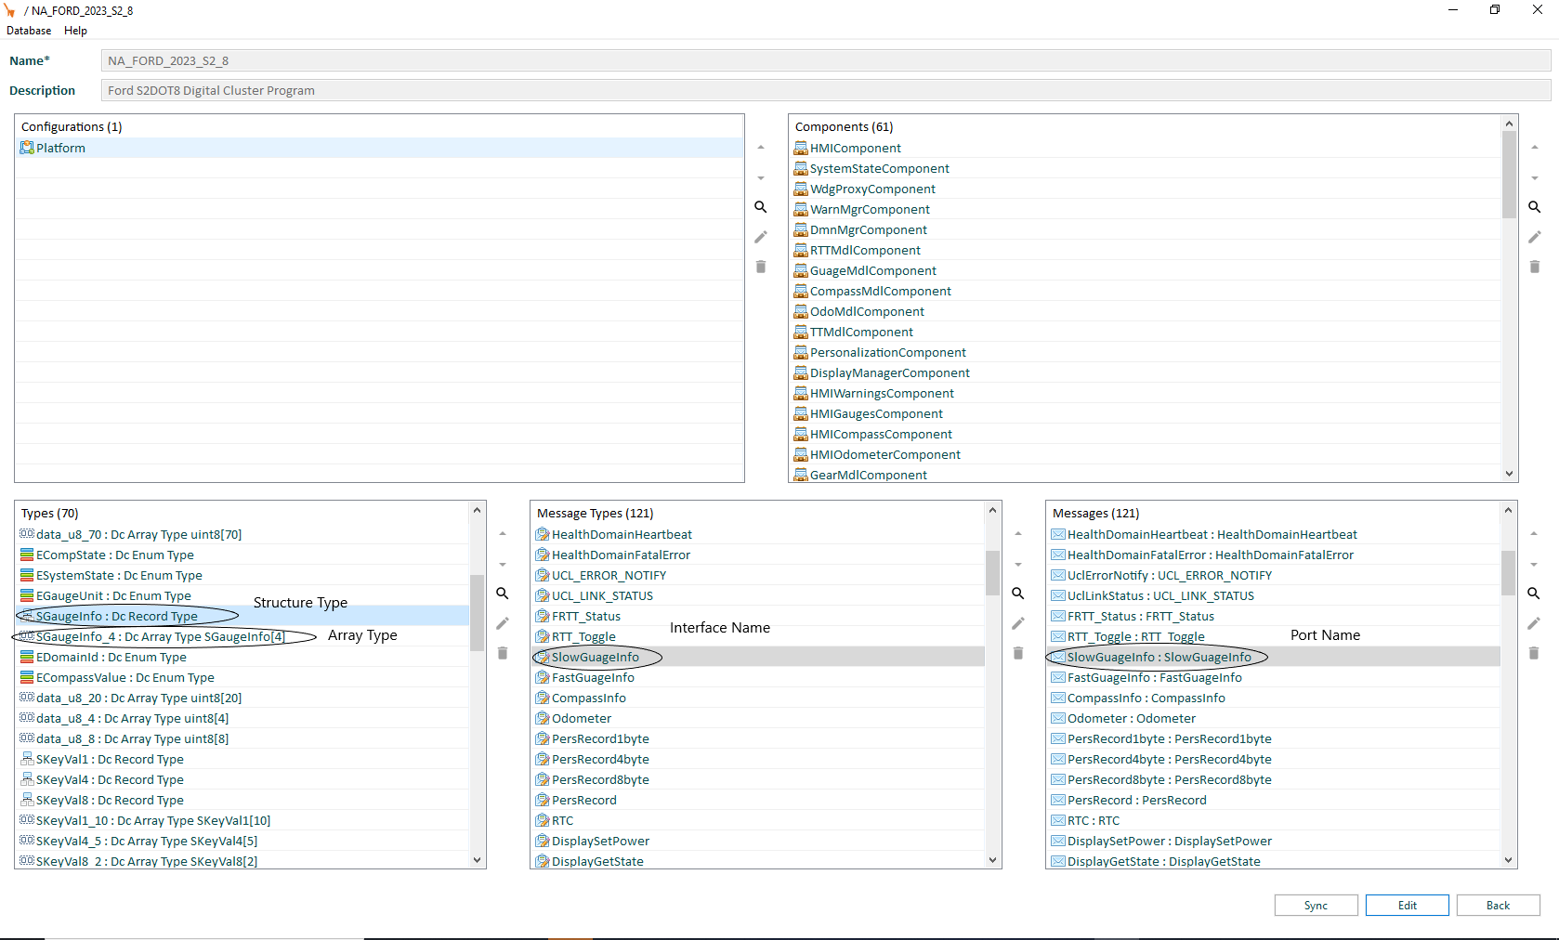

 | Naming an Array
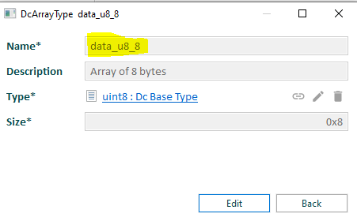

 | Naming an Structure
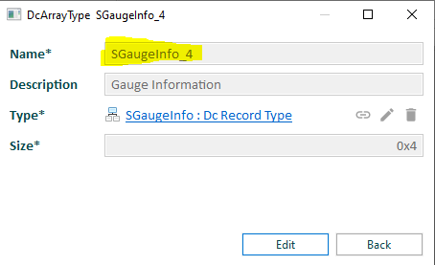

 | UML / Rhapsody Tool
 | 1) In the UML Design follow the DI Core semantics and create the Types, Interfaces and Ports under UCLProxyCdd. Note: Interfaces here will have <<TransportedInterface>> set.
 | 2) Based on the Applications scope, create the ports in respective Application Class and contract the interfaces from " UCLProxyCdd”.
 | 3) Array of structure is not supported it is done manually. Eg. It will be SlowGauge instead of SlowGauge_4
 | 4) Interface name will be followed by _Q if it is a Rx Queue

