Teensy Interface
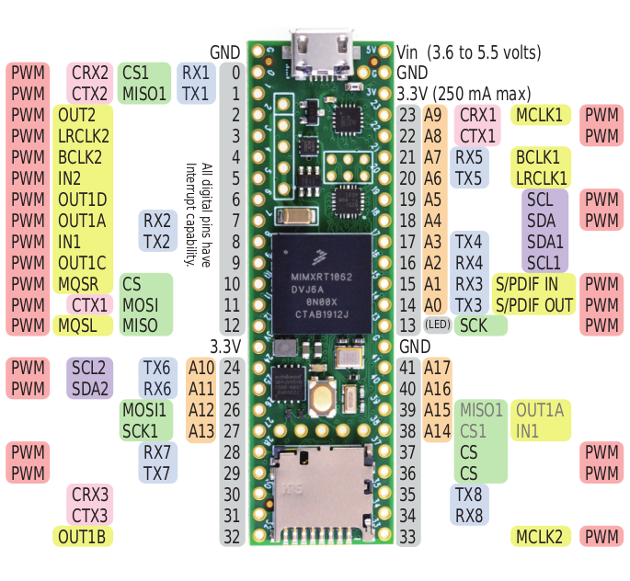
MCU PINOUT | CONNECTION | CONNECTION | MCU PINOUT
 | GND | VIN
AD_B0_03 | Telemetry Xbee RX | GND
AD_B0_02 | Telemetry Xbee TX | 3.3V
EMC_04 | Pyro CH1 | Not attributed | AD_B1_09
EMC_05 | Pyro CH2 | Not attributed | AD_B1_08
EMC_06 | Pyro CH3 | Reserve RX | AD_B1_11
EMC_08 | Servo 1 PWM | Reserve TX | AD_B1_10
B0_10 | Servo 2 PWM | BMO085 SCL | AD_B1_00
B1_01 | Servo 3 PWM | BMO085 SDA | AD_B1_01
B1_00 | Servo 4 PWM | ZOEM8 - INA260 - BMP390 SDA | AD_B1_06
B0_11 | Not attributed | ZOEM8 - INA260 - BMP390 SCL | AD_B1_07
B0_00 | Not attributed | Reserve RX | AD_B1_03
B0_02 | Not attributed | Reserve TX | AD_B1_02
B0_01 | Not attributed | Reserve LED | B0_03
 | 3.3V | GND
AD_B0_12 | ADXL375 SCL | Pyro 2 Test Continuity | AD_B1_05
AD_B0_13 | ADXL375 SDA | Pyro 1 Test Continuity | AD_B1_04
AD_B1_14 | IMU LED | Pyro 3 Test Continuity | AD_B1_13
AD_B1_15 | BMP 390 LED | Not attributed | AD_B1_12
EMC_32 | Camera RX | Not attributed | B1_03
EMC_31 | Camera TX | Not attributed | B1_02
EMC_37 | Not attributed | Reserve TX | B1_12
EMC_36 | Not attributed | Reserve RX | B1_13
B0_12 | GPS LED | ADXL375 LED | EMC_07

