Menu
User Management
Reporting

Tcode Unit Test

Role Management

Tcode Unit Test
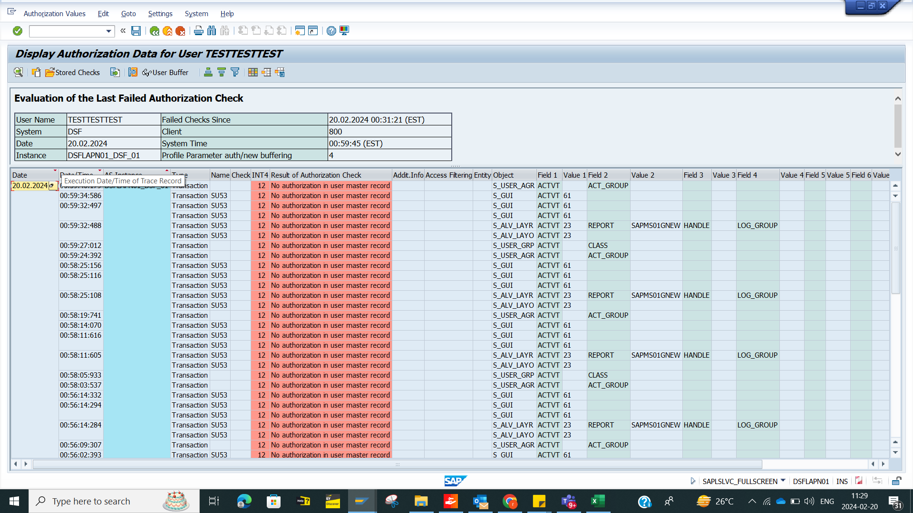
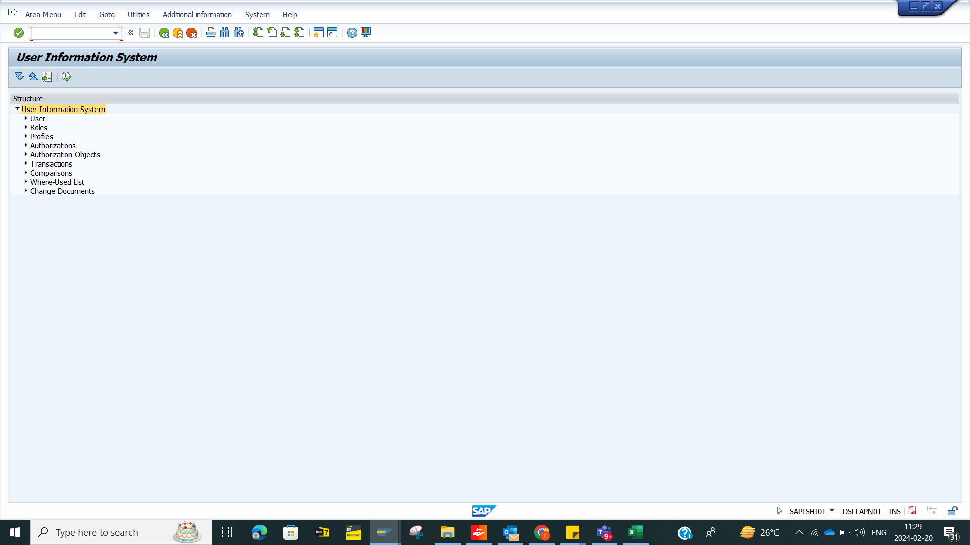
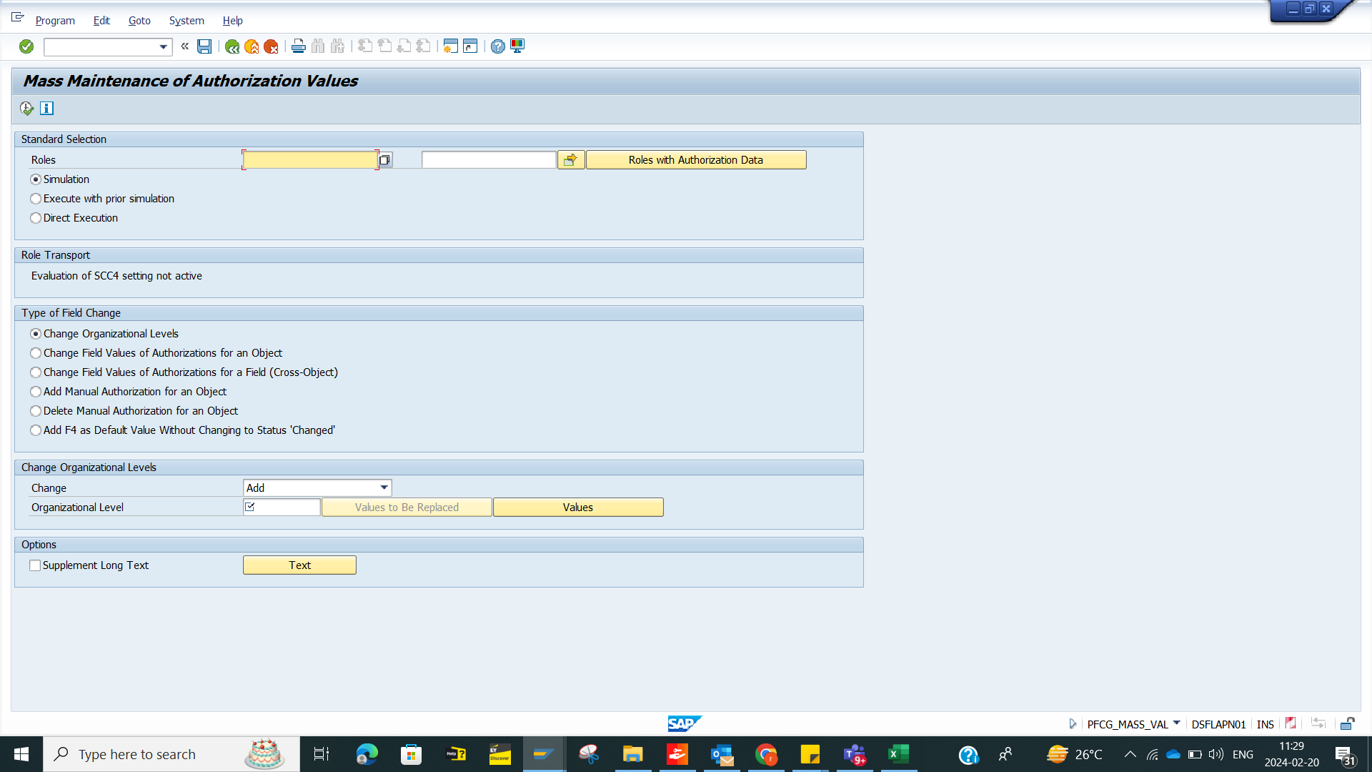
System | Client | User Id | Password | Transaction

