Sheet1
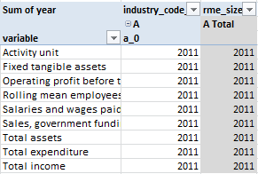
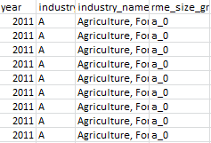
year | industry_code_ANZSIC | industry_name_ANZSIC | rme_size_grp | variable | value | unit
2011 | A | Agriculture, Forestry and Fishing | a_0 | Activity unit | 46134 | COUNT
2011 | A | Agriculture, Forestry and Fishing | a_0 | Rolling mean employees | 0 | COUNT
2011 | A | Agriculture, Forestry and Fishing | a_0 | Salaries and wages paid | 279 | DOLLARS(millions)
2011 | A | Agriculture, Forestry and Fishing | a_0 | Sales, government funding, grants and subsidies | 8187 | DOLLARS(millions)
2011 | A | Agriculture, Forestry and Fishing | a_0 | Total income | 8866 | DOLLARS(millions)
2011 | A | Agriculture, Forestry and Fishing | a_0 | Total expenditure | 7618 | DOLLARS(millions)
2011 | A | Agriculture, Forestry and Fishing | a_0 | Operating profit before tax | 770 | DOLLARS(millions)
2011 | A | Agriculture, Forestry and Fishing | a_0 | Total assets | 55700 | DOLLARS(millions)
2011 | A | Agriculture, Forestry and Fishing | a_0 | Fixed tangible assets | 32155 | DOLLARS(millions)

Sum of year | industry_code_ANZSIC | rme_size_grp |  | Sum of year | industry_code_ANZSIC | rme_size_grp | Sum of year | industry_code_ANZSIC | rme_size_grp
 | A | A Total |  |  | A | A Total |  | A | A Total
variable | a_0 |  |  | variable | a_0 |  | variable | a_0
Activity unit | 2011 | 2011 |  | Activity unit | 2011 | 2011 | Activity unit | 2011 | 2011
Fixed tangible assets | 2011 | 2011 |  | Fixed tangible assets | 2011 | 2011 | Fixed tangible assets | 2011 | 2011
Operating profit before tax | 2011 | 2011 |  | Operating profit before tax | 2011 | 2011 | Operating profit before tax | 2011 | 2011
Rolling mean employees | 2011 | 2011 |  | Rolling mean employees | 2011 | 2011 | Rolling mean employees | 2011 | 2011
Salaries and wages paid | 2011 | 2011 |  | Salaries and wages paid | 2011 | 2011 | Salaries and wages paid | 2011 | 2011
Sales, government funding, grants and subsidies | 2011 | 2011 |  | Sales, government funding, grants and subsidies | 2011 | 2011 | Sales, government funding, grants and subsidies | 2011 | 2011
Total assets | 2011 | 2011 |  | Total assets | 2011 | 2011 | Total assets | 2011 | 2011
Total expenditure | 2011 | 2011 |  | Total expenditure | 2011 | 2011 | Total expenditure | 2011 | 2011
Total income | 2011 | 2011 |  | Total income | 2011 | 2011 | Total income | 2011 | 2011

