Sheet1
AI Image Generator Bug Report(2023)
Defect ID | Summary | Decription / Steps to Reproduce | build/Release | Environment | Expected Result | Actual Result | Defect/ Enhancement | severity | Priority | status | Assigned to | Reported by | Date Reported | Screenshot
Defect 01 | "forgot password" functionality not working properly | 1. Open the URL https://ai-image-generator.uk.auth0.com 2. Click on forgot password 3. Enter the valid mail Id 4. Click on Continue Button | Beta version | 1. os:Windows 10, chrome Version 114.0.5735.199 (Official Build) (64-bit) 2.os:Windows 10, Firefox Version 115.0.2 3. os:Windows 10, Microsoft Edge Version 114.0.1823.86 (Official build) (64-bit) | Instruction to reset password should be received to the respected mail ID | Instruction to reset password not received to the respected mail ID | Defect | Critical | P1 | New | Developer | Sandhiya | 2023-07-18
Defect 02 | "scroll Bar" is not available to scroll down the webpage(only in chrome browser) But scroll available other browsers(Firefox,Microsoft Edge) | 1.Open URL 2.Click on login with valid userId and Password 3.Go to Galary tab | Beta version |  | Scroll bar should be availabe at theleftcorner of the page to scroll down to avail the use of all resources | Scroll bar not availabe at theleftcorner of the page to scroll down to avail the use of all resources | Defect | Major | P1 | New | Developer | Sandhiya | 2023-07-18 | 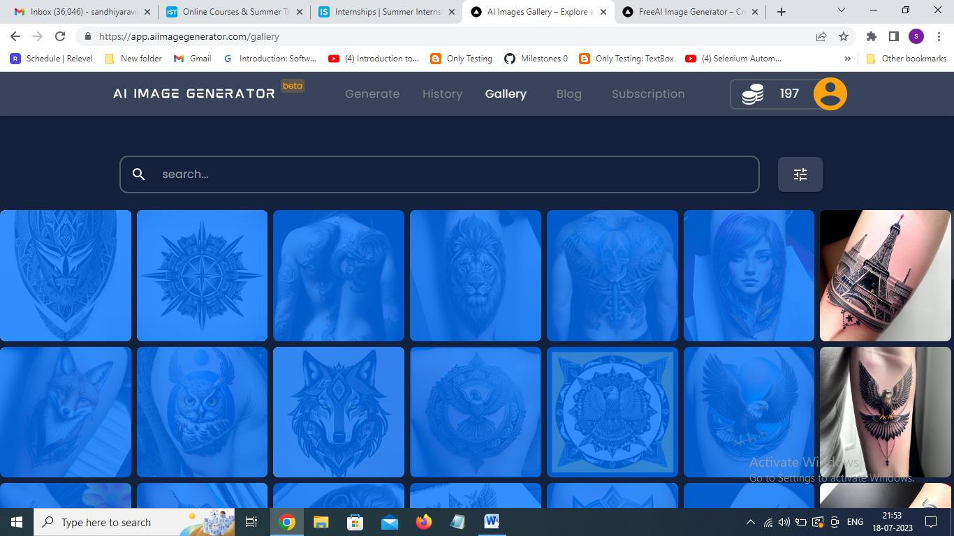
Defect 03 | "scroll Bar" is not available to scroll down the webpage(only in chrome browser) But scroll available other browsers(Firefox,Microsoft Edge) | 1.Open URL 2.Click on login with valid userId and Password 3.Go to Galary tab 4.Click on the filter 5.click AI Model | beta version | os:Windows 10, chome Version 114.0.5735.199 (Official Build) (64-bit) | Scroll bar should be availabe at theleftcorner of the menu to scroll down to avail the use of all resources | Scroll bar not availabe at theleftcorner of the menu to scroll down to avail the use of all resources | Defect | Major | P1 | New | Developer | Sandhiya | 2023-07-18 | 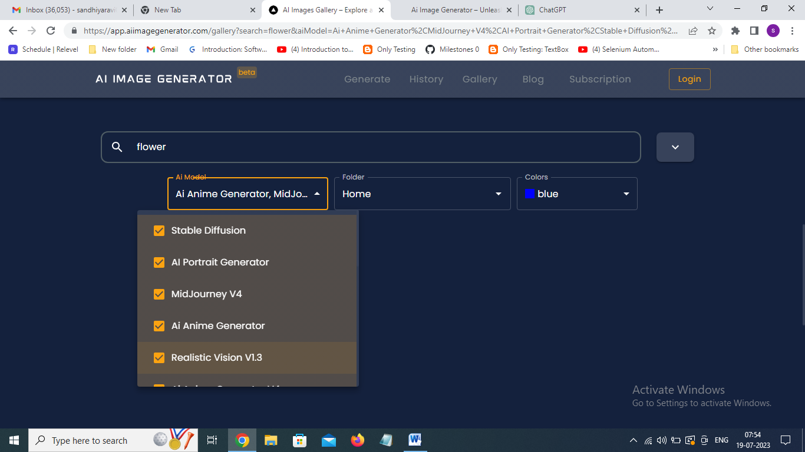
Defect 04 | Social media links like facebook,twitter, Instagram are not linked properly | 1.Open URL 2.Click on login with valid userId and Password 3.Click on Blog Tab 4.Scroll doen to the botteom of the Page 5. Click on the social Media Links(Facebook, Twitter, Instagram) | beta version | os:Windows 10, chome Version 114.0.5735.199 (Official Build) (64-bit) | By clicking on the links the page should be redirected to the social media page which is being associated with th link | By clicking on the links the page is not redirected to the social media page which is being associated with th link | Defect | Major | P2 | New | Developer | Sandhiya | 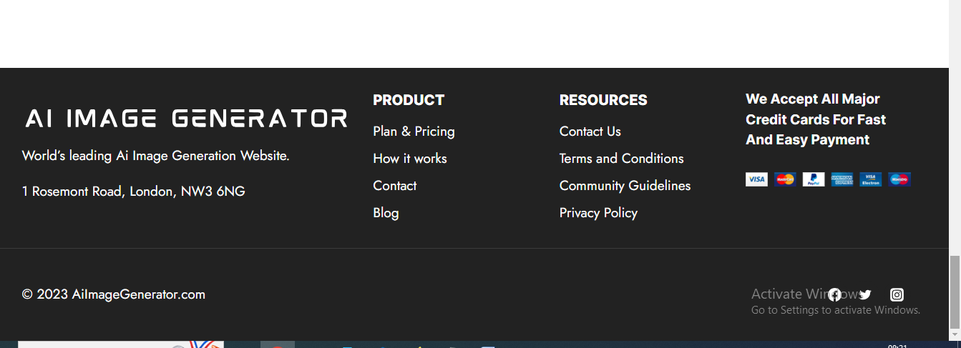 2023-07-18
Defect 05 | AI not generates image for jpeg file upload | 1.Open URL 2.Click on login with valid userId and Password 3.Click on Generate Tab 4. scroll down 5. Upload the image of size >8mb 6. click generate button | beta version | os:Windows 10, chome Version 114.0.5735.199 (Official Build) (64-bit) | AI should generate Image based on the requirement | Generate button is not active even after clicking and not generates Images as per requirement. | Defect | Major | P1 | New | Developer | Sandhiya | 2023-07-18 | 