SSIM Scores
 | Output
Step 1: Set Up Colab Environment

Step 2: Mount Google Drive, Verify, and Copy Dataset

Step 3: Load and Prepare Your Dataset

Step 4: Define Generator and Discriminator Models

Step 5: Define Loss Functions and Optimizers

Step 6: Training Function and Training Step

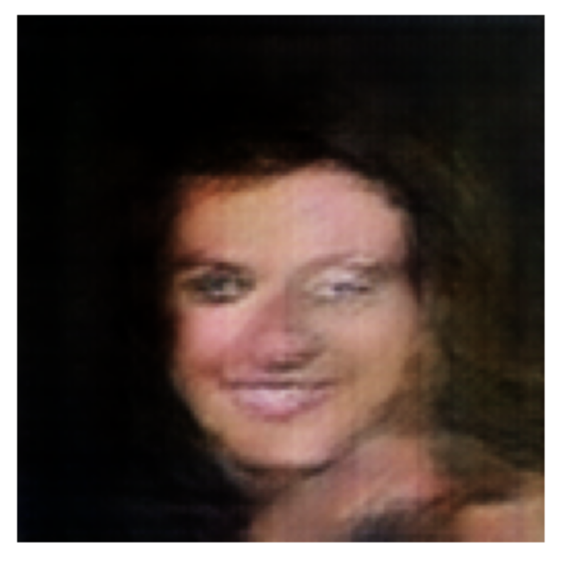
Step 7: Image Generation, Saving(epochs:1000)

Step 8: Training more to improve the image quality generated
(epochs: 2000)

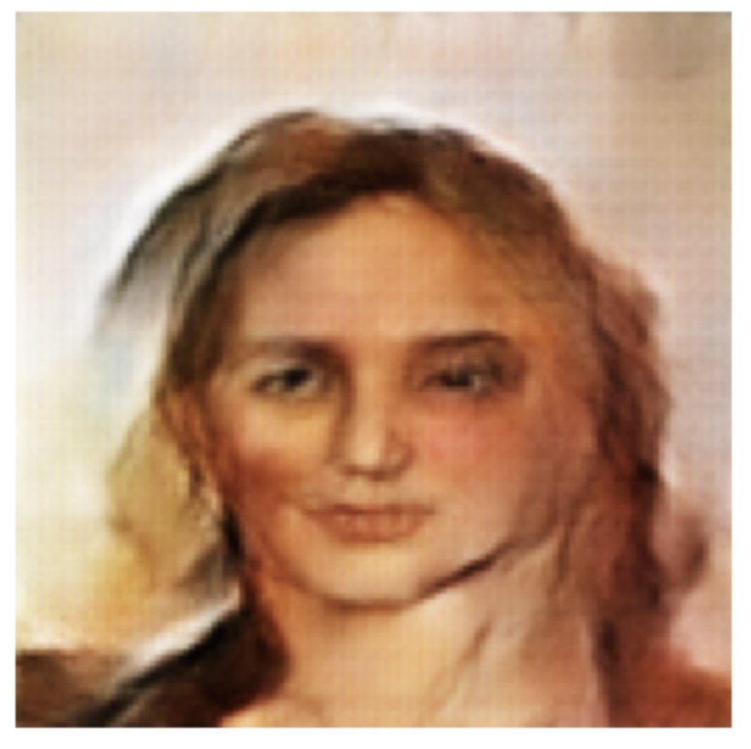

Step 9: Load Original and Generated Images


Step 10: Compute Similarity Metrics

Step 11: Face Similarity Evaluation with DeepFace

