Exploratory Scenarios
Exploratory Test Sheet : 40 Focused Scenarios

Test ID | Area | Priority | Scenario | Test Data | Steps | Expected Result | Actual Result | Status | Defect ID | Evidence
EXP-001 | Page & UI | High | Load the calculator page | Fresh browser session | 1. Open the application URL. 2. Wait for the page to finish loading. 3. Observe the page and console. | Page loads without a server error; the calculator form, heading and footer are visible and usable. | Page loads without a server error; the calculator form, heading and footer are visible and usable. | Pass
EXP-002 | Page & UI | Medium | Verify browser-tab title | Application loaded | 1. Read the browser-tab title. 2. Compare spelling with the application purpose. | Title is correctly spelled and clearly identifies the Factorial Calculator. | Browser-tab title displays “Factoriall” instead of “Factorial.” | Fail | BUG-001 | 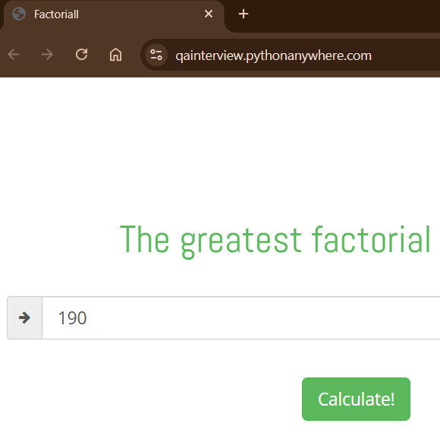
EXP-003 | Page & UI | Medium | Verify heading and instructional copy | Application loaded | 1. Read the main heading. 2. Read the input guidance and button text. 3. Check clarity and consistency. | Content is accurate, grammatically clear and consistently describes integer factorial calculation. | Content is accurate, grammatically clear and consistently describes integer factorial calculation. | Pass |  | 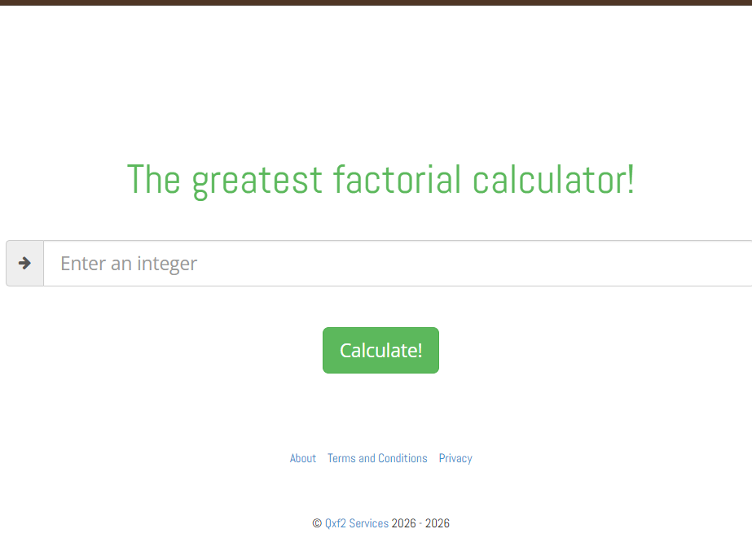
EXP-004 | Accessibility | Medium | Verify programmatic label for number input | DevTools Elements panel available | 1. Inspect the input element. 2. Check for an associated label, aria-label or aria-labelledby. 3. Confirm the accessible name. | Input has a persistent, programmatically associated and descriptive accessible name. | Actual result: The input has no programmatically associated label or ARIA accessible name. It relies solely on the placeholder “Enter an integer.” | Fail | BUG-002 | 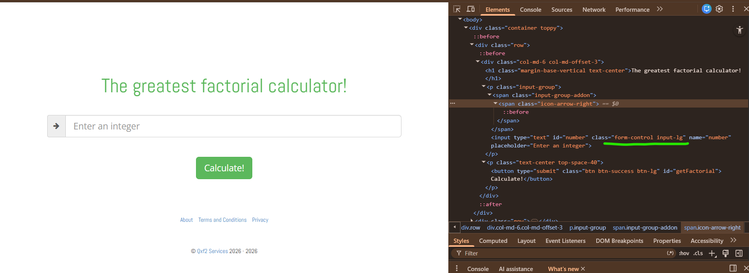
EXP-005 | Accessibility | Medium | Keyboard-only form operation | Application loaded; mouse not used | 1. Press Tab through interactive controls. 2. Confirm focus order and visible focus. 3. Enter 5. 4. Submit using keyboard. | Focus order is logical, focus is visible, and the calculation can be completed using only the keyboard. | Focus order is logical, focus is visible, and the calculation can be completed using only the keyboard. | Pass |  | 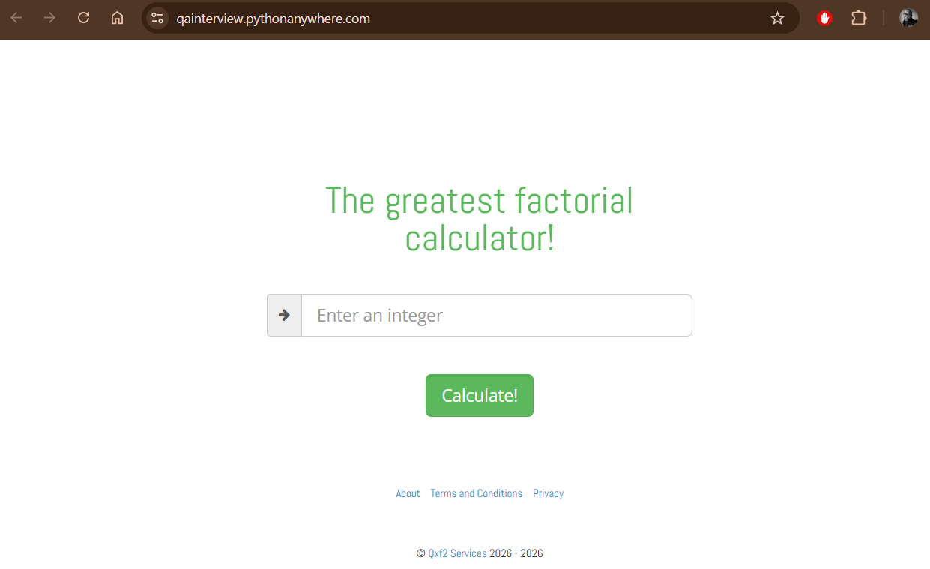 |  | 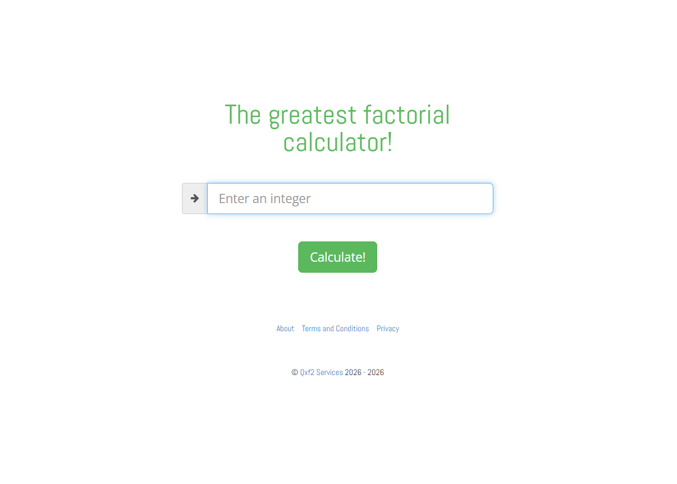
EXP-006 | Calculation | Critical | Calculate 0 factorial | 0 | 1. Enter 0. 2. Select Calculate. 3. Observe the result. | The application displays 0! = 1 without a validation error. | The application displays 0! = 1 without a validation error. | Pass |  | Video
EXP-007 | Calculation | High | Calculate 1 factorial | 1 | 1. Enter 1. 2. Select Calculate. 3. Observe the result. | The application displays 1! = 1. | The application displays 1! = 1. | Pass |  | Video
EXP-008 | Calculation | High | Calculate a small valid integer | 5 | 1. Enter 5. 2. Select Calculate. 3. Observe the result. | The application displays 5! = 120. | The application displays 5! = 120. | Pass |  | Video
EXP-009 | Calculation | High | Calculate a two-digit valid integer | 10 | 1. Enter 10. 2. Select Calculate. 3. Observe the result. | The application displays 10! = 3628800 accurately. | The application displays 10! = 3628800 accurately. | Pass |  | Video
MAND-02 | Mandatory | Critical | Calculate factorial of 12 | 12 | 1. Enter 12. 2. Select Calculate. 3. Wait for the result. 4. Compare the exact value. | The application displays exactly 12! = 479001600 and no validation error. | The application displays exactly 12! = 479001600 and no validation error. | Pass |  | Video
EXP-011 | Calculation | High | Repeat the same valid calculation | 5, submitted twice | 1. Calculate 5!. 2. Submit 5 again. 3. Compare both outcomes. | Repeated submissions produce the same correct result without duplicate or stale messages. | Repeated submissions produce the same correct result without duplicate or stale messages. | Pass |  | Video
EXP-012 | Calculation | High | Calculate two different values sequentially | 5 followed by 6 | 1. Calculate 5!. 2. Replace the input with 6. 3. Calculate again. | The first result is replaced by the correct result 6! = 720; no stale value remains. | The first result is replaced by the correct result 6! = 720; no stale value remains. | Pass |  | Video
EXP-013 | Validation | High | Submit an empty input | Empty | 1. Clear the input. 2. Select Calculate. 3. Observe UI and network activity. | Submission is prevented or rejected with a clear integer-required message; no calculation request is sent with an empty value. | Submission is prevented or rejected with a clear integer-required message; no calculation request is sent with an empty value. | Pass |  | Video
EXP-014 | Validation | High | Submit whitespace only | Three spaces | 1. Enter spaces only. 2. Select Calculate. 3. Observe validation and request behaviour. | Whitespace is treated as empty/invalid, a clear message appears, and no invalid calculation is returned. | Whitespace is treated as empty/invalid, a clear message appears, and no invalid calculation is returned. | Pass |  | 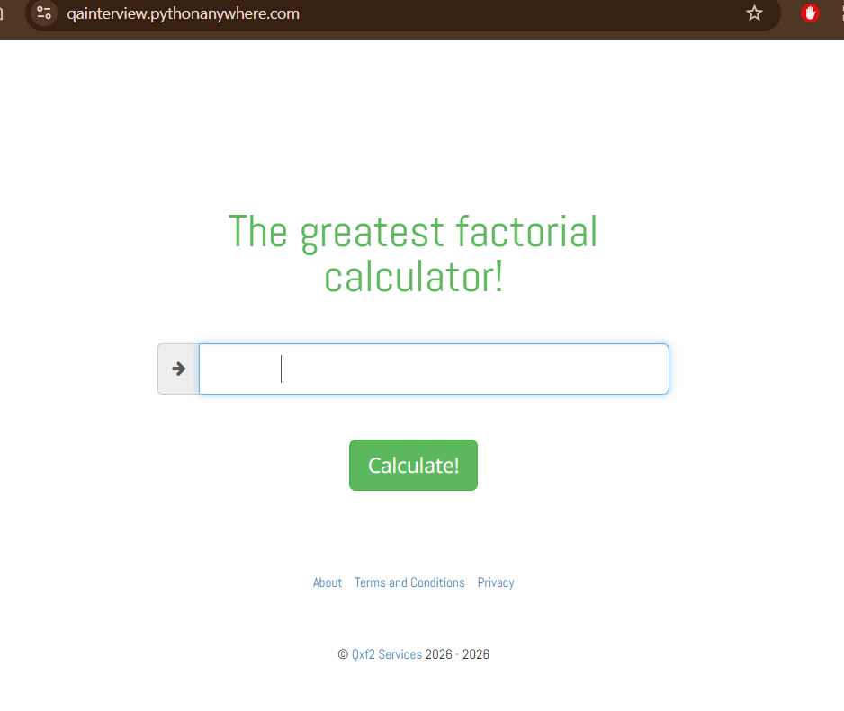 | 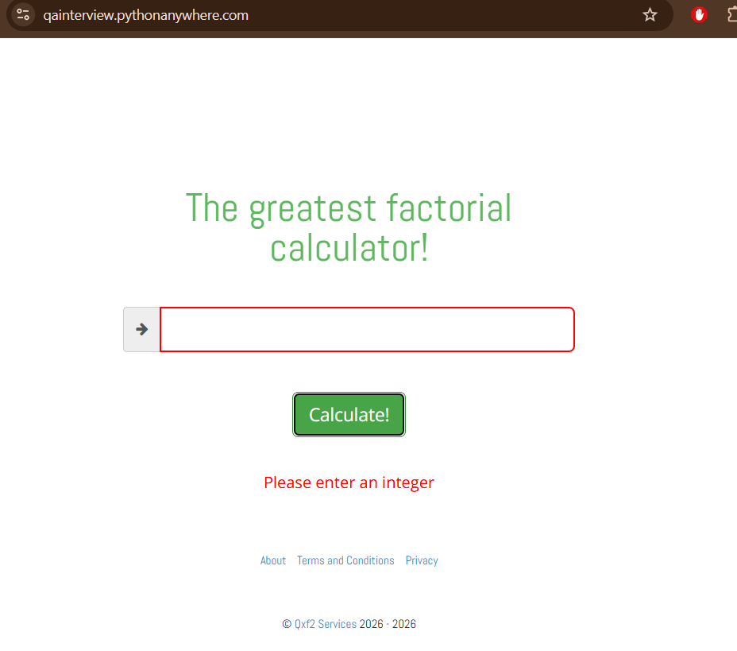 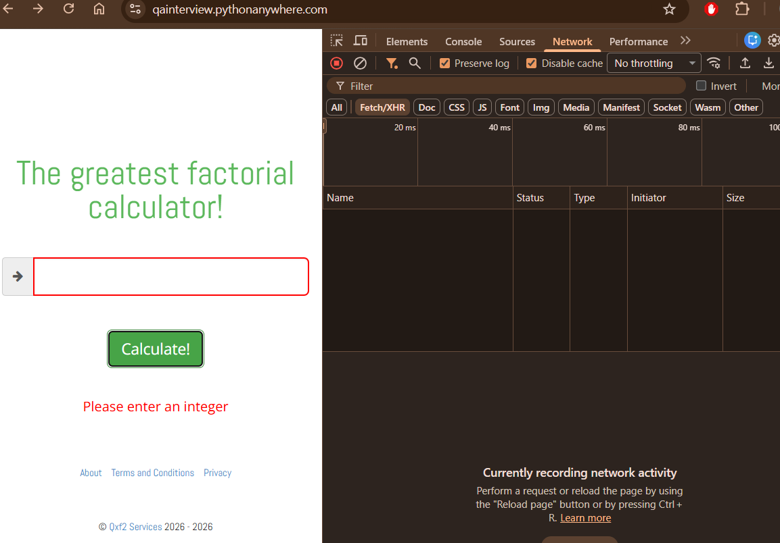
EXP-015 | Validation | High | Submit alphabetic input | abc | 1. Enter abc. 2. Select Calculate. 3. Observe the response. | Alphabetic input is rejected with a clear validation message and no factorial result. | Alphabetic input is rejected with a clear validation message and no factorial result. | Pass |  | Video
EXP-016 | Validation | High | Submit alphanumeric input | 12abc | 1. Enter 12abc. 2. Select Calculate. 3. Observe the response. | Mixed alphanumeric input is rejected; it is not partially parsed as 12. | Mixed alphanumeric input is rejected; it is not partially parsed as 12. | Pass |  | Video
EXP-017 | Validation | Critical | Submit a negative integer | -1 | 1. Enter -1. 2. Select Calculate. 3. Observe validation, result and response. | Negative input is rejected because factorial is not defined for negative integers in this calculator context. | Negative input is rejected because factorial is not defined for negative integers in this calculator context. | Pass |  | Video
EXP-018 | Validation | High | Submit a decimal number | 3.5 | 1. Enter 3.5. 2. Select Calculate. 3. Observe the response. | Decimal input is rejected with a clear integer-only validation message. | Decimal input is rejected with a clear integer-only validation message. | Pass |  | Video
EXP-019 | Validation | High | Submit special characters | @#$ | 1. Enter @#$. 2. Select Calculate. 3. Observe the response. | Special characters are rejected safely; no server error or executable output occurs. | Special characters are rejected safely; no server error or executable output occurs. | Pass |  | Video
EXP-020 | Validation | Medium | Submit scientific notation | 1e3 | 1. Enter 1c3. 2. Select Calculate. 3. Observe interpretation. | Input is rejected unless scientific notation is explicitly supported and safely within the documented range; it must not be misinterpreted. | Input is rejected unless scientific notation is explicitly supported and safely within the documented range; it must not be misinterpreted. | Pass |  | Video
EXP-021 | Validation | Medium | Submit an explicitly positive integer | +5 | 1. Enter +5. 2. Select Calculate. 3. Observe interpretation. | The application handles the value consistently with its integer-input rules, without a server error or ambiguous result. | The application handles the value consistently with its integer-input rules, without a server error or ambiguous result. | Pass |  | Video
EXP-022 | Validation | Medium | Submit an integer with leading zeros | 0005 | 1. Enter 0005. 2. Select Calculate. 3. Observe the result and displayed value. | Input is safely interpreted as integer 5 and returns 120, or a clear validation rule explains rejection. | Input is safely interpreted as integer 5 and returns 120, or a clear validation rule explains rejection. | Pass |  | Video
EXP-023 | Validation | Medium | Submit valid input with surrounding spaces | 5 | 1. Paste a 5 with leading/trailing spaces. 2. Select Calculate. 3. Observe handling. | Whitespace is trimmed and 120 is returned, or the user receives a clear validation message; no incorrect value/server error occurs. | Whitespace is trimmed and 120 is returned, or the user receives a clear validation message; no incorrect value/server error occurs. | Pass |  | Video
EXP-024 | Boundary | Critical | Probe the supported upper boundary | Incrementally test 50, 100, 170 and nearby values | 1. Test progressively larger integers. 2. Stop if performance or stability degrades. 3. Record the last correct result and first rejected/incorrect result. | The application either returns mathematically accurate values within its supported range or clearly rejects values beyond a defined limit without crashing. | The application either returns mathematically accurate values within its supported range or clearly rejects values beyond a defined limit without crashing. | Pass |  | Video
EXP-025 | Boundary | Critical | Submit an extremely large integer | A controlled 100–300 digit integer | 1. Paste the value. 2. Submit once. 3. Observe responsiveness, response and error handling. | The application rejects excessive input promptly and gracefully; UI and service remain responsive. | The application rejects excessive input promptly and gracefully; UI and service remain responsive. | Pass |  | Video
EXP-026 | Security & Validation | High | Submit an HTML/script-like string | <script>alert(1)</script> | 1. Paste the string. 2. Submit. 3. Inspect rendered output and console. | Input is rejected or safely encoded; no script executes and no raw unsafe HTML is injected. | Input is rejected or safely encoded; no script executes and no raw unsafe HTML is injected. | Pass |  | Video
EXP-027 | Security & Validation | Medium | Submit a SQL-like string | ' OR 1=1 -- | 1. Paste the string. 2. Submit. 3. Observe UI and response. | Input is safely rejected; no internal error, data disclosure or abnormal behaviour occurs. | Input is safely rejected; no internal error, data disclosure or abnormal behaviour occurs. | Pass |  | Video
MAND-01 | Mandatory | Critical | Verify invalid form-validation styling | abc, then 5 | 1. Enter abc and submit. 2. Inspect error text, CSS class/computed styles and accessibility attributes. 3. Replace with 5 and submit. 4. Confirm invalid styling clears. | Invalid state is visually clear and accessible; error styling is applied consistently and removed after valid correction. |  | Pass |  | Video
EXP-029 | Validation | High | Correct invalid input after an error | abc followed by 5 | 1. Trigger an invalid-input error with abc. 2. Replace it with 5. 3. Calculate again. | The old error clears and the correct result 120 is displayed without needing a refresh. |  | Pass |  | Video
EXP-030 | Links | High | Verify About link | Select About | 1. Record the link href. 2. Open the link. 3. Verify destination, status and relevance. 4. Return to calculator. | About opens the intended working page and does not lose calculator availability unexpectedly. |  | Pass |  | Video
EXP-031 | Links | High | Verify Terms and Conditions link | Select Terms and Conditions | 1. Record the href. 2. Open the link. 3. Verify page heading/content and URL. | The link opens the Terms and Conditions page at the correct route. | The link opens the privacy page | Fail | BUG-003 | Video
EXP-032 | Links | High | Verify Privacy link | Select Privacy | 1. Record the href. 2. Open the link. 3. Verify page heading/content and URL. | The link opens the Privacy page at the correct route. | The link opens the terms page. | Fail | BUG-004 | Video
EXP-033 | Links | Medium | Verify external Qxf2 Services link | Select Qxf2 Services | 1. Record href and target behaviour. 2. Open the link. 3. Verify destination and transport security. | The external link opens the intended legitimate destination successfully and uses an appropriate secure URL. |  | Pass |  | Video
EXP-034 | Page & UI | Low | Verify copyright text | Footer copyright | 1. Read the copyright owner and year/range. 2. Check for duplication, stale year or formatting errors. | Copyright is current, correctly formatted and identifies the owner without a redundant range. | The footer displays the redundant copyright range “© Qxf2 Services 2026 - 2026.” DOM inspection confirms that both sides of the range are dynamically populated with the current year. The linked Qxf2 website instead displays “© Qxf2 Services 2013 - 2026.” | Fail | BUG-005 | Video
MAND-03 | Mandatory | Critical | Verify factorial request method, endpoint, headers and parameter | 12 | 1. Open DevTools Network and preserve log. 2. Enter 12. 3. Submit. 4. Inspect the calculation request. 5. Record method, endpoint, content type, relevant headers, parameter name/value, response status and body. | A single well-formed request sends the integer using the intended parameter and encoding; headers are appropriate; response is successful and corresponds to 12!. | One XHR request was generated when Calculate was selected. A POST request was sent to https://qainterview.pythonanywhere.com/factorial with the content type application/x-www-form-urlencoded; charset=UTF-8. The form-data parameter was number=12. The server returned 200 OK with an application/json response containing {"answer":479001600}, and the UI displayed the correct result, 479001600. | Pass |  | Video
EXP-036 | API & Reliability | High | Verify invalid input request handling | abc | 1. Preserve Network log. 2. Submit abc. 3. Determine whether a request is sent. 4. Inspect any response status and body. | Invalid input is blocked client-side or rejected with a controlled 4xx-style response; no 5xx error or sensitive internal details are exposed. | The alphabetic value abc was rejected through client-side validation. The input displayed a red invalid-state border and the message “Please enter an integer.” No factorial XHR request was sent, no backend error response occurred, and no internal server information was exposed. | Pass |  | Video
EXP-037 | Reliability | Medium | Rapid repeated submission | 5; activate Calculate several times quickly | 1. Enter 5. 2. Activate Calculate rapidly 3–5 times. 3. Observe requests, result and UI state. | Application remains stable, shows one consistent result and avoids harmful duplicate processing or unhandled errors. | The Calculate button was activated five times rapidly for the input 5. Five corresponding factorial XHR requests were generated, and all returned HTTP 200. The application remained responsive and displayed one consistent, mathematically correct result: 120. No conflicting result or unhandled error occurred. | Pass |  | Video
EXP-038 | Compatibility | Medium | Responsive layout and zoom | Desktop, narrow viewport, 200% zoom | 1. Check desktop layout. 2. Resize to a narrow mobile-like viewport. 3. Check at 200% browser zoom. 4. Inspect form, result and footer. | Content remains readable and operable with no clipping, overlap or horizontal obstruction at supported viewport/zoom levels. | Content remains readable and operable with no clipping, overlap or horizontal obstruction at supported viewport/zoom levels. | Pass |  | Video
EXP-039 | Reliability | Medium | Refresh and browser navigation behaviour | Completed 5! calculation | 1. Calculate 5!. 2. Refresh. 3. Use Back and Forward after visiting a footer page. 4. Observe state and errors. | Refresh and browser navigation do not produce errors or misleading stale state; returning to the calculator leaves it usable. | Refresh and browser navigation do not produce errors or misleading stale state; returning to the calculator leaves it usable. | Pass |  | Video

