Payment_3.1_Flow1
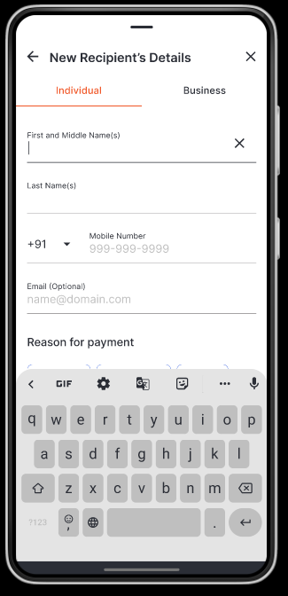
first_name | full_name | email | phone
Keagan | Randal Little | randal_little@gmail.com | +91 702-300-2229
Tina | Leda Tromp | leda_tromp52@yahoo.com | +91 597-508-8468
Freida | Casimer Spencer | casimer_spencer72@gmail.com | +91 598-089-8451
Hope | Larue Rice | larue16@hotmail.com | +91 814-199-7276
Camilla | Shanelle Jakubowski | shanelle.jakubowski69@gmail.com | +91 868-696-0687
Marilyne | Gerry Windler | gerry.windler@gmail.com | +91 149-224-9732
Lydia | Chandler Runolfsdottir | chandler83@hotmail.com | +91 669-111-6047
Rosemarie | Marshall Conroy | marshall_conroy86@yahoo.com | +91 824-382-5035
Danyka | Nathan Botsford | nathan66@hotmail.com | +91 170-939-6084
Dale | Gwendolyn Towne | gwendolyn.towne84@gmail.com | +91 385-455-9223
Lottie | Rigoberto Hayes | rigoberto.hayes69@yahoo.com | +91 672-107-7157
Declan | Casey Altenwerth | casey.altenwerth@yahoo.com | +91 429-978-2408
Mario | Savanna Schuster | savanna.schuster28@hotmail.com | +91 252-039-6120
Gene | Brennan Metz | brennan14@gmail.com | +91 203-334-8766
Collin | Bernhard Heller | bernhard_heller56@gmail.com | +91 239-082-2920
Norris | Madalyn Jakubowski | madalyn53@hotmail.com | +91 752-792-2820
Arvilla | Nettie Baumbach | nettie_baumbach@gmail.com | +91 042-164-1317
Donny | Hillard Schowalter | hillard_schowalter@gmail.com | +91 332-898-6420
Paul | Uriah Fadel | uriah.fadel@yahoo.com | +91 135-215-2160
Maiya | Keanu Stiedemann | keanu81@gmail.com | +91 020-900-1794
Marjolaine | Hilton Yundt | hilton74@hotmail.com | +91 659-784-0989
Juwan | Wade White | wade_white@hotmail.com | +91 134-016-1657
Erika | Ofelia Sauer | ofelia59@yahoo.com | +91 800-971-0018
Clovis | Lorenzo Schowalter | lorenzo26@yahoo.com | +91 248-797-9802
Cruz | Clair Gorczany | clair_gorczany5@yahoo.com | +91 434-727-6301
Nicolas | Jayne Heathcote | jayne_heathcote34@gmail.com | +91 451-151-0477
Ellen | Ernie Lehner | ernie72@gmail.com | +91 505-711-5749
Damon | Danyka Kutch | danyka20@gmail.com | +91 968-813-5421
Willy | Reanna Huels | reanna.huels@gmail.com | +91 621-339-1978
Wanda | Shaun Wuckert | shaun62@yahoo.com | +91 466-396-5189
Elody | Fritz Bergstrom | fritz_bergstrom29@hotmail.com | +91 235-018-4002
Madonna | Arnaldo Douglas | arnaldo.douglas84@hotmail.com | +91 966-844-2351
Anderson | Keaton Maggio | keaton.maggio66@yahoo.com | +91 890-815-3938
Maye | Rashad Legros | rashad.legros@yahoo.com | +91 872-040-2751
Karelle | Marina Connelly | marina98@yahoo.com | +91 639-405-1495
Jordan | Margot Becker | margot_becker@yahoo.com | +91 615-795-9065
Sanford | Herbert Durgan | herbert_durgan22@gmail.com | +91 698-902-6126
Javier | Jeremie Shanahan | jeremie.shanahan@hotmail.com | +91 576-494-0563
Asa | Hazel Collier | hazel33@yahoo.com | +91 726-368-2254
Aurore | Axel Franey | axel.franey3@hotmail.com | +91 578-442-1929
Helena | Velva Will | velva50@hotmail.com | +91 261-891-6977
Lois | Pascale Raynor | pascale.raynor@yahoo.com | +91 255-298-3438
Carolina | Murphy Blanda | murphy51@hotmail.com | +91 066-206-1450
Manuel | Dorris Dibbert | dorris33@hotmail.com | +91 435-216-7699
Pansy | Valentina Erdman | valentina28@yahoo.com | +91 673-470-4288
Evie | Josiah Grant | josiah_grant@yahoo.com | +91 412-363-5918
Marcos | Katrina Champlin | katrina_champlin37@hotmail.com | +91 858-159-5825
Corine | Tristian Klocko | tristian_klocko46@hotmail.com | +91 904-052-6755
Ima | Montana Jacobs | montana_jacobs68@gmail.com | +91 834-931-2748
Rey | Hilario Welch | hilario_welch29@hotmail.com | +91 460-826-6170

Paymemt_3.1_Flow4
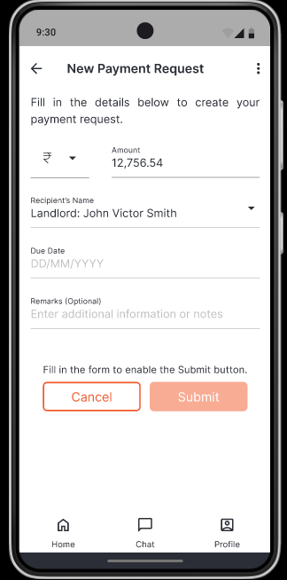
currency | date | constant
INR 9072056 | 13/02/2025 | paid payment
INR 8399214 | 22/02/2029 | paid payment
INR 9026531 | 24/03/2006 | paid payment
INR 3688017 | 30/09/2007 | paid payment
INR 9720458 | 05/03/2023 | paid payment
INR 4618678 | 28/06/2008 | paid payment
INR 4693256 | 21/03/2003 | paid payment
INR 235755 | 10/01/2025 | paid payment
INR 7199014 | 10/12/2027 | paid payment
INR 2773942 | 02/08/2025 | paid payment
INR 6008399 | 23/06/2020 | paid payment
INR 6824005 | 29/06/2019 | paid payment
INR 3957322 | 12/09/2024 | paid payment
INR 2930955 | 14/11/2004 | paid payment
INR 3922389 | 17/03/2025 | paid payment
INR 8035463 | 03/02/2018 | paid payment
INR 1146330 | 28/03/2028 | paid payment
INR 4203676 | 16/09/2012 | paid payment
INR 7740947 | 15/11/2025 | paid payment
INR 307427 | 15/02/2027 | paid payment
INR 4146585 | 13/10/2015 | paid payment
INR 3081236 | 18/05/2012 | paid payment
INR 6899882 | 17/09/2029 | paid payment
INR 4080145 | 20/10/2029 | paid payment
INR 6512670 | 25/02/2028 | paid payment
INR 5042512 | 09/09/2004 | paid payment
INR 1164667 | 05/12/2026 | paid payment
INR 634560 | 16/04/2015 | paid payment
INR 3339722 | 27/01/2021 | paid payment
INR 1010815 | 31/08/2010 | paid payment
INR 8639566 | 24/10/2001 | paid payment
INR 6878192 | 30/09/2012 | paid payment
INR 3838006 | 23/08/2020 | paid payment
INR 3691745 | 16/07/2001 | paid payment
INR 8867121 | 01/04/2026 | paid payment
INR 3736818 | 26/03/2003 | paid payment
INR 3328584 | 20/11/2029 | paid payment
INR 1270957 | 27/08/2018 | paid payment
INR 6598674 | 14/06/2000 | paid payment
INR 9494228 | 11/07/2002 | paid payment
INR 2286265 | 11/07/2022 | paid payment
INR 4628893 | 18/06/2013 | paid payment
INR 6855148 | 12/12/2005 | paid payment
INR 9435984 | 26/05/2026 | paid payment
INR 8826839 | 13/11/2004 | paid payment
INR 1737416 | 10/01/2005 | paid payment
INR 3886673 | 27/02/2004 | paid payment
INR 3285756 | 23/08/2013 | paid payment
INR 9095893 | 06/09/2004 | paid payment
INR 1007062 | 30/08/2000 | paid payment

Payment_3.1_Flow5
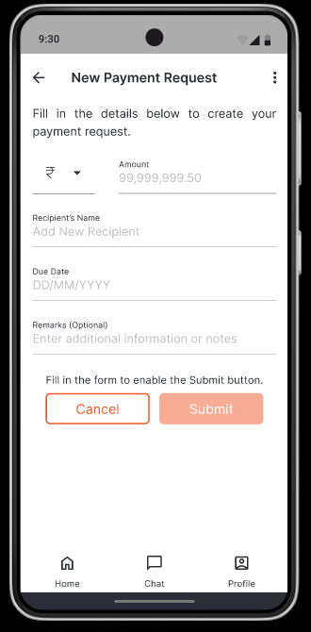

currency | full_name | date | constant
INR 2801153 | Antonina Shields | 30/03/2024 | Remarks
INR 3752361 | Cameron Champlin | 12/05/2001 | Remarks
INR 8457927 | Valentin Dickinson | 19/07/2021 | Remarks
INR 9087435 | Conrad Lindgren | 05/06/2014 | Remarks
INR 8270556 | Reagan O'Conner | 04/08/2025 | Remarks
INR 8311238 | Myrtis Hartmann | 04/09/2019 | Remarks
INR 9388499 | Adolf Lakin | 20/11/2019 | Remarks
INR 5890870 | Haylee Howell | 27/06/2007 | Remarks
INR 2443109 | Holly Williamson | 28/06/2011 | Remarks
INR 9941468 | Clement Denesik | 24/02/2022 | Remarks
INR 5593535 | Francesca Sauer | 19/11/2016 | Remarks
INR 1449349 | Vidal D'Amore | 02/01/2024 | Remarks
INR 991954 | Gracie Legros | 08/05/2012 | Remarks
INR 5714212 | Andrew Ratke | 03/05/2026 | Remarks
INR 2945922 | Christiana Walker | 21/12/2027 | Remarks
INR 1124503 | Dawn Friesen | 30/09/2000 | Remarks
INR 6658636 | Salma Bergstrom | 30/04/2026 | Remarks
INR 3454850 | Damien Lemke | 01/01/2016 | Remarks
INR 8731388 | Elisa Hilll | 17/11/2022 | Remarks
INR 7269857 | Shirley Dicki | 16/07/2025 | Remarks
INR 597758 | Bryana Dietrich | 10/03/2016 | Remarks
INR 2504102 | Rosalyn Senger | 08/06/2009 | Remarks
INR 5667616 | Sammie O'Connell | 17/07/2012 | Remarks
INR 6231702 | Josianne Davis | 05/09/2023 | Remarks
INR 435090 | Nelle Bergnaum | 17/04/2005 | Remarks
INR 6609940 | Celestino Bashirian | 22/11/2019 | Remarks
INR 7903312 | Rod Morissette | 28/07/2005 | Remarks
INR 8864957 | Jalon D'Amore | 17/07/2029 | Remarks
INR 3672827 | Murl Reinger | 16/04/2026 | Remarks
INR 4512374 | Carolanne Davis | 11/10/2017 | Remarks
INR 4874248 | Mayra Abshire | 13/03/2013 | Remarks
INR 146780 | Alexane Cummerata | 12/08/2013 | Remarks
INR 9044000 | Oliver McKenzie | 03/05/2016 | Remarks
INR 6749973 | Jensen Fritsch | 04/02/2029 | Remarks
INR 3827603 | Maximo Witting | 14/12/2014 | Remarks
INR 4264815 | Rickey Hand | 29/10/2000 | Remarks
INR 1553415 | Flo Hirthe | 16/02/2027 | Remarks
INR 869325 | Eloise Frami | 25/10/2023 | Remarks
INR 3718853 | Waylon Haag | 13/02/2004 | Remarks
INR 5316992 | Tremaine Nicolas | 06/03/2003 | Remarks
INR 819416 | Leta Prosacco | 09/04/2018 | Remarks
INR 3114985 | Abby O'Kon | 01/12/2027 | Remarks
INR 3737961 | Erna Lockman | 27/09/2025 | Remarks
INR 518658 | Wayne Ritchie | 14/03/2020 | Remarks
INR 8999823 | Luella Rempel | 01/10/2023 | Remarks
INR 7623448 | Marianna Blanda | 27/10/2027 | Remarks
INR 4805930 | Shana Steuber | 10/05/2020 | Remarks
INR 4436522 | Elenor Greenfelder | 28/06/2006 | Remarks
INR 896983 | Orland Gutkowski | 14/05/2027 | Remarks
INR 2150991 | Mackenzie Gleason | 03/07/2000 | Remarks

Payment_3.2_Flow1
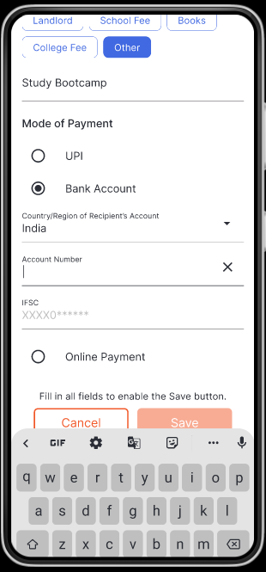
First_name | full name | phone | email | Account number | IFC NUMBER
Afton | Cooper Purdy | +91 191-959-7060 | cooper_purdy@hotmail.com | 92578414455 | 39758812916
Liza | Audreanne Sawayn | +91 611-816-9306 | audreanne_sawayn@yahoo.com | 71659898921 | 91007869271
Edd | Titus Muller | +91 687-470-5424 | titus_muller23@gmail.com | 26907690149 | 32391120400
Lelah | Olin Lynch | +91 967-753-6790 | olin_lynch@yahoo.com | 82423079572 | 39412332233
Savion | Neil Langosh | +91 867-975-7833 | neil51@yahoo.com | 32667767629 | 66645872034
Loy | Dominique Tremblay | +91 624-723-8103 | dominique38@yahoo.com | 8933271491 | 60574197466
Piper | Letha Lind | +91 269-333-4823 | letha50@yahoo.com | 16527128709 | 84888987732
Drake | Maximilian Dibbert | +91 389-765-7302 | maximilian.dibbert4@yahoo.com | 97545886086 | 24338988238
Edwin | Tyreek Rohan | +91 421-406-4466 | tyreek.rohan@hotmail.com | 64975089836 | 34278912470
Alexys | Gilbert Orn | +91 191-221-1152 | gilbert_orn@gmail.com | 333462749 | 25841759518
Shawn | Adaline Marvin | +91 402-798-8591 | adaline79@gmail.com | 12069409178 | 34338629223
Aurelia | Ignacio McKenzie | +91 954-153-3046 | ignacio.mckenzie69@gmail.com | 81796871079 | 49554533488
Arnold | Magnus Hamill | +91 740-654-6215 | magnus96@hotmail.com | 44396846509 | 62277762033
Ralph | Wilmer Davis | +91 257-400-9890 | wilmer.davis26@gmail.com | 28020864190 | 99450858938
Urban | Herminia Witting | +91 373-479-7785 | herminia_witting@gmail.com | 63908479223 | 82018915307
Gianni | Lorenz Littel | +91 983-670-6026 | lorenz_littel@gmail.com | 9035152221 | 56932852953
Zander | Emile Klein | +91 930-664-2809 | emile_klein46@yahoo.com | 53614626313 | 85653083818
Diana | Diana Jacobs | +91 086-099-5155 | diana.jacobs55@gmail.com | 61620561429 | 56833037222
Melvin | Taryn O'Keefe | +91 354-331-3118 | taryn_okeefe22@yahoo.com | 27006899915 | 54849428893
Marianna | Yesenia Hahn | +91 782-191-5931 | yesenia_hahn@hotmail.com | 19965992985 | 64245772874
Roel | Isidro Romaguera | +91 581-604-2819 | isidro.romaguera@hotmail.com | 48211448966 | 84452520380
Omari | Everette Walter | +91 204-186-8332 | everette_walter42@gmail.com | 50621439773 | 22706571874
Obie | Kiley Bogan | +91 004-598-7309 | kiley.bogan@yahoo.com | 23321074201 | 10049308371
Wilhelm | Kennedy Hammes | +91 554-605-0885 | kennedy52@gmail.com | 67176663969 | 5499574775
Micaela | Ellis Jacobson | +91 973-795-7306 | ellis_jacobson@gmail.com | 97480882471 | 78509562276
Ottis | Maurice Ankunding | +91 783-210-0102 | maurice69@yahoo.com | 26169203106 | 88770496868
Zoey | Misty Funk | +91 157-303-0013 | misty59@yahoo.com | 52553793136 | 97451844788
Columbus | Alfred Kuphal | +91 937-180-6710 | alfred.kuphal@hotmail.com | 35883305967 | 71508217091
Jeromy | Hailie Rempel | +91 503-171-7286 | hailie43@gmail.com | 68975745560 | 23897021287
Alec | Willa Pouros | +91 133-443-9558 | willa.pouros58@yahoo.com | 28663501144 | 9148555505
Elisabeth | Vada Effertz | +91 263-181-7830 | vada42@yahoo.com | 52632171568 | 41544703697
Jermey | Yasmeen Brakus | +91 937-750-9058 | yasmeen1@hotmail.com | 9376998130 | 86923993006
Vernice | Jerad Kovacek | +91 472-961-4110 | jerad53@gmail.com | 63632213464 | 19131294778
Samanta | Karelle Wuckert | +91 422-562-2167 | karelle_wuckert66@gmail.com | 91795745166 | 5587712955
Laurine | Ernestina Keeling | +91 184-184-6264 | ernestina_keeling@hotmail.com | 24158395571 | 32887671609
Oral | Vernice Will | +91 658-715-7938 | vernice40@gmail.com | 21958630020 | 15858049109
Kevin | Kendra Becker | +91 800-965-0319 | kendra.becker@gmail.com | 80004750518 | 76587377605
Angelo | Andre Schoen | +91 768-446-9267 | andre92@hotmail.com | 82426401251 | 43450698583
Jakayla | Fredrick Walker | +91 480-842-3722 | fredrick.walker@hotmail.com | 25373078441 | 6862937217
Elda | Branson Fritsch | +91 947-899-0380 | branson_fritsch@gmail.com | 51795901731 | 34831465478
Thurman | Deonte O'Hara | +91 039-734-4229 | deonte_ohara77@hotmail.com | 89402255672 | 46795224748
Constance | Alison Terry | +91 077-199-8882 | alison39@gmail.com | 25120776310 | 87293665274
Tristin | Casandra Conroy | +91 462-850-6493 | casandra.conroy@gmail.com | 37488956167 | 86570702982
Johathan | Suzanne Hyatt | +91 054-801-6785 | suzanne_hyatt50@yahoo.com | 46537791635 | 93425488844
Boyd | Lera Smith | +91 362-247-4797 | lera.smith77@gmail.com | 78509433823 | 22648046189
Janie | Tate Jones | +91 394-256-4913 | tate.jones@hotmail.com | 64142764476 | 61764311022
Ernestine | Ally Lueilwitz | +91 834-449-0438 | ally_lueilwitz68@yahoo.com | 16129766940 | 92345399037
Daryl | Camilla Buckridge | +91 053-573-2402 | camilla64@gmail.com | 3208560613 | 28281667805
Baron | Kacey Hermann | +91 305-507-6225 | kacey51@yahoo.com | 21396751423 | 82329616928
Alexis | Katelin Green | +91 814-145-9934 | katelin_green@yahoo.com | 25915032043 | 58195379167

