Edit_Student
Issue_Reported | User Story | Expected | Actual | Comment | Status
2025-02-17 | Edit My Student Profile Screen 1. Profile Photo 2. Cover Photo | 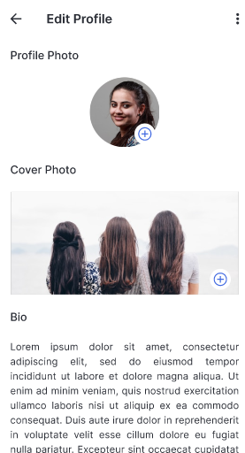 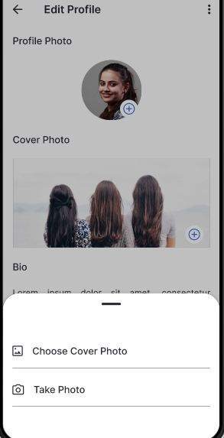 | 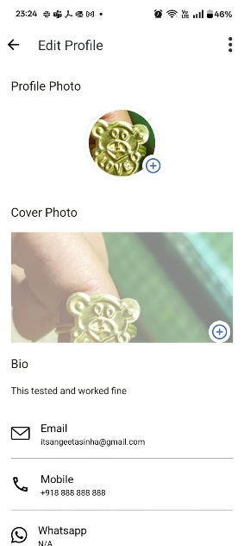 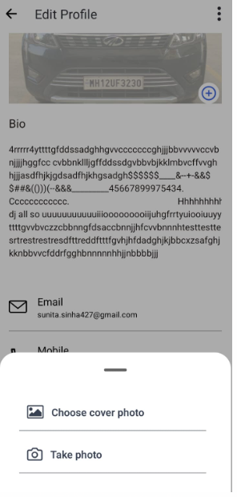 | Edit Profile & Cover Photo update screens are working as expected. | Pass
2025-02-17 | Edit My Student Profile Screen Bio | 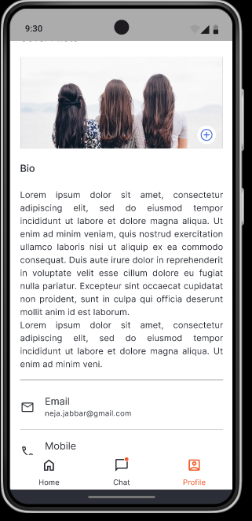 | 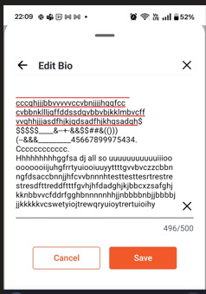 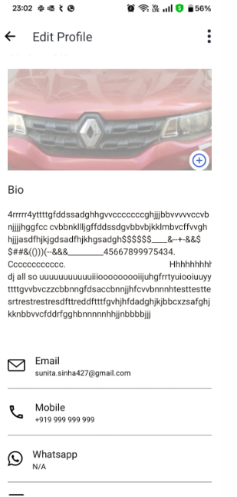 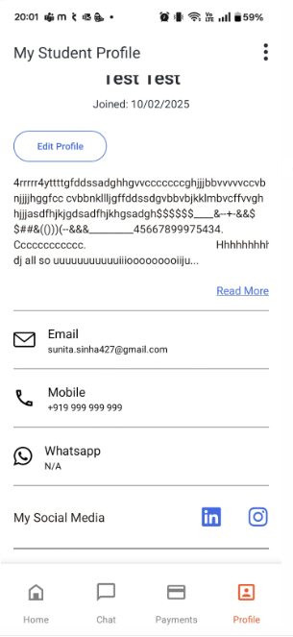 20th Feb 2025:Fixed provided | Not able to see bottom line after ending Bio and before starting Email - Fixed on 20th Feb 2025 and able to see now bottom line as expected. | Pass
2025-02-17 | Edit My Student Profile Screen Edit Email | 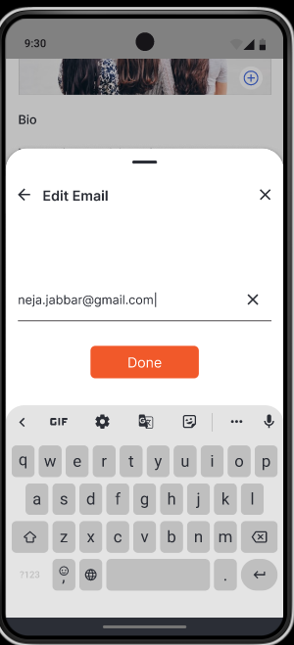 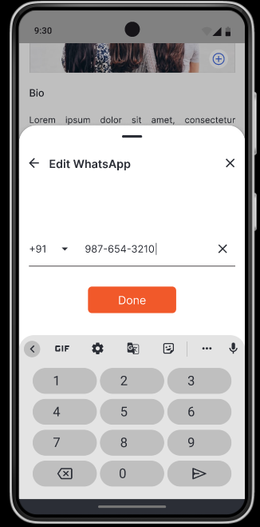 | 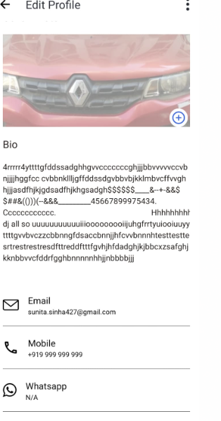 | Email and whats app field are not editable. 20th Feb 2025: There are student and Mentor relationship and for Studen same profile its not editable | In Progress Yet to Test after Mentor and profile mapping-10/02/2025
2025-02-17 | Edit My Student Profile Screen update Linedin and Insta | 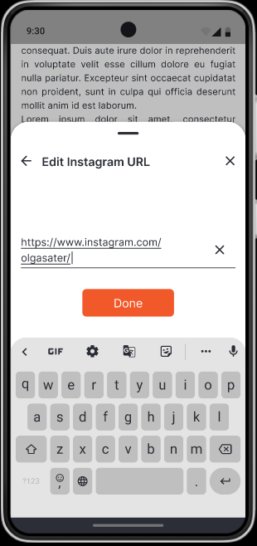 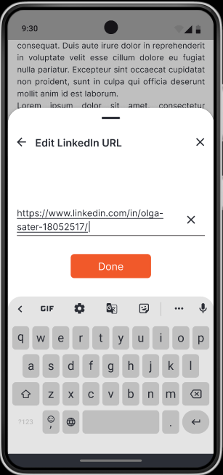 | 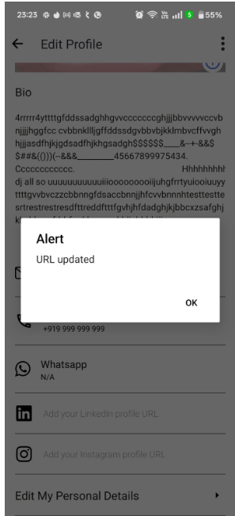 | Unable to update linkedin and Intaggram. Edit is not reflecting. | In Progress Yet to Test after Mentor and profile mapping-10/02/2025
2025-02-17 | Edit My Student Profile Screen Bottom Navigation ( Home, Chat, Profile) | 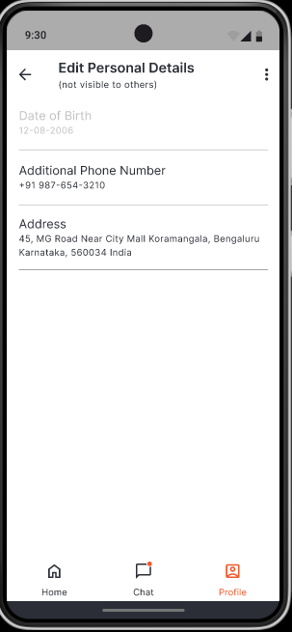 | 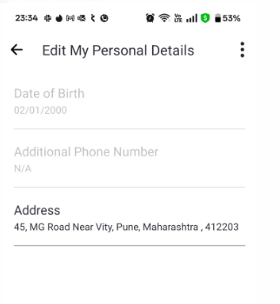 | Bottom navigation Home, Chat and Profile are not visible | In progress 20/02/2025- This will fix once all page gets fixed
2025-02-17 | Edit Personal Details | 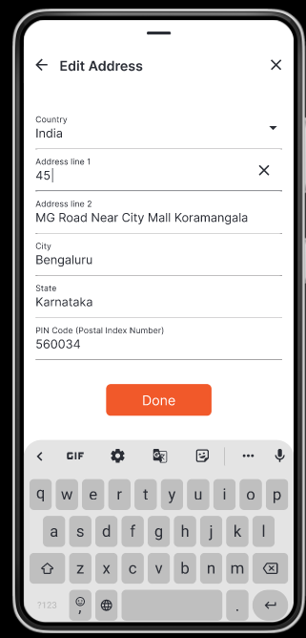 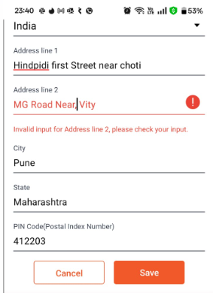 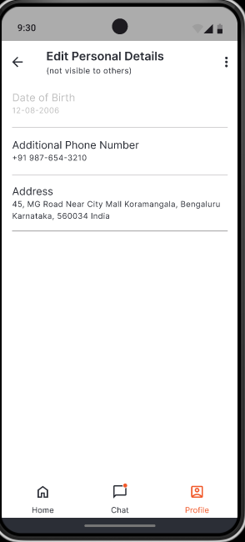 | 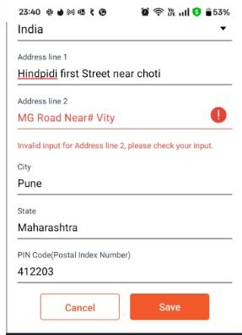 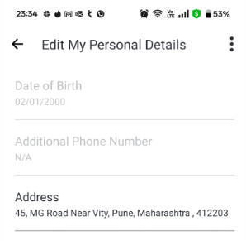 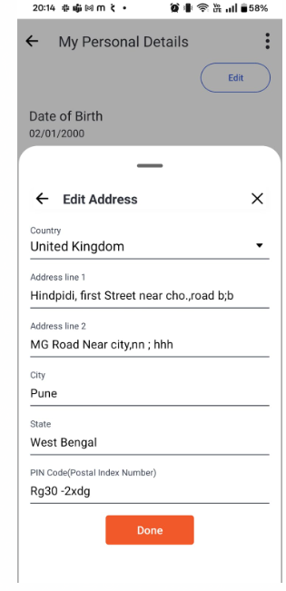 | 1. Address Line 1 and Address Line 2 are not allowing special character. 2. As per expectation saving alert should not come but its coming. 20/02/2025: 20th Feb 2025:Fixed provided 1. comma, semicolmn and white space are allowing in both address line1 and address line 2. 2. # its not allowing in both address line 1 and address line 2. 3. Address save popup got fixed. 4. After saving complete address is coming as per expectations. | Pass

6_New_Bottom_Navigation
User Story | Expected | Actual | Comment | Status
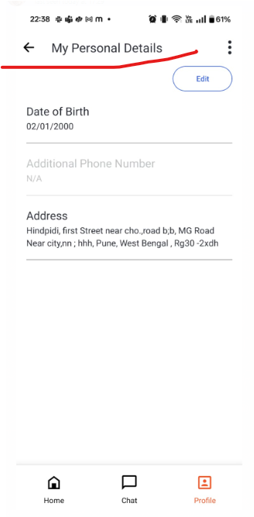
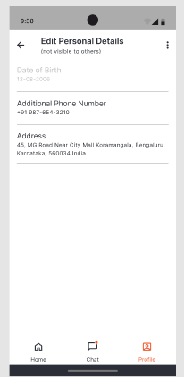
1. Edit My Student Profile Screens: |  |  | "Edit Personal Details" is expected | Fail
 |  |  | But, here is coming as " My Personal Details"

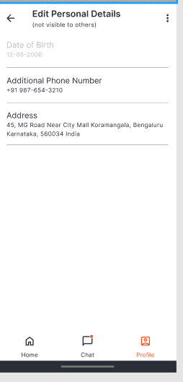
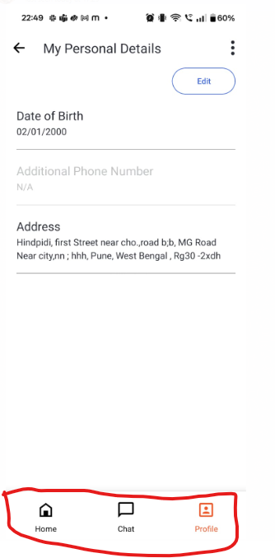
2. Botton Nav Bar- Icon
 |  |  | Home, Chat and Profile icons are not as per expected | Fail

Channel_Student+Mentor
TC | Expected | Actual | Comment
Student+ mentor: +919876543101 |  |   | 1. Meeting and To screen only could see. 2. Chat functionality is not enable
student: +919876543001 |  |  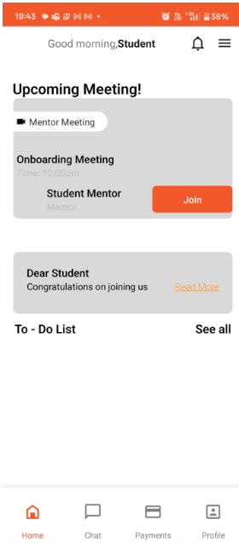 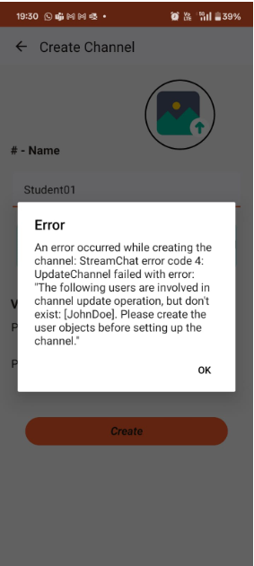 | 1. Not able to create channel and getting error
mentor+admin: +918765432101 |  |  | Onlu UI created
mentor: +918765432001 |  |  | Only UI created
admin: +919999999001 |  | 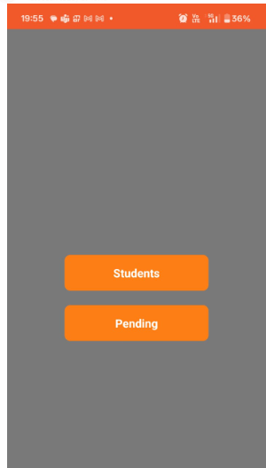 | Only UI created

