Tot_Perc
Row Labels | Count of age
0 | 85.11%
1 | 14.89%
Grand Total | 100.00%

Histograms
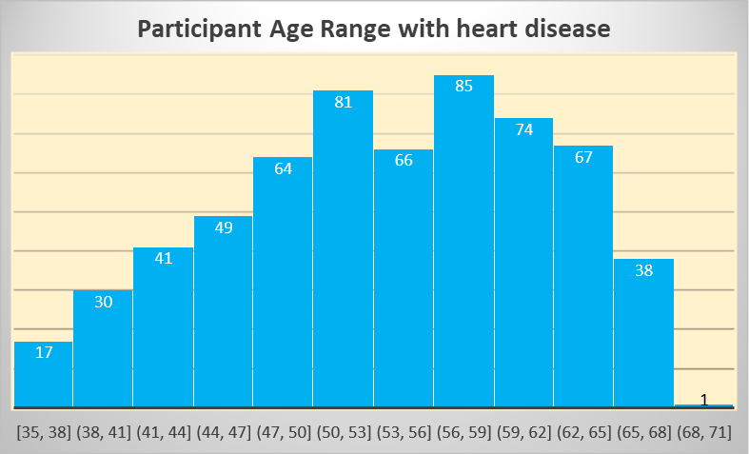
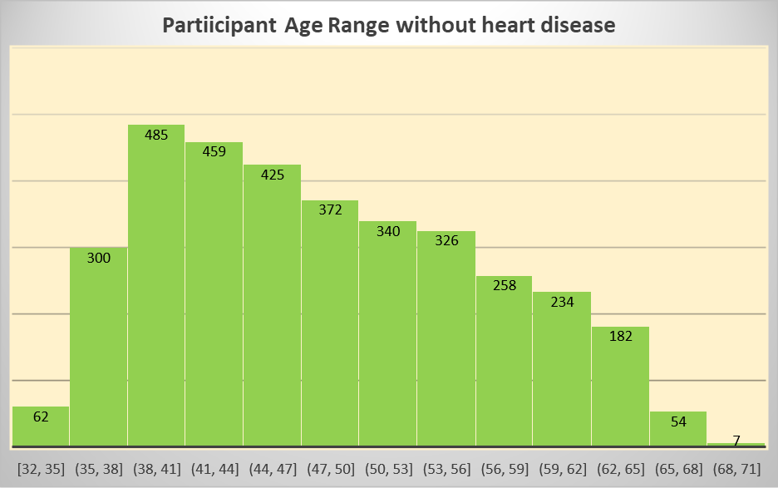

Observation: | Participants who have had heart disease detected are mostly middle aged ranging between 45-65 yrs of age,compared to participants without heart disease who are fairly younger.

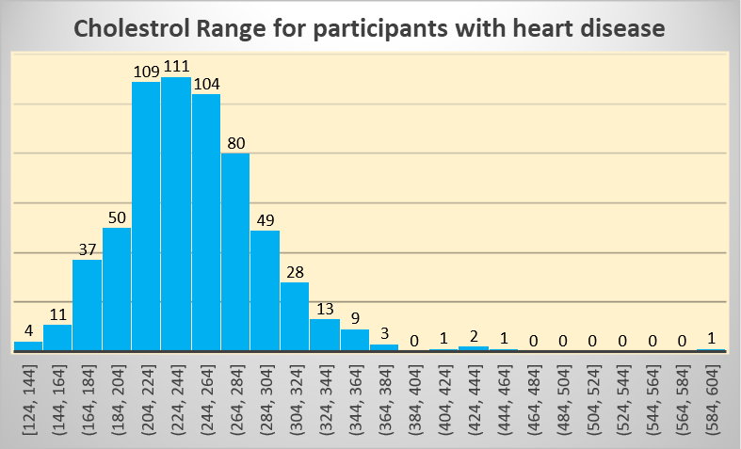
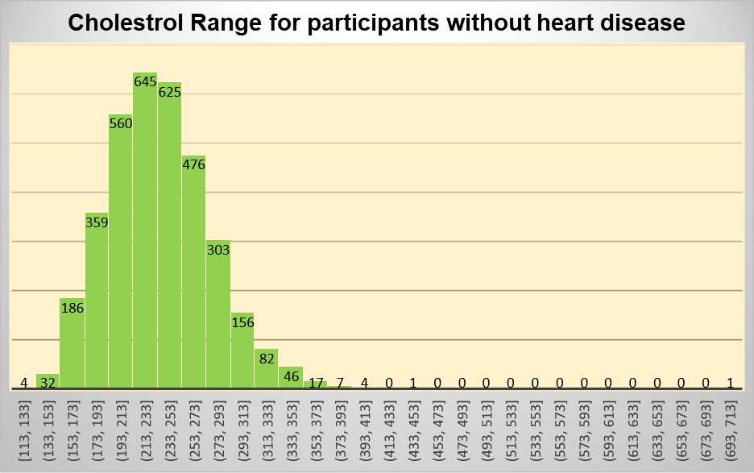

Observation: | There is not much difference in cholestrol ranges between participants with ot without heart disease

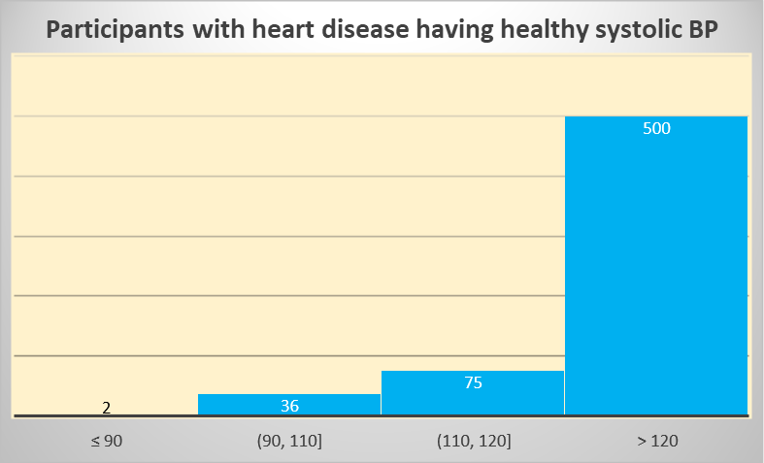
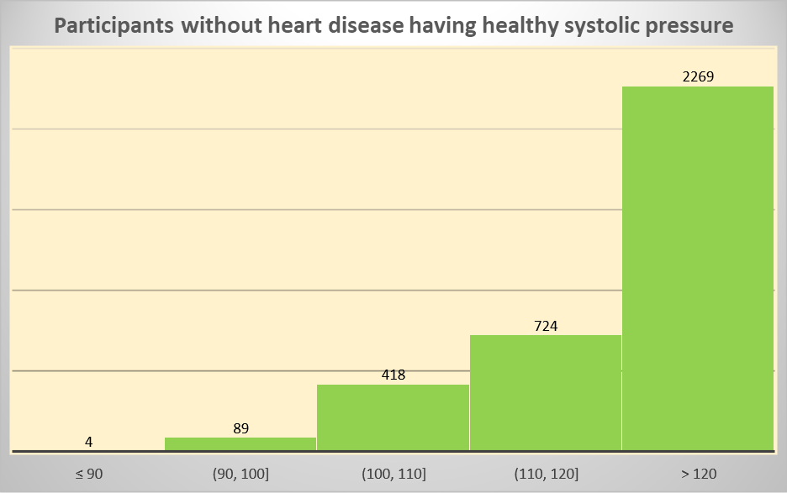

Observation: | Most participants have high systolic pressure, beyond normal range irrespective of having heart disease

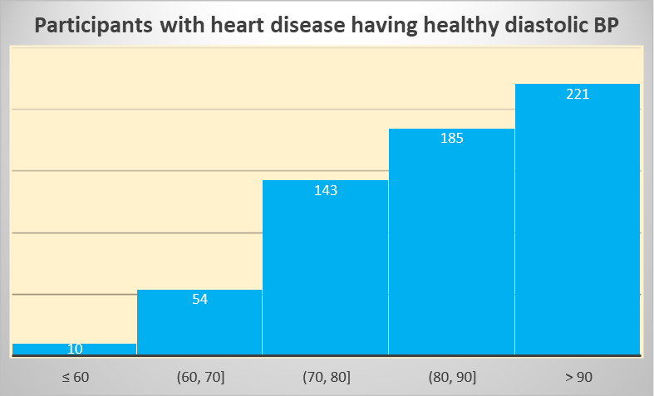
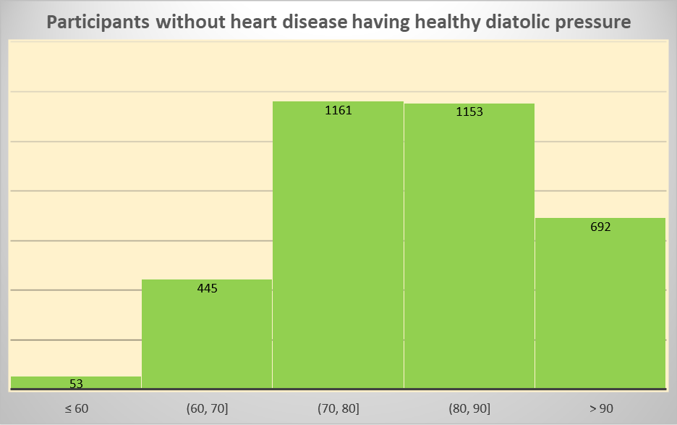

Observation: | W.R.T diastolic pressure, participants with history of heart disease tend to have higher BP which is above the normal range, when compared to participants without heart disease.

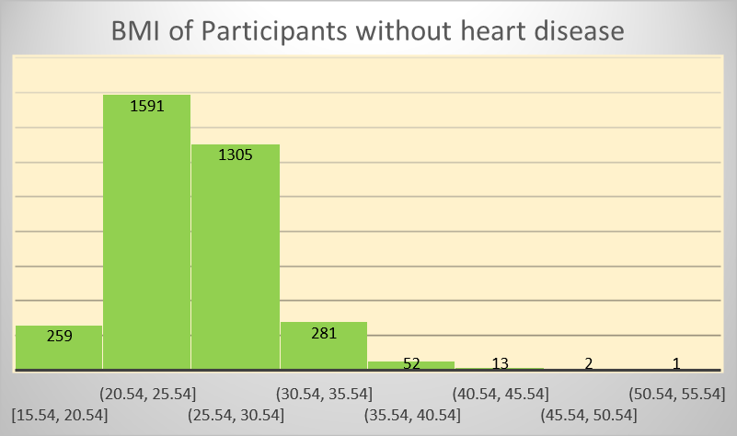

Observation: | BMI for all participants ranges almost same irrespective of having history of heart disease
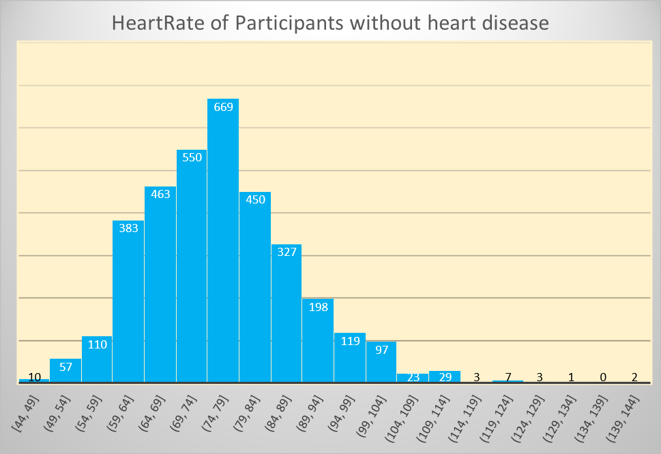
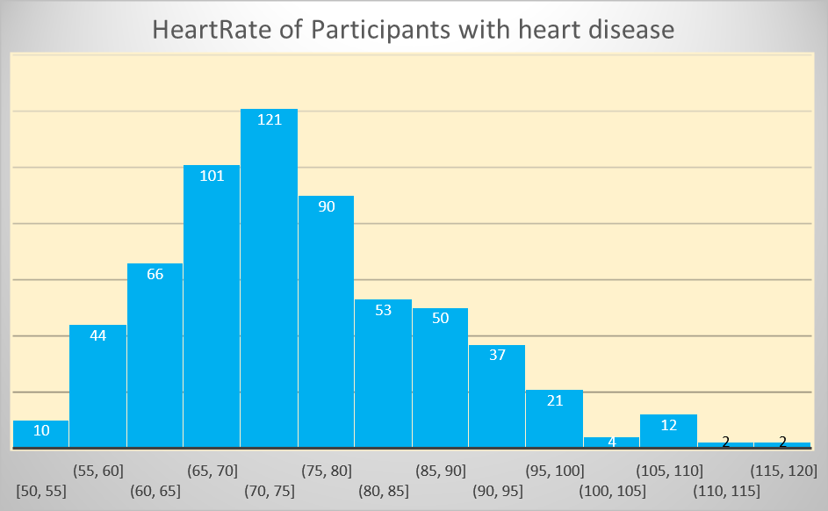

Observation: | Most of participants with heart disease have heart rate ranging between 60 and 80 which also holds true for participants withour heart diseases

Gender_based
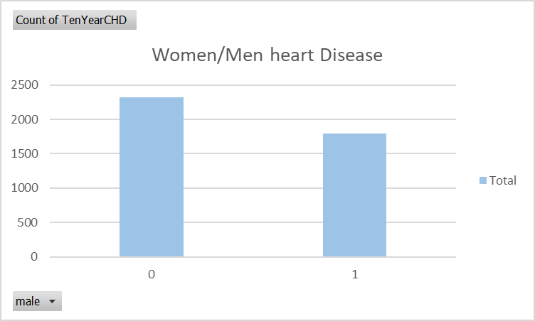
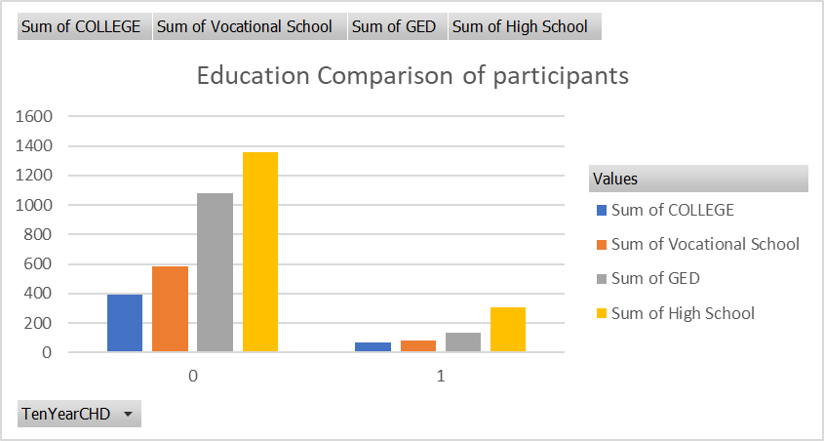
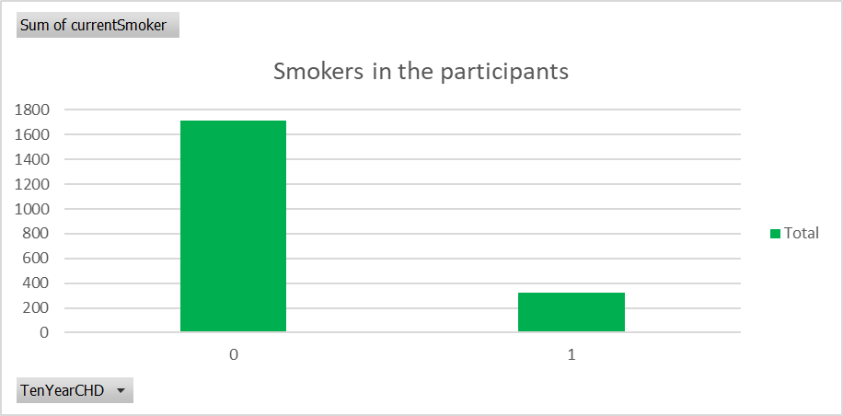
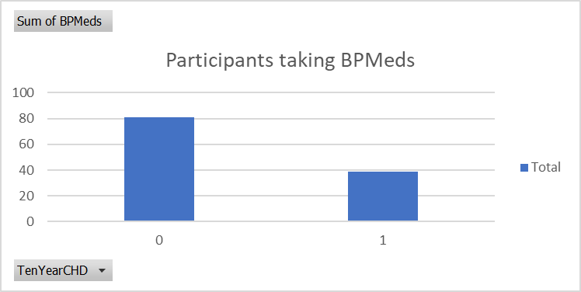
Row Labels | Sum of BPMeds
0 | 81
1 | 39
Grand Total | 120

Participants taking BPMeds

Boxplot_CHD_NoCHD
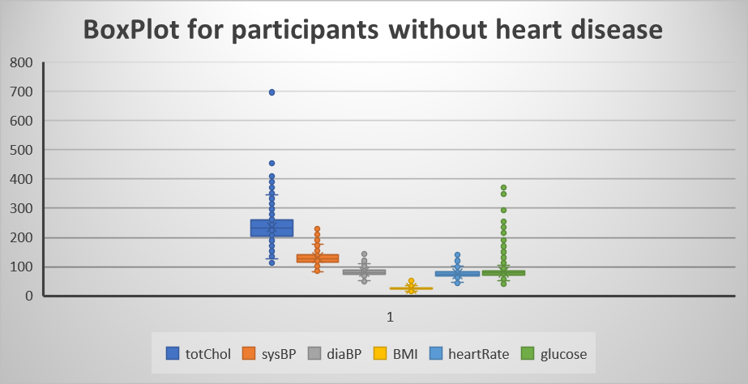

 | `

More Outliers present for participants without heart disease

