Sheet1
Home Page Validation
Test Case ID | Test Scenario | Test Steps | Tested Environment | Test Data | Actual Output | Expected Out[put | Test Pass/Fail

TC01 | Verify the user is able to login into Hompage with correct Login & Password | 1. Open the Application URL | https://demo.guru99.com/V4/index.php | UserID- mngr632743 Password-Test1234 | Able to login successfully | User should be navigated to Home page | PASS
 |  | 2. Enter the Valid User ID
 |  | 3. Enter the valid Password
 |  | 4. Click on Login Button
 |  | 5. Navigate to Home Page

TC02 | Verify the user is able to reset the Login & password | 1. Open the Application URL | https://demo.guru99.com/V4/index.php | UserID- mngr632743 Password-Test1234 | Able to reset successfully | User ID & Password entered should be reset | PASS
 |  | 2. Enter The User name& Password
 |  | 3. Click on Reset Button
 |  | 4. Verify the userid & password entered is cleared upont clicking reset button

TC03 | Verify the customer should not be able to login with blank Username / password | 1. Leave the Username/password blank
 |  | 2.Verify the customer get propted as Username/password is not valid

Adding New Customer
TC04 | Verify the New Customer Page is loaded | 1. Open the Application URL | https://demo.guru99.com/V4/manager/addcustomerpage.php |  | New Customer Page loaded | Add new customer section should be loaded | PASS
 |  | 2. Enter The User name& Password
 |  | 3. Click on New Customer
 |  | 4. Verify the "Add new customer" details are loaded

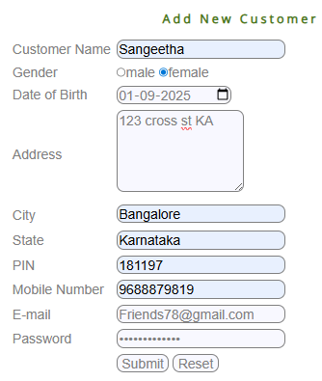
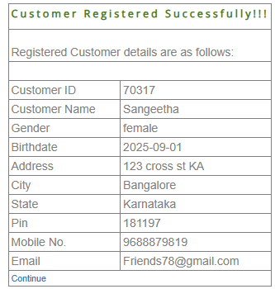
TC05 | Verify User able to add new customer | 1. Click on New Customer from left pane |  |  | Able to add New customer successfully | Customer should be registered successfully | PASS
 |  | 2. Select Gender Radio Button
 |  | 3. Select DOB from the date picker
 |  | 4. Enter the address
 |  | 5. Enter the City
 |  | 6. Enter State
 |  | 7. Enter PIN with 6 digit
 |  | 8. Enter valid Mobile number
 |  | 9. Enter Email address
 |  | 10. Enter Valid password
 |  | 11. Click SUBMIT button
 |  | 12. Verify the new customer is added successfully

TC06 | Verify the prompt message as "Please fill all details" if any of the field is BLANK on submittion | 1.Leave any of the details field blank
 |  | 2.Click submit button
 |  | 3.verify the prompt message"Please fill all detail"

TC07 | Verify User able to reset the details | 1. Add all the details
 |  | 2. click on Reset
 |  | 3.Verify user is able to reset the details entered

TC08 | Verify the PIN field allows only 6 digit Numbers & no characters

T09 | Verify the phone number allows 10 digit

Edit Customer
TC10 | Verify Edit customer page is loaded | 1. Open the Application URL | https://demo.guru99.com/V4/manager/EditCustomer.php |  | Edit customer Form is loaded | Edit Customer form section should be loaded | PASS
 |  | 2. Enter The User name & Password
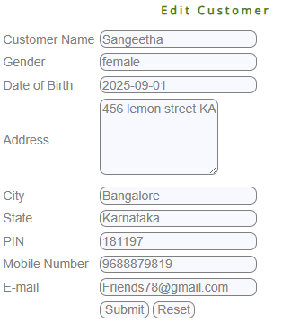
 |  | 3. Click on Edit Customer in the leftpane
 |  |  |  |  | Details not loaded after submiting the edit customer | Customer details should be editable | FAIL
TC11 | Verify able to edit the customer | 1.Click on the Edit Customer
 |  | 2. Enter the "Customer ID"
 |  | 3. Verify the customer details loaded |  |  | Customer ID- 70317
 |  | 4.Edit the address
 |  | 5. Click on Submit button

TC12 | Verify User able to reset the customer details entered | 1. Add all the details
 |  | 2. click on Reset
 |  | 3.Verify user is able to reset the details entered

Delete Customer

TC13 | Verify Delete customer page is loaded | 1. Open the Application URL | https://demo.guru99.com/V4/manager/DeleteCustomerInput.php |  | Delete customer Form is loaded | Delete Customer form section should be loaded | PASS
 |  | 2. Enter The User name & Password
 |  | 3. Click on Delete Customer in the leftpane

TC14 | Verify able to delete the customer | 1.Click on the Edit Customer | https://demo.guru99.com/V4/manager/DeleteCustomerInput.php | Customer ID- 70317 | customer is deleted | Customer should be deleted
 |  | 2. Enter the "Customer ID"
 |  | 3.Click on Submit button
 |  | 4 Confirm the deletion pop-up
 |  | 5.verify the user is deleted

TC15 | Verify the prompt message as"Customer Doesnot exist" for invalid customer ID | 1.Click on the Edit Customer
 |  | 2. Enter the Invalid "Customer ID"
 |  | 3. verify the popup shows "Customer doesnot exist"

TC16 | Verify User able to reset the details | 1. Enter the Customer ID
 |  | 2. click on Reset
 |  | 3.Verify user is able to reset the details entered

