Processed Data
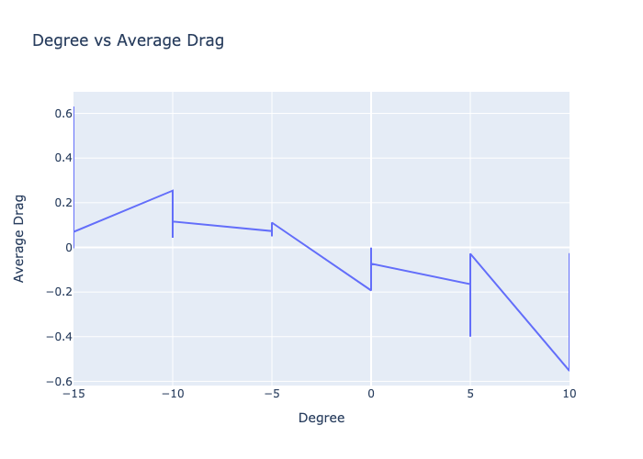
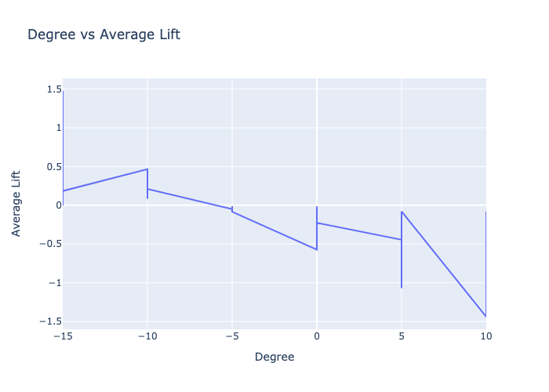
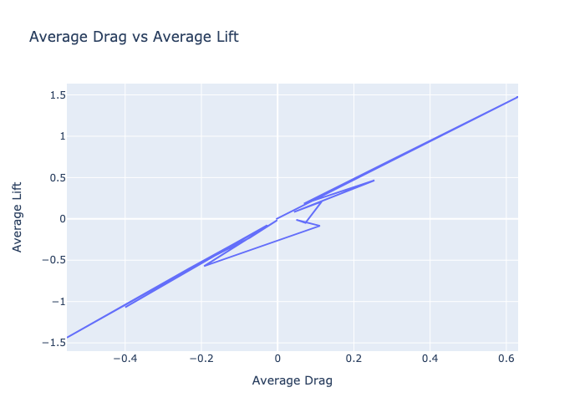
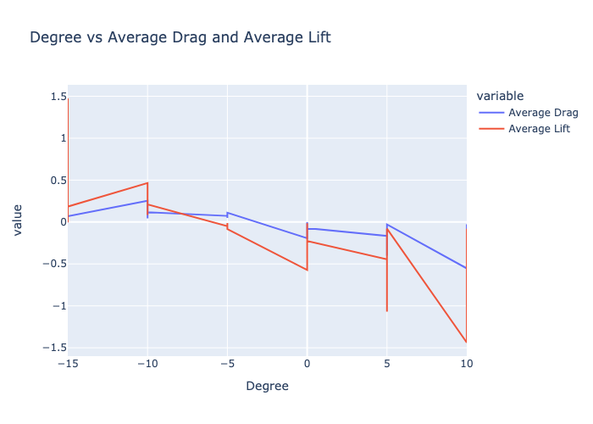
Degree | m/s | Average Drag | Average Lift | Average Momentum | Density | Coefficient of Lift | Coefficient of Drag
-15 | 8.98 | -0.004 | -0.003 | -0.009 | 1.197 | -0.075 | -0.088
-15 | 43.8 | 0.631 | 1.475 | -0.111 | 1.19 | 1.436 | 0.614
-15 | 29.58 | 0.295 | 0.706 | -0.071 | 1.195 | 1.501 | 0.628
-15 | 19.13 | 0.069 | 0.184 | -0.017 | 1.197 | 0.933 | 0.349
-10 | 29.58 | 0.254 | 0.466 | -0.02 | 1.195 | 0.99 | 0.54
-10 | 8.98 | 0.043 | 0.083 | -0.005 | 1.197 | 1.916 | 0.997
-10 | 19.13 | 0.116 | 0.211 | -0.016 | 1.197 | 1.068 | 0.588
-5 | 19.13 | 0.073 | -0.049 | 0.007 | 1.197 | -0.25 | 0.372
-5 | 8.98 | 0.049 | -0.011 | -0.025 | 1.197 | -0.249 | 1.131
-5 | 29.58 | 0.111 | -0.084 | -0.013 | 1.195 | -0.179 | 0.237
0 | 29.58 | -0.193 | -0.572 | 0.006 | 1.195 | -1.216 | -0.409
0 | 8.98 | -0.001 | -0.015 | -0.004 | 1.197 | -0.338 | -0.012
0 | 19.13 | -0.073 | -0.227 | 0.008 | 1.197 | -1.154 | -0.37
5 | 19.13 | -0.165 | -0.445 | 0.021 | 1.197 | -2.259 | -0.835
5 | 29.58 | -0.4 | -1.07 | 0.032 | 1.195 | -2.274 | -0.851
5 | 8.98 | -0.028 | -0.079 | 0.003 | 1.197 | -1.818 | -0.645
10 | 29.58 | -0.553 | -1.438 | 0.036 | 1.195 | -3.055 | -1.176
10 | 19.13 | -0.234 | -0.606 | 0.022 | 1.197 | -3.076 | -1.19
10 | 8.98 | -0.026 | -0.079 | 0.007 | 1.197 | -1.813 | -0.594

