Processed Data
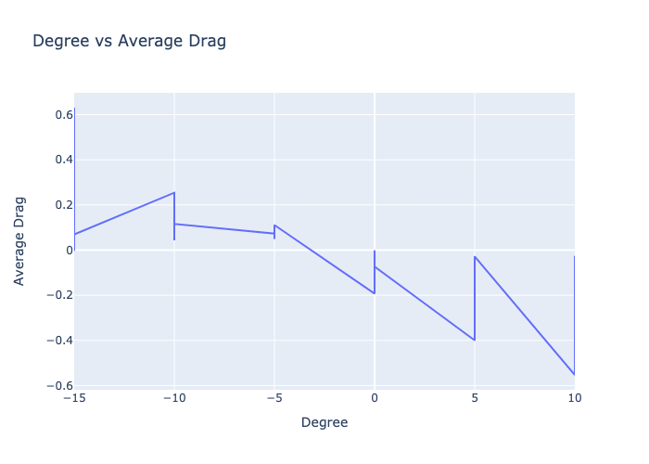
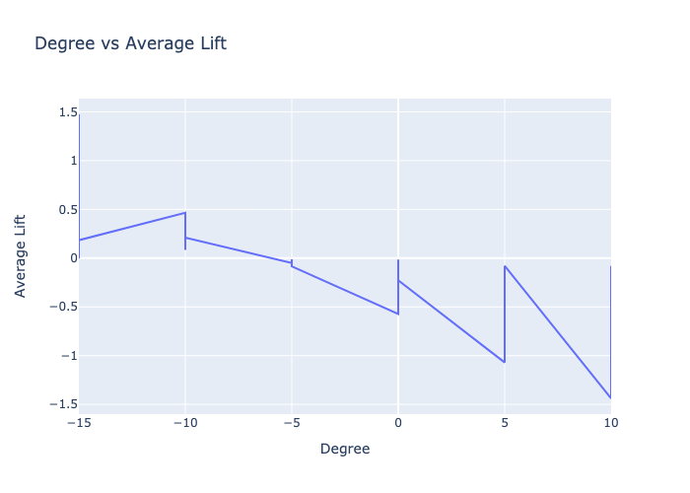
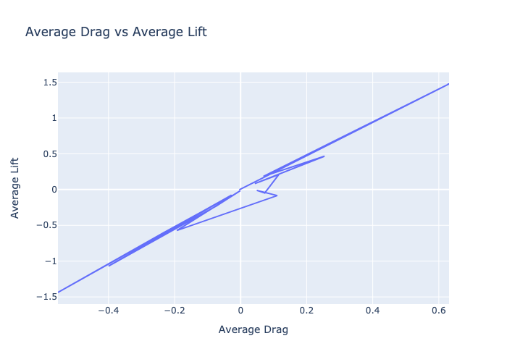
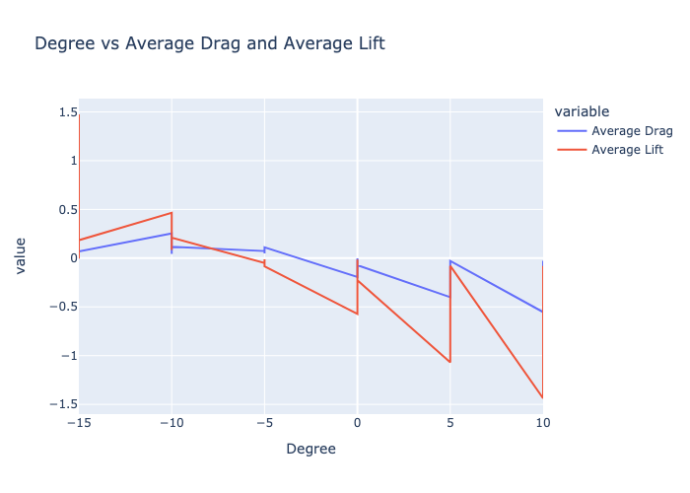
Degree | m/s | Average Drag | Average Lift | Average Momentum | Density | Coefficient of Lift | Coefficient of Drag
-15 | 8.98 | -0.004 | -0.003 | -0.009 | 1.197 | -0.001 | -0.001
-15 | 43.8 | 0.631 | 1.475 | -0.111 | 1.19 | 6.06 | 2.593
-15 | 29.58 | 0.295 | 0.706 | -0.071 | 1.195 | 1.329 | 0.556
-15 | 19.13 | 0.069 | 0.184 | -0.017 | 1.197 | 0.145 | 0.054
-10 | 29.58 | 0.254 | 0.466 | -0.02 | 1.195 | 0.877 | 0.478
-10 | 8.98 | 0.043 | 0.083 | -0.005 | 1.197 | 0.014 | 0.008
-10 | 19.13 | 0.116 | 0.211 | -0.016 | 1.197 | 0.166 | 0.091
-5 | 19.13 | 0.073 | -0.049 | 0.007 | 1.197 | -0.039 | 0.058
-5 | 8.98 | 0.049 | -0.011 | -0.025 | 1.197 | -0.002 | 0.009
-5 | 29.58 | 0.111 | -0.084 | -0.013 | 1.195 | -0.158 | 0.21
0 | 29.58 | -0.193 | -0.572 | 0.006 | 1.195 | -1.077 | -0.362
0 | 8.98 | -0.001 | -0.015 | -0.004 | 1.197 | -0.003 | 0
0 | 19.13 | -0.073 | -0.227 | 0.008 | 1.197 | -0.179 | -0.057
5 | 29.58 | -0.4 | -1.07 | 0.032 | 1.195 | -2.013 | -0.754
5 | 19.13 | -0.165 | -0.445 | 0.021 | 1.197 | -0.351 | -0.13
5 | 8.98 | -0.028 | -0.079 | 0.003 | 1.197 | -0.014 | -0.005
10 | 29.58 | -0.553 | -1.438 | 0.036 | 1.195 | -2.706 | -1.041
10 | 19.13 | -0.234 | -0.606 | 0.022 | 1.197 | -0.478 | -0.185
10 | 8.98 | -0.026 | -0.079 | 0.007 | 1.197 | -0.014 | -0.004

