ProgrammingLanguage
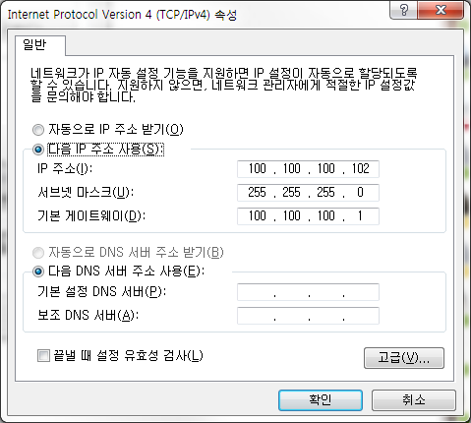
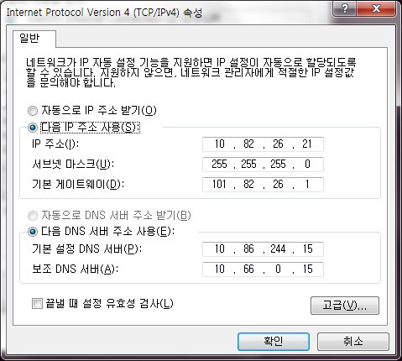
순위 | 프로그래밍 언어 | 중요도(%) | 순위 | 프로그래밍 언어 | 중요도(%)
1 | Java |  | 26 | Transact-SQL
2 | C |  | 27 | Dart
3 | C++ |  | 28 | Fortran
4 | C# |  | 29 | Lisp
5 | Python |  | 30 | Lua
6 | PHP |  | 31 | Ada
7 | JavaScript |  | 32 | Scala
8 | Ruby |  | 33 | OpenEdge ABL
9 | Perl |  | 34 | Logo
10 | Visual Basic.NET |  | 35 | Prolog
11 | Delphi/Object Pascal |  | 36 | F#
12 | Assembly language |  | 37 | RPG(OS/400)
13 | Visual Basic |  | 38 | LabVIEW
14 | Objective-C |  | 39 | Haskell
15 | Swift |  | 40 | Alice
16 | R |  | 41 | Erlang
17 | Groovy |  | 42 | Go
18 | MATLAB |  | 43 | Apex
19 | PL/SQL |  | 44 | Q
20 | D |  | 45 | Bash
21 | SAS |  | 46 | PureBasic
22 | Scratch |  | 47 | Rust
23 | COBOL |  | 48 | Ladder Logic
24 | ABAP |  | 49 | Awk
25 | Scheme |  | 50 | VBScript

순위 | 프로그래밍 언어 | 중요도(%) | 순위 | 프로그래밍 언어 | 중요도(%)
51 |  |  | 76
52 |  |  | 77
53 |  |  | 78
54 |  |  | 79
55 |  |  | 80
56 |  |  | 81
57 |  |  | 82
58 |  |  | 83
59 |  |  | 84
60 |  |  | 85
61 |  |  | 86
62 |  |  | 87
63 |  |  | 88
64 |  |  | 89
65 |  |  | 90
66 |  |  | 91
67 |  |  | 92
68 |  |  | 93
69 |  |  | 94
70 |  |  | 95
71 |  |  | 96
72 |  |  | 97
73 |  |  | 98
74 |  |  | 99
75 |  |  | 100

