Task 5
365 DataScience RE California Database
Scatter plot. Plotting numerical data; establishing relationship between variables.

Task 5: Create a scatter plot showing the relationship between Price and Area. Use the data on all properties, no matter if sold or not. Interpret the results.

743.09 | $246,172.68
756.21 | $246,331.90
587.28 | $209,280.91
1604.75 | $452,667.01
1375.45 | $467,083.31
675.19 | $203,491.85
670.89 | $212,520.83
720.81 | $198,591.85
782.25 | $265,467.68
794.52 | $235,633.26
1160.36 | $317,473.86
1942.50 | $503,790.23
794.52 | $217,786.38
1109.25 | $460,001.26
1400.95 | $460,001.26
1479.72 | $448,134.27
790.54 | $249,591.99
723.93 | $196,142.19
781.07 | $258,572.48
1127.76 | $310,831.21
720.70 | $207,281.59
649.69 | $168,834.04
1307.45 | $396,973.83
618.38 | $188,743.11
625.80 | $179,674.08
1203.29 | $306,363.64
670.89 | $200,300.63
1434.09 | $382,041.13
781.07 | $245,572.79
1596.35 | $407,214.29
1110.32 | $355,073.40
781.07 | $256,821.64
697.89 | $226,342.80
625.80 | $191,389.87
957.53 | $297,008.97
722.96 | $250,773.15
923.21 | $312,211.14
670.24 | $190,119.50
785.48 | $225,050.52
798.28 | $261,742.74
1121.95 | $344,530.89
782.25 | $215,410.28
923.21 | $252,185.99
1434.09 | $480,545.81
1160.36 | $300,385.62
798.28 | $240,539.35
733.19 | $222,138.72
798.28 | $228,410.05
733.19 | $197,053.51
717.05 | $193,660.62
...

Como podemos observar tenemos una clara tendencia de aumentar el precio cuando el area del inmueble es mayor por lo tanto vemos una gran correlacion entre estas variables

Tasks 6,7
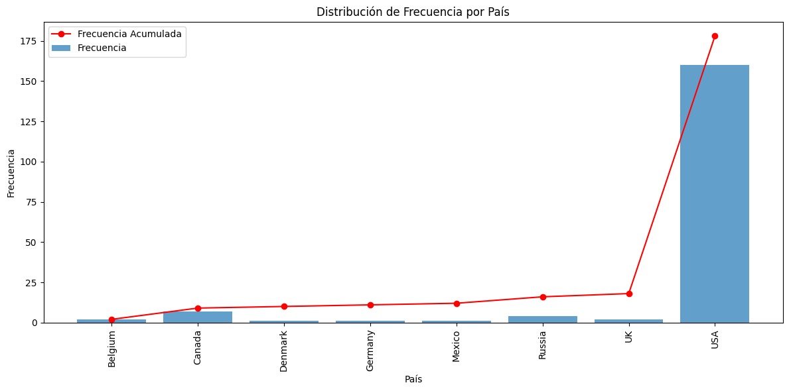
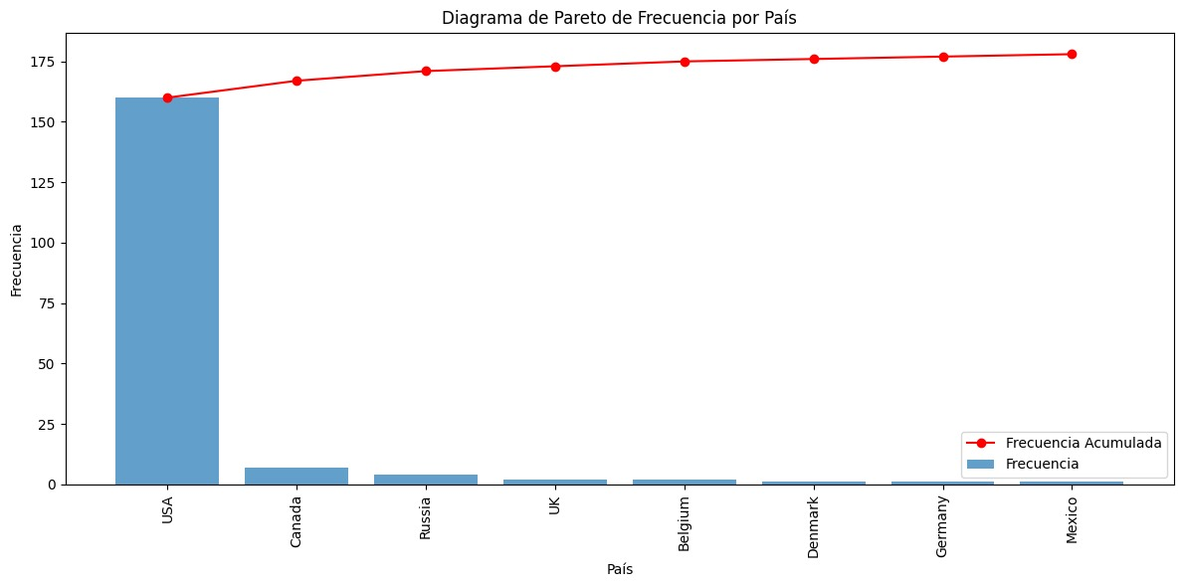
365 DataScience RE California Database
Frequency distribution table. Pareto diagram.

Task 6: Create a frequency distribution table, where you list all the countries from which the company has buyers (country vs number of buyers). Count the absolute frequency, the relative frequency and the cumulative frequency.
Task 7: Create a Pareto diagram representing the data.

