power Dashboards
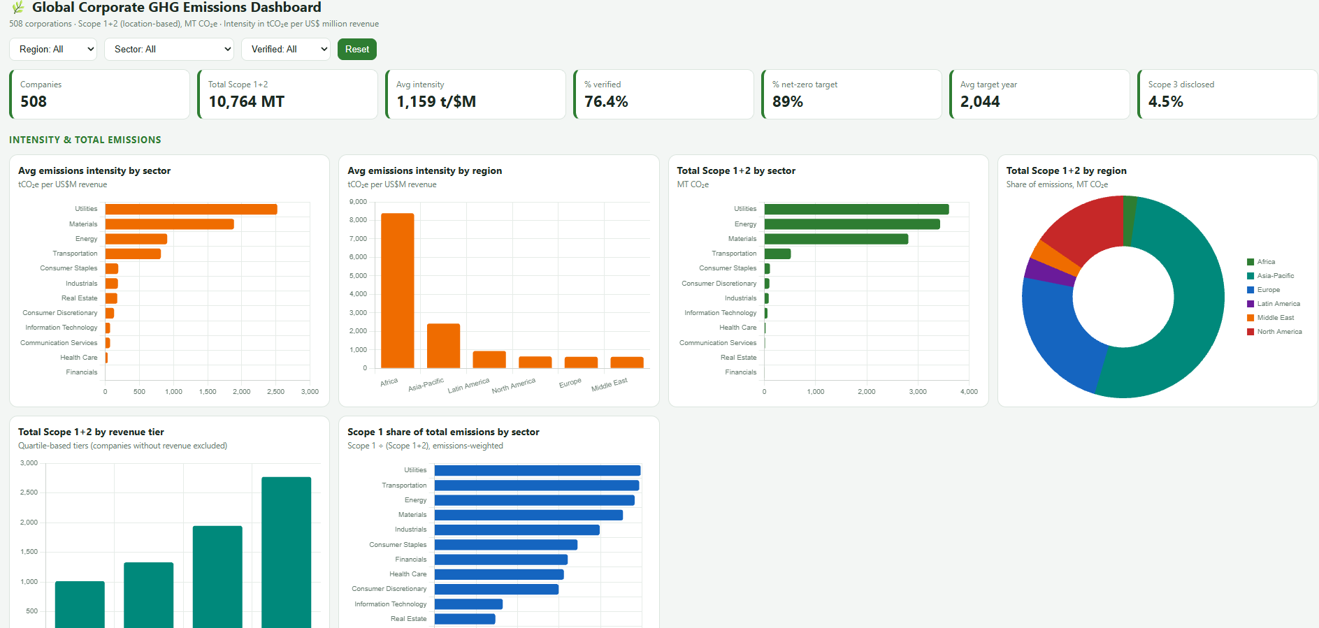
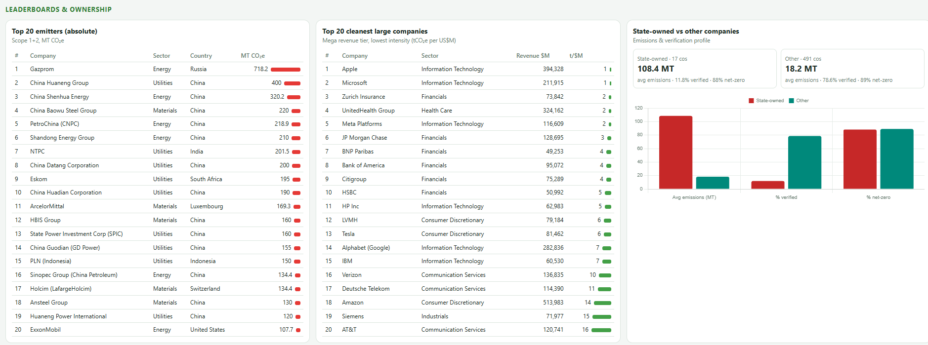
# KPI list
- Avg emissions intensity by sector / region
- Total Scope 1+2 emissions by sector, region, revenue tier
- % third-party verified by sector/region
- % with net-zero target + avg target year by sector
- Top 20 emitters (absolute) and Top 20 cleanest large companies
- Scope 1 share of total emissions by sector
- Scope 3 disclosure rate by sector (ESG maturity proxy)
- State-owned companies' emissions & verification profile

