How to use the template
This version of PES Review template is related to PES Template V5R5.1
PES Review guidelines are available here
PES Review Tab
This tab gives an overview of the review
Information of the function associated to the PES:
- Brand associated to the function
- PES Template Version
- Function ID with a link to the function
- Function Name
⚠️ The selected brand and the PES Template version will be used to filter the Checklist (checklist tab) and the checklist progress

Summary of the issues logged in the Review tab by issue status and issue severity

Information on the different reviewers
- trigram
- role of the reviewer
- review date (format YYYY/MM/DD)
- PES review status: should be the same as the associated task in DSxR&D Authoring)
- review comment

Summary Tab
This tab gives a view on checklist verification progress
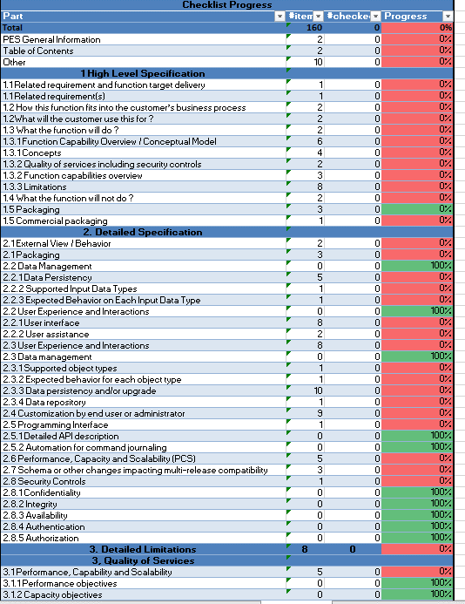
Summary of the checklist verification progress
This summary is automatically calculated according to:
- the information entered in tab CheckList tab
- the Brand selected in the PES Information part
- the PES Template version selected in the PES Information part

CheckList Tab
This tab contains the checklist items to be reviewed on the PES
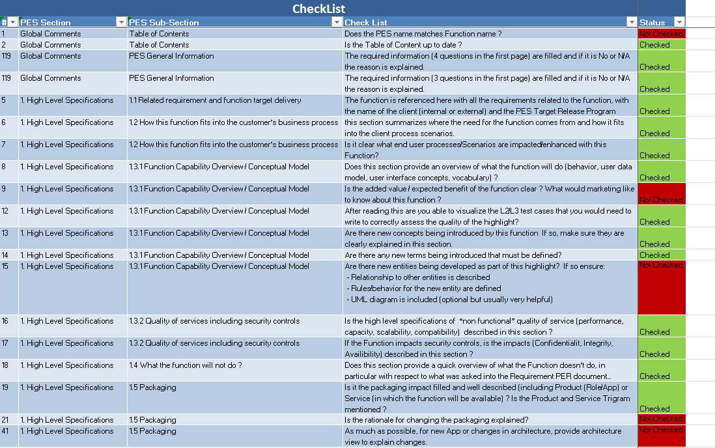
Scope
The list of elements to be checked is automatically filtered according to the information typed in the summary tab

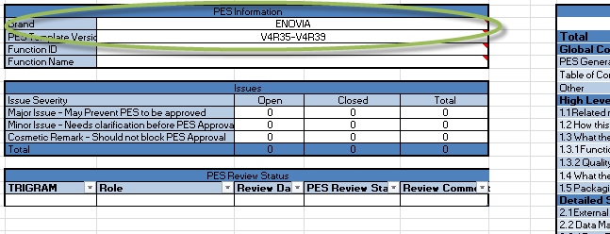
CheckList Status
"Not Checked" means that the item hasn't been verified
"Checked" means that the item has been verified.
- if some issues are raised during the verification (missing information , not understood, etc.), they have to be logged in the Review Tab and the value set to "Checked"
- if no issue is raised during the verification the value must be set to "Checked"
- if the sub-section is identified as N/A (wisely), the value must be set to "Checked"

Review Tab
This tab contains one row by review issue
Reviewer issue, initialized by the reviewer at the creation of the issue
Answer from PES Author
Reviewer assessment after answer from PES author

N°
Unique ID of the issue
[Trigram]-###
PES Version Number
Version Number of the PES Reviewed
Date
Creation Date of the issue (YYYY/MM/DD)
Issue Found
Description of the issue
Answer
PES Author Answer to the issue. Possible Values:
- Accepted: the PES will be updated
- Rejected: the PES won't be updated
PES Updated
yes: the PES has been updated in the function
no: the PES has not yet been updated
Additionnal Comments
Additionnal comments of the reviewer on the answer
Issue Type
Categorization of the issue

Trigram
Trigram of the reviewer
Part
Section concerned by the issue
Severity
Severity of the issues. Possible Values:
- Major Issue - May Prevent PES to be approved
- Minor Issue - Needs clarification before PES Approval
- Cosmetic Remark - Should not block PES Approval
Comment
Precisions on the answer
Issue Status
Assessment of the reviewer on the answer
- Closed: the reviewer agrees with the answer of its issue and the PES reflects this answer
- Open: the reviewer doesn't agree with the answer or the PES doesn't reflect this answer

