SQL
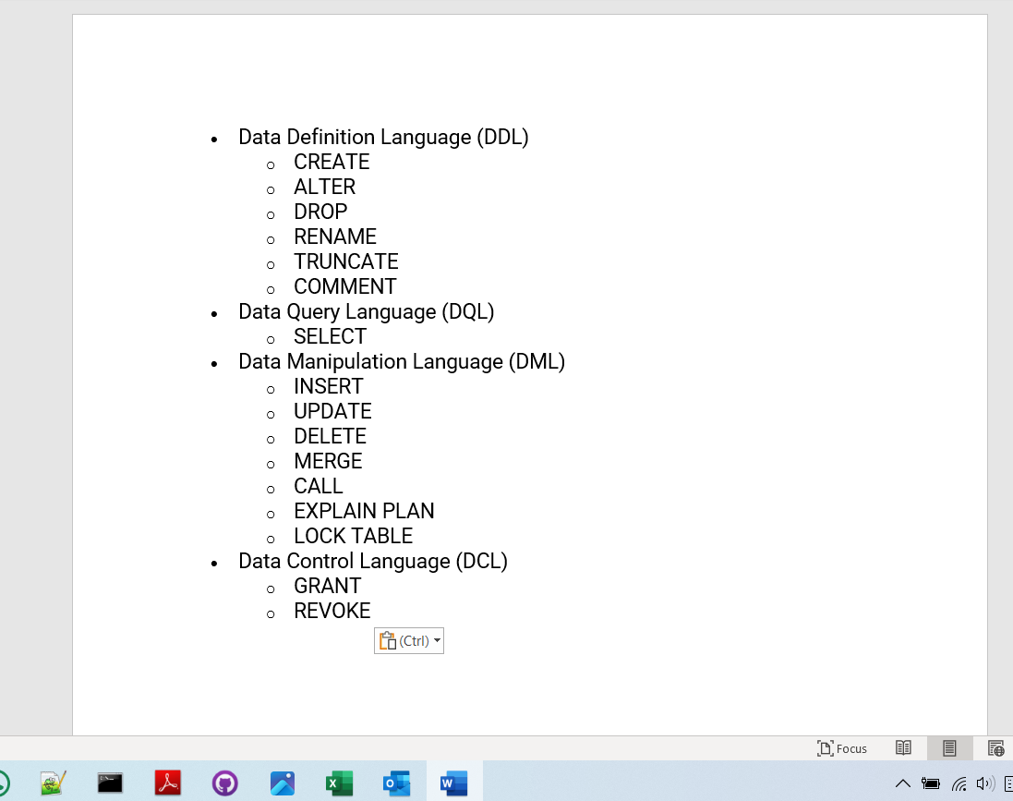
 | Help
DDL,DML | https://www.stratascratch.com/blog/sql-interview-questions-you-must-prepare-the-ultimate-guide/
using SUM(), COUNT(), AVG(), MIN(), MAX() and other aggregate functions
GROUP BY
CASE WHEN statement
WHERE and HAVING
JOINs

15-Jan-24

