Dashboard
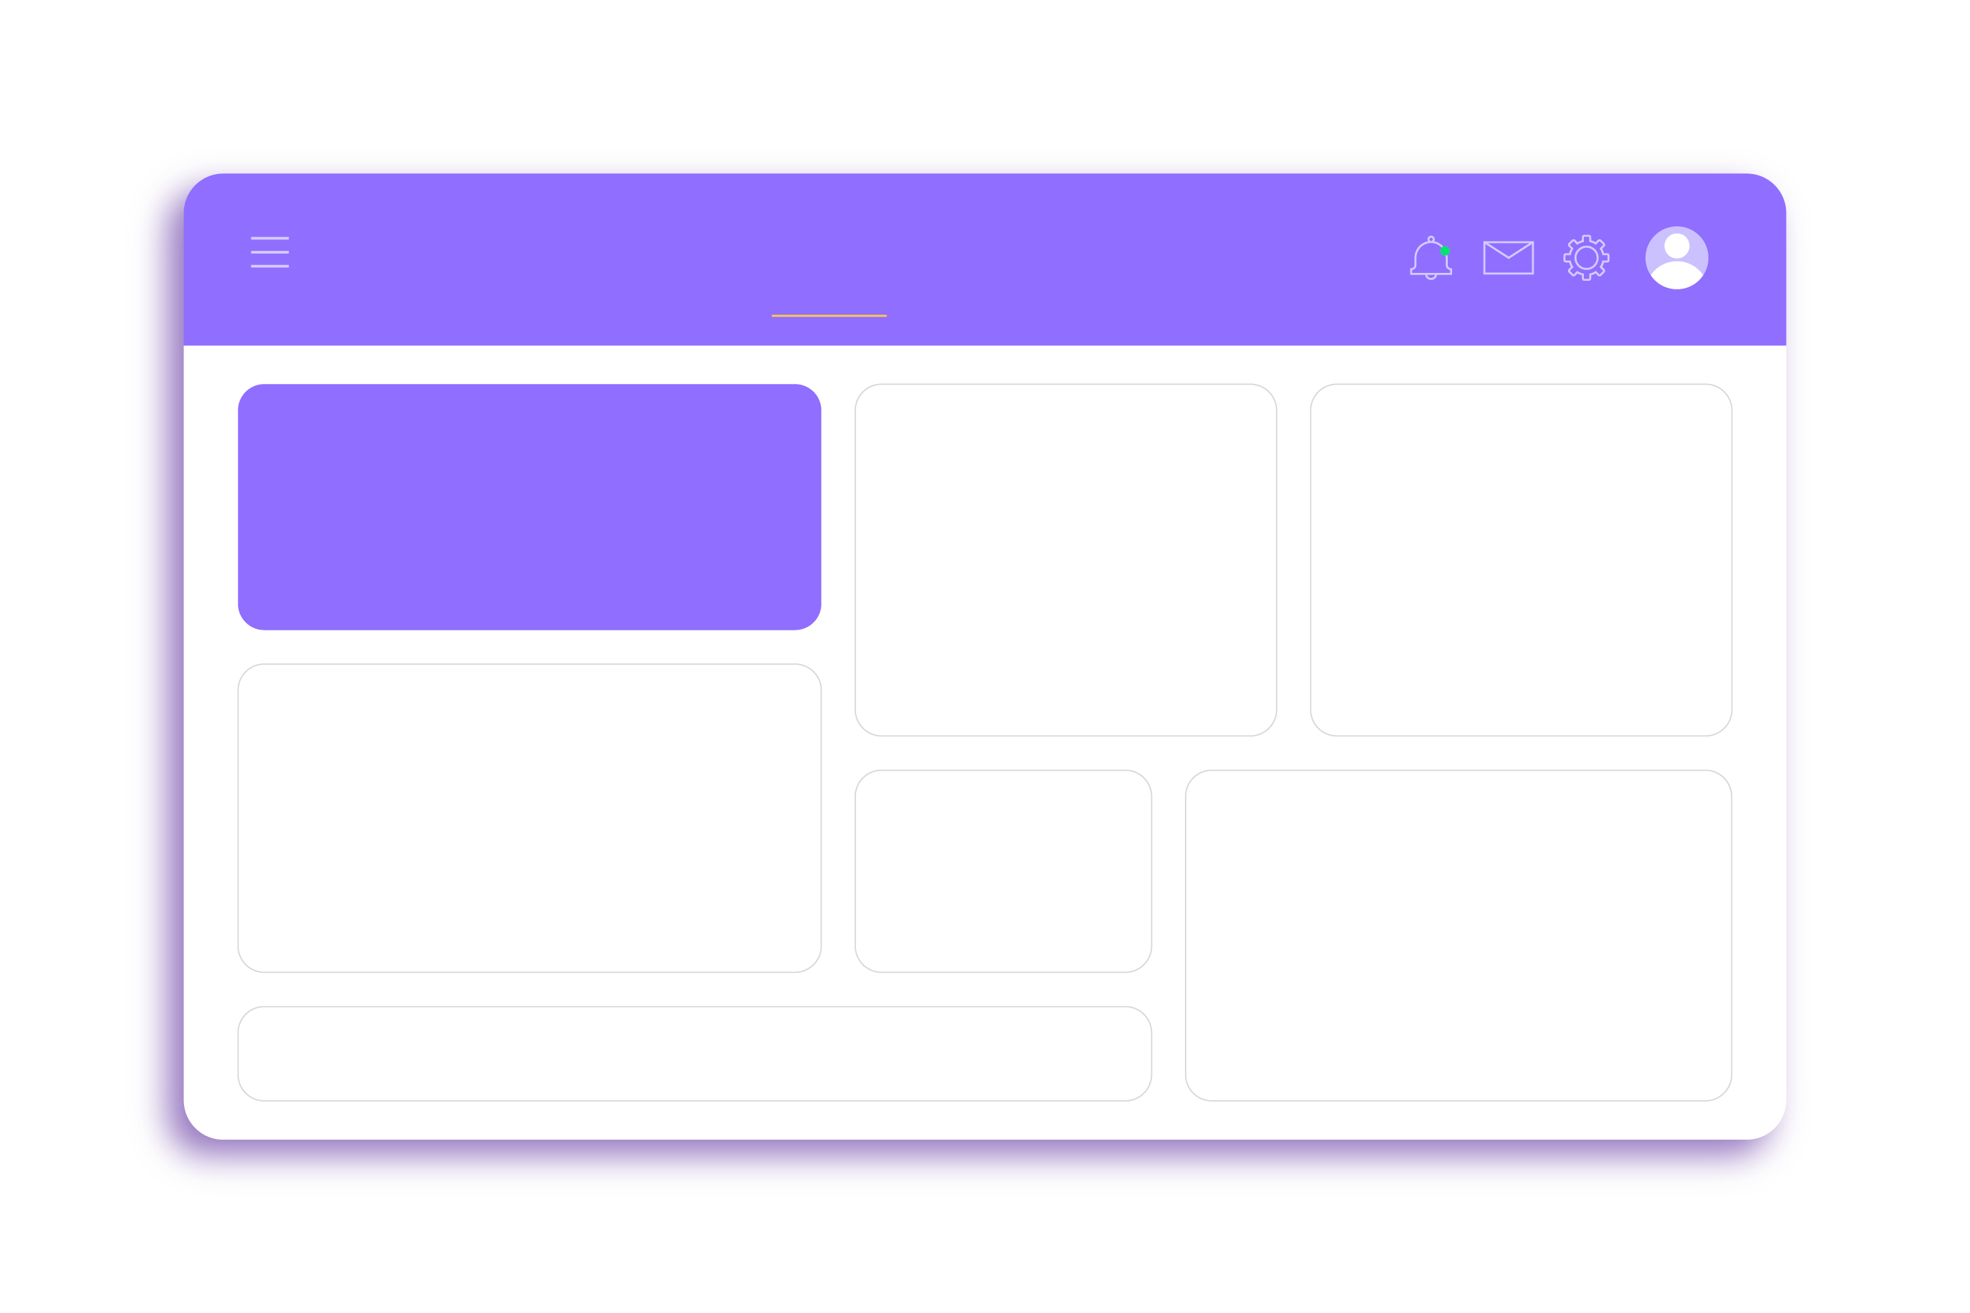
AUTOMATED SALES DASHBOARD
Sales Analytics Dashboard

Monthly Sales Trend
Sales by Category
Payment Method
 | Total
Beverages | 197047.5
Butchers | 208118
Computers and electric accessories | 190692.5
Electric household essentials | 203813.5
Food | 194812
Furniture | 195310
Milk Products | 180112
Patisserie | 182165.5
 | Total
Cash | 4310
Credit Card | 4121
Digital Wallet | 4144
 | Total
2022-01 | 52911.5
2022-02 | 43325.5
2022-03 | 40996
2022-04 | 40442
2022-05 | 40347.5
2022-06 | 42576
2022-07 | 44471.5
2022-08 | 41333.5
2022-09 | 46113.5
2022-10 | 38355
2022-11 | 41256.5
2022-12 | 38201
2023-01 | 48052.5
2023-02 | 39214.5
2023-03 | 38534.5
2023-04 | 38905.5
2023-05 | 40480.5
2023-06 | 42474
2023-07 | 45632.5
2023-08 | 38592
2023-09 | 41069
2023-10 | 38322
2023-11 | 37014
2023-12 | 43021
2024-01 | 47908.5
2024-02 | 37145
2024-03 | 42861.5
2024-04 | 46271
2024-05 | 43766.5
2024-06 | 44721
2024-07 | 41405
2024-08 | 43362
2024-09 | 42161.5
2024-10 | 42736.5
2024-11 | 44076
2024-12 | 48466.5
2025-01 | 25548.5

Quantity by Category
 | Quantity
Beverages | 8358
Butchers | 8206
Computers and electric accessories | 8272
Electric household essentials | 8309
Food | 8387
Furniture | 8462
Milk Products | 8339
Patisserie | 7943

Sales by Location
 | Total
In-store | 760670
Online | 791401
Top 10 Items

 | Sum of Total Spent
Item_19_MILK | ₹18,848.00
Item_20_BUT | ₹18,860.50
Item_22_BUT | ₹19,710.00
Item_23_BUT | ₹19,114.00
Item_24_FUR | ₹21,172.00
Item_25_BUT | ₹21,894.00
Item_25_EHE | ₹23,083.00
Item_25_FOOD | ₹20,541.00
Item_25_FUR | ₹25,256.00
Not Available | ₹79,072.50

Automated Sales Dashboard
Analyze • Track • Improve
 | Total
Profit | 7200
 | THIS YEAR
Income | 24100

