JHora
Chart | Date | Event
0 | 0 | 0
 | 0 | 0
0 | 0 | 0 |  |  |  |  |  |  |  |  |  |  |  |  |  |  |  |  |  |  |  |  |  |  |  |  |  |  |  |  | 0
*This sheet is indirect reference to 1st sheet from HoraGanakaData.xls.
You can keep many charts, pasted with basic information from Jagannatha Hora Software.
HoraGanakaData.xls will contain the 1st sheet with Selected data for calculation in this sheet (HoraGanaka.xls).
Basics: Sheet will contain the degrees etc of grahas pulled from this sheet.
0 | 0 | 0 |  |  |  |  |  |  |  |  |  |  |  |  |  |  |  |  |  |  |  |  |  |  |  |  |  |  |  |  | 0
0 | 0 | 0 |  |  |  |  |  |  |  |  |  |  |  |  |  |  |  |  |  |  |  |  |  |  |  |  |  |  |  |  | 0
0 | 0 | 0 |  |  |  |  |  |  |  |  |  |  |  |  |  |  |  |  |  |  |  |  |  |  |  |  |  |  |  |  | 0
0 | 0 | 0 |  |  |  |  |  |  |  |  |  |  |  |  |  |  |  |  |  |  |  |  |  |  |  |  |  |  |  |  | 0
0 | 0 | 0 |  |  |  |  |  |  |  |  |  |  |  |  |  |  |  |  |  |  |  |  |  |  |  |  |  |  |  |  | 0
0 | 0 | 0 |  |  |  |  |  |  |  |  |  |  |  |  |  |  |  |  |  |  |  |  |  |  |  |  |  |  |  |  | 0
0 | 0 | 0 |  |  |  |  |  |  |  |  |  |  |  |  |  |  |  |  |  |  |  |  |  |  |  |  |  |  |  |  | 0
0 | 0 | 0 |  |  |  |  |  |  |  |  |  |  |  |  |  |  |  |  |  |  |  |  |  |  |  |  |  |  |  |  | 0
0 | 0 | 0 |  |  |  |  |  |  |  |  |  |  |  |  |  |  |  |  |  |  |  |  |  |  |  |  |  |  |  |  | 0
0 | 0 | 0 |  |  |  |  |  |  |  |  |  |  |  |  |  |  |  |  |  |  |  |  |  |  |  |  |  |  |  |  | 0
0 | 0 | 0 |  |  |  |  |  |  |  |  |  |  |  |  |  |  |  |  |  |  |  |  |  |  |  |  |  |  |  |  | 0
0 | 0 | 0 |  |  |  |  |  |  |  |  |  |  |  |  |  |  |  |  |  |  |  |  |  |  |  |  |  |  |  |  | 0
0 | 0 | 0 |  |  |  |  |  |  |  |  |  |  |  |  |  |  |  |  |  |  |  |  |  |  |  |  |  |  |  |  | 0
0 | 0 | 0 |  |  |  |  |  |  |  |  |  |  |  |  |  |  |  |  |  |  |  |  |  |  |  |  |  |  |  |  | 0
0 | 0 | 0 |  |  |  |  |  |  |  |  |  |  |  |  |  |  |  |  |  |  |  |  |  |  |  |  |  |  |  |  | 0
0 | 0 | 0 |  |  |  |  |  |  |  |  |  |  |  |  |  |  |  |  |  |  |  |  |  |  |  |  |  |  |  |  | 0
0 | 0 | 0 |  |  |  |  |  |  |  |  |  |  |  |  |  |  |  |  |  |  |  |  |  |  |  |  |  |  |  |  | 0
0 | 0 | 0 |  |  |  |  |  |  |  |  |  |  |  |  |  |  |  |  |  |  |  |  |  |  |  |  |  |  |  |  | 0
0 | 0 | 0 |  |  |  |  |  |  |  |  |  |  |  |  |  |  |  |  |  |  |  |  |  |  |  |  |  |  |  |  | 0
0 | 0 | 0 |  |  |  |  |  |  |  |  |  |  |  |  |  |  |  |  |  |  |  |  |  |  |  |  |  |  |  |  | 0
0 | 0 | 0 |  |  |  |  |  |  |  |  |  |  |  |  |  |  |  |  |  |  |  |  |  |  |  |  |  |  |  |  | 0
0 | 0 | 0 |  |  |  |  |  |  |  |  |  |  |  |  |  |  |  |  |  |  |  |  |  |  |  |  |  |  |  |  | 0
0 | 0 | 0 |  |  |  |  |  |  |  |  |  |  |  |  |  |  |  |  |  |  |  |  |  |  |  |  |  |  |  |  | 0
0 | 0 | 0 |  |  |  |  |  |  |  |  |  |  |  |  |  |  |  |  |  |  |  |  |  |  |  |  |  |  |  |  | 0
0 | 0 | 0 |  |  |  |  |  |  |  |  |  |  |  |  |  |  |  |  |  |  |  |  |  |  |  |  |  |  |  |  | 0
0 | 0 | 0 |  |  |  |  |  |  |  |  |  |  |  |  |  |  |  |  |  |  |  |  |  |  |  |  |  |  |  |  | 0
0 | 0 | 0 |  |  |  |  |  |  |  |  |  |  |  |  |  |  |  |  |  |  |  |  |  |  |  |  |  |  |  |  | 0
0 | 0 | 0 |  |  |  |  |  |  |  |  |  |  |  |  |  |  |  |  |  |  |  |  |  |  |  |  |  |  |  |  | 0
0 | 0 | 0 |  |  |  |  |  |  |  |  |  |  |  |  |  |  |  |  |  |  |  |  |  |  |  |  |  |  |  |  | 0
0 | 0 | 0 |  |  |  |  |  |  |  |  |  |  |  |  |  |  |  |  |  |  |  |  |  |  |  |  |  |  |  |  | 0
0 | 0 | 0 |  |  |  |  |  |  |  |  |  |  |  |  |  |  |  |  |  |  |  |  |  |  |  |  |  |  |  |  | 0
0 | 0 | 0 |  |  |  |  |  |  |  |  |  |  |  |  |  |  |  |  |  |  |  |  |  |  |  |  |  |  |  |  | 0
0 | 0 | 0 |  |  |  |  |  |  |  |  |  |  |  |  |  |  |  |  |  |  |  |  |  |  |  |  |  |  |  |  | 0
0 | 0 | 0 |  |  |  |  |  |  |  |  |  |  |  |  |  |  |  |  |  |  |  |  |  |  |  |  |  |  |  |  | 0
0 | 0 | 0 |  |  |  |  |  |  |  |  |  |  |  |  |  |  |  |  |  |  |  |  |  |  |  |  |  |  |  |  | 0
0 | 0 | 0 |  |  |  |  |  |  |  |  |  |  |  |  |  |  |  |  |  |  |  |  |  |  |  |  |  |  |  |  | 0
0 | 0 | 0 |  |  |  |  |  |  |  |  |  |  |  |  |  |  |  |  |  |  |  |  |  |  |  |  |  |  |  |  | 0
0 | 0 | 0 |  |  |  |  |  |  |  |  |  |  |  |  |  |  |  |  |  |  |  |  |  |  |  |  |  |  |  |  | 0
0 | 0 | 0 |  |  |  |  |  |  |  |  |  |  |  |  |  |  |  |  |  |  |  |  |  |  |  |  |  |  |  |  | 0
0 | 0 | 0 |  |  |  |  |  |  |  |  |  |  |  |  |  |  |  |  |  |  |  |  |  |  |  |  |  |  |  |  | 0
0 | 0 | 0 |  |  |  |  |  |  |  |  |  |  |  |  |  |  |  |  |  |  |  |  |  |  |  |  |  |  |  |  | 0
0 | 0 | 0 |  |  |  |  |  |  |  |  |  |  |  |  |  |  |  |  |  |  |  |  |  |  |  |  |  |  |  |  | 0
0 | 0 | 0 |  |  |  |  |  |  |  |  |  |  |  |  |  |  |  |  |  |  |  |  |  |  |  |  |  |  |  |  | 0
0 | 0 | 0 |  |  |  |  |  |  |  |  |  |  |  |  |  |  |  |  |  |  |  |  |  |  |  |  |  |  |  |  | 0
0 | 0 | 0 |  |  |  |  |  |  |  |  |  |  |  |  |  |  |  |  |  |  |  |  |  |  |  |  |  |  |  |  | 0
0 | 0 | 0 |  |  |  |  |  |  |  |  |  |  |  |  |  |  |  |  |  |  |  |  |  |  |  |  |  |  |  |  | 0
0 | 0 | 0 |  |  |  |  |  |  |  |  |  |  |  |  |  |  |  |  |  |  |  |  |  |  |  |  |  |  |  |  | 0
0 | 0 | 0 |  |  |  |  |  |  |  |  |  |  |  |  |  |  |  |  |  |  |  |  |  |  |  |  |  |  |  |  | 0
0 | 0 | 0 |  |  |  |  |  |  |  |  |  |  |  |  |  |  |  |  |  |  |  |  |  |  |  |  |  |  |  |  | 0
0 | 0 | 0 |  |  |  |  |  |  |  |  |  |  |  |  |  |  |  |  |  |  |  |  |  |  |  |  |  |  |  |  | 0
0 | 0 | 0 |  |  |  |  |  |  |  |  |  |  |  |  |  |  |  |  |  |  |  |  |  |  |  |  |  |  |  |  | 0
0 | 0 | 0 |  |  |  |  |  |  |  |  |  |  |  |  |  |  |  |  |  |  |  |  |  |  |  |  |  |  |  |  | 0
0 | 0 | 0 |  |  |  |  |  |  |  |  |  |  |  |  |  |  |  |  |  |  |  |  |  |  |  |  |  |  |  |  | 0
0 | 0 | 0 |  |  |  |  |  |  |  |  |  |  |  |  |  |  |  |  |  |  |  |  |  |  |  |  |  |  |  |  | 0
0 | 0 | 0 |  |  |  |  |  |  |  |  |  |  |  |  |  |  |  |  |  |  |  |  |  |  |  |  |  |  |  |  | 0
0 | 0 | 0 |  |  |  |  |  |  |  |  |  |  |  |  |  |  |  |  |  |  |  |  |  |  |  |  |  |  |  |  | 0
0 | 0 | 0 |  |  |  |  |  |  |  |  |  |  |  |  |  |  |  |  |  |  |  |  |  |  |  |  |  |  |  |  | 0
0 | 0 | 0 |  |  |  |  |  |  |  |  |  |  |  |  |  |  |  |  |  |  |  |  |  |  |  |  |  |  |  |  | 0
0 | 0 | 0 |  |  |  |  |  |  |  |  |  |  |  |  |  |  |  |  |  |  |  |  |  |  |  |  |  |  |  |  | 0
0 | 0 | 0 |  |  |  |  |  |  |  |  |  |  |  |  |  |  |  |  |  |  |  |  |  |  |  |  |  |  |  |  | 0
0 | 0 | 0 |  |  |  |  |  |  |  |  |  |  |  |  |  |  |  |  |  |  |  |  |  |  |  |  |  |  |  |  | 0
0 | 0 | 0 |  |  |  |  |  |  |  |  |  |  |  |  |  |  |  |  |  |  |  |  |  |  |  |  |  |  |  |  | 0
0 | 0 | 0 |  |  |  |  |  |  |  |  |  |  |  |  |  |  |  |  |  |  |  |  |  |  |  |  |  |  |  |  | 0
0 | 0 | 0 |  |  |  |  |  |  |  |  |  |  |  |  |  |  |  |  |  |  |  |  |  |  |  |  |  |  |  |  | 0
0 | 0 | 0 |  |  |  |  |  |  |  |  |  |  |  |  |  |  |  |  |  |  |  |  |  |  |  |  |  |  |  |  | 0
0 | 0 | 0 |  |  |  |  |  |  |  |  |  |  |  |  |  |  |  |  |  |  |  |  |  |  |  |  |  |  |  |  | 0
0 | 0 | 0 |  |  |  |  |  |  |  |  |  |  |  |  |  |  |  |  |  |  |  |  |  |  |  |  |  |  |  |  | 0
0 | 0 | 0 |  |  |  |  |  |  |  |  |  |  |  |  |  |  |  |  |  |  |  |  |  |  |  |  |  |  |  |  | 0
0 | 0 | 0 |  |  |  |  |  |  |  |  |  |  |  |  |  |  |  |  |  |  |  |  |  |  |  |  |  |  |  |  | 0
0 | 0 | 0 |  |  |  |  |  |  |  |  |  |  |  |  |  |  |  |  |  |  |  |  |  |  |  |  |  |  |  |  | 0
0 | 0 | 0 |  |  |  |  |  |  |  |  |  |  |  |  |  |  |  |  |  |  |  |  |  |  |  |  |  |  |  |  | 0
0 | 0 | 0 |  |  |  |  |  |  |  |  |  |  |  |  |  |  |  |  |  |  |  |  |  |  |  |  |  |  |  |  | 0
0 | 0 | 0 |  |  |  |  |  |  |  |  |  |  |  |  |  |  |  |  |  |  |  |  |  |  |  |  |  |  |  |  | 0
0 | 0 | 0 |  |  |  |  |  |  |  |  |  |  |  |  |  |  |  |  |  |  |  |  |  |  |  |  |  |  |  |  | 0
0 | 0 | 0 |  |  |  |  |  |  |  |  |  |  |  |  |  |  |  |  |  |  |  |  |  |  |  |  |  |  |  |  | 0
0 | 0 | 0 |  |  |  |  |  |  |  |  |  |  |  |  |  |  |  |  |  |  |  |  |  |  |  |  |  |  |  |  | 0
0 | 0 | 0 |  |  |  |  |  |  |  |  |  |  |  |  |  |  |  |  |  |  |  |  |  |  |  |  |  |  |  |  | 0
0 | 0 | 0 |  |  |  |  |  |  |  |  |  |  |  |  |  |  |  |  |  |  |  |  |  |  |  |  |  |  |  |  | 0
0 | 0 | 0 |  |  |  |  |  |  |  |  |  |  |  |  |  |  |  |  |  |  |  |  |  |  |  |  |  |  |  |  | 0
0 | 0 | 0 |  |  |  |  |  |  |  |  |  |  |  |  |  |  |  |  |  |  |  |  |  |  |  |  |  |  |  |  | 0
0 | 0 | 0 |  |  |  |  |  |  |  |  |  |  |  |  |  |  |  |  |  |  |  |  |  |  |  |  |  |  |  |  | 0
0 | 0 | 0 |  |  |  |  |  |  |  |  |  |  |  |  |  |  |  |  |  |  |  |  |  |  |  |  |  |  |  |  | 0
0 | 0 | 0 |  |  |  |  |  |  |  |  |  |  |  |  |  |  |  |  |  |  |  |  |  |  |  |  |  |  |  |  | 0
0 | 0 | 0 |  |  |  |  |  |  |  |  |  |  |  |  |  |  |  |  |  |  |  |  |  |  |  |  |  |  |  |  | 0
0 | 0 | 0 |  |  |  |  |  |  |  |  |  |  |  |  |  |  |  |  |  |  |  |  |  |  |  |  |  |  |  |  | 0
0 | 0 | 0 |  |  |  |  |  |  |  |  |  |  |  |  |  |  |  |  |  |  |  |  |  |  |  |  |  |  |  |  | 0
0 | 0 | 0 |  |  |  |  |  |  |  |  |  |  |  |  |  |  |  |  |  |  |  |  |  |  |  |  |  |  |  |  | 0
0 | 0 | 0 |  |  |  |  |  |  |  |  |  |  |  |  |  |  |  |  |  |  |  |  |  |  |  |  |  |  |  |  | 0
0 | 0 | 0 |  |  |  |  |  |  |  |  |  |  |  |  |  |  |  |  |  |  |  |  |  |  |  |  |  |  |  |  | 0
0 | 0 | 0 |  |  |  |  |  |  |  |  |  |  |  |  |  |  |  |  |  |  |  |  |  |  |  |  |  |  |  |  | 0
0 | 0 | 0 |  |  |  |  |  |  |  |  |  |  |  |  |  |  |  |  |  |  |  |  |  |  |  |  |  |  |  |  | 0
0 | 0 | 0 |  |  |  |  |  |  |  |  |  |  |  |  |  |  |  |  |  |  |  |  |  |  |  |  |  |  |  |  | 0
0 | 0 | 0 |  |  |  |  |  |  |  |  |  |  |  |  |  |  |  |  |  |  |  |  |  |  |  |  |  |  |  |  | 0
0 | 0 | 0 |  |  |  |  |  |  |  |  |  |  |  |  |  |  |  |  |  |  |  |  |  |  |  |  |  |  |  |  | 0
0 | 0 | 0 |  |  |  |  |  |  |  |  |  |  |  |  |  |  |  |  |  |  |  |  |  |  |  |  |  |  |  |  | 0
0 | 0 | 0 |  |  |  |  |  |  |  |  |  |  |  |  |  |  |  |  |  |  |  |  |  |  |  |  |  |  |  |  | 0
0 | 0 | 0 |  |  |  |  |  |  |  |  |  |  |  |  |  |  |  |  |  |  |  |  |  |  |  |  |  |  |  |  | 0
0 | 0 | 0 |  |  |  |  |  |  |  |  |  |  |  |  |  |  |  |  |  |  |  |  |  |  |  |  |  |  |  |  | 0
0 | 0 | 0 |  |  |  |  |  |  |  |  |  |  |  |  |  |  |  |  |  |  |  |  |  |  |  |  |  |  |  |  | 0
0 | 0 | 0 |  |  |  |  |  |  |  |  |  |  |  |  |  |  |  |  |  |  |  |  |  |  |  |  |  |  |  |  | 0
0 | 0 | 0 |  |  |  |  |  |  |  |  |  |  |  |  |  |  |  |  |  |  |  |  |  |  |  |  |  |  |  |  | 0
0 | 0 | 0 |  |  |  |  |  |  |  |  |  |  |  |  |  |  |  |  |  |  |  |  |  |  |  |  |  |  |  |  | 0
0 | 0 | 0 |  |  |  |  |  |  |  |  |  |  |  |  |  |  |  |  |  |  |  |  |  |  |  |  |  |  |  |  | 0
0 | 0 | 0 |  |  |  |  |  |  |  |  |  |  |  |  |  |  |  |  |  |  |  |  |  |  |  |  |  |  |  |  | 0
0 | 0 | 0 | 0 | 0 | 0 | 0 | 0 | 0 | 0 | 0 | 0 | 0 | 0 | 0 | 0 | 0 | 0 | 0 | 0 | 0 | 0 | 0 | 0 | 0 | 0 | 0 | 0 | 0 | 0 | 0 | 0

NavaTara
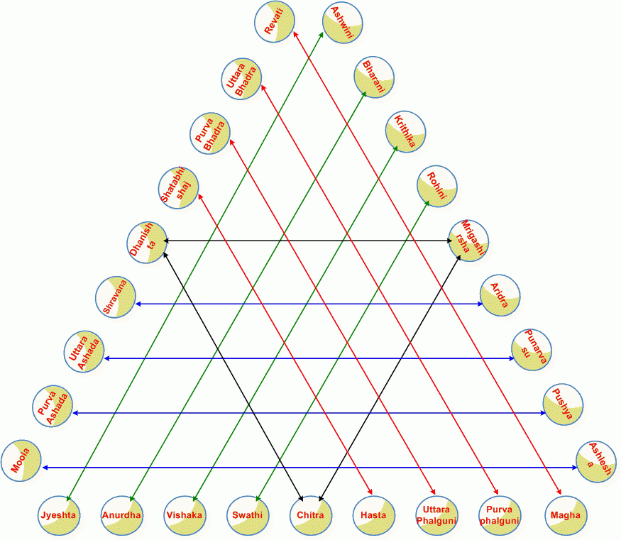
 |  |  |  |  |  |  |  | 27 | 1
 |  |  |  |  |  |  | 26 |  |  | 2
 |  |  |  |  |  | 25 |  |  |  |  | 3
 |  |  |  |  | 24 |  |  |  |  |  |  | 4
 |  |  |  | 23 |  |  |  |  |  |  |  |  | 5
 |  |  | 22 |  |  |  |  |  |  |  |  |  |  | 6
 |  | 21 |  |  |  |  |  |  |  |  |  |  |  |  | 7
 | 20 |  |  |  |  |  |  |  |  |  |  |  |  |  |  | 8
19 |  |  |  |  |  |  |  |  |  |  |  |  |  |  |  |  | 9
18 |  | 17 |  | 16 |  | 15 |  | 14 |  | 13 |  | 12 |  | 11 |  | 10

