FITARA Graphic - The Good Chart
 |  | Your name | Sanjay Rajpal

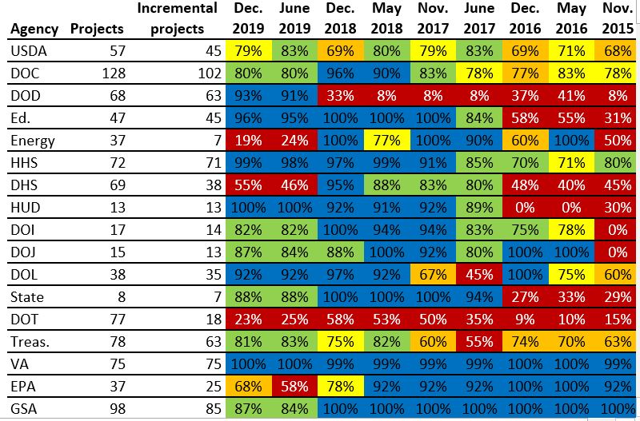 |  | For this graphic, what do you see first? | - For this graph the first thing I noticed was that there was a lot of deep blue color indicating higher percentages. - There are other very dark contrasting colors as well which .

 |  | Make a note of the first idea that forms in your mind and then search for more. | - There is information about different agencies and their projects. - As the time progressed from late 2015 to end 2019 most agencies had higher percentage values.

 | Source: FITARA 9.0 scorecard, December 2019 as referenced in:

 | Federal News Network. “Agilefall: The Place between Agile and Waterfall Development Where Most Agencies Live,” June 9, 2020. https://federalnewsnetwork.com/reporters-notebook-jason-miller/2020/06/agilefall-the-place-between-agile-and-waterfall-development-where-most-agencies-live/ (Links to an external site.).

 | What I like | What I dislike | What I wish I saw
 | - I liked that there are a different contrasting colors used that signify different levels of agile adoption by agencies. - They used bold horizontal lines which made it easy to follow the rows for each agency. | - The deep/dark shades of all colors used cause a lot of distraction and lead to eye travel and did not let me focus on any one point. I feel having a red to green scheme would have helped with context more. - The timeline was reversed. The timeline used is from right to left instead of left to right which made it very confusing to read the graphic. | - A better color Scheme. Like using a color scheme between Green to red for the different categories showing red for the lower percentages and Green for the higher percentages. - The Agencies were not sorted in any particular order either based on projects or incremental projects. - The title of the Graph which would help understand the context. "Adoption of Agilefall methodology in Agencies" could have helped establish that the graph talks about adoption percentage. - Source of the graph as a footnote to establish credibility of data.

 | What are three things you'd change, and why?
 | I would change... | because....
 | I would change the color scheme used | The color scheme is skewed in percentage value and not equally distributed. I would use a more gradual gradation as shown in the prototype to the right.
 | The order in which the Agencies are ordered | Arranging the agencies would help identify the extent of improvement based on the number of projects by sorting them from heighest number of projects to lowest.
 | Try a different form of graph like tangled lines | The tangled lines with different colors for different agencies would help identify the agencies. The timeline from left to right on x axis and percentage on y axis would help better understand the progress made by each agency. This would also help us understand any patters or trends in the adoption percentage for all agencies.

 | References: Berinato, S. (2016). Good charts: The HBR guide to making smarter, more persuasive data visualizations.

CNBC Graphic - The Good Charts
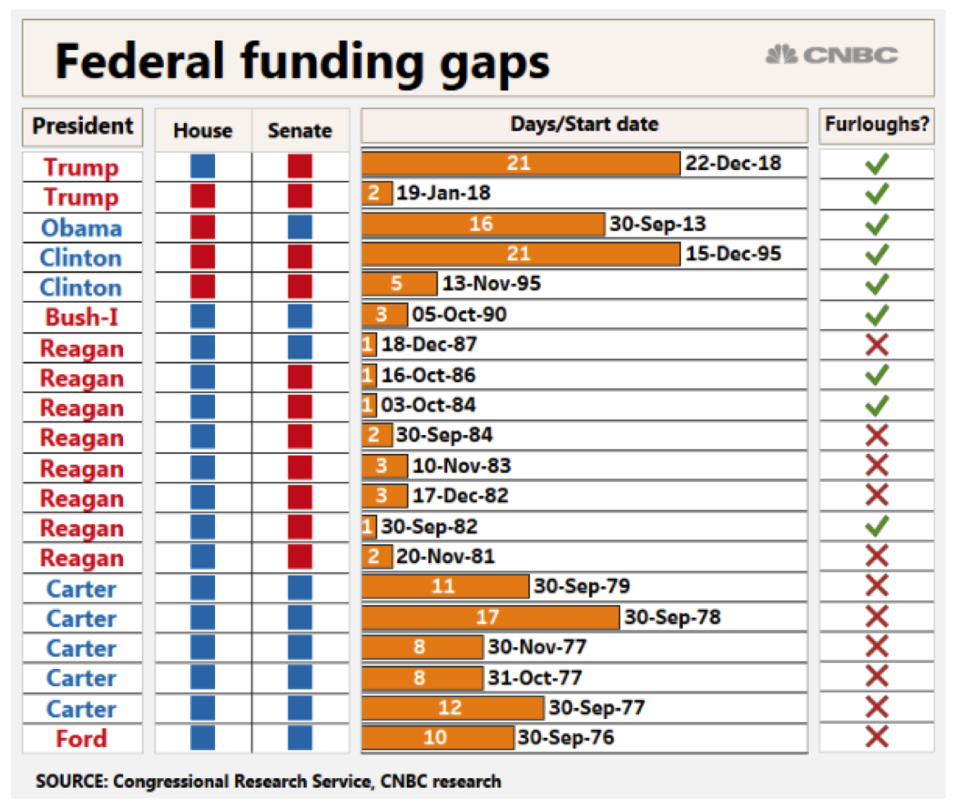
 | Your name | Sanjay Rajpal

 | For this graphic, what do you see first? | - I saw the two colors showing the Republican and Democratic party and immediately thought that this graph is comparing the gap in federal funding for the two but that was not the case. - The next thing I noticed was that the graphic looked very busy and was filled with data that was not relevant to the information that it was intended to convey (The funding gaps) e.g. furloughs, the status of house and senate, etc.

 | Make a note of the first idea that forms in your mind and then search for more. | - At first I thought the aim of the graph was to show the comparison of the funding gaps. - The Democratic party has held the house for longer time compared to Democratic. - The Funding Gaps have been the lowest under President Regan.

Article: https://www.cnbc.com/2019/01/10/government-shutdown-ties-for-longest-ever-amid-border-wall-fight.html

What I like | What I dislike | What I wish I saw
- The graphic has a heading/title which gave some context. - The CNBC logo clarifies the source and makes me believe that the data is credible. | - The colors were distracting. The use of color could have been reduced. I would remove unncessary columns which would help with the distracting colors. -There was a lot of unrequired information in the form of columns that could have been avoided (House, Senate, President and Furloughs). - The date labels were making the graphic look very cluttered. | - the total funding so that we could compare the funding gaps for the different times shown. - Sorting the gaps based on the number of days to understand the pattern of the highest gaps.

What are three things you'd change, and why?
I would change... | because....
Formatting of the graphic and remove extra columns | The extra columns such as House, Senate, President and Furloughs do not add any value to the graphic.
The order and grouping. I would group the ones in same year and order them from longest gap (in no of days to the shortest) | That would reduce the number of rows and help us focus on the important data and trend.
The color of the bars used in the graph | I would only use one color to showcase the recent gaps and grey out the rest since they are not relevant to the audience and may distract the audience.

References: Berinato, S. (2016). Good charts: The HBR guide to making smarter, more persuasive data visualizations.

The Good Charts Matrix
Name of visualization | Design execution (-10 is poor, 10 is excellent) | Contextual awareness (-10 is low, 10 is high)
FITARA | 3 | -6
CNBC | 4 | 3

Contextual awareness = what am I trying to say, to whom, and where?
The Good Charts Matrix

Reference: Berinato, S. (2016). Good charts: The HBR guide to making smarter, more persuasive data visualizations.

