Assignment
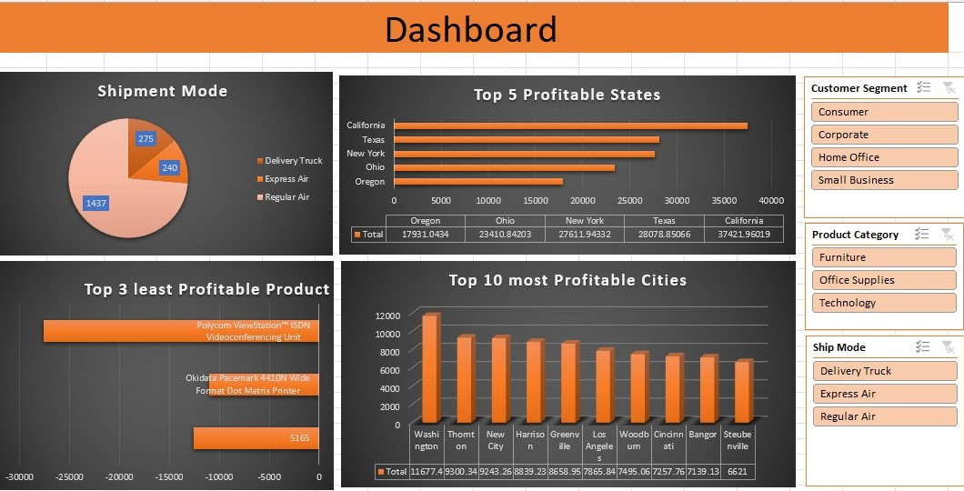
 | Import file ' Sales Data set ' with use of Power Query.
 | Sales Data set' contains 3 sheets, use Power Pivot to establish relationship, Query to Clean and upload the data into Data Model.
 | Create different Reports, Use maximum features offered in power pivot. Use Different types of appropriate Graphs/Charts
 | Use Slicers, Timeline, Formatting techniques to create a Dashboard.
 | Analyze the Dataset and Create a Dashboard.

 | Sample Reports:
 | Most Used Shipment Mode
 | Top 5 Profitable States
 | Top 3 least Profitable Product Sub- Categories
 | Top 10 most Profitable Cities

 | And any new insights you can gain out of the data

NOTE: | You can choose chart as per your preference, Below screenshot is added just for your reference

DashBoard
Dashboard

Shipment Mode
 | Total
Delivery Truck | 275
Express Air | 240
Regular Air | 1437
Top 5 Profitable States
 | Total
Oregon | 17931
Ohio | 23411
New York | 27612
Texas | 28079
California | 37422

Top 3 Least Profitable Product
 | Total
5165 | -12549
Okidata Pacemark 4410N Wide Format Dot Matrix Printer | -11000
Polycom ViewStation™ ISDN Videoconferencing Unit | -27621
Top 10 most Profitable Cities
 | Total
Washington | 11677
Thornton | 9300
New City | 9243
Harrison | 8839
Greenville | 8659
Los Angeles | 7866
Woodburn | 7495
Cincinnati | 7258
Bangor | 7139
Steubenville | 6621

Cities
Top 10 most Profitable Cities
Row Labels | Sum of Profit
Washington | 11677
Thornton | 9300
New City | 9243
Harrison | 8839
Greenville | 8659
Los Angeles | 7866
Woodburn | 7495
Cincinnati | 7258
Bangor | 7139
Steubenville | 6621
Grand Total | 84098

Product
Top 3 Least Profitable Product
Row Labels | Sum of Profit
5165 | -12549
Okidata Pacemark 4410N Wide Format Dot Matrix Printer | -11000
Polycom ViewStation™ ISDN Videoconferencing Unit | -27621
Grand Total | -51170

States
Top 5 Profitable States
Row Labels | Sum of Profit
Oregon | 17931
Ohio | 23411
New York | 27612
Texas | 28079
California | 37422
Grand Total | 134455

Shipment
Shipment Mode
Row Labels | Count of Order Priority
Delivery Truck | 275
Express Air | 240
Regular Air | 1437
Grand Total | 1952

