Sheet1
Project Name | Para_Bank_Defect_Report
Prepared By | Sanju Antony
Reviewed By | Neha P

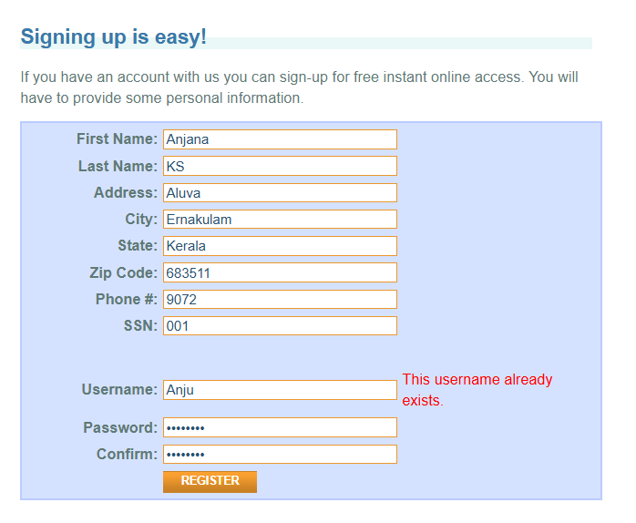

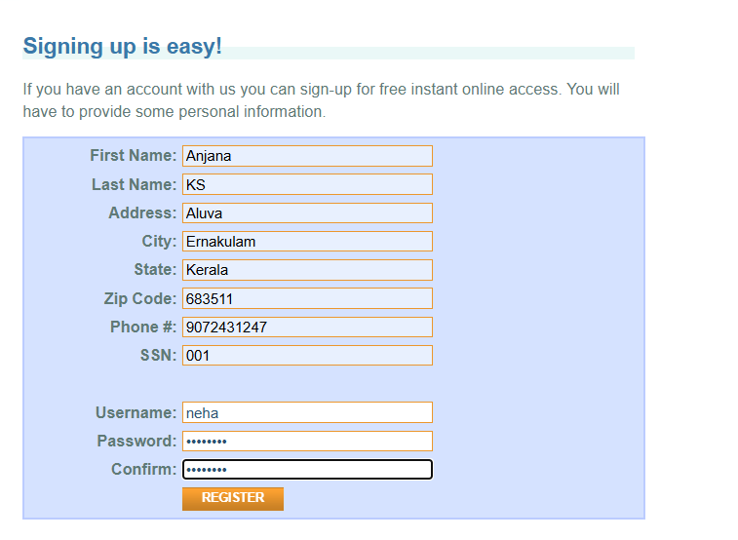
Defect Id | Brief Description | Steps to reproduce | Module Name | Device | Severity | Priority | Status | Expected results | Actual results | Attachments
defect_001 | In the Registration module, the system allows users to register even when invalid Phone number is provided | 1.Navigate the link https://parabank.parasoft.com/parabank/index.htm 2.Click register 3.Enter First Name: Sanju 4.Enter Last Name: 5.Enter Address: 6.Enter City: 7.Enter State: 8.Enter Zip Code: 9.Enter invalid Phone number 10.Enter SSN: 11.Enter Username: 12.Enter Password: 13.Click Confirm | Registration Module | Windows 11 | High | High | New | The system Should not allows users to register even when invalid Phone number is provided | The system allows users to register even when invalid Phone number is provided
defect_002 | System allows multiple account registrations with same personal details | 1.Navigate the link https://parabank.parasoft.com/parabank/index.htm 2.Click register 3.Type First Name: 4.Type Last Name: 5.Type Address: 6.Type City: 7.TypeState: 8.TypeZip Code: 9.Type Phone 10.Type SSN: 11.Type Username: 12.Type Password: 13.Click Confirm | Registration Module | Windows 11 | Medium | Medium | New | System should not allows multiple account registrations with same personal details | System allows multiple account registrations with same personal details
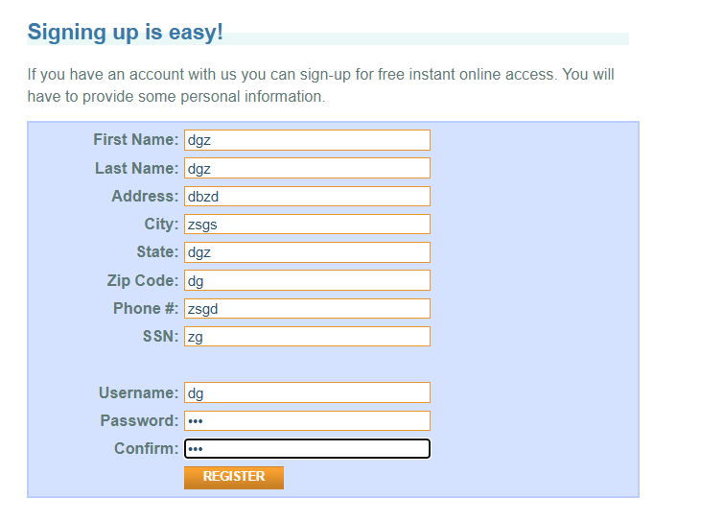

defect_003 | System allows registration with invalid personal details | 1.Navigate the link https://parabank.parasoft.com/parabank/index.htm 2.Click register 3.Type invalid First Name: 4.Type invalid Last Name: 5.Type invalid Address: 6.Type invalid City: 7.Type invalid State: 8.Type invalid Zip Code: 9.Type invalid Phone 10.Type SSN: 11.Type Username: 12.Type Password: 13.Click Confirm | Registration Module | Windows 11 | Medium | Medium | New | System should not allows registration with invalid personal details | System allows registration with invalid personal details
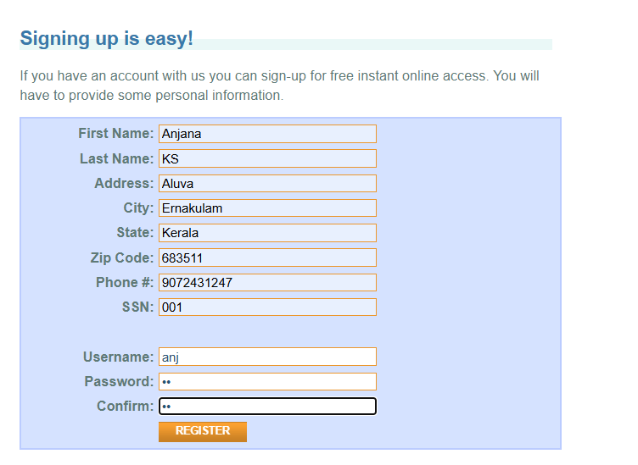
defect_004 | System allows registration with week password | 1.Navigate the link https://parabank.parasoft.com/parabank/index.htm 2.Click register 3.Enter First Name: 4.Enter Last Name: 5.Enter Address: 6.Enter City: 7.Enter State: 8.Enter Zip Code: 9.Enter invalid Phone number 10.Enter SSN: 11.Enter Username: 12.Enter week Password: 10 13.Click Confirm | Registration Module | Windows 11 | Medium | Medium | New | System should not allows registration with week password | System allows registration with week password
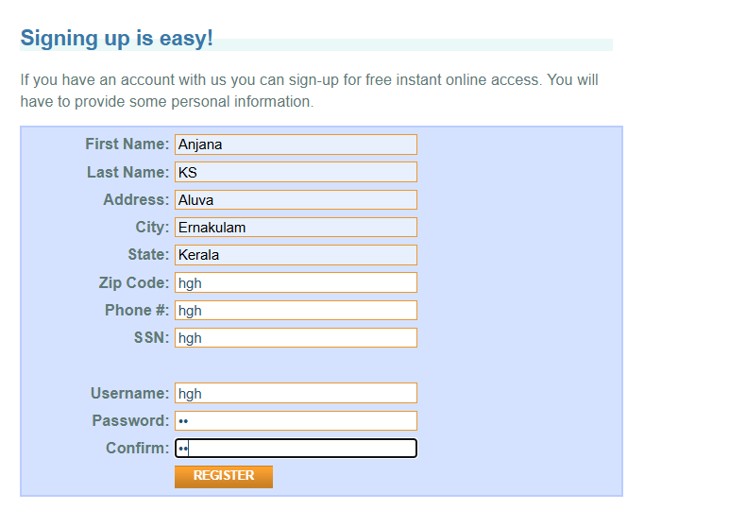

defect_005 | The phone number field in the registration form accepts letters instead of only numeric values. | 1.Navigate the link https://parabank.parasoft.com/parabank/index.htm 2.Click register 3.Enter First Name: 4.Enter Last Name: 5.Enter Address: 6.Enter City: 7.Enter State: 8.Enter Zip Code: 9.Enter invalid Phone number:hgh 10.Enter SSN: 11.Enter Username: 12.Enter Password: 13.Click Confirm | Registration Module | Windows 11 | Medium | Medium | New | The phone number field in the registration form should not accepts letters instead of only numeric values. | The phone number field in the registration form accepts letters instead of only numeric values.
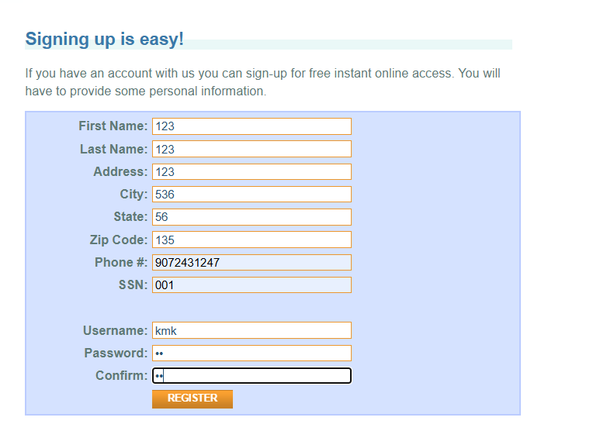

defect_006 | System allows numbers in First Name and Last Name fields during registration | 1.Navigate the link https://parabank.parasoft.com/parabank/index.htm 2.Click register 3.Enter First Name:123 4.Enter Last Name:123 5.Enter Address: 6.Enter City: 7.Enter State: 8.Enter Zip Code: 9.Enter Phone number 10.Enter SSN: 11.Enter Username: 12.Enter Password: 13.Click Confirm | Registration Module | Windows 11 | Medium | Medium | New | System should not allows numbers in First Name and Last Name fields during registration | System allows numbers in First Name and Last Name fields during registration
defect_007 | The Solutions button on the homepage is not working when the user clicks on it. The button does not navigate to any page or perform any action. | 1.Navigate the link https://parabank.parasoft.com/parabank/index.htm 2.Enter user name 3.Enter password 4.click Solution button | Homepage Module | Windows 11 | Low | Low | New | The system should navigate to the Solutions page or display the related information when the button is clicked. | The system shouldnot navigate to the Solutions page or display the related information when the button is clicked.
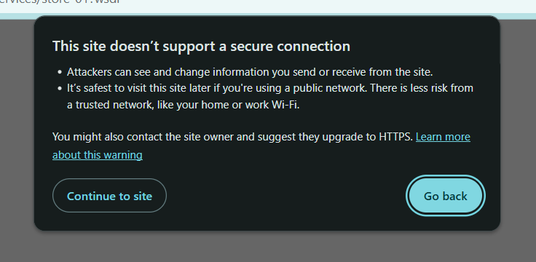
defect_008 | WSDK links are not working when clicked | 1.Navigate the link https://parabank.parasoft.com/parabank/index.htm 2.Enter user name 3.Enter password 4.click Service button 5.click http://parabank.parasoft.com:8080/parabank/services/store-01?wsdl | Services Page Module | Windows 11 | Medium | Medium | New | The corresponding WSDK page should open | Clicking the link does nothing; the page does not load
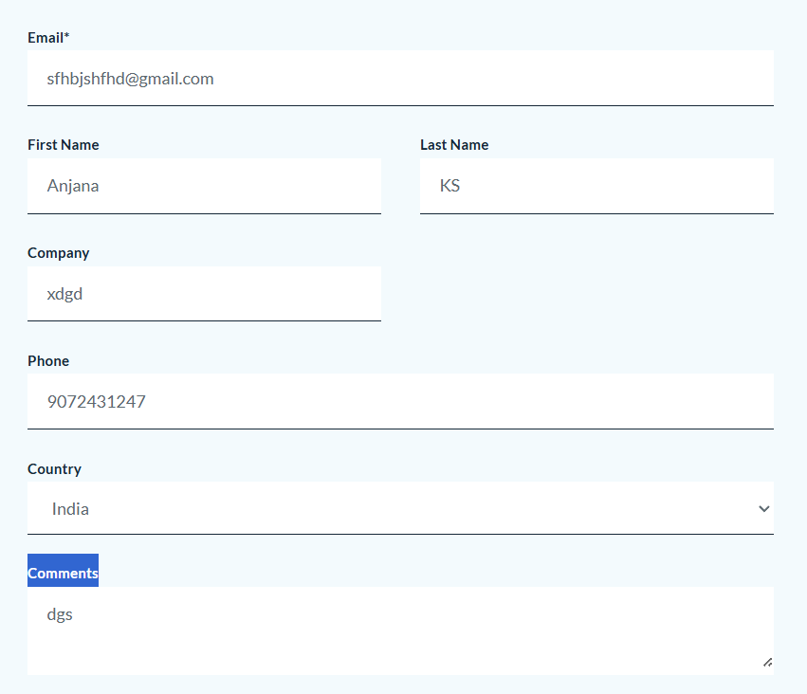
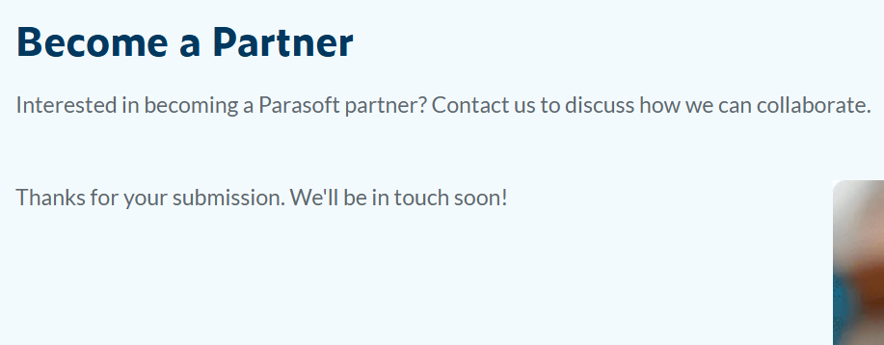
defect_009 | Review submission succeeds with an invalid email ID when clicking “Partner” | 1.Navigate the link https://parabank.parasoft.com/parabank/index.htm 2.Enter user name 3.Enter password 4.click location button 5.click partners 6.enter invalid mail id: sfhbjshfhd@gmail.com 7.First Name 8.enter Last Name 9.enter Company 10.Phone 11.enter Country 12.enter Comments 13.submit | Location | Windows 11 | High | High | New | The system should show an error and prevent submission with an invalid email | Review is submitted successfully despite the invalid email
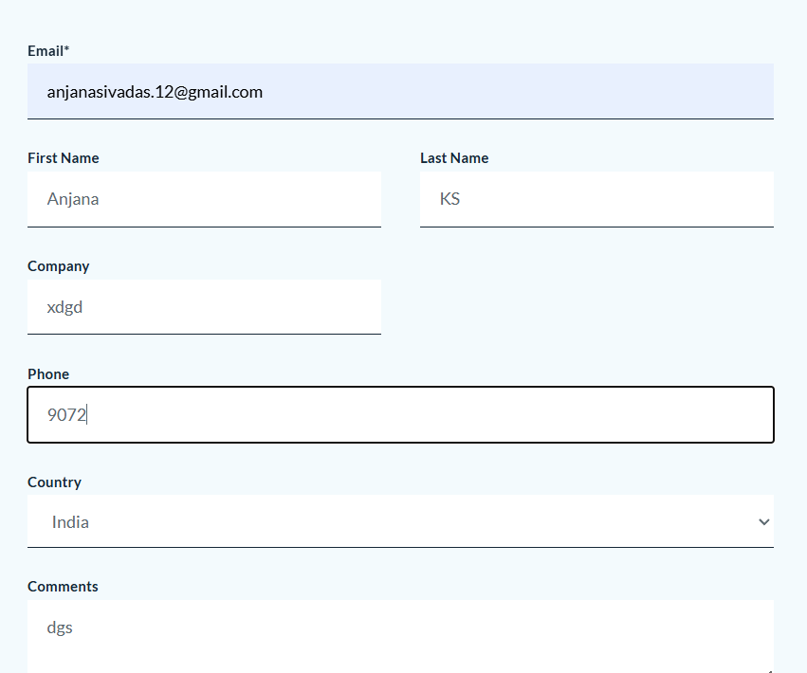

defect_010 | Review submission succeeds with an invalid phone number when clicking “Partner” | 1.Navigate the link https://parabank.parasoft.com/parabank/index.htm 2.Enter user name 3.Enter password 4.click location button 5.click partners 6.enter mail id 7.First Name 8.enter Last Name 9.enter Company 10.Enter invalid Phone number: 9072 11.enter Country 12.enter Comments 13.submit | Location | Windows 11 | High | High | New | The system should show an error and prevent submission with an invalid phone number | Review is submitted successfully despite the invalid phone number
defect_011 | App allows subscription with an invalid email ID | 1.Navigate the link https://parabank.parasoft.com/parabank/index.htm 2.Enter user name 3.Enter password 4.click location button 5.click Parasoft Blog 6.Enter invalid mail id:hgfdgfjhcjhg@gmail.com 7.submit | Location | Windows 11 | High | High | New | The system should display an error and prevent subscription with an invalid email | Subscription is successful despite the invalid email
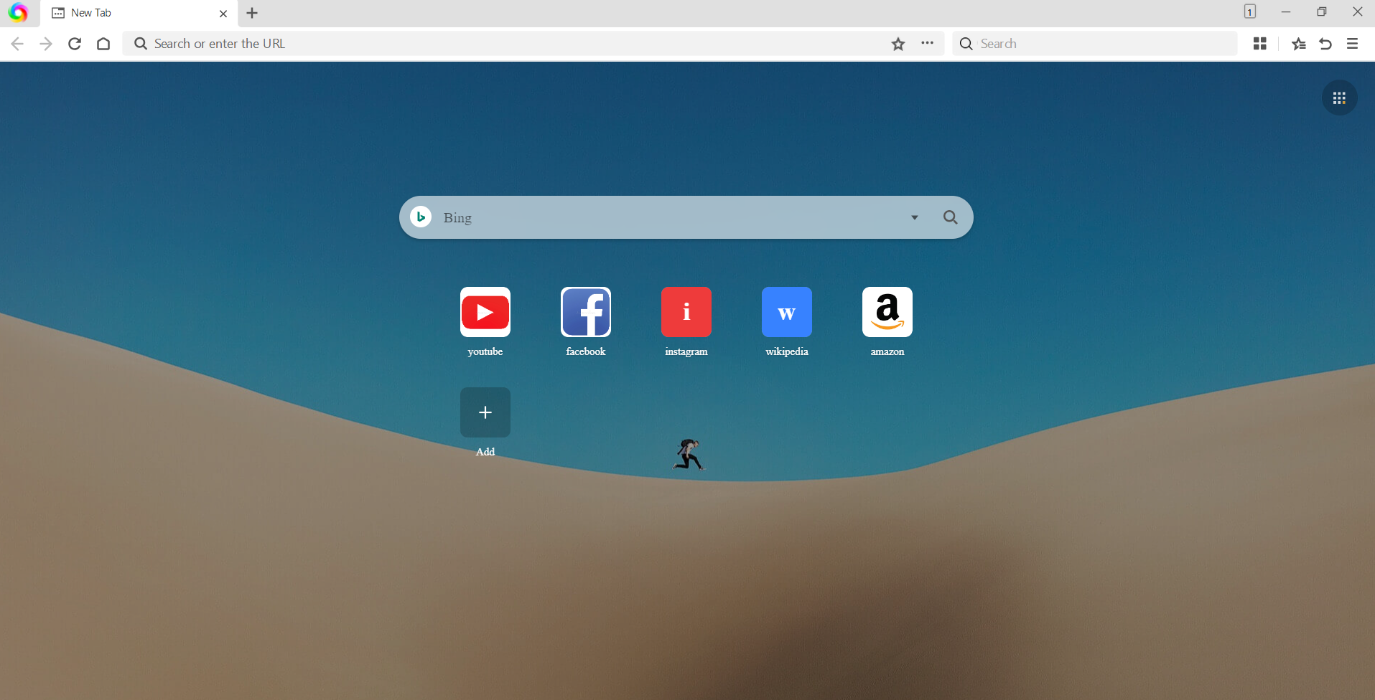
defect_012 | Contact Us email link is not working in Customer Portal | 1.Navigate the link https://parabank.parasoft.com/parabank/index.htm 2.Enter user name 3.Enter password 4.click location button 5.click customer portal 6.click support@parasoft.com | Location | Windows 11 | Medium | Medium | New | The default mail client should open with the Contact Us email address | Clicking the email link does nothing; no mail client opens
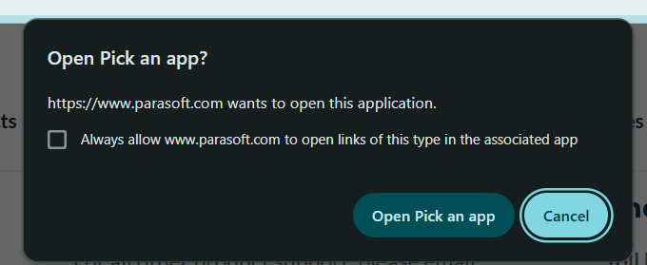
defect_013 | Support phone number is not working in the Location module | 1.Navigate the link https://parabank.parasoft.com/parabank/index.htm 2.Enter user name 3.Enter password 4.click location button 5.click support 6.click contact | Location | Windows 11 | Medium | Medium | New | The phone dialer should open or the call should initiate successfully | licking the phone number does nothing; call cannot be placed
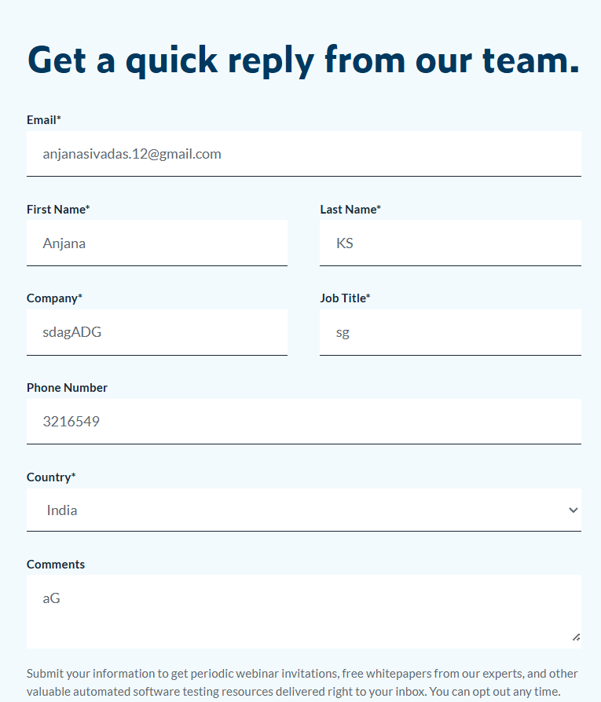
defect_014 | Contact Us form allows submission with an invalid phone number | 1.Navigate the link https://parabank.parasoft.com/parabank/index.htm 2.Enter user name 3.Enter password 4.click location button 5.click contact us | Location | Windows 11 | High | High | New | The system should show an error and prevent submission with an invalid phone number | Form is submitted successfully despite the invalid phone number
defect_015 | Contact Us form allows submission with an invalid mail id | 1.Navigate the link https://parabank.parasoft.com/parabank/index.htm 2.Enter user name 3.Enter password 4.click location button 5.click contact us | Location | Windows 11 | High | High | New | The system should show an error and prevent submission with an invalid mail id | Form is submitted successfully despite the invalid mail id
defect_016 | Subscription form allows submission with an invalid email ID | 1.Navigate the link https://parabank.parasoft.com/parabank/index.htm 2.Enter user name 3.Enter password 4.click subcribe | Location | Windows 11 | High | High | New | The system should display an error and prevent subscription with an invalid email | Form is submitted successfully despite the invalid email
defect_017 | Subscription form allows submission without selecting a solution interest | 1.Navigate the link https://parabank.parasoft.com/parabank/index.htm 2.Enter user name 3.Enter password 4.click subcribe | Location | Windows 11 | High | High | New | The system should display an error and prevent submission without selecting a solution interest | Form is submitted successfully even though “Solution Interest” is not selected
defect_018 | Australia office is not visible in the list of global offices | 1.Navigate the link https://parabank.parasoft.com/parabank/index.htm 2.Enter user name 3.Enter password 4.click PARASOFT GLOBAL OFFICES | Location | Windows 11 | Medium | Medium | New | Australia office should be listed among global offices | Australia office is missing from the list | 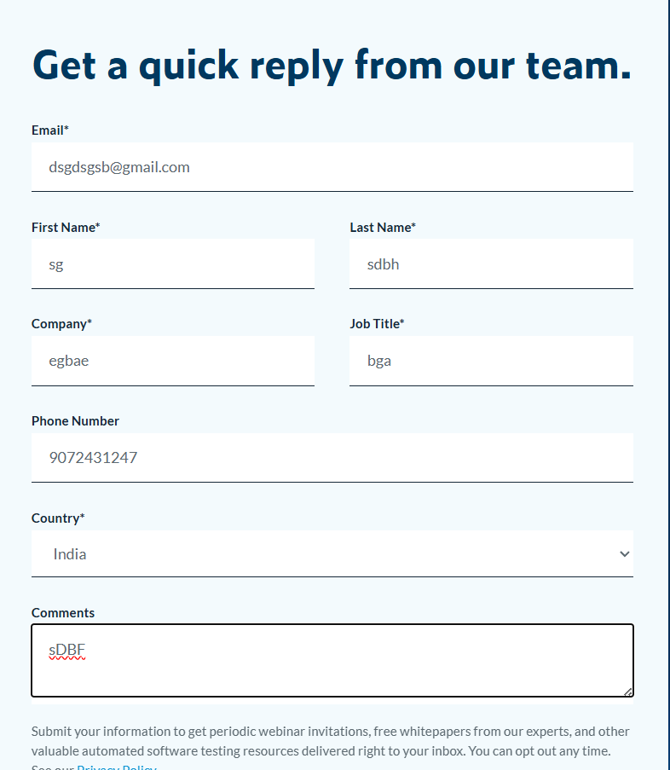 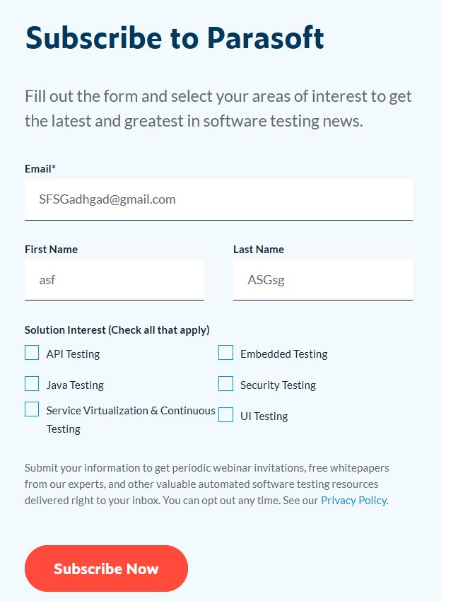 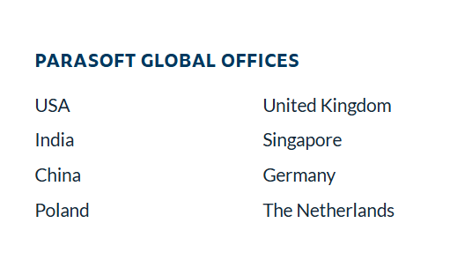 | 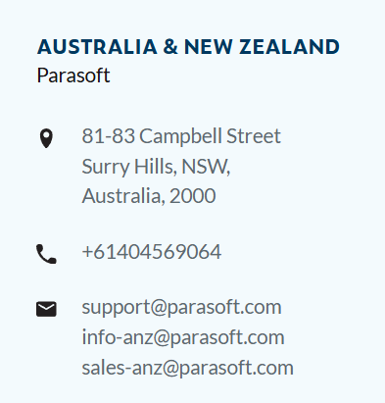
defect_019 | ATM service link/functionality is not working | 1.Navigate the link https://parabank.parasoft.com/parabank/index.htm 2.Enter user name 3.Enter password 4.click Home page 5.click ATM Services | Home page | Windows 11 | Medium | Medium | New | The ATM service page or functionality should open successfully | Clicking the ATM service link does nothing; page/functionality does not load | 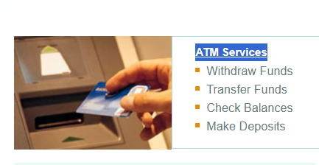 | 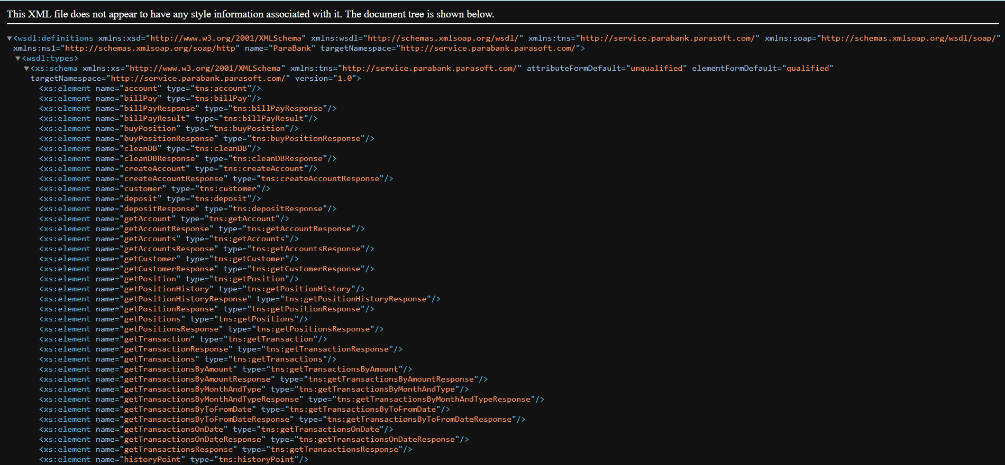
defect_020 | Online Service link/functionality is not working | 1.Navigate the link https://parabank.parasoft.com/parabank/index.htm 2.Enter user name 3.Enter password 4.click Home page 5.click Online Services | Home page | Windows 11 | Medium | Medium | New | The Online Service page or functionality should open successfully | Clicking the Online Service link does nothing; page/functionality does not load | 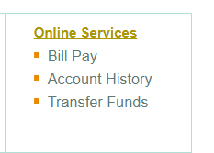 | 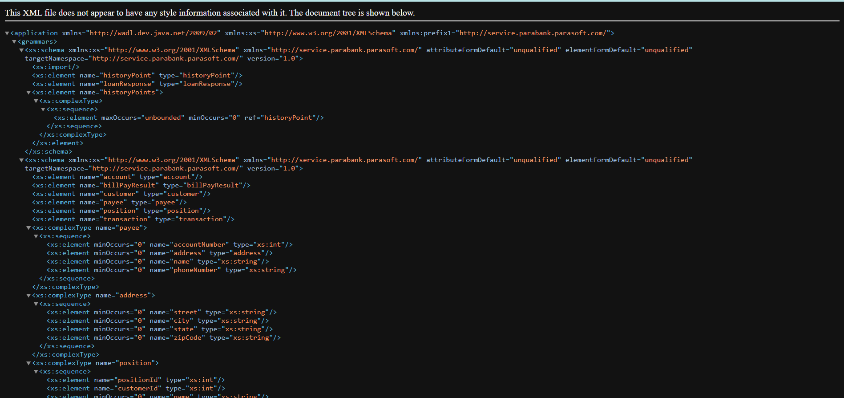
defect_021 | Read More” button opens the Service page instead of the intended content | 1.Navigate the link https://parabank.parasoft.com/parabank/index.htm 2.Enter user name 3.Enter password 4.click Home page 5.click read more button | Home page | Windows 11 | Medium | Medium | New | “Read More” should expand or navigate to the intended content related to the section | Clicking “Read More” opens the Service page instead |  | 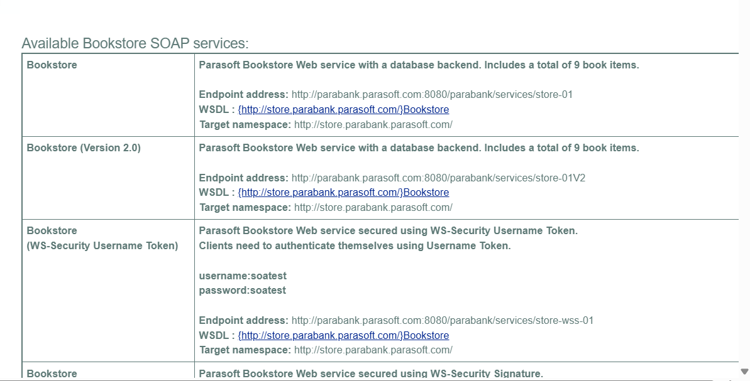
defect_022 | Clicking on “Latest News” items shows the same content for different news entries | 1.Navigate the link https://parabank.parasoft.com/parabank/index.htm 2.Enter user name 3.Enter password 4.click Home page 5.click latest news button 6. click different option on it | Home page | Windows 11 | Medium | Medium | New | Each news item should display its own unique content when clicked | All news items show the same content regardless of which one is clicked |  | 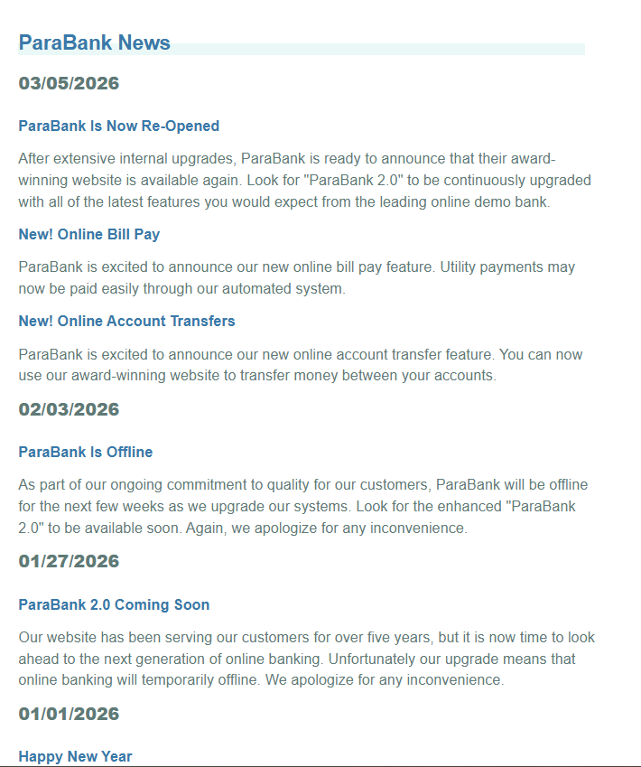
defect_023 | Message icon allows submission with an invalid email ID | 1.Navigate the link https://parabank.parasoft.com/parabank/index.htm 2.Enter user name 3.Enter password 4.click Home page 5.click latest message icon 6.Enter Name: 7.Enter invalid Email: 8.Enter Phone: 9.Enter Message: 10.click sent to the customer care | Home page | Windows 11 | High | High | New | The system should display an error and prevent submission with an invalid email | Message is submitted successfully despite the invalid email
defect_024 | Message icon allows submission with an invalid Phone numbeer | 1.Navigate the link https://parabank.parasoft.com/parabank/index.htm 2.Enter user name 3.Enter password 4.click Home page 5.click latest message icon 6.Enter Name: 7.Enter Email: 8.Enter Invalid Phone: 9.Enter Message: 10.click sent to the customer care | Home page | Windows 11 | High | High | New | The system should display an error and prevent submission with an invalid Phone number | Message is submitted successfully despite the invalid phone number
defect_025 | Forgot Login Info process does not work even with correct details | 1.Navigate the link https://parabank.parasoft.com/parabank/index.htm 2.Enter user name 3.Enter password 4.click Home page 5.click Forgot login info? 6.Enter Name: 7.Enter Email: 8.enter First Name: 9.Enter Last Name: 10.Enter Address: 11.Enter City: 12.Enter State: 13.Enter Zip Code: 14.Enter SSN: | Forgot Login Info | Windows 11 | High | High | New | The system should send login information or instructions to the user | No login info is received despite providing correct details | 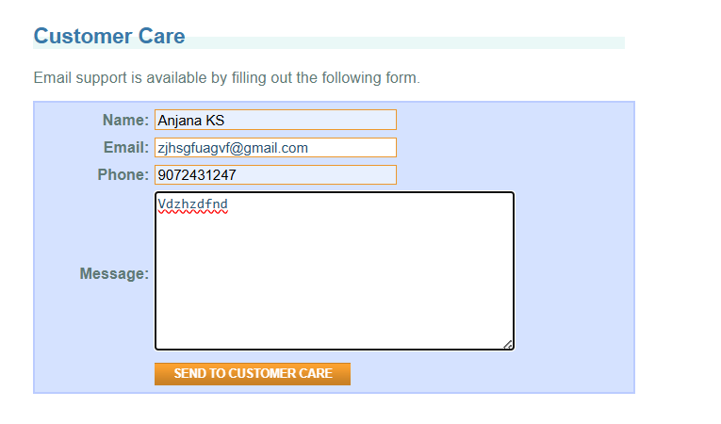 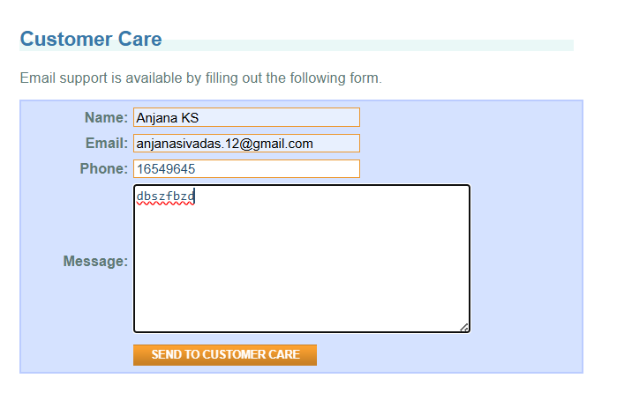 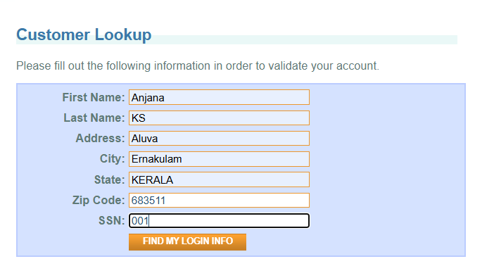 | 