extract
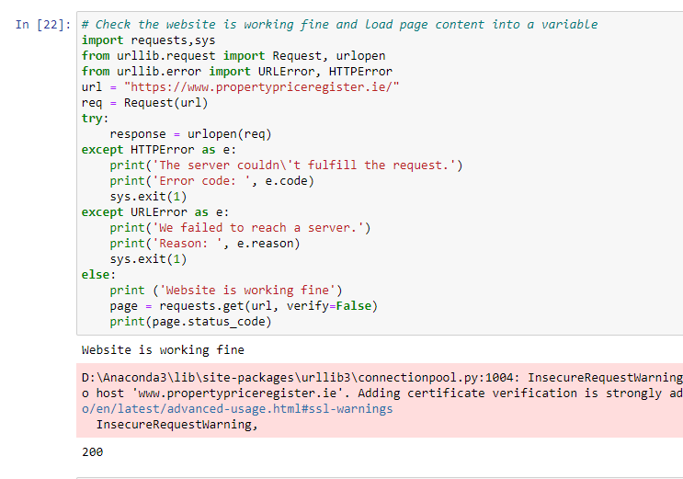
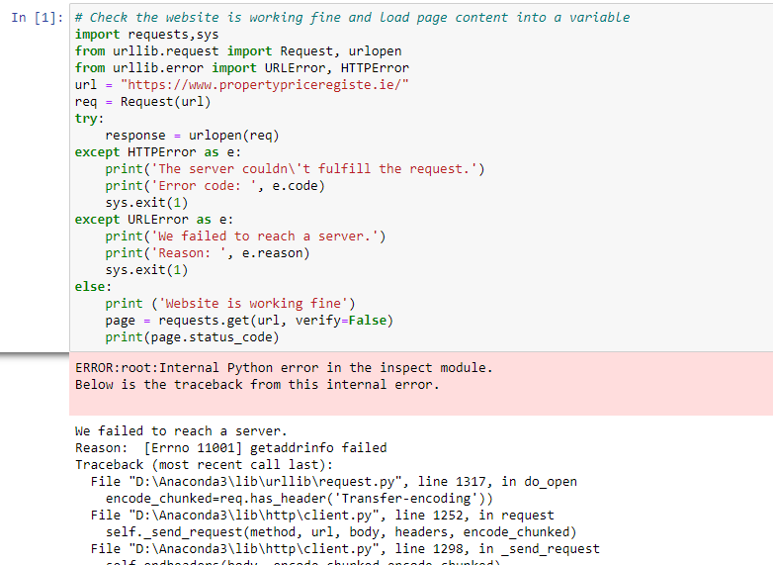
The below screenshot shows the implementation of the website availability and error handling

Positive Scenerio: Website is working fine and received status 200 | Negative Scenerio: If wrong URL is passed as argument URL error is sent as response

transform
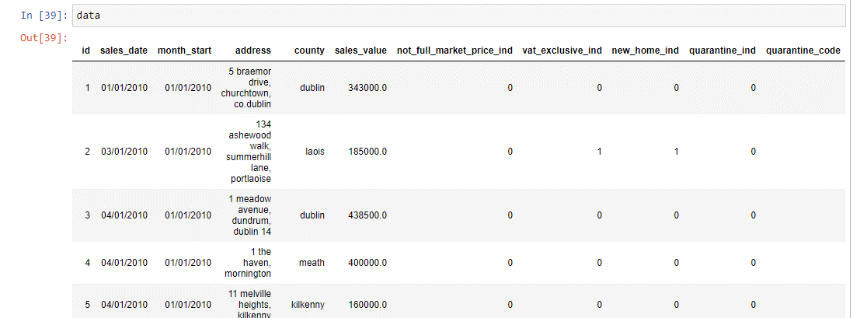
Data Before Transformation |  | Data Rename According to Standards

 | Final Data Transformation with appropriate logics and datatype

load
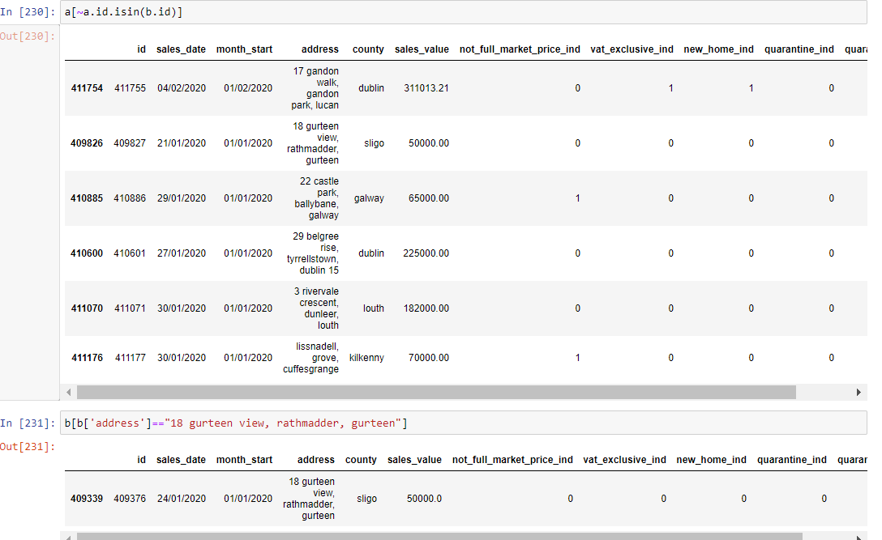
History data is restored in the s3 bucket in history folder with timestamp as backup to prevent data loss

Logics to remove duplicate records from historical and current data from transform stage
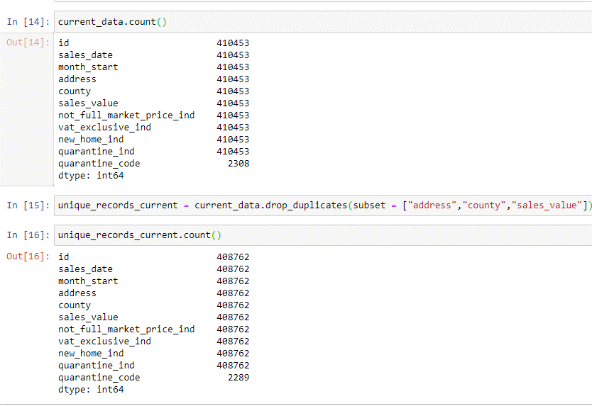
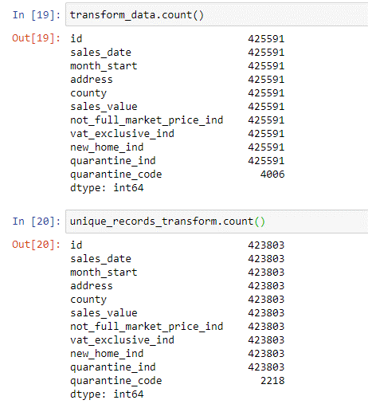

A special test case which has problems with address, county and sales_value is captured in different data
This states the reason why I havent choose sales_date as primary key

