Sheet1
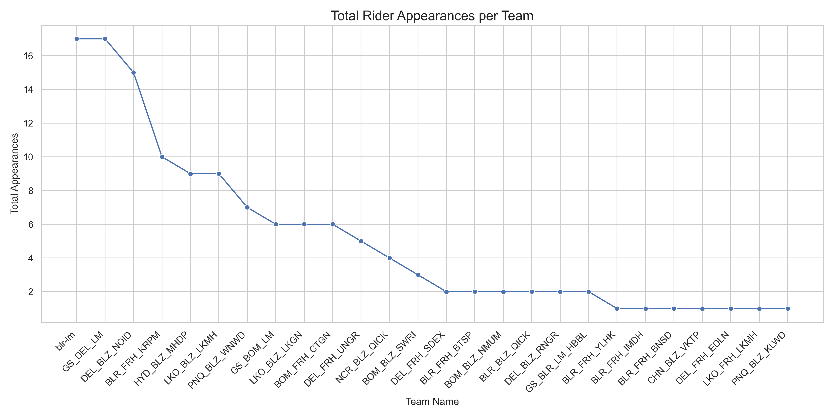
Rider ID | Rider → Rider Name | Rider → Phone | Rider → Team Name | Rider - total count
3104 | Sachin | 8076979108 | GS_DEL_LM | 3
10811 | Prakash Ram | 7835845174 | DEL_BLZ_NOID | 3
10895 | Ankit | 6398169033 | DEL_BLZ_NOID | 2
10585 | Aniruddha Bhimrao Sarvade | 8421832442 | PNQ_BLZ_WNWD | 2
11042 | Nitesh Singh | 8960001094 | LKO_BLZ_LKMH | 2
10290 | Karthik M | 8618063612 | blr-lm | 2
10272 | H Yakobu | 9206775529 | BLR_FRH_KRPM | 2
9529 | Rushikesh Sanjay Pawar | 7977373400 | BOM_FRH_CTGN | 2
5819 | Aavula Prasad Yadav | 9866692657 | HYD_BLZ_MHDP | 2
5593 | Afsar Daulat Khan | 9152956631 | GS_BOM_LM | 2
10968 | Mohit Kumar | 7088030793 | NCR_BLZ_QICK | 2
11023 | Rajnish Kumar Tiwari | 8887197849 | LKO_BLZ_LKMH | 2
2883 | Sagar Bhan | 8920728857 | GS_DEL_LM | 2
6128 | Ajith Kumar | 8904686123 | blr-lm | 2
3103 | Karan | 9310324924 | GS_DEL_LM | 2
9703 | Sudheer Gautam | 8004664176 | LKO_BLZ_LKGN | 2
10347 | Naveen Kumar | 7289809159 | DEL_FRH_UNGR | 2
10225 | Nesan J | 7204493088 | BLR_FRH_KRPM | 2
10591 | Zameer Khan | 9663243580 | blr-lm | 2
10921 | Muniyan M | 8123382791 | BLR_FRH_IMDH | 1
9327 | Pramod C | 9513057504 | BLR_BLZ_QICK | 1
2279 | Rajat | 8800535723 | DEL_BLZ_RNGR | 1
6330 | Irfan Ahmed I | 7676268741 | GS_BLR_LM_HBBL | 1
10810 | Sahebrao Sambhaji Gurunde | 8329180929 | PNQ_BLZ_WNWD | 1
6948 | Ashwani Gupta | 9555338330 | DEL_FRH_EDLN | 1
10054 | Shani | 9717985701 | DEL_BLZ_NOID | 1
9684 | Rajni | 8178129198 | DEL_BLZ_NOID | 1
5961 | Manoja Kumar S | 9606276903 | BLR_FRH_YLHK | 1
9368 | Manjunath N | 7353151905 | blr-lm | 1
10460 | Hithesh Kumar B | 8431938573 | BLR_FRH_KRPM | 1
10280 | Manoj V | 6360540906 | BLR_FRH_KRPM | 1
10885 | Sk Mustaque Islam | 8147824841 | BLR_FRH_BTSP | 1
10385 | Prem Sarath | 9941939781 | CHN_BLZ_VKTP | 1
11002 | Masood | 9392616282 | HYD_BLZ_MHDP | 1
10893 | Anand | 9902036066 | BLR_FRH_BTSP | 1
6298 | Ram Chander | 9871390440 | DEL_FRH_SDEX | 1
10619 | Govind Tiwari | 7233842859 | LKO_BLZ_LKMH | 1
5010 | Mohd Afroz Shaikh | 8097783786 | BOM_BLZ_SWRI | 1
10891 | Mohammed Arif Mohammed Wajid Shaikh | 7738053853 | BOM_BLZ_NMUM | 1
10571 | Naresh Nanda Pardeshi | 9307861724 | PNQ_BLZ_WNWD | 1
2918 | Sandeep Gupta | 9873762209 | DEL_BLZ_RNGR | 1
9115 | Mohammad Shoibakther | 6300514708 | HYD_BLZ_MHDP | 1
9909 | Rahul | 9140694459 | LKO_BLZ_LKGN | 1
10161 | Abhishek Yadav | 6388707207 | LKO_BLZ_LKGN | 1
10553 | Arya Sachin Mehta | 9021502013 | PNQ_BLZ_KLWD | 1
7226 | Moiddin Rashid Khan | 8097716672 | BOM_BLZ_SWRI | 1
10519 | Raju Shamu Koli | 9022387002 | BOM_BLZ_SWRI | 1
10201 | Nagarajan S | 6360628507 | blr-lm | 1
10473 | K S M Rajkamal | 9886175338 | blr-lm | 1
10886 | Rajesha R | 6363410948 | BLR_FRH_BNSD | 1
11174 | Abdul Rahub Abdul Samad Raeen | 9326750228 | BOM_BLZ_NMUM | 1
10930 | M Mohan | 9036291747 | BLR_BLZ_QICK | 1
11183 | Mukesh Paswan | 8130443915 | DEL_FRH_SDEX | 1
11261 | Harsh Singh | 9260964009 | LKO_FRH_LKMH | 1
8479 | Parvez Iqbal Husain Khan | 7718089274 | GS_BOM_LM | 1
10716 | Yusuf Shariff | 9916488962 | GS_BLR_LM_HBBL | 1
11158 | Darshan L | 9606793306 | blr-lm | 1
10400 | Arasu Bai | 8431804437 | blr-lm | 1
9209 | Mohd Osman Shareef | 7330628160 | HYD_BLZ_MHDP | 1
9792 | Vishal Arun Jadhav | 8097787778 | BOM_FRH_CTGN | 1
7907 | Soham Bhanudas Gaikwad | 9028268758 | PNQ_BLZ_WNWD | 1
10732 | Wahid Ahmed Shaikh | 8291668573 | GS_BOM_LM | 1
9882 | Syed Ashraf | 8247310589 | HYD_BLZ_MHDP | 1
10709 | Kiran Vasudeo Gangarde | 7977030941 | BOM_FRH_CTGN | 1
10628 | Keshav | 8448856697 | DEL_FRH_UNGR | 1
9653 | Sana Ullah | 7780695814 | HYD_BLZ_MHDP | 1

