Sheet1
BUG REPORT - BEWAKOOF

Date | 2024-12-22
Name | Sanket Sarode

Platform | Browser
Windows 11 | Chrome, Electron, Edge

Who Detected | How Detected? | Status
Sanket Sarode | Testing | Open

Bug ID | Type | Feature | Description | Steps | Excepted Behaviour | Actual Behaviour | Priority | Bug Proof
Bug_001 | Bug | Home Page | Verify that when user scroll down to botton then there should be a button to go on top. | 1.Visit the URL on the browser https://www.bewakoof.com/. 2.Scroll a little bit. 3. Check for a Go to top button. | User should able to see and click on Go to top button. | User is able to see and click on Go to top button. | 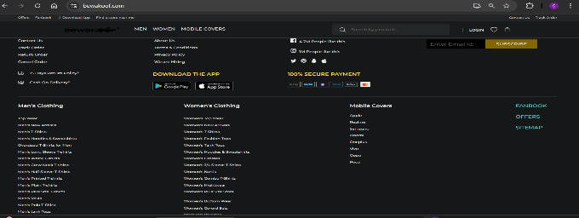 High

Bug_002 | Bug |  | Verify that when user has turned on dark mode or dark mode extension then Logo of the company is properly visible | 1.Visit the URL on the browser https://www.bewakoof.com/. 2. Turn on Dark mode 3. Check the companies logo. | User should able to see companies logo properly even though the dark mode is on | User is unable to see companies logo properly ehen dark mode is on. | Low | 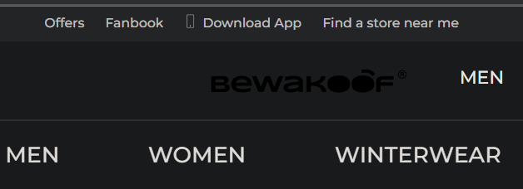

Bug_003 | Bug |  | Verify that in subscribe button email input field wrong email got rejected. | 1.Visit the URL on the browser https://www.bewakoof.com/. 2. Provide wrong email in email field. | User should unable to subscribe with invalid email id. | User is able to subscribe with invalid email id. | High | 

Bug_004 | Bug |  | Verify that Stroke (left side faced) button is not enabled when there are no products on left side. | 1.Visit the URL on the browser https://www.bewakoof.com/. 2. Click on stroke button. | User should unable to click on stroke button. | User is able to click on stroke button or stroke button is enabled. | 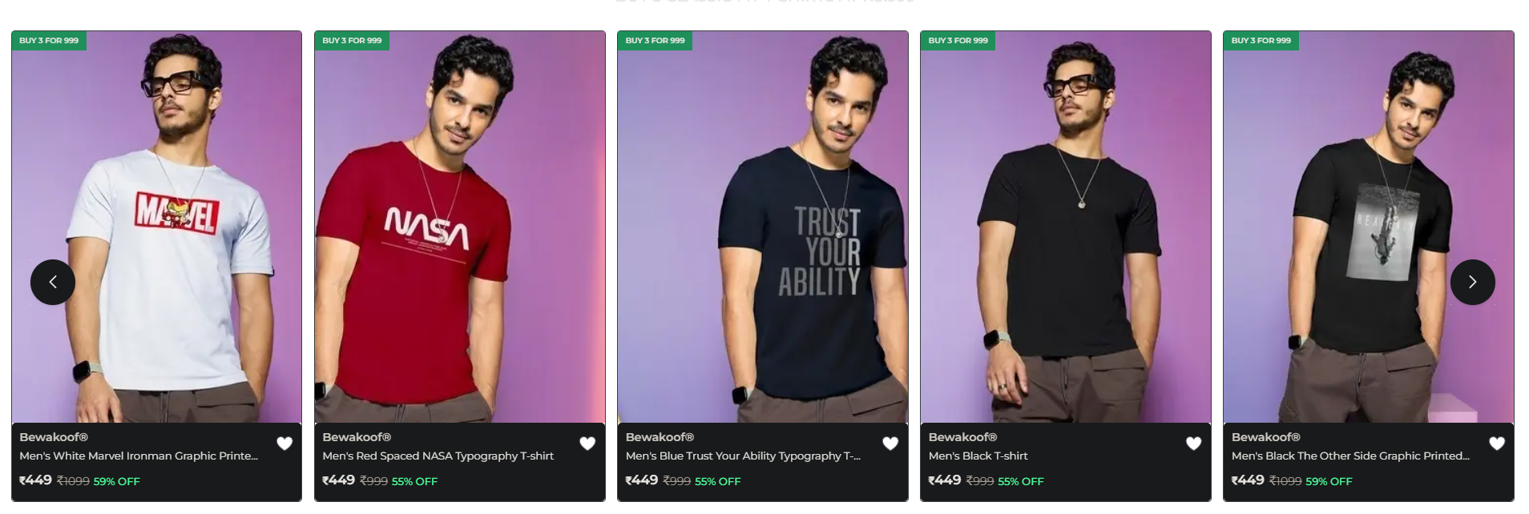 Medium

Bug_005 | Bug |  | Verify that ioce email is provided and subscribed then same email should not be accepted for subcribe | 1.Visit the URL on the browser https://www.bewakoof.com/. 2. Provide email as abc@hmail.com | User should unable to subcribe with same email as already subcribed. | User able to subcribe with same email as already subcribed. | High

Bug_006 | Bug |  | Verify that user is able to scroll on left side. | 1.Visit the URL on the browser https://www.bewakoof.com/. 2. Scroll on left side on product. | User should able to scroll on left and right side on products. | User is unable to scroll on left and right side on products. | 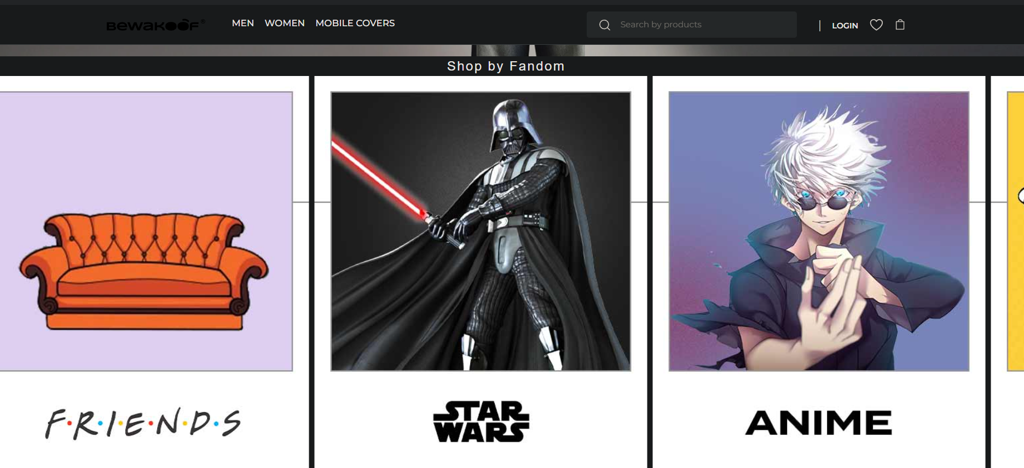 Low

