Hoja1
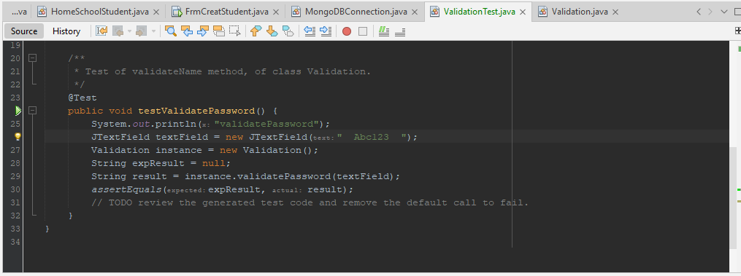
Test Cases

Function

testValidatePassword() | result | expResult | TestResult
 | "abc123" | "abc123" | 100%
 | Abc@123 | null | 100%
 | "" | null | 100%
 | "Abcdef" | "Abcdef" | 100%
 | "Abc123" | null | 0%

testValidValue() | result | expResult | TestResult

 | "tre" | 0.0 | 0%
 | "++++" | 0.0 | 0%
 | "*" | 0.0 | 0%
 | "720" | 720.0 | 100%
 | "-567" | 567.0 | 0%
 | "30.3.3" | 30.3 | 0%
 | "0.333333" | 0.3 | 0%
 | "00.45" | 00.45 | 100%
 | "3.333.333.333" | 3,333,333,333 | 0%
testValidateEmail() | result | expResult | TestResult
 | mssimban@gmail.com | mssimban@gmail.com | 100%
 | pabsan12@gmai | pabsan12@gmai | 100%

