Sheet1
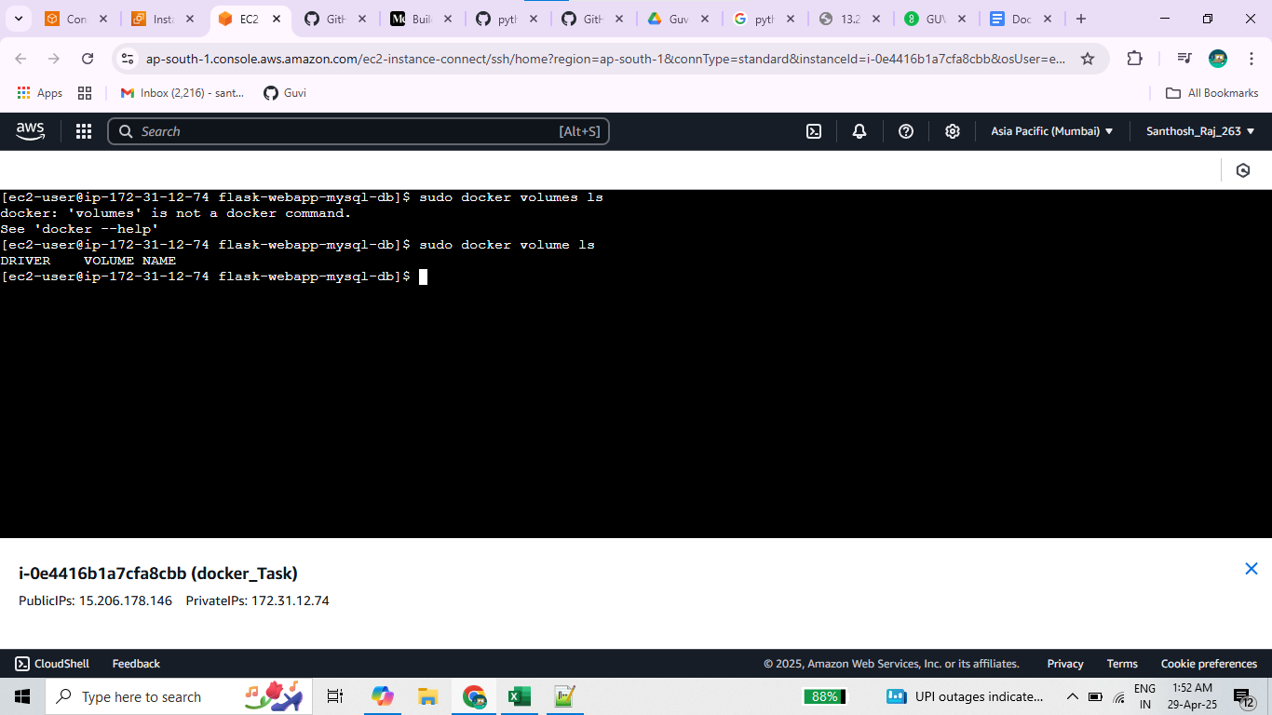
Docker Task
 | 1 | Install docker in Ec2 Machine

Installed Docker
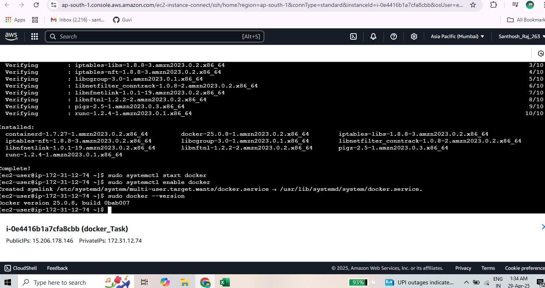

Docker Images |  | React based Docker images

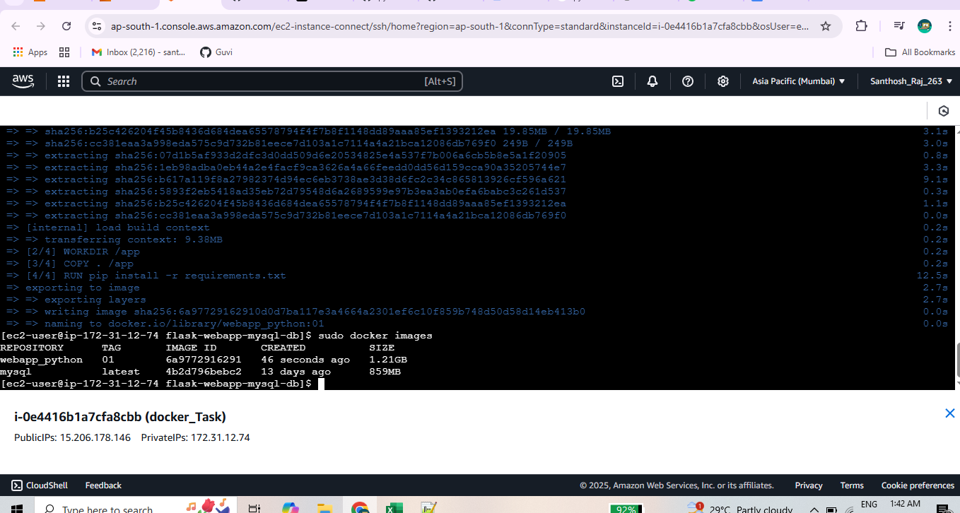

 |  | Docker Containers

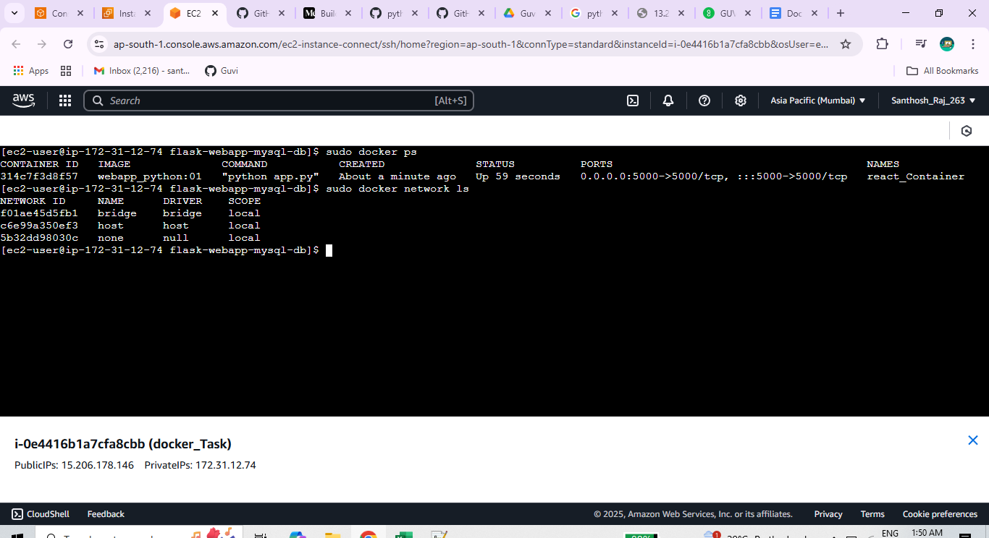

 |  | Docker Volumes LS

