Sheet1
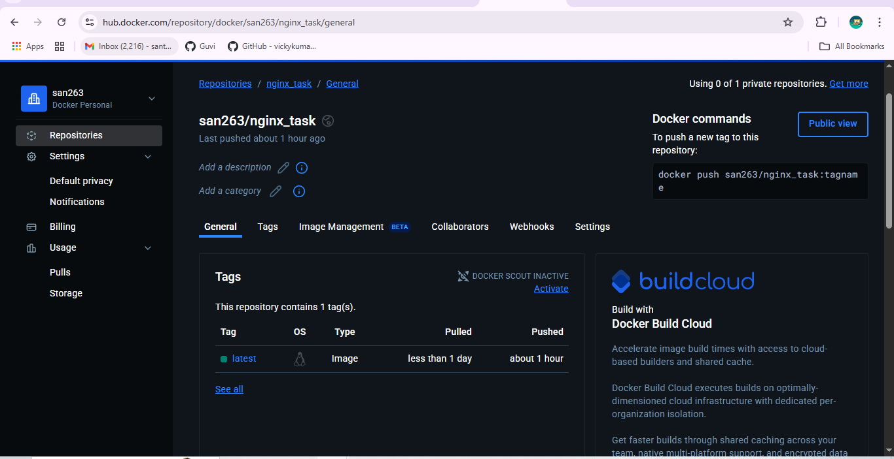
Docker Task -3

 | Created custom dockerfile

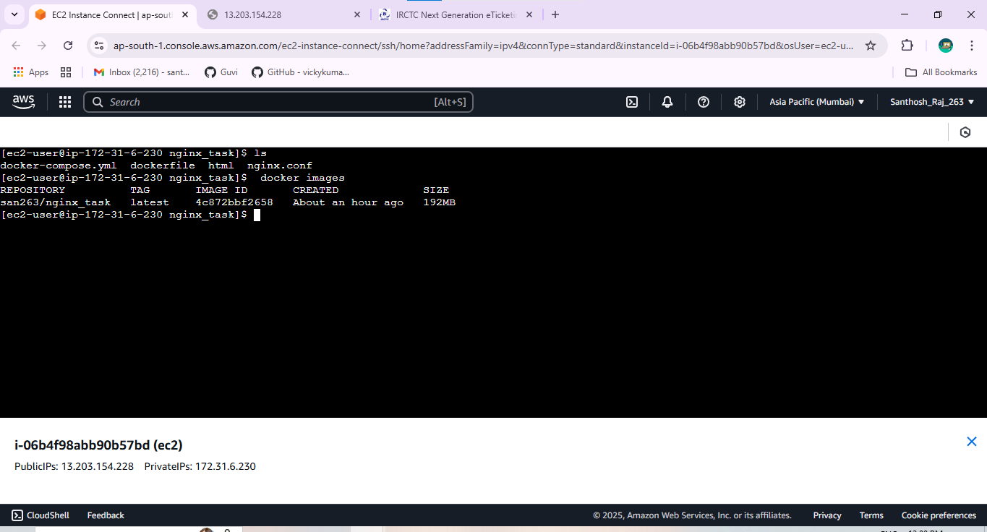

Docker-compose.yml
 | /var/opt/nginx
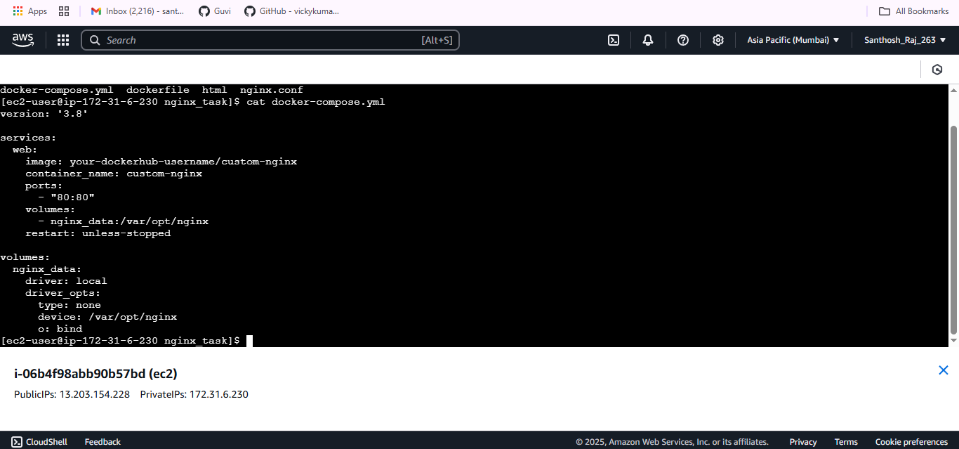

Dockerhub Login
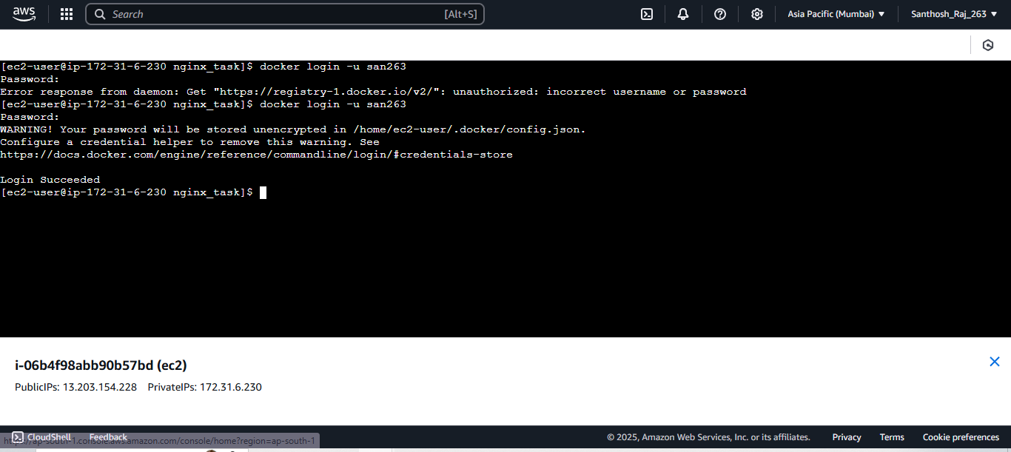

Dockerhub Image

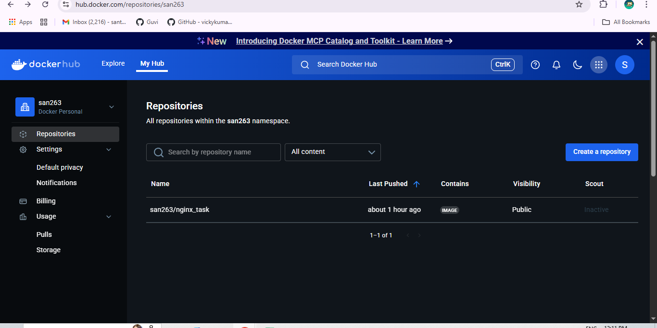

 | Dockerhub Repo

