Sheet1
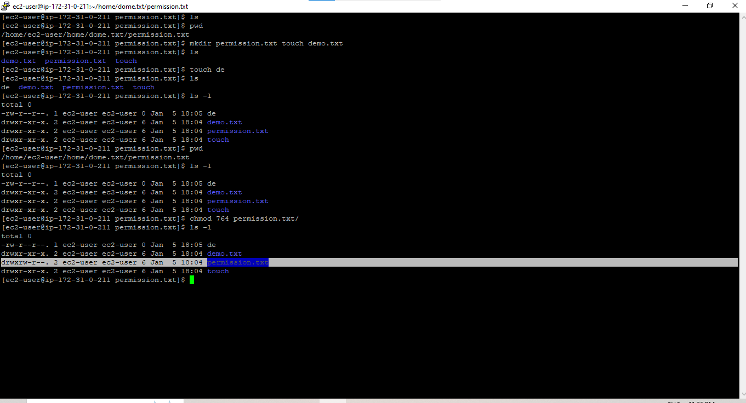
2 | File Permission Task

