Task 03
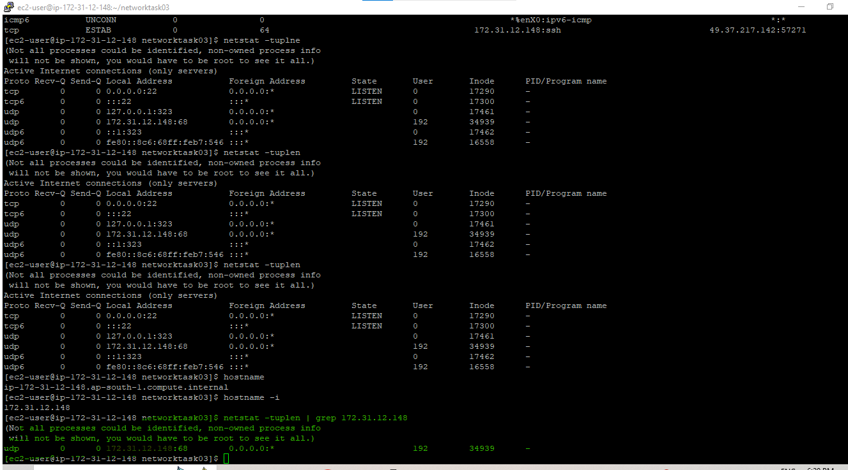
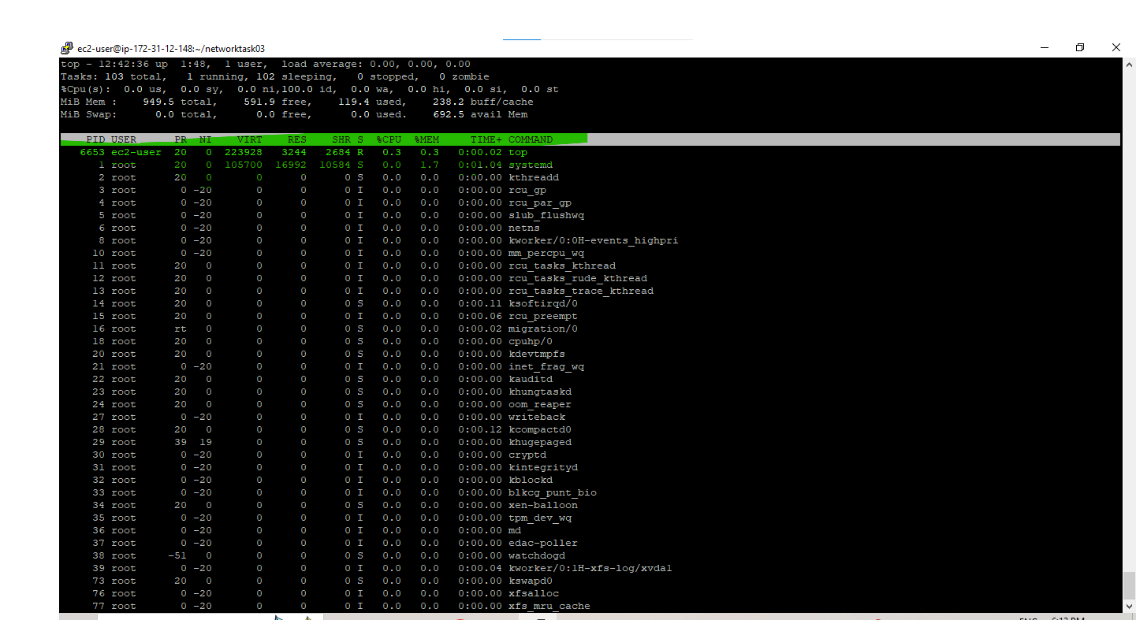
Network Task : 03

Task - 01 | CPU performance Status

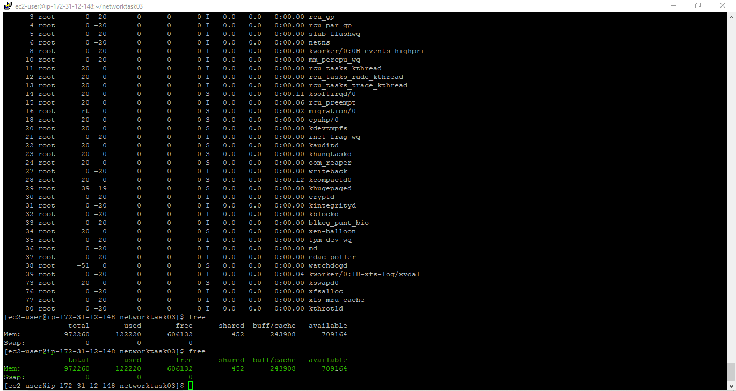
 | Memmory Status

 | Connectivity Test
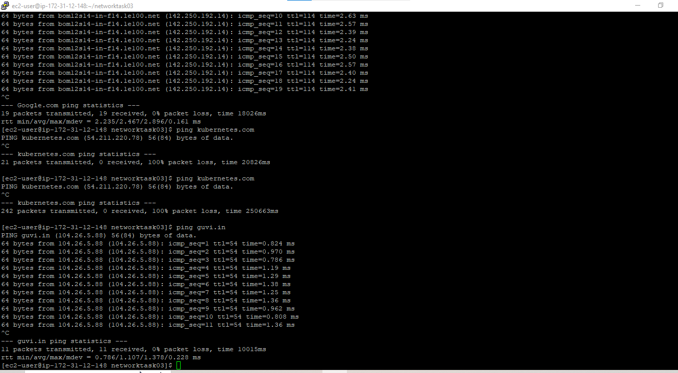

Task -02
 | My Port check status

