Sheet1
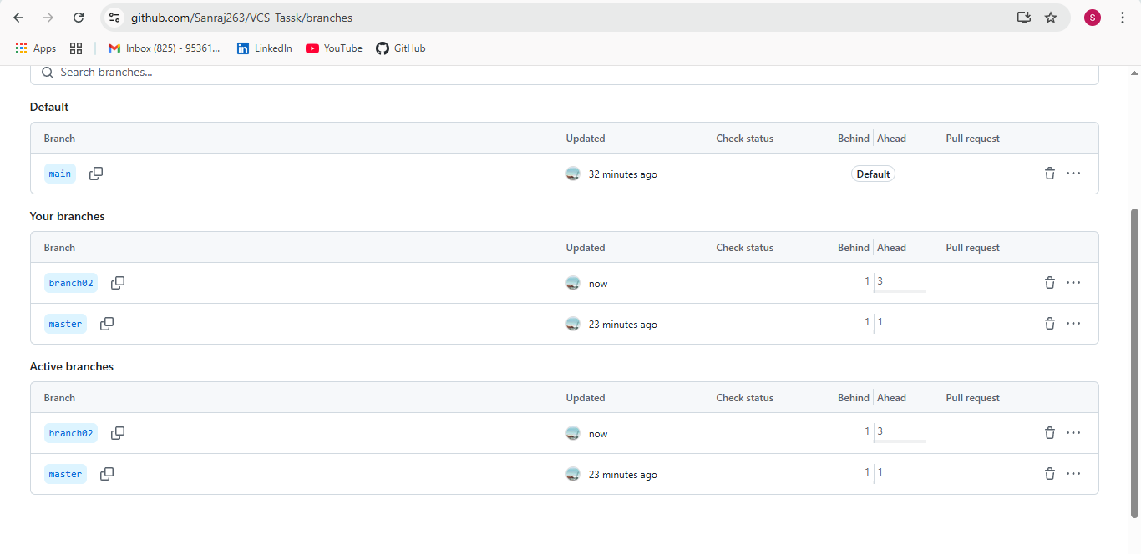
Task_01

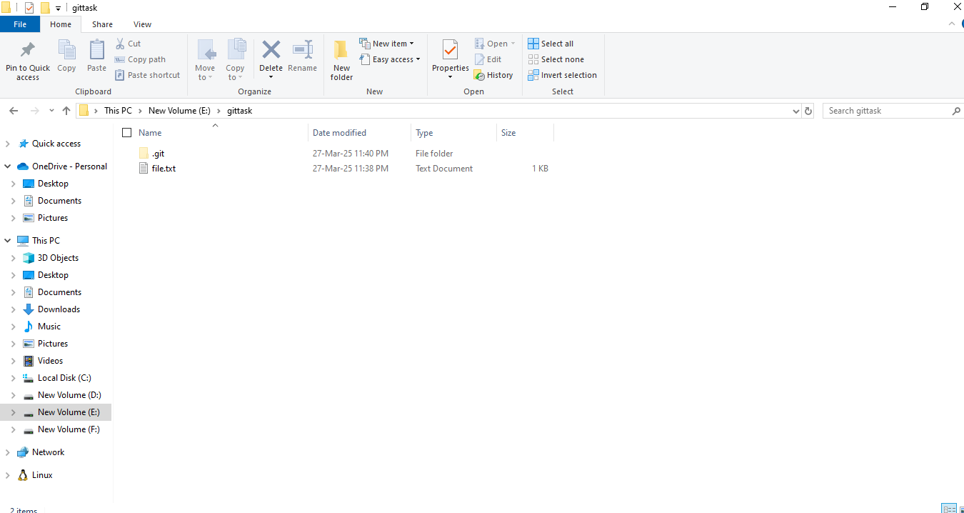

Git to Github | Scriptts are pushing local host to remote Repository (Git to Github)

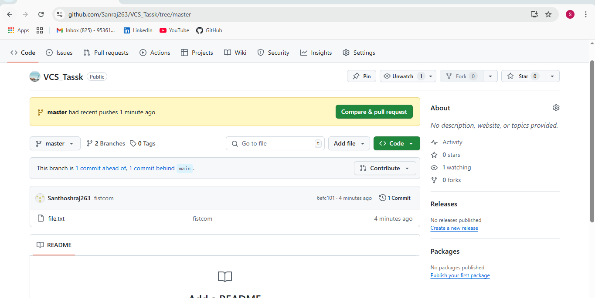

Merge Task | Performing Merge Task | One Branch to Another Branch

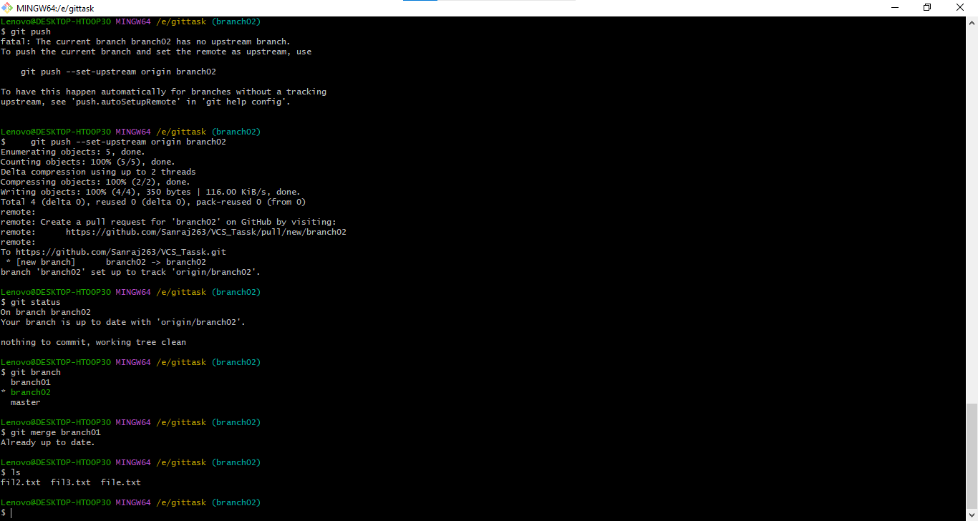

In Git | stash commands

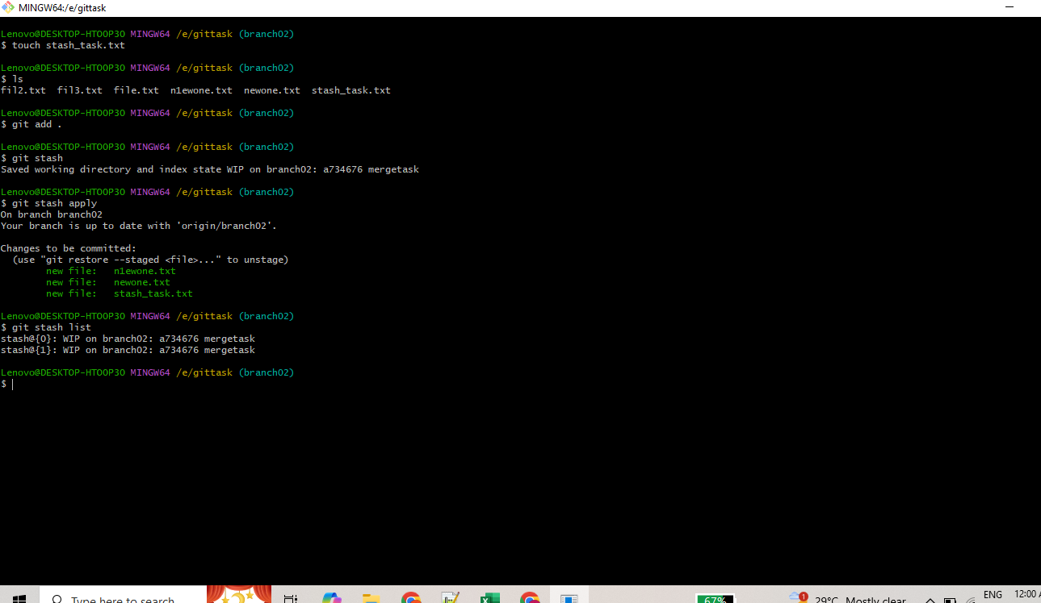

Github | Stash commands

