Sheet1
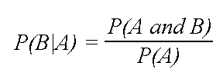
Fruit | Long | Sweet | Yellow | TOTAL
Banana | 400 | 350 | 450 | 500
Orange | 0 | 150 | 300 | 300
Other | 100 | 150 | 50 | 200
TOTAL | 500 | 650 | 800 | 1000

“Prior” probabilities.

p(Long| banana) | 0.8 |  | P(Banana) | 0.5 | P(Long) | 0.5
p(Sweet| banana) | 0.7
p(Yellow| banana|) | 0.9

p(Long | orange) | 0 |  | P(Orange) | 0.3 | P(Sweet) | 0.65
p(Sweet | orange) | 0.5
p(orange|orange) | 1

p(Long | others) | 0.5 |  | P(Other Fruit) | 0.2 | P(Yellow) | 0.8
p(Sweet| others) | 0.75
p(Yellow| others) | 0.25
 |  |  |  |  |  |  | dataset give to use
 |  |  |  |  |  |  | preprocessing
Events | Long | Sweet | Yellow |  |  |  | vectorizer
 |  |  |  |  |  |  | X, y
p(banana| (Long, Sweet, Yellow) = | [p(long|banana) * p(sweet| banana) * p(yellow|banana)]/ [(p(long) * p (sweet) * p (yellow))] * p(banana) |  |  |  |  |  | X_dtm
 | 0.96923076923 |  |  |  |  |  | y
 |  |  |  |  |  |  | Train the model
p(orange| (Long, Sweet, Yellow) = | [p(long|orange) * p(sweet| orange) * p(yellow|orange)]/ [(p(long) * p (sweet) * p (yellow))] * p(orange)
 | 0

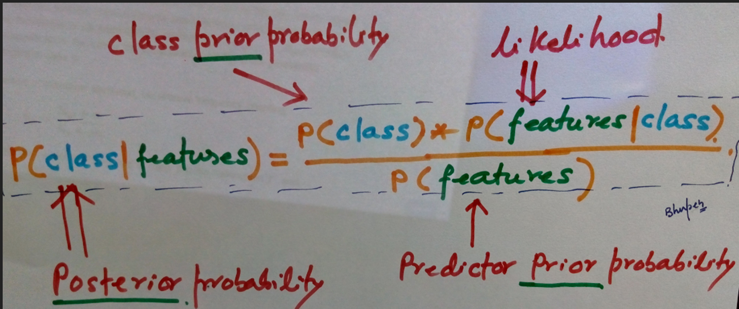
p(Other| (Long, Sweet, Yellow) = | [p(long|others) * p(sweet| others) * p(yellow|others)]/ [(p(long) * p (sweet) * p (yellow))] * p(others)
 | 0.072115384615 |  |  |  | Training set |  | w1 | w2 | w3 | w4 | w5 | w6 | w7 | w8 | w9 | w10 | w11 | w12 | w13 | .. | .. | w3500 | label
 |  |  |  |  |  | doc1 | 0 | 5 | 7 | 9 | 0 | 0 | 0 | 0 | 0 |  |  |  |  |  |  |  | ham
 |  |  |  |  |  | doc2 |  |  |  |  |  |  |  |  |  |  |  |  |  |  |  |  | spam
 |  |  |  |  |  | doc3 |  |  |  |  | 12 | 12 | 12 | 60 |  |  |  |  |  |  |  |  | spam
 |  |  |  |  |  | doc4 |  |  |  |  | 12 | 12 | 12 | 60 |  |  |  |  |  |  |  |  | spam
 |  |  |  |  |  | doc5 |  |  |  |  | 12 | 12 | 12 | 60 |  |  |  |  |  |  |  |  | spam
 |  |  |  |  |  | doc6 |  | 5 | 5 | 15 |  |  |  |  |  |  |  |  |  |  |  |  | ham
 |  |  |  |  |  | doc7 |  | 5 | 5 | 15 |  |  |  |  |  |  |  |  |  |  |  |  | ham
 |  |  |  |  |  | doc8 |  | 5 | 5 | 15 |  |  |  |  |  |  |  |  |  |  |  |  | ham
 |  |  |  |  |  | doc9 |  | 5 | 5 | 15 |  |  |  |  |  |  |  |  |  |  |  |  | ham
 |  |  |  |  |  | … |  |  |  |  |  |  |  |  |  |  |  |  |  |  |  |  | .
 |  |  |  |  |  | …
 |  |  |  |  |  | doc5000 |  |  |  |  |  |  |  |  |  |  |  |  |  |  |  |  | spam

 |  |  |  |  |  |  | w1 | w2 | w3 | w4 | w5 | w6 | w7 | w8 | w9 | w10 | w11 | w12 | w13 | .. | .. | w3500
 |  |  |  |  | Testing set | doc10001 | 0 | 5 | 7 | 9 | 0 | 0 | 0 | 0 | 0
 |  |  |  |  |  | doc10002
p(doc10003 is SPAM | given ( w1 = 0, w2 = 1, .. W5 = 7, w6 = 11, w7=15…) ) |  |  |  | 0.45 |  | doc10003 |  |  |  |  | 7 | 11 | 15 | 60 |  |  |  |  |  |  |  |  | Spam?
p(doc10003 is HAM | given ( w1 = 0, w2 = 1, .. W5 = 7, w6 = 11, w7=15…) ) |  |  |  | 0.67 |  | doc10004
 |  |  |  |  |  | doc10005
 |  |  |  |  |  | doc10006
 |  |  |  |  |  | doc10007
 |  |  |  |  |  | doc10008
 |  |  |  |  |  | doc10009
 |  |  |  |  |  | doc10010
 |  |  |  |  |  | …

 |  |  |  |  |  |  | why do we use NB algorithm?
 |  |  |  |  |  |  | 1. Gaussian NB |  |  |  |  | deals with decimals, fractions, continuous number
 |  |  |  |  |  |  | 2. Multi-nomial NB |  |  |  |  | deals with counts, number of clicks, number web visits, frequency
 |  |  |  |  |  |  | 3. Bernoulli NB |  |  |  |  | deals with counts, number of clicks, number web visits, frequency

