Sheet1
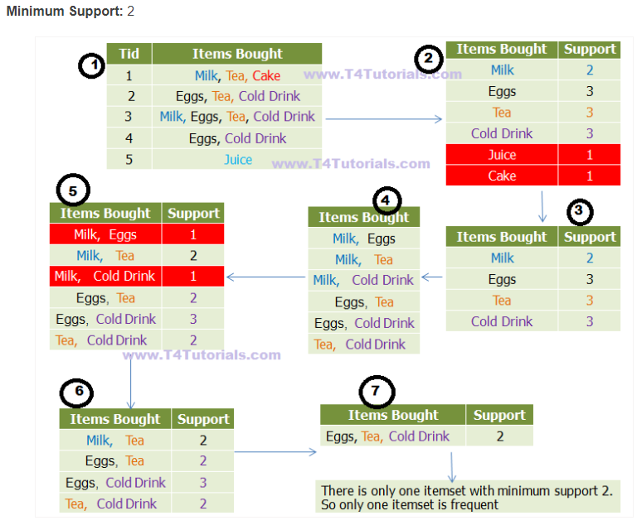
Assumptions
- All subsets of a frequent itemset should be ALSO frequent.
- In the same way, the subsets of an infrequent itemset should be infrequent.

STEP 0
- Initial transaction set
- decide on min support and confidence

Transactions | Items |  |  |  |  |  | transactions
T1 | {A, B, C} | min support |  | 50% | 50% of 4 | 2 | [beer, wine, rum] | min support | 50% | 50% of 4 | 2
T2 | {A, C} | Confidence |  | 50% |  |  | [beer, rum, vodka] | Confidence | 50%
T3 | {A, D} |  |  |  |  |  | [beer, vodka]
T4 | {B, E, F} |  |  |  |  |  | [beer, wine, rum]
STEP 1- K=1
- Create a frequency table of all the items that occur in all the transactions.
- find the support of each itemset
- prune the frequency table to include only those items having a threshold support level

Candidate set C1 |  |  | L1 |  |  |  | Candidate set C1 |  | L1
Item | Support |  | Item | Support |  |  | Item | Support | Item | Support
A | 3 |  | A | 3 |  |  | beer | 4 | beer | 4
B | 2 |  | B | 2 |  |  | wine | 2 | wine | 2
C | 2 |  | C | 2 |  |  | rum | 3 | rum | 3
D | 1 |  |  |  |  |  | vodka | 2 | vodka | 2
E | 1
F | 1
STEP 2- K=2
- Make pairs of items such as {A,B}, {B, C} and {A, C}
- find the support of each itemset
- prune the list to include only the items which meet the support level

 |  |  |  |  |  |  | Candidate set C2 |  | L2
Candidate set C2 |  |  | L2 |  |  |  | Item | Support | Item | Support
Item | Support |  | Item | Support |  |  | {beer, wine} | 2 | {beer, wine} | 2
A, B | 1 |  | A, C | 2 |  |  | {beer, rum} | 3 | {beer, rum} | 3
B, C | 1 |  |  |  |  |  | {beer, vodka} | 2 | {beer, vodka} | 2
A, C | 2 |  |  |  |  |  | {wine, rum} | 2 | {wine, rum} | 2
 |  |  |  |  |  |  | {wine, vodka} | 0
 |  |  |  |  |  |  | {rum, vodka} | 1

STEP 3 - K=3 ...
- Look for a set of 3 items that the customers buy together, if needed
- apply same pruning

 |  |  |  |  |  |  | Candidate set C3 |  | L2
 |  |  |  |  |  |  | Item | Support | Item | Support
 |  |  |  |  |  |  | {beer, wine, rum} | 2 | {beer, wine, rum} | 2
 |  |  |  |  |  |  | {beer, wine, vodka} | 0
 |  |  |  |  |  |  | {beer, rum, vodka} | 1
 |  |  |  |  |  |  | {wine, rum, vodka} | 0

STEP 4
- we have discovered all the frequent item-sets. Now generation of strong association rules comes into picture.
- For that we need to calculate confidence of each rule.

Build Association rules |  |  |  |  |  |  | Build Association rules

Transction | Support |  | Asso Rule | Support | Confidence | Confidence % | Transction | Support | Asso Rule | Support | Confidence | Confidence %
A, C | 2 |  | A --> C | 2 | Support/occurrence of A = 2/3 =.66 | 66% | {beer, wine, rum} | 2 | Beer, wine -> rum | 2 | Support/occurrence of A = 2/3 =.66 | 66%
 |  |  | C --> A | 2 | Support/occurrence of C = 2/2 =1 | 100% |  |  | wine, rum -> beer | 2 | Support/occurrence of C = 2/2 =1 | 100%
 |  |  |  |  |  |  |  |  | beer, rum -> wine
Transactions | Items |  |  |  |  |  |  |  | beer -> wine
T1 | {A, B, C} |  |  |  |  |  |  |  | beer -> rum
T2 | {A, C} |  |  |  |  |  |  |  | wine ->
T3 | {A, D}
T4 | {B, E, F}

Conclusion
- So if minimum confidence is 50%, then both the rules can be considered as strong association rules.

