Sheet1
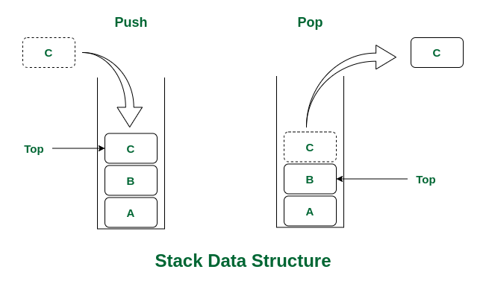
Datastructures
Name | Principle | Structure | Applications | Methods/ Operations | Advantages | Drawback | DataType | Examples | Blueprint
Stack | LIFO | Linear Data Structure | Browser history tracking, Undo operation when typing, Expression conversions, Call stack in Javascript runtime | Push, which adds an element to the end of the collection. Pop, which removes an element to the end of the collection |  |  | Abstract Datatype. It is defined by its behaviour rather than being a mathematical model | Stack of Plates, Pile of Cards

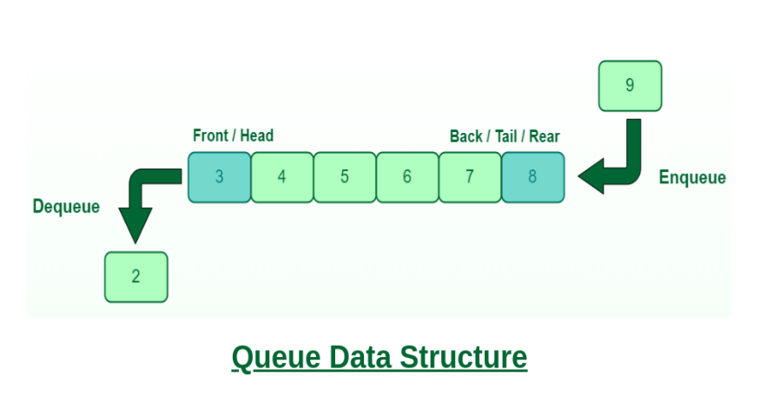
Queue | FIFO | Linear Data Structure | Printers, CPU task scheduling, Callback queue in Javascript runtime | Enqueue, which adds an element to the rear/tail of the collection. Dequeue, which removes an element from the front/head of the collection. |  |  | Abstract Datatype. It is defined by its behaviour rather than being a mathematical model | Queue of People

Circular Queue(Extended version of Normal Queue) | FIFO | Linear Data Structure | Clock, Streaming data, Traffic lights | Enqueue, which adds an element to the rear/tail of the collection. Dequeue, which removes an element from the front/head of the collection. |  |  |  |  | 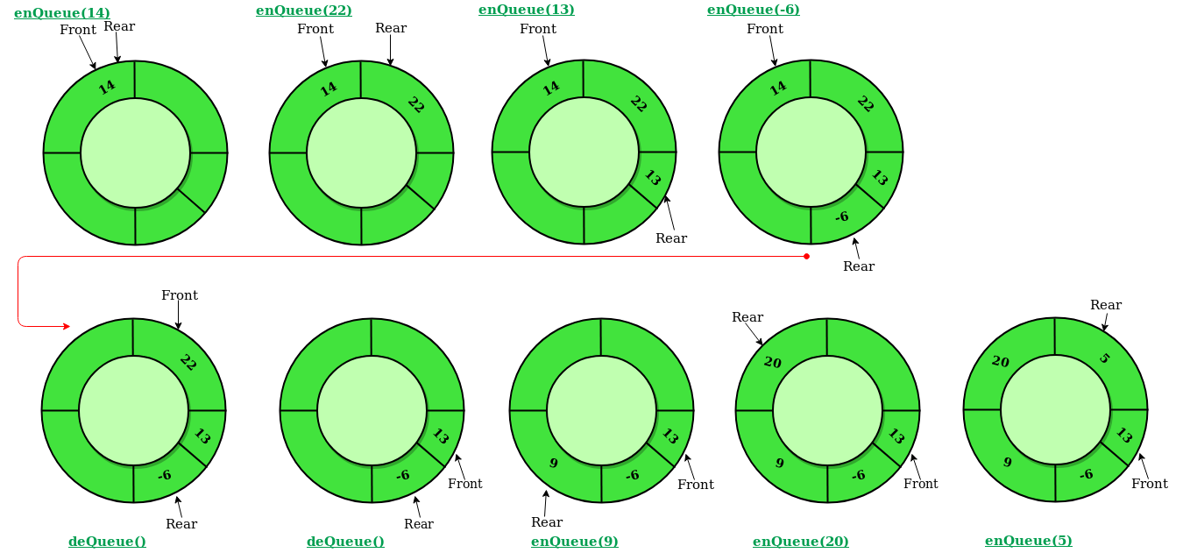


Linked List |  | Linear Data Structure | All applications of both stacks and queues are applications of linked list. | Insertion, to add an element at the beginning, end or at a given index in the list. Deletion, to remove an item given its index or value. Search, to find an element given its value | Advantage over Array, the list elements can be easily inserted or removed without reallocation or reorganization of the entire structure | Random access of elements is not feasible and accessing an element has linear time complexity.

