Sheet1
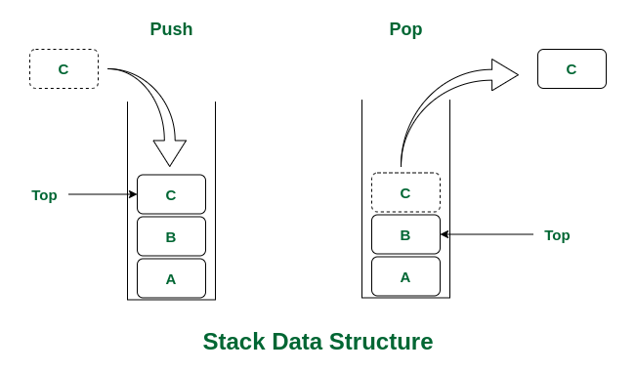
Datastructures
Name | Definition | Types | Principle | Structure | Applications | Methods/ Operations | Advantages | Drawback | DataType | Examples | Blueprint
Stack |  |  | LIFO | Linear Data Structure | Browser history tracking, Undo operation when typing, Expression conversions, Call stack in Javascript runtime | Push, which adds an element to the end of the collection. Pop, which removes an element to the end of the collection |  |  | Abstract Datatype. It is defined by its behaviour rather than being a mathematical model | Stack of Plates, Pile of Cards

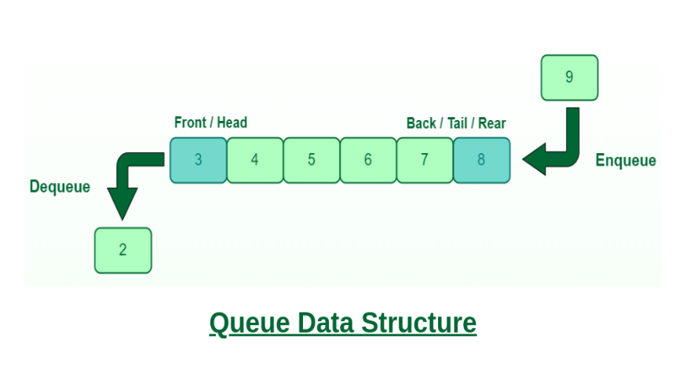
Queue |  |  | FIFO | Linear Data Structure | Printers, CPU task scheduling, Callback queue in Javascript runtime | Enqueue, which adds an element to the rear/tail of the collection. Dequeue, which removes an element from the front/head of the collection. |  |  | Abstract Datatype. It is defined by its behaviour rather than being a mathematical model | Queue of People

Circular Queue(Extended version of Normal Queue) |  |  | FIFO | Linear Data Structure | Clock, Streaming data, Traffic lights | Enqueue, which adds an element to the rear/tail of the collection. Dequeue, which removes an element from the front/head of the collection. |  |  |  |  | 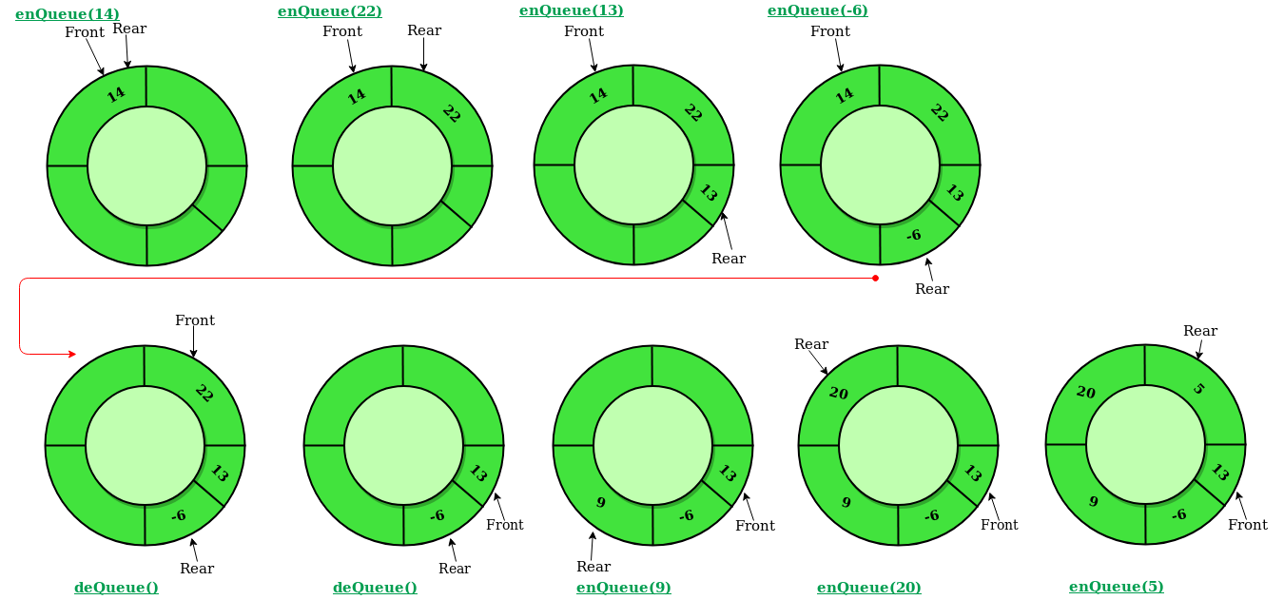


Linked List |  |  |  | Linear Data Structure | All applications of both stacks and queues are applications of linked list. | Insertion, to add an element at the beginning, end or at a given index in the list. Deletion, to remove an item given its index or value. Search, to find an element given its value | Advantage over Array, the list elements can be easily inserted or removed without reallocation or reorganization of the entire structure | Random access of elements is not feasible and accessing an element has linear time complexity.

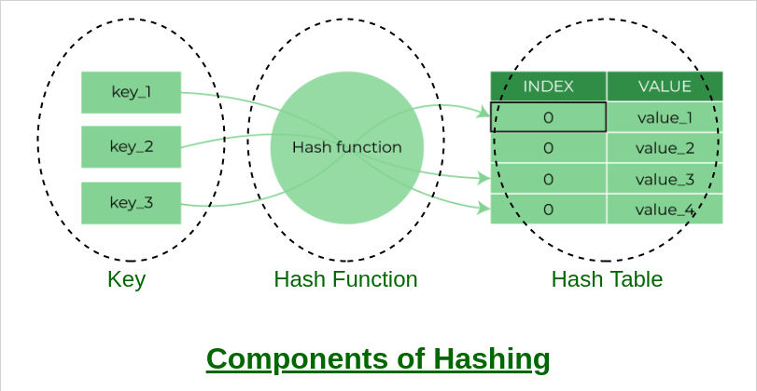
Hash Table / Hash Map |  |  | Key-value pair | Linear Data Structure | Constant time lookup and Insertion are required. Database indexing and Caches | Hashing Function. Set to store a key-value pair. Get to retrieve a value given its key. Remove to delete a key value pair. | It is similar like Object but the diifference is we can use of any key of specified as it don't have reserved keys. The same functionality is fulfilled by using Map.

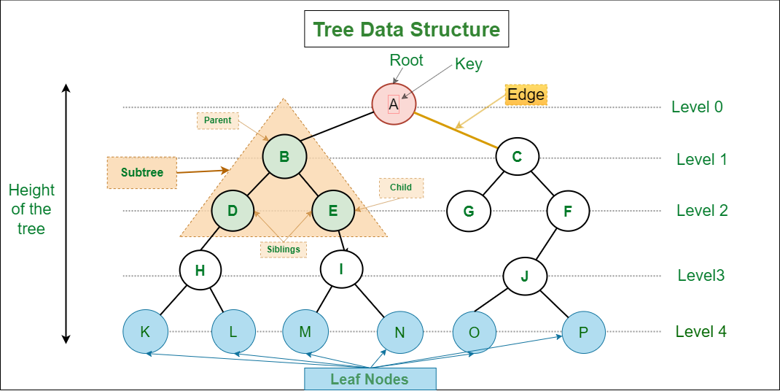
Tree |  |  |  | Non-Linear Data Structure

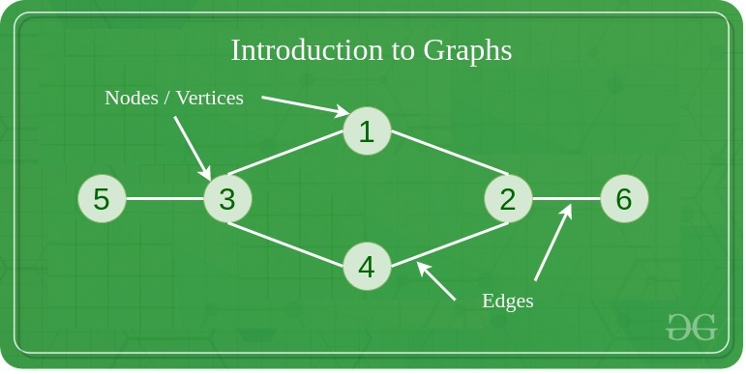
Graph | Tree is a secific type of Graph Data Structure. | Directed, Undirected |  | Non-Linear Data Structure. | Google Maps, Social Media Sites

