Sheet1
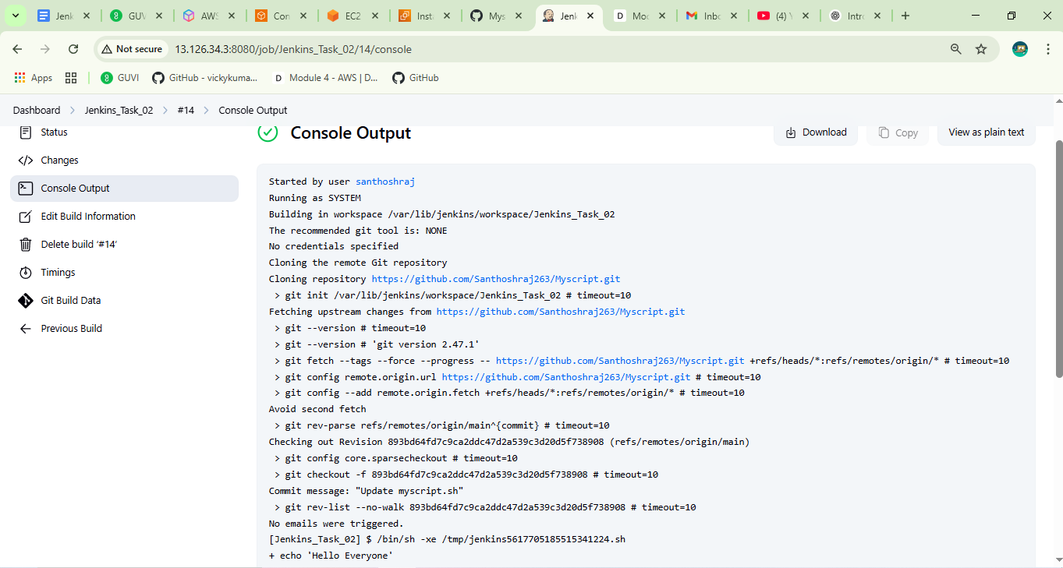
Jenkins Task : 02

Source_Simple script github Url:
 | GitHib URL : https://github.com/Santhoshraj263/Myscript/

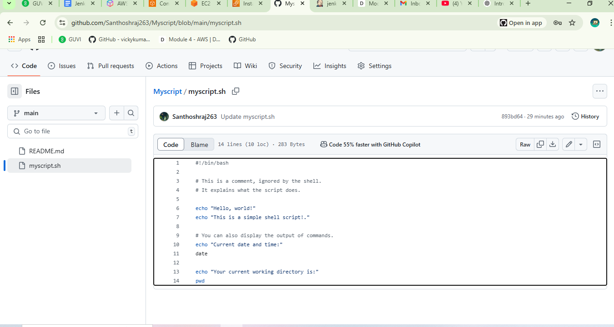

Created Jenkins freestyle Job:
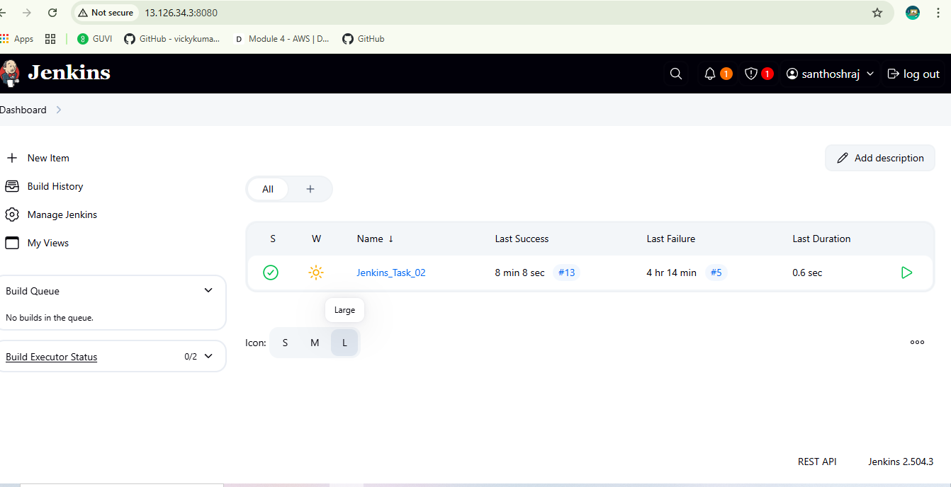

Initial Mail Notification:

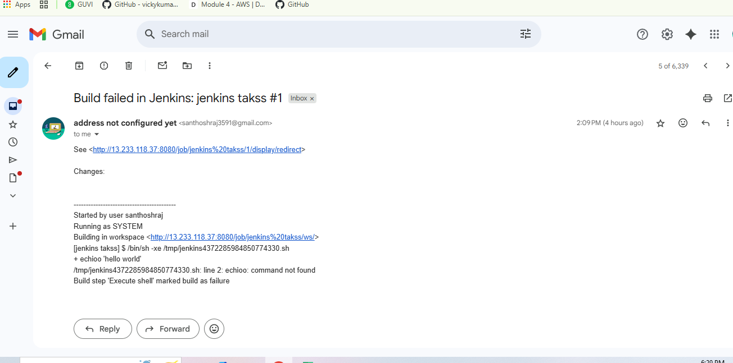

Final Console OutPut with Script

