Sheet1
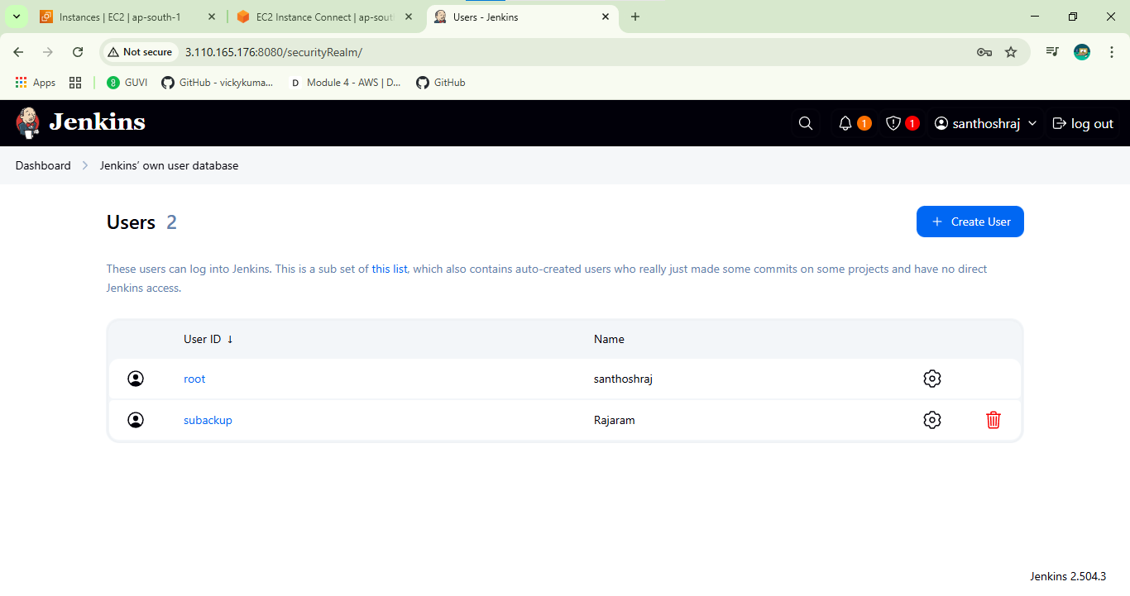
Jenkins Task |  | Launch jenkins and explore creating projects and users.

 | Launching Jenkins

Dashboard
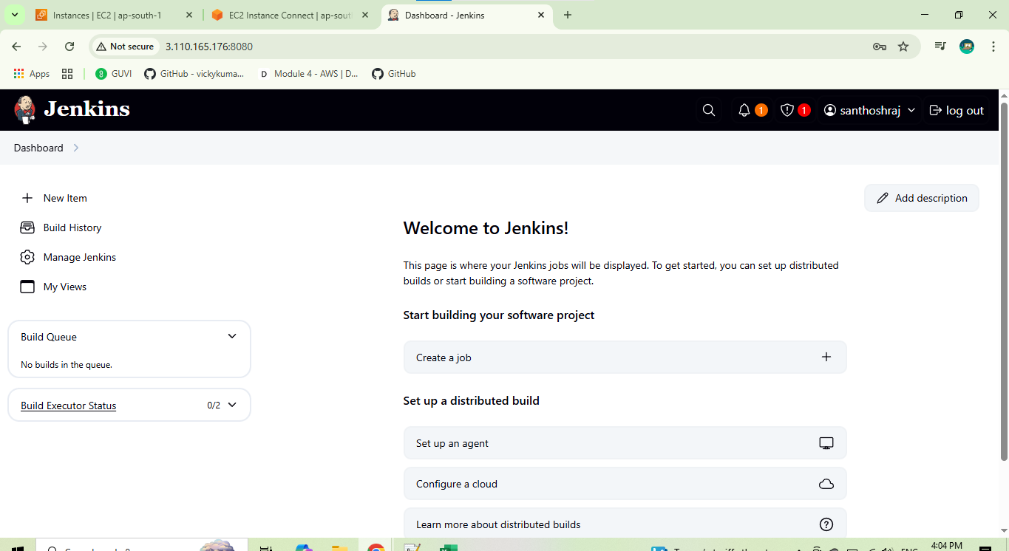

Creating Projects

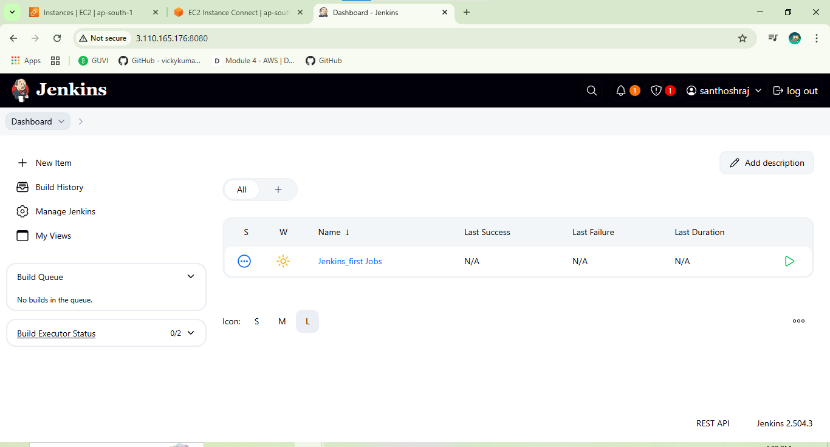

Build Projects

 | Console Output
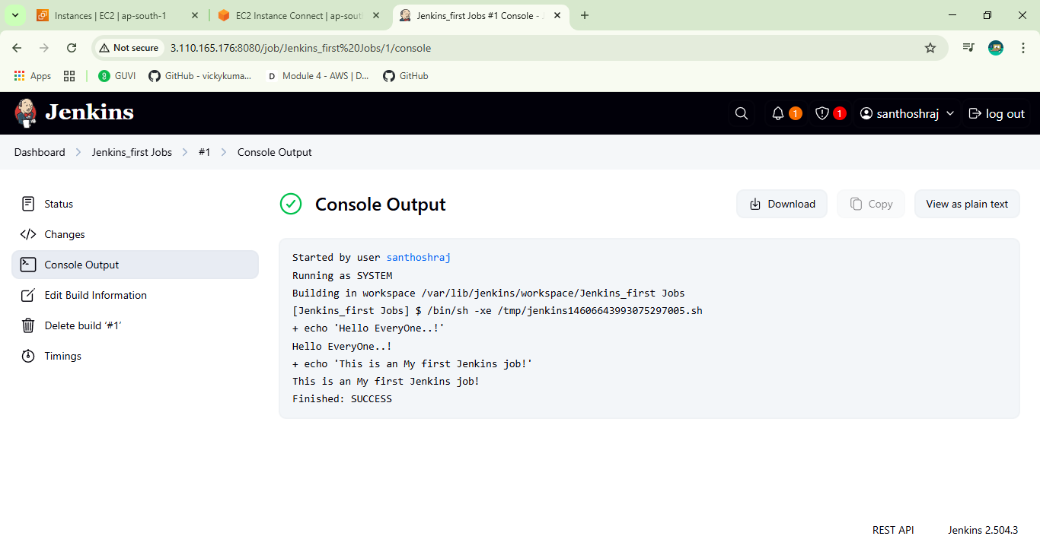

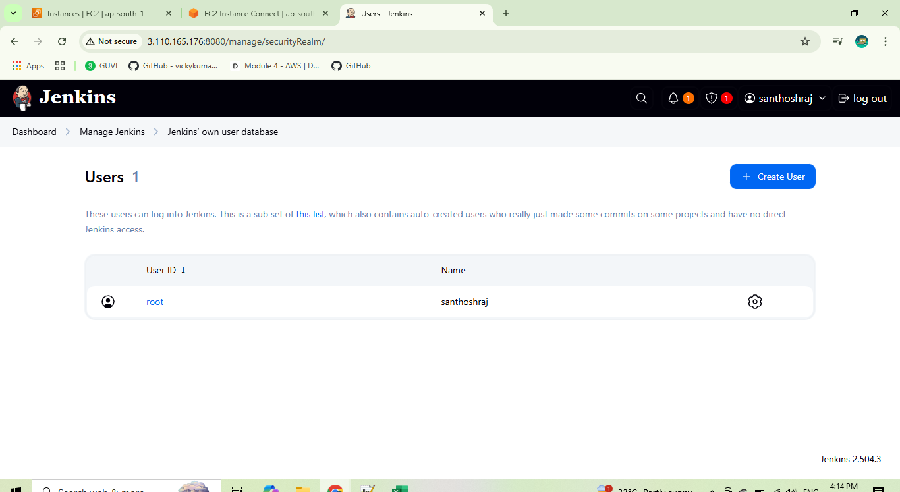
Creating New User
 | Root user

Created New user
 | User Name:subackup

