Sheet1
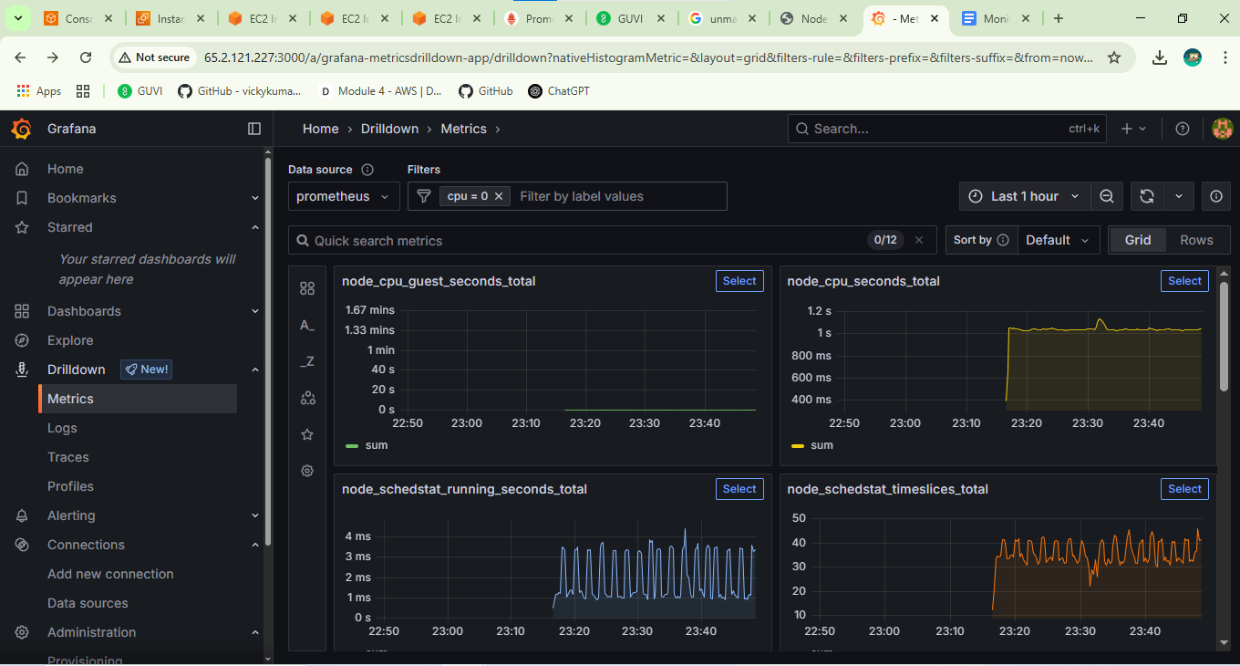
Monitoring Taskk

 | Prometheus Dashboard

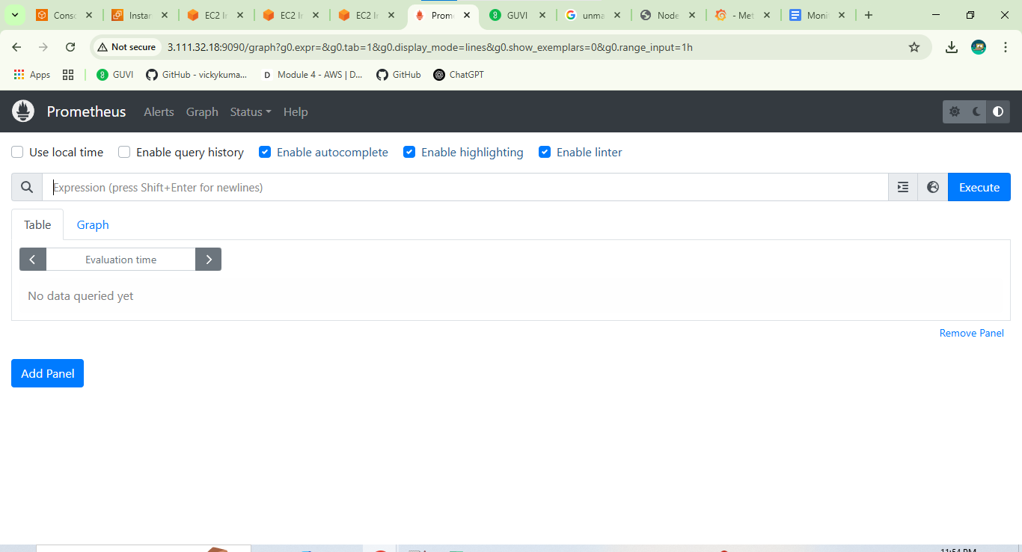

 | Node_exporterr

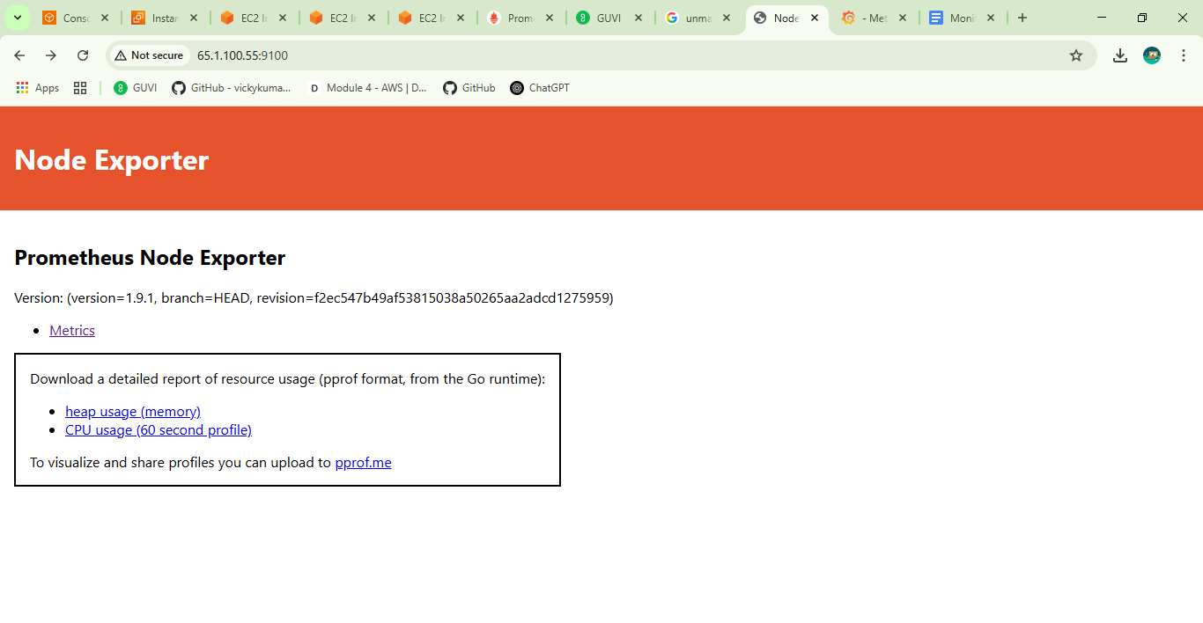

Node_exporter | Grafana metrics

