Sheet1
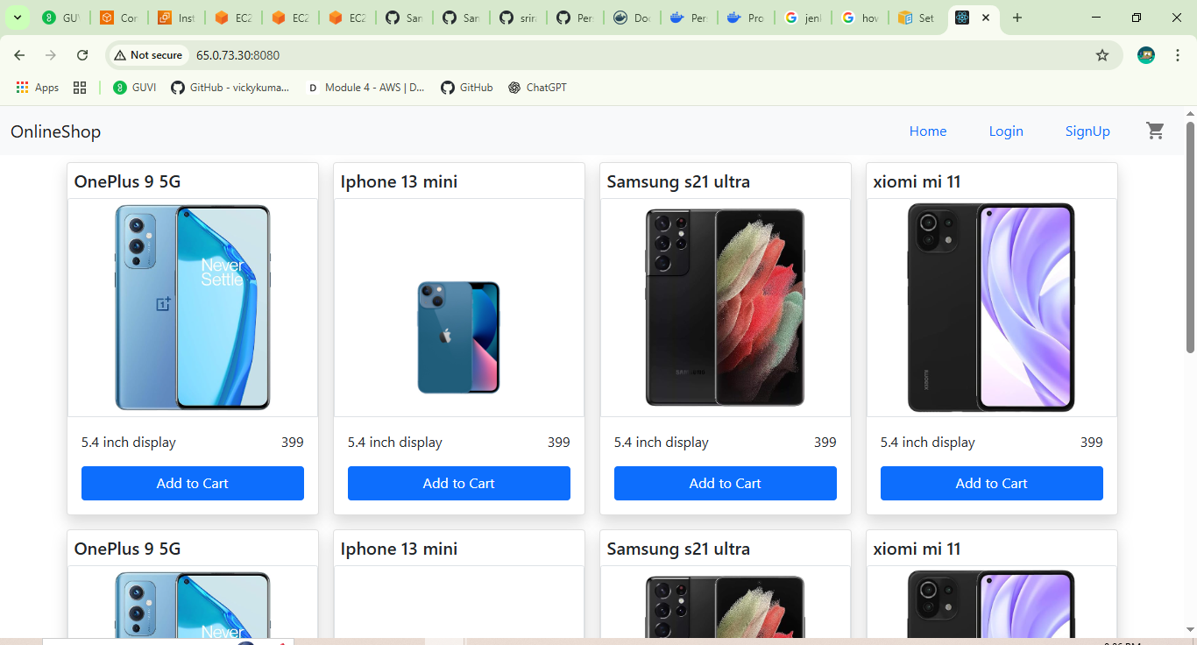
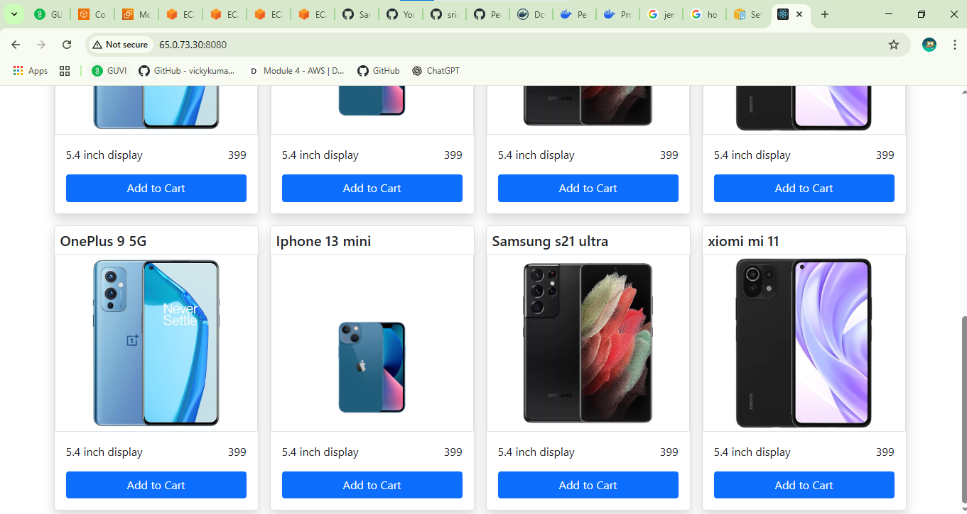
 |  |  | Reactjs E-commerce Application
Phase:01
 | Creating a Dockerfile
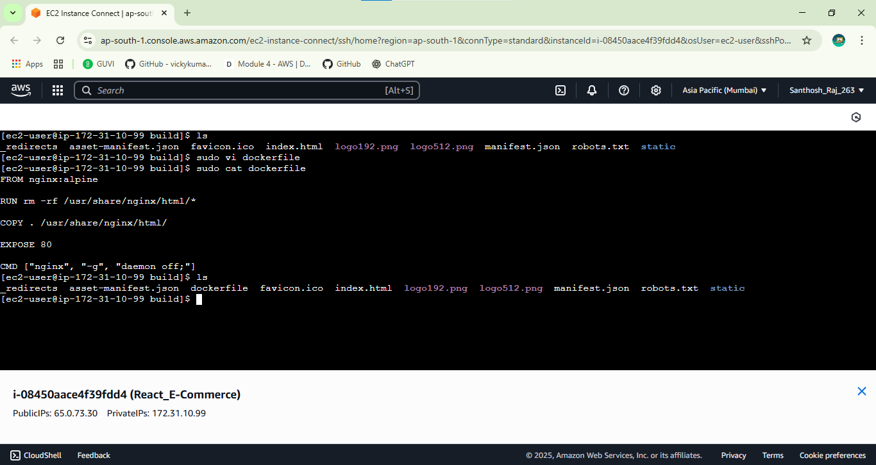

 | Creating Docker-compose.yml file
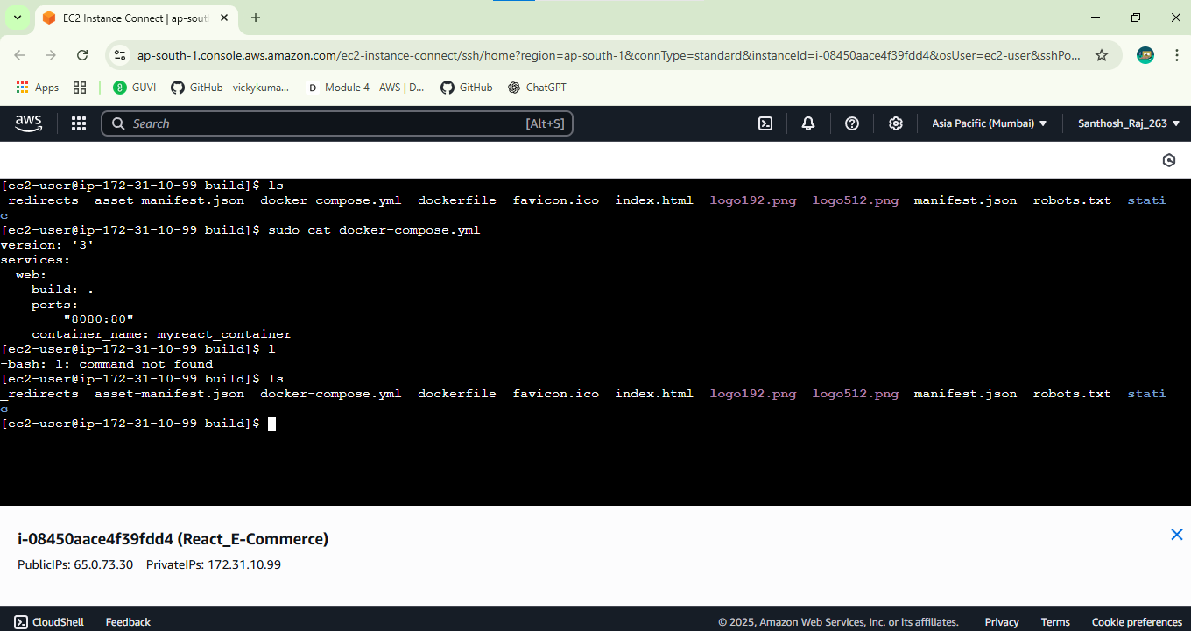

Phase:02 | Writing Bash Scripting
 | Build.sh & deploy.sh
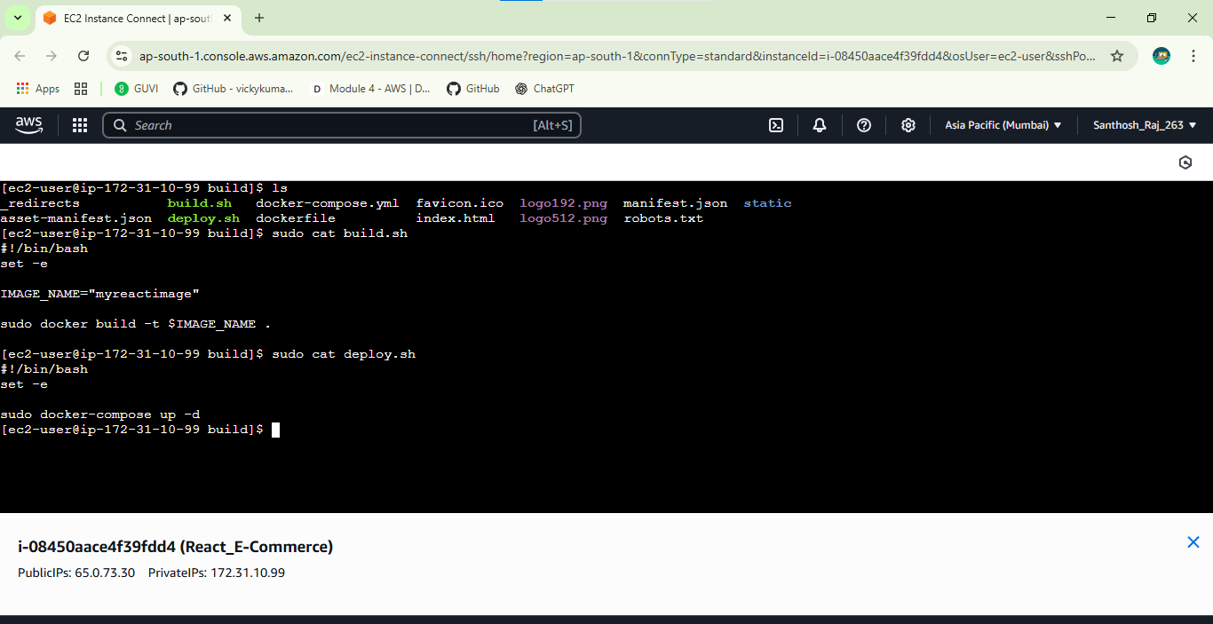

 | Docker Image & Container
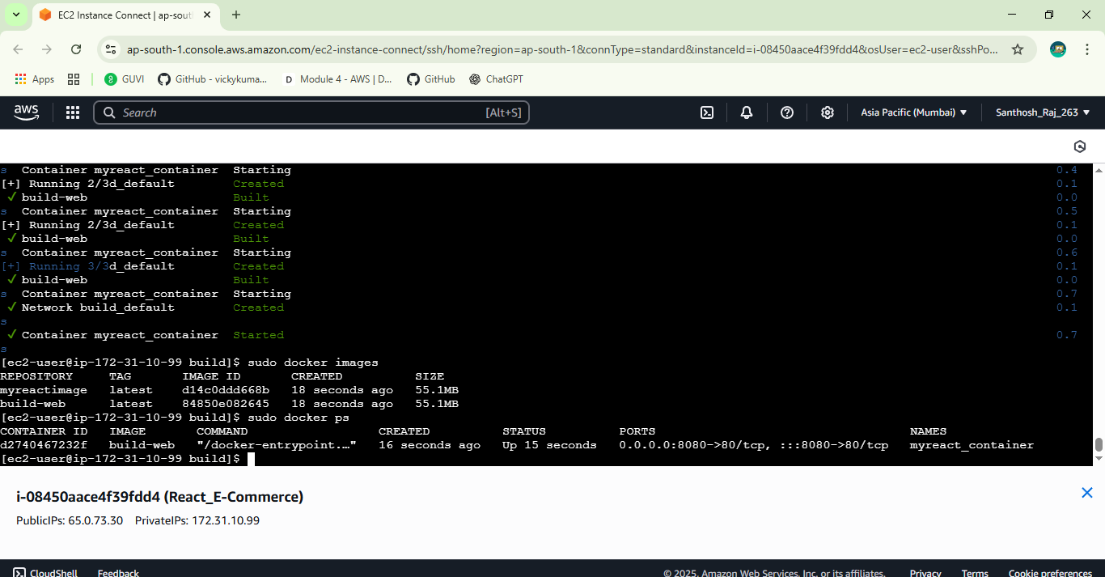

Phase:03
 | Pushing container to Dockerhub Repo
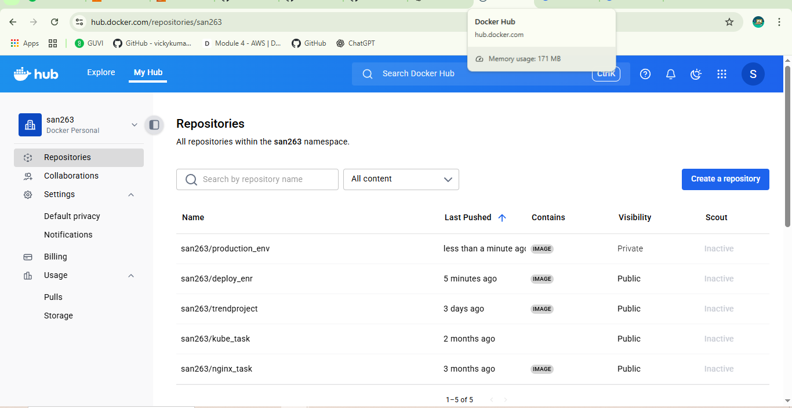

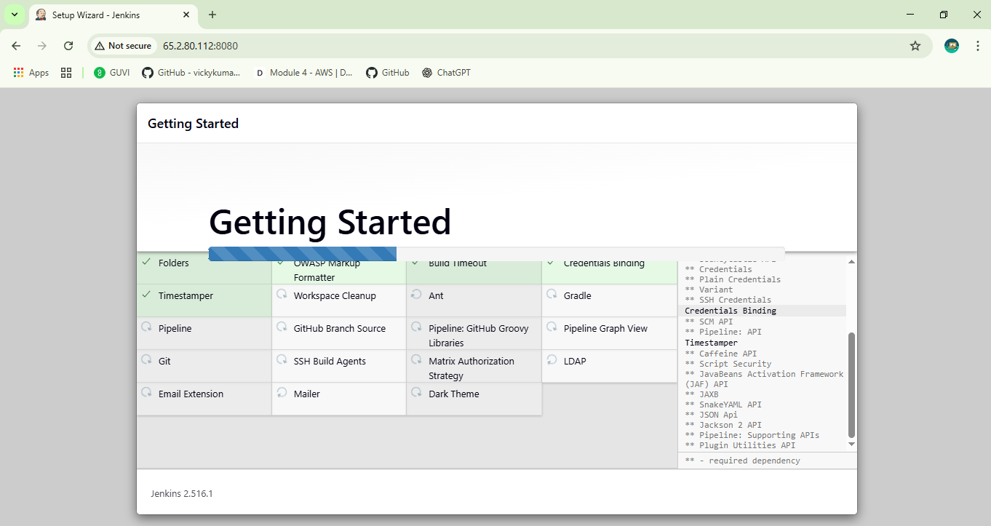
Phase:04 | Configure Jenkins_server

 | Created jenkins Multibrancch jenkins

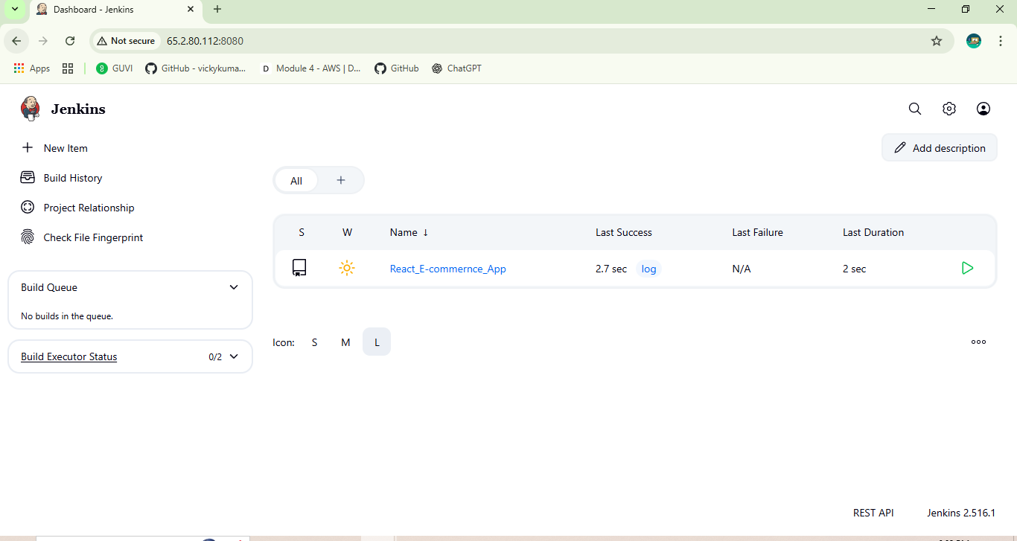

Phase:05 | Configure the New SG in SSH with My IP
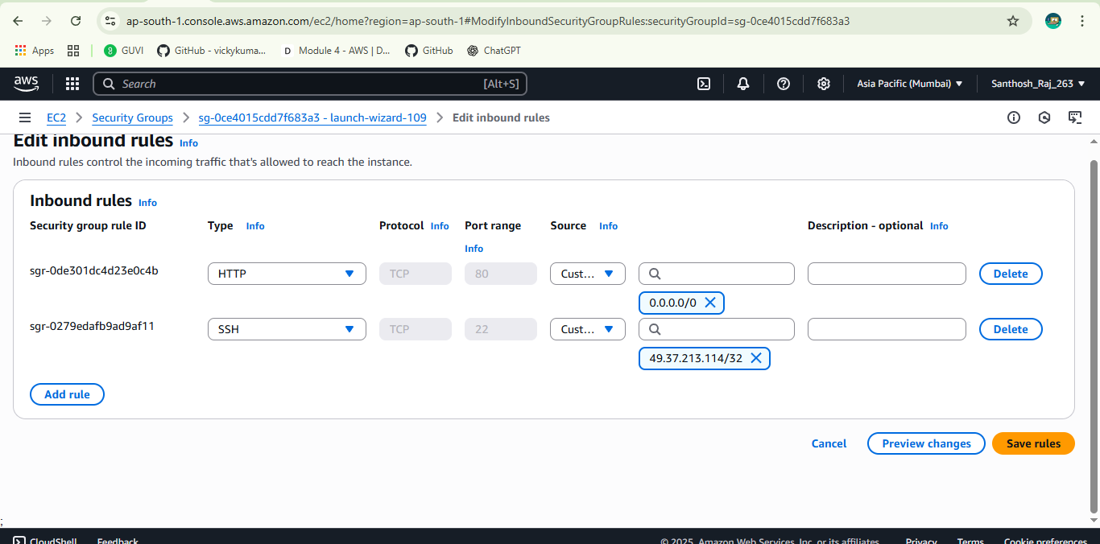

Phase:06 | Create Monitoring_Server | Created Jenkins connected to prometheus & Grafana
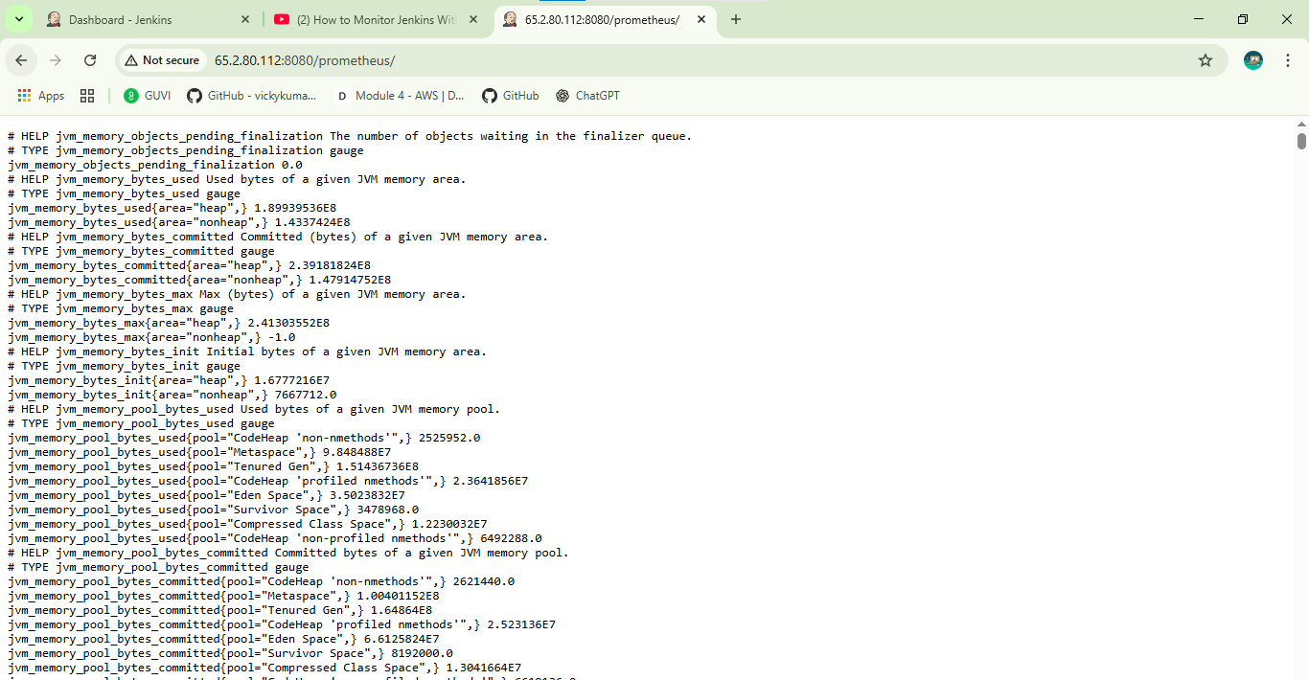
 | Prometheus & grafana _server

 | Grafana_Dashboard
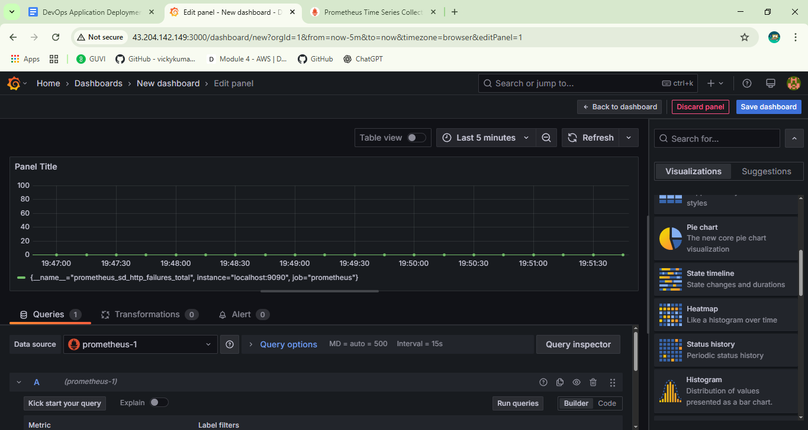

Final | Conslone Output

